Sheet1
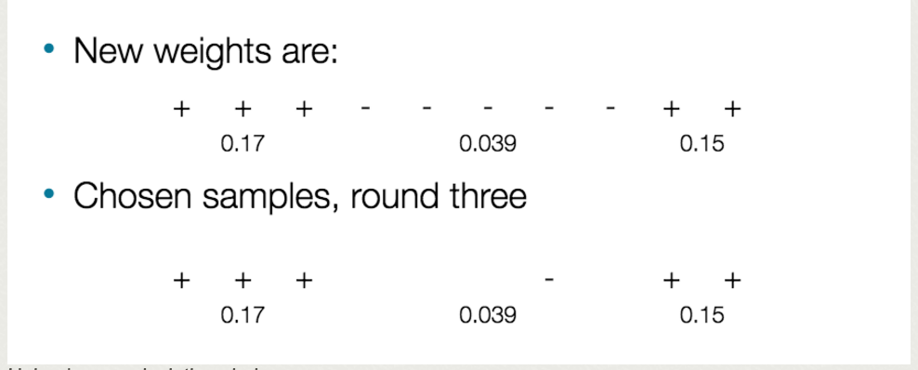

Split at 0.17, results in 2 errors with weights of 0.15

Error: | 5*0.039 | 0.20 | Find optimal split to reduce error
alpha importance | 4.13 | 1.42 | Maximize importance
N4-N8 weights | 0.16 |  | Adjust Weights
Rescaled weights | Base | 1.61 | Rescale

Column Vector Weights
1 | 0.11
2 | 0.11
3 | 0.11
4 | 0.10
5 | 0.10
6 | 0.10
7 | 0.10
8 | 0.10
9 | 0.09
10 | 0.09

