Sheet1
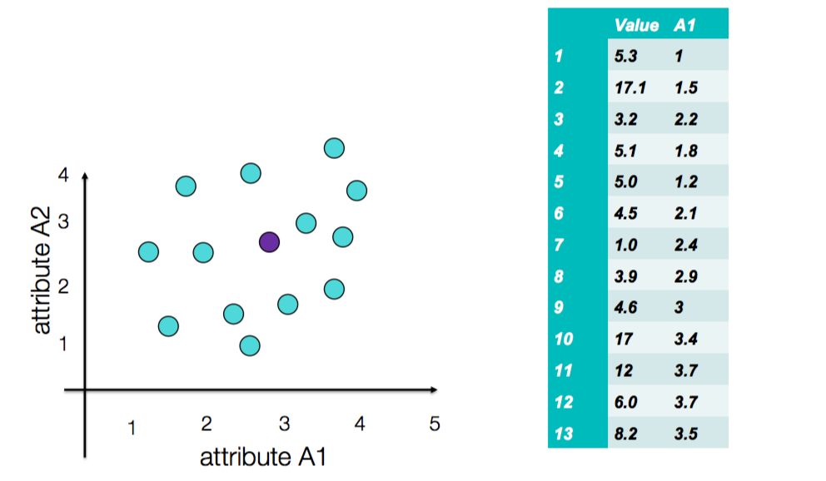

3

1

2
4

5

