Sheet1
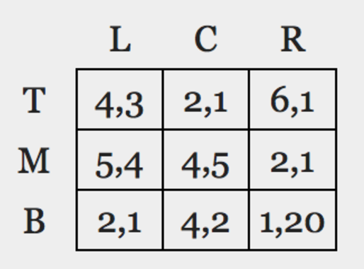

If row chooses T, best response is L from column player
If row chooses M, best response is C from column player
If row chooses B, best response is R from column player

