Sheet1
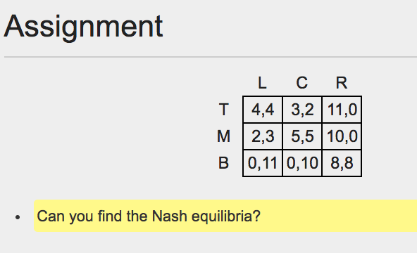

Two equilibria at T,L and M,C
4,4 | 5,5

