Sheet1
Cory Nichols
1 | Primo and Secundo
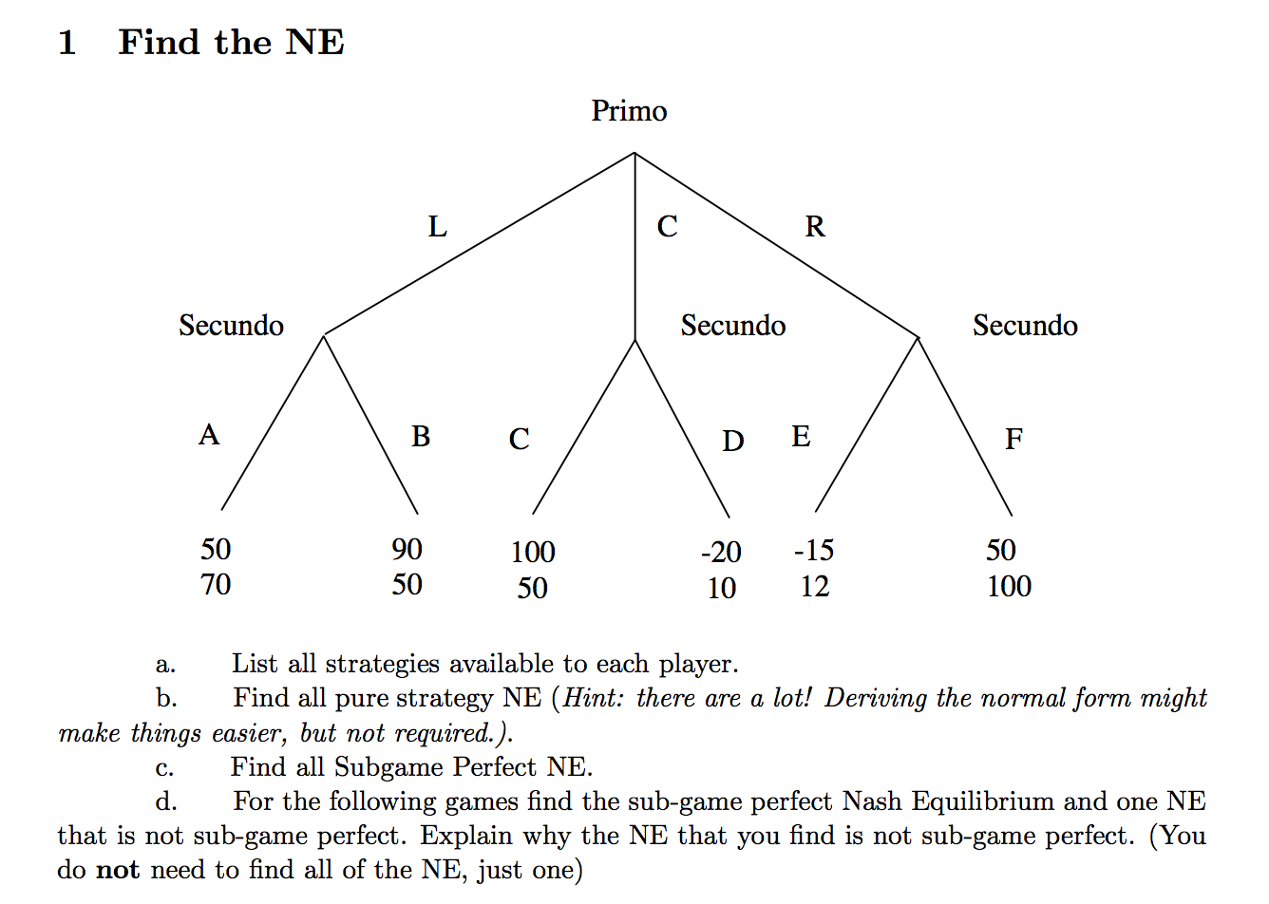
 |  | a. Strategies:
 |  |  | Primo: L, C, R
 |  |  | Secundo: ACE, ACF, ADE, ADF, BCE, BCF, BDE, BDF

 |  | b. Find all pure strategy NE
 |  |  |  | Secundo
 |  |  |  | ACE | ACF | ADE | ADF | BCE | BCF | BDE | BDF
 |  |  | L | 50, 70 | 50, 70 | 50, 70 | 50, 70 | 90, 50 | 90, 50 | 90, 50 | 90, 50
 |  | Primo | C | 100, 50 | 100, 50 | -20, 10 | -20, 10 | 100, 50 | 100, 50 | -20, 10 | -20, 10
 |  |  | R | -15, 12 | 50, 100 | -15, 12 | 50, 100 | -15, 12 | 50, 100 | -15, 12 | 50, 100

 |  | Nash equilibria can be found at:
 |  | (C, ACE), (C, ACF), (L, ADE), (L, ADF), (R, ADF), (C, BCE), (C, BCF)

 |  | c. Find the subgame perfect NE

 |  | The subgame perfect NE can be found at (C, ACF)
 |  | Other strategies leading to the same result can be found at: (C, BCF), (C, BCE) and (C, ACE)

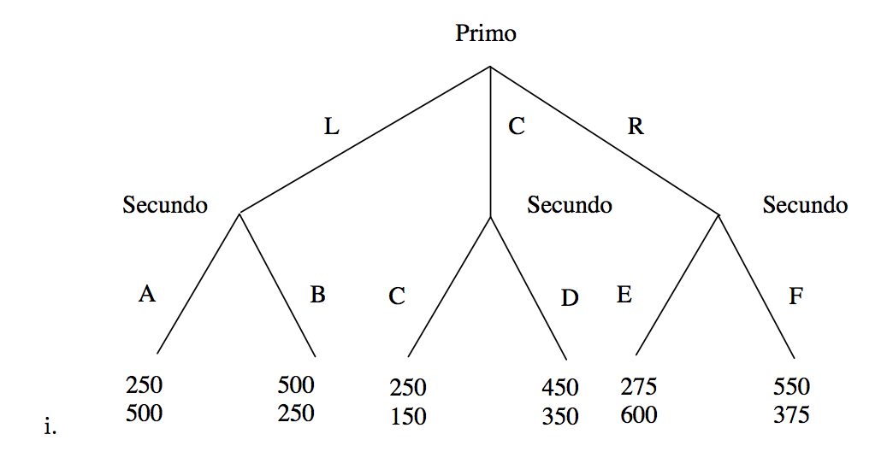
 |  | d. For the other games (d1 and d2) find sub-game perfect Nash Equilibrium and one Nash Equilibrium
d1 |  | that is not sub-game perfect. Explain why the NE is not sub-game perfect.

 |  | The subgame perfect Nash equlibrium is (C, ADE). Other none NE strategies resulting in the same outcome are
 |  | (C, BDF), (C, ADF), (C, BDE)

 |  | A non SPNE equlibrium can be found at (R, ACE). This NE is not subgame perfect because if Primo chose C,
 |  | he could make 450 instead of 275. Secundo, if Primo chooses R, Secundo will choose E, earning Secundo 600 and earning
 |  | Primo 275. This is not optimal for Primo, in that he will lose 175. Thus, Primo will choose C.
 |  |  |  | Secundo
 |  | Primo |  | ACE | ACF | ADE | ADF | BCE | BCF | BDE | BDF
 |  |  | L | 250, 500 | 250, 500 | 250, 500 | 250, 500 | 500, 250 | 500, 250 | 500, 250 | 500, 250
 |  |  | C | 250, 150 | 250, 150 | 450, 350 | 450, 350 | 250, 150 | 250, 150 | 450, 350 | 450, 350
 |  |  | R | 275, 600 | 550, 375 | 275, 600 | 550, 375 | 275, 600 | 550, 375 | 275, 600 | 550, 375

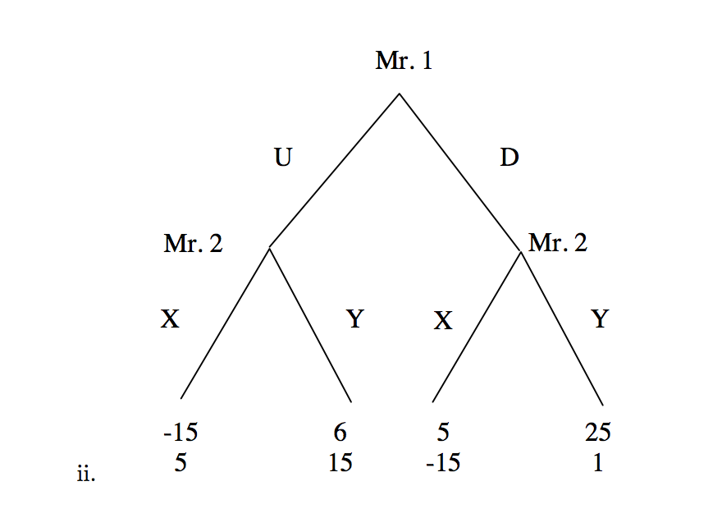
d2
 |  | The SPNE for scenario 2 (d2) is (D, YY) with the same scenario payoff occurring at strategies (D, YX)

 |  | A non-SPNE nash equilibrium can be found at (U, YX). This is not sub-game perfect because
 |  | Mr. 1 can easily choose D, knowing well that Mr. 2 would then choose Y, netting Mr. 1 a profit of 25.
 |  | In the non SPNE identified, Mr. 1 would choose U, ensuring Mr 2. would then choose Y.
 |  | This action, while an equilibrium, would only net Mr 1 a profit of 6.

 |  |  |  | XX | XY | YX | YY
 |  |  | U | -15, 5 | -15, 5 | 6, 15 | 6, 15
 |  |  | D | 5, -15 | 25, 1 | 5, -15 | 25, 1

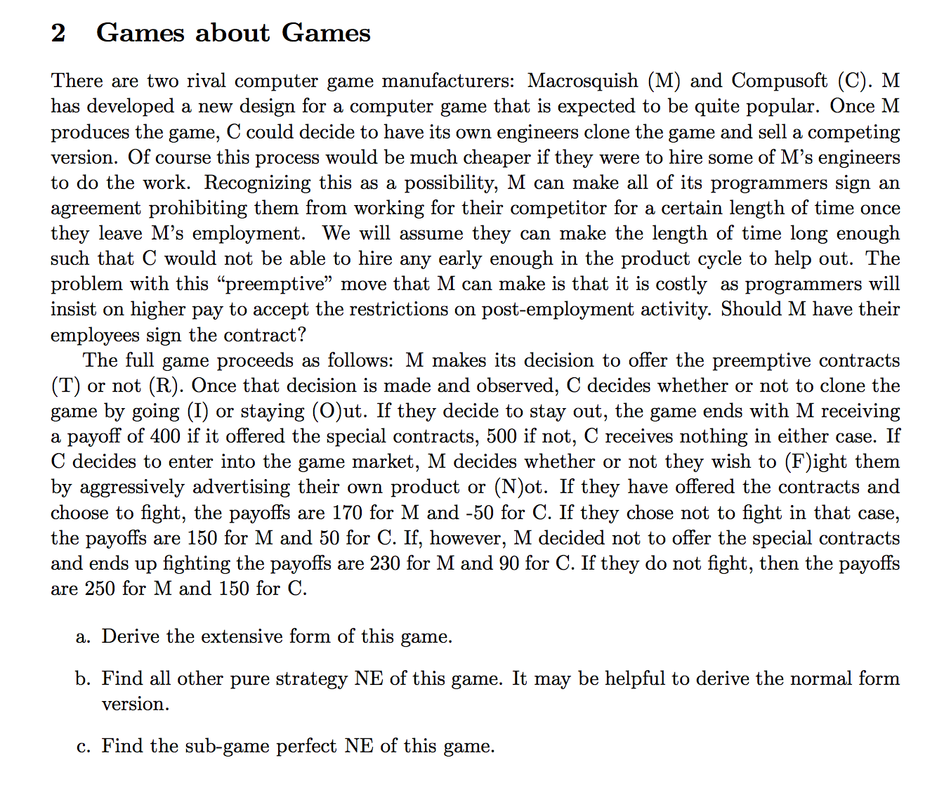
2 | Games about Games
 |  |  | a. Derive the extensive form of this game

F
170, -50

M
I
C
150, 50
N
T
M
O
400,0

M
F
230, 90
I
R
C

N
250, 150

O
500, 0

 |  |  | b. Find all other pure strategy NE of this game.

 |  |  | The strategies for M are TFF, TFN, TNF, TNN, RFF, RFN, RNF, RNN
 |  |  | The strategies for C are II, IO, OI and OO

 |  |  |  |  | C
 |  |  |  |  | II | IO | OI | OO
 |  |  | M | TFF | 170, -50 | 170, -50 | 400, 0 | 400, 0
 |  |  |  | TFN | 170, -50 | 170, -50 | 400, 0 | 400, 0
 |  |  |  | TNF | 150, 50 | 150, 50 | 400, 0 | 400, 0
 |  |  |  | TNN | 150, 50 | 150, 50 | 400, 0 | 400, 0
 |  |  |  | RFF | 230, 90 | 500, 0 | 230, 90 | 500, 0
 |  |  |  | RFN | 250, 150 | 500, 0 | 250, 150 | 500, 0
 |  |  |  | RNF | 230, 90 | 500, 0 | 230, 90 | 500, 0
 |  |  |  | RNN | 250, 150 | 500, 0 | 250, 150 | 500, 0

 |  |  | The pure strategy NE are at (RFN, II), (RNN, II), (TFF, OI), (TFN, OI)

 |  |  | c. Find the sub-game perfect NE of this game

 |  |  | The sub-game perfect NE of this game can be found at (TFN, OI)

 |  |  | d. What does this model suggest about making employees sign contracts?

 |  |  | This model demonstrates the importance of non-compete agreements. Profit of 400 for M could be
 |  |  | reduced to 250 if no contract is given to engineers. Companies should always consider, especially with intellectual
 |  |  | property, requiring non-compete agreements, even if it may cost more to employ.

