Sheet1
Cory Nichols
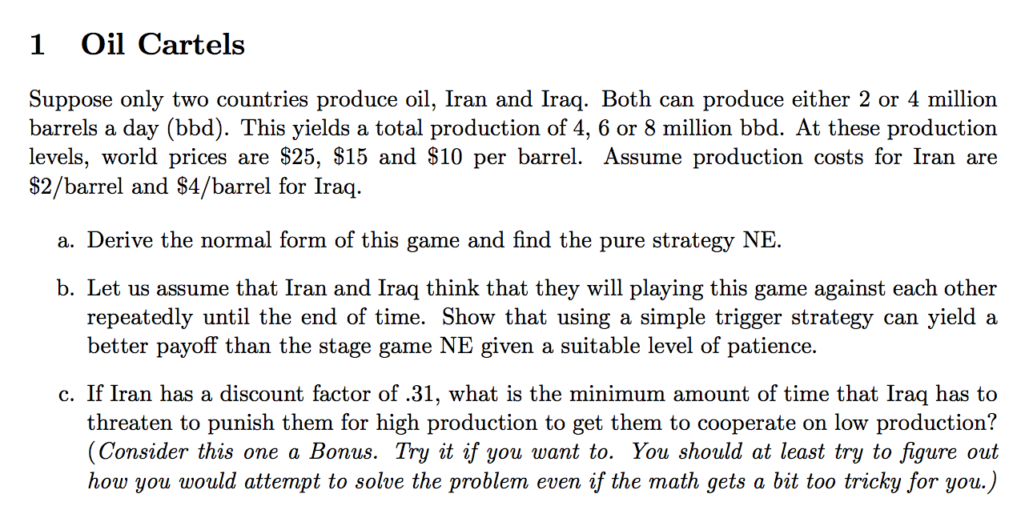
 | a. We can derive the profit for each country at each production level according to the given information.
 |  |  |  | Iraq
 |  |  |  | 2 | 4
 |  | Iran | 2 | 46, 42 | 26, 44
 |  |  | 4 | 52, 22 | 32, 24

 | Pure strategy NE can be found at (4,4)

 | b. Assume a discount rate of 0.5 for both Iran and Iraq

 | If we assume a Grim trigger strategy, where punishment phase lasts forever after a deviation for either country,
 | then, if both Iran and Iraq cooperate they'd both be better off versus stage game result:

 | Iran: Discount Rate of 0.5
 | Cooperation Payout | 92 |  | 46/(1-0.5)
 | Deviation Payout | 84 |  | 52+(32*0.5)/(1-0.5)

 | Iraq: Discount Rate of 0.5
 | Cooperation Payout | 84 |  | 42/(1-0.5)
 | Deviation Payout | 68 |  | 44+(24*0.5)/(1-0.5)
 | *Threat of indefinite punishment would make 2,2 a viable equilibrium

 | Stage Game NE
 | Iran | 64 |  | 32/(1-0.5)
 | Iraq | 48 |  | 24/(1-0.5)

 | Thus, a grim trigger strategy resulting in a cooperation equilibrium of 2, 2 would outperform the stage game NE (4,4) for both countries:
 | 92 to 64 for Iran and 84 to 48 for Iraq

 | c. I gave this a shot even though this is a bonus. If Iran has a discount factor of 0.31, the minimum amount of time that Iraq has to
 | threaten to punish would be three periods. This considers the payouts from each period for cooperating versus "deviation then
 | constant punishment"

 | We can observe this in the below schedule:
 |  | 0 | 1 | 2 | 3
 | Deviate and Punish | 52 | 9.92 | 3.08 | 0.95
 | Cooperate | 46 | 14.26 | 4.42 | 1.37
 |  | Running sum | 61.92 | 65.00 | 65.95
 |  |  | 60.26 | 64.68 | 66.05
 |  |  | 1.66 | 0.31 | -0.10

 | This can also be seen in the following

 | Where each future period (t starting at 1) difference is represented by 14(0.31)^t and we are attempting to determine how long
 | it takes to make up the additional 6 in profit Iran makes by deviating in a single period. This can be deduced by setting the payoff streams
 | equal to one another and considering the infinite payoff starting in period 1.
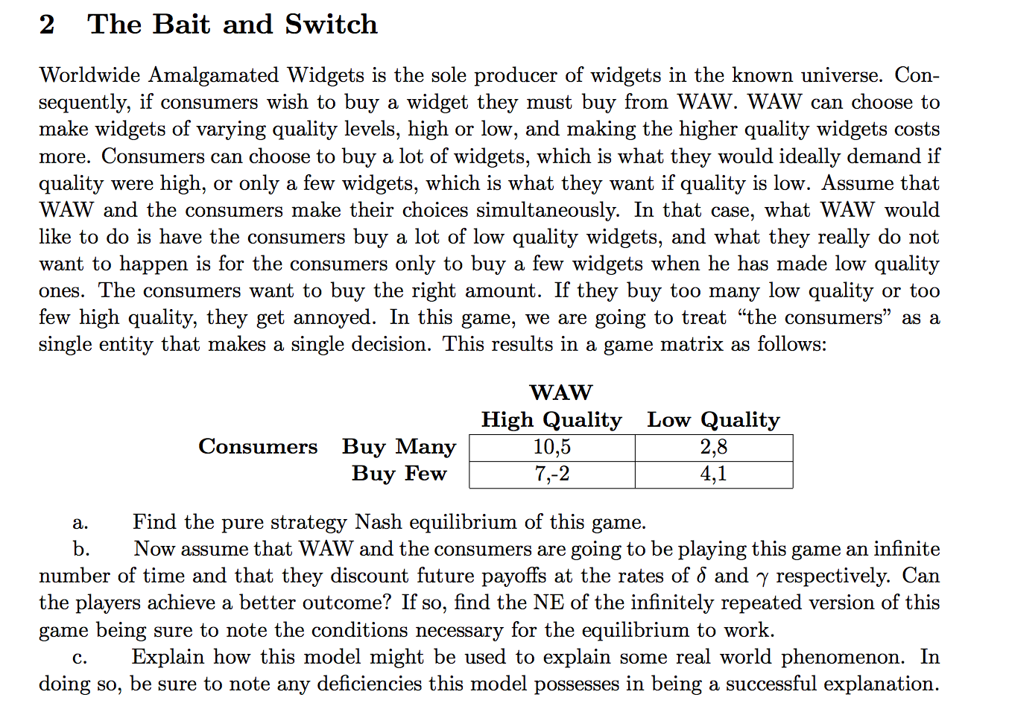

 | a. The Nash equlibrium of this game is Buy Few, Low Quality

 | b. With given discount rates of x and y (renaming for simplicity), we can see that if WAW was to
 | give into consumers preferences that are detailed in the introduction (of producing high quality items), they would
 | be better off because consumers would buy many. Consumers would also be better off and earn 5 instead of 1.
 | In fact, in this position, consumers would not deviate from Buying Many because they could not obtain a higher payoff anywhere else.

 | WAW could deviate, produce low quality and gain 3 profit. If WAW deviates, consumers should
 | then punish them in the next periods by buying fewer items (this will happen as indicated by the passage to the left).
 | Using a simple grim trigger strategy again, we can see that the infinitely repeated game can achieve equilibrium
 | at Buy Many, High Quality given a discount rate for WAW of:

 |  |  | 5/(1-y) >= 8 + 1y/(1-y)
 |  |  | 5 >= 8(1-y) + 1y
 |  |  | 5 >= 8 - 8y + y
 |  |  | -3 >= -7y
 |  |  | y >= 3/7

 | As long as WAW's discount rate is greater than 3/7 then they would always be better off cooperating.
 | This assumes constant punishment for deviation from consumers for WAW deviating.
 | Consumers would have no incentive to deviate from a Buy Many, High Quality strategy as they cannot
 | make more profit elsewhere. This means that Buy Many, High Quality would be an equlibrium if WAW's
 | discount rate is > 3/7 and there is a Grim trigger strategy in place for the given normal form / strategies.

 | c. This model can be used to explain real world phenomena such as the demand for high quality computer
 | chips. Typically, Intel chips far outsell AMD chips in the CPU component market. This is because Intel chips
 | are far higher quality in most instances, and consumers thus purchase these higher quality items in larger
 | quantities than AMD's product, which is often looked at as an inferior product.

 | This model, however, does not account for price, which can be a major factor in consumers truly buying
 | many of the product. For instance, in the above example, Intel could release an i7 EXTREME chip at $1,000.
 | These chips, from a quantity standpoint, would have a much lower sell out quantity, versus a mid-level chip
 | such as the i5 brand, which are priced in the $150-$200 range. This model also doesn't account for other
 | factors affecting quality, such as marketing and sales tactics.

