StdAngles
$${45}^{0}$$

$$\sqrt{2}$$

 |  | 1

$${45}^{0}$$

 | 1

$${30}^{0}$$

2
$$\sqrt{3}$$

$${60}^{0}$$

1

CompAngles
 | Complementary Angles

$${90}^{0}−θ^{0}$$

b |  |  | c

$$θ^{0}$$

 |  | a

Graphs
Trig Graphs

y=sin(x)

Radians | y=sin(x)
-6.59734 | -0.30902
-5.86431 | 0.40674
1
-5.13127 | 0.91355
-4.39823 | 0.95106
-3.66519 | 0.50000
-2.93215 | -0.20791
-2.19911 | -0.80902
-1.46608 | -0.99452
-0.73304 | -0.66913
0.00000 | 0.00000
0.73304 | 0.66913
1.46608 | 0.99452
2.19911 | 0.80902
-1
2.93215 | 0.20791
3.66519 | -0.50000
4.39823 | -0.95106
5.13127 | -0.91355
5.86431 | -0.40674
6.59734 | 0.30902

y=cos(x)

Radians | y=cos(x)
-6.59734 | 0.95106
-5.86431 | 0.91355
1
-5.13127 | 0.40674
-4.39823 | -0.30902
-3.66519 | -0.86603
-2.93215 | -0.97815
-2.19911 | -0.58779
-1.46608 | 0.10453
-0.73304 | 0.74314
0.00000 | 1.00000
0.73304 | 0.74314
1.46608 | 0.10453
2.19911 | -0.58779
2.93215 | -0.97815
-1
3.66519 | -0.86603
4.39823 | -0.30902
5.13127 | 0.40674
5.86431 | 0.91355
6.59734 | 0.95106

y=tan(x)
 |  | Note that tan lines are manually inserted curves. The actual graph is not shown as it gets nonsensically joined up, rather than showing asymptotes.
Radians | y=tan(x)
-6.59734 | -0.32492
-5.86431 | 0.44523
-5.13127 | 2.24604
-4.39823 | -3.07768
-3.66519 | -0.57735
-2.93215 | 0.21256
-2.19911 | 1.37638
-1.46608 | -9.51436
-0.73304 | -0.90040
0.00000 | 0.00000
0.73304 | 0.90040
1.46608 | 9.51436
2.19911 | -1.37638
2.93215 | -0.21256
3.66519 | 0.57735
4.39823 | 3.07768
5.13127 | -2.24604
5.86431 | -0.44523
6.59734 | 0.32492

y=cosec(x)
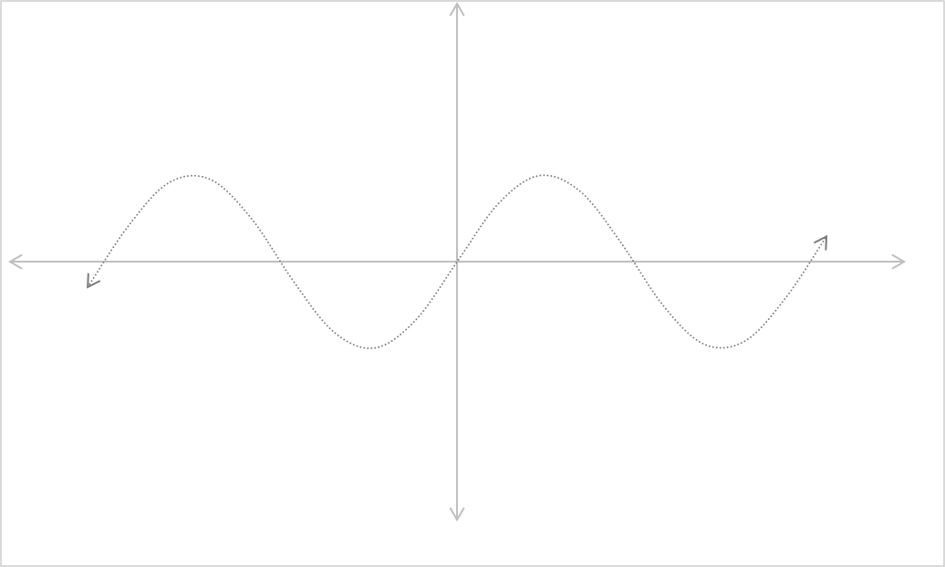
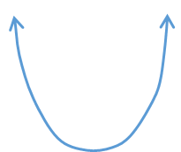
Radians | y=sin(x)
-6.59734 | -0.30902
-5.86431 | 0.40674
-5.13127 | 0.91355
-4.39823 | 0.95106
-3.66519 | 0.50000
1
-2.93215 | -0.20791
-2.19911 | -0.80902
-1.46608 | -0.99452
-0.73304 | -0.66913
0.00000 | 0.00000
-1
0.73304 | 0.66913
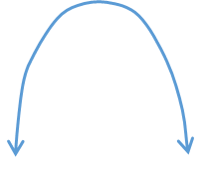
1.46608 | 0.99452
y=cosec(x) in blue
y=sin(x) shown in grey
2.19911 | 0.80902
2.93215 | 0.20791
3.66519 | -0.50000
4.39823 | -0.95106
5.13127 | -0.91355
5.86431 | -0.40674
6.59734 | 0.30902

y=sec(x)

Radians | y=cos(x)
-6.59734 | 0.95106
-5.86431 | 0.91355
-5.13127 | 0.40674
-4.39823 | -0.30902
-3.66519 | -0.86603
-2.93215 | -0.97815
-2.19911 | -0.58779
-1.46608 | 0.10453
-0.73304 | 0.74314
0.00000 | 1.00000
0.73304 | 0.74314
1.46608 | 0.10453
y=sec(x) in blue
y=cos(x) shown in grey
2.19911 | -0.58779
2.93215 | -0.97815
3.66519 | -0.86603
4.39823 | -0.30902
5.13127 | 0.40674
5.86431 | 0.91355
6.59734 | 0.95106

y=cot(x)

Radians | y=tan(x)
-6.59734 | -0.32492
-5.86431 | 0.44523
-5.13127 | 2.24604
-4.39823 | -3.07768
-3.66519 | -0.57735
-2.93215 | 0.21256
-2.19911 | 1.37638
-1.46608 | -9.51436
-0.73304 | -0.90040
0.00000 | 0.00000
0.73304 | 0.90040
1.46608 | 9.51436
2.19911 | -1.37638
2.93215 | -0.21256
3.66519 | 0.57735
4.39823 | 3.07768
5.13127 | -2.24604
5.86431 | -0.44523
6.59734 | 0.32492

RadianLabels
Radian tick lables

Below radian symbols are
- manaully entered via insert equation (ink equation)
- evenly spaced to gridlines
- Excel camera is used to take a "live" picture which is then copied onto graphs

Range option 1

$$−\frac{3π}{2}$$
$$−π$$
$$−\frac{π}{2}$$
$$\frac{π}{2}$$
$$π$$
$$\frac{3π}{2}$$
$$−2π$$
$$2π$$

Range option 1

$$−\frac{3π}{2}$$
$$−π$$
$$−\frac{π}{2}$$
$$\frac{π}{2}$$
$$\frac{3π}{2}$$
$$π$$

