StdAngles
$${45}^{0}$$

$$\sqrt{2}$$

 |  | 1

$${45}^{0}$$

 | 1

$${30}^{0}$$

2
$$\sqrt{3}$$

$${60}^{0}$$

1

CompAngles
 | Complementary Angles

$${90}^{0}−θ^{0}$$

b |  |  | c

$$θ^{0}$$

 |  | a

Graphs
Trig Graphs

y=sin(x)

Radians | y=sin(x)
-6.59734 | -0.30902
-5.86431 | 0.40674
1
-5.13127 | 0.91355
-4.39823 | 0.95106
-3.66519 | 0.50000
-2.93215 | -0.20791
-2.19911 | -0.80902
-1.46608 | -0.99452
-0.73304 | -0.66913
0.00000 | 0.00000
0.73304 | 0.66913
1.46608 | 0.99452
2.19911 | 0.80902
-1
2.93215 | 0.20791
3.66519 | -0.50000
4.39823 | -0.95106
5.13127 | -0.91355
5.86431 | -0.40674
6.59734 | 0.30902

y=cos(x)

Radians | y=cos(x)
-6.59734 | 0.95106
-5.86431 | 0.91355
1
-5.13127 | 0.40674
-4.39823 | -0.30902
-3.66519 | -0.86603
-2.93215 | -0.97815
-2.19911 | -0.58779
-1.46608 | 0.10453
-0.73304 | 0.74314
0.00000 | 1.00000
0.73304 | 0.74314
1.46608 | 0.10453
2.19911 | -0.58779
2.93215 | -0.97815
-1
3.66519 | -0.86603
4.39823 | -0.30902
5.13127 | 0.40674
5.86431 | 0.91355
6.59734 | 0.95106

y=tan(x)
 |  | Note that tan lines are manually inserted curves. The actual graph is not shown as it gets nonsensically joined up, rather than showing asymptotes.
Radians | y=tan(x)
-6.59734 | -0.32492
-5.86431 | 0.44523
-5.13127 | 2.24604
-4.39823 | -3.07768
-3.66519 | -0.57735
-2.93215 | 0.21256
-2.19911 | 1.37638
-1.46608 | -9.51436
-0.73304 | -0.90040
0.00000 | 0.00000
0.73304 | 0.90040
1.46608 | 9.51436
2.19911 | -1.37638
2.93215 | -0.21256
3.66519 | 0.57735
4.39823 | 3.07768
5.13127 | -2.24604
5.86431 | -0.44523
6.59734 | 0.32492

y=cosec(x)
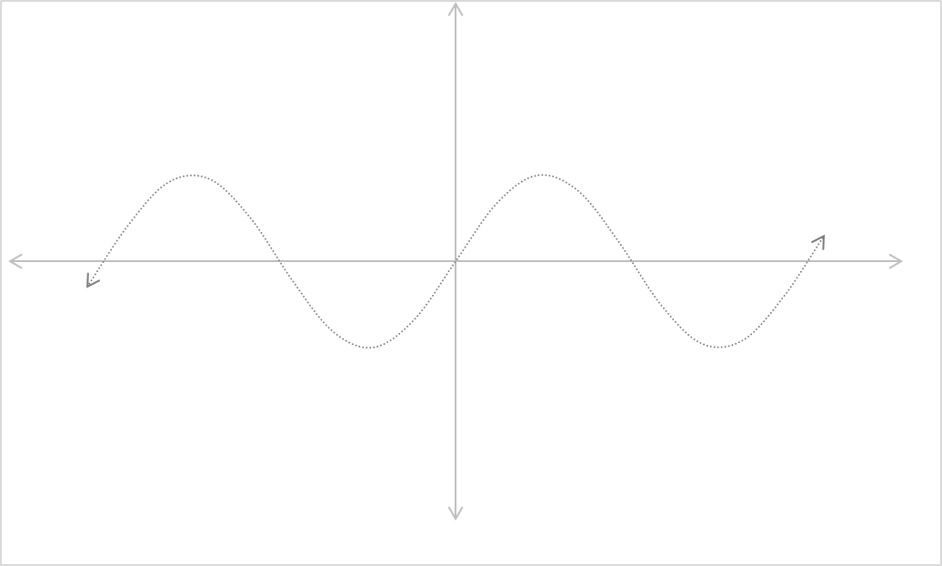
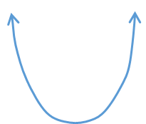
Radians | y=sin(x)
-6.59734 | -0.30902
-5.86431 | 0.40674
-5.13127 | 0.91355
-4.39823 | 0.95106
-3.66519 | 0.50000
1
-2.93215 | -0.20791
-2.19911 | -0.80902
-1.46608 | -0.99452
-0.73304 | -0.66913
0.00000 | 0.00000
-1
0.73304 | 0.66913
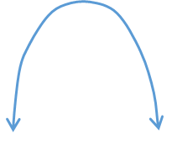
1.46608 | 0.99452
y=cosec(x) in blue
y=sin(x) shown in grey
2.19911 | 0.80902
2.93215 | 0.20791
3.66519 | -0.50000
4.39823 | -0.95106
5.13127 | -0.91355
5.86431 | -0.40674
6.59734 | 0.30902

y=sec(x)

Radians | y=cos(x)
-6.59734 | 0.95106
-5.86431 | 0.91355
-5.13127 | 0.40674
-4.39823 | -0.30902
-3.66519 | -0.86603
-2.93215 | -0.97815
-2.19911 | -0.58779
-1.46608 | 0.10453
-0.73304 | 0.74314
0.00000 | 1.00000
0.73304 | 0.74314
1.46608 | 0.10453
y=sec(x) in blue
y=cos(x) shown in grey
2.19911 | -0.58779
2.93215 | -0.97815
3.66519 | -0.86603
4.39823 | -0.30902
5.13127 | 0.40674
5.86431 | 0.91355
6.59734 | 0.95106

y=cot(x)

Radians | y=tan(x)
-6.59734 | -0.32492
-5.86431 | 0.44523
-5.13127 | 2.24604
-4.39823 | -3.07768
-3.66519 | -0.57735
-2.93215 | 0.21256
-2.19911 | 1.37638
-1.46608 | -9.51436
-0.73304 | -0.90040
0.00000 | 0.00000
0.73304 | 0.90040
1.46608 | 9.51436
2.19911 | -1.37638
2.93215 | -0.21256
3.66519 | 0.57735
4.39823 | 3.07768
5.13127 | -2.24604
5.86431 | -0.44523
6.59734 | 0.32492

y=arcsin(x)

$$\frac{π}{2}$$
Radians | y=asin(x)
-1.00000 | -1.57080
-0.88889 | -1.09491
-0.77778 | -0.89112
-0.66667 | -0.72973
-0.55556 | -0.58903
-0.44444 | -0.46055
-0.33333 | -0.33984
-0.22222 | -0.22409
-1
-0.11111 | -0.11134
0.00000 | 0.00000
0.11111 | 0.11134
0.22222 | 0.22409
0.33333 | 0.33984
0.44444 | 0.46055
0.55556 | 0.58903
$$−\frac{π}{2}$$
0.66667 | 0.72973
0.77778 | 0.89112
0.88889 | 1.09491
1.00000 | 1.57080

y=arccos(x)

$$π$$
Radians | y=asin(x)
-1.00000 | 3.14159
-0.88889 | 2.66571
-0.77778 | 2.46192
-0.66667 | 2.30052
-0.55556 | 2.15983
-0.44444 | 2.03135
$$\frac{π}{2}$$
-0.33333 | 1.91063
-0.22222 | 1.79489
-0.11111 | 1.68214
0.00000 | 1.57080
0.11111 | 1.45946
0.22222 | 1.34670
0.33333 | 1.23096
0.44444 | 1.11024
-1
0.55556 | 0.98177
0.66667 | 0.84107
0.77778 | 0.67967
0.88889 | 0.47588
1.00000 | 0.00000

y=arctan(x)

$$\frac{π}{2}$$
Radians | y=asin(x)
-10.00000 | -1.47113
-8.88889 | -1.45877
-7.77778 | -1.44293
-6.66667 | -1.42191
-5.55556 | -1.39270
-4.44444 | -1.34948
-3.33333 | -1.27934
-2.22222 | -1.14794
-1.11111 | -0.83798
0.00000 | 0.00000
1.11111 | 0.83798
2.22222 | 1.14794
3.33333 | 1.27934
4.44444 | 1.34948
5.55556 | 1.39270
$$−\frac{π}{2}$$
6.66667 | 1.42191
7.77778 | 1.44293
8.88889 | 1.45877
10.00000 | 1.47113

$$−\frac{π}{2}$$

RadianLabels
Radian tick lables

Below radian symbols are
- manaully entered via insert equation (ink equation)
- evenly spaced to gridlines
- Excel camera is used to take a "live" picture which is then copied onto graphs

Range option 1

$$−\frac{3π}{2}$$
$$−π$$
$$−\frac{π}{2}$$
$$\frac{π}{2}$$
$$π$$
$$\frac{3π}{2}$$
$$−2π$$
$$2π$$

Range option 1

$$−\frac{3π}{2}$$
$$−π$$
$$−\frac{π}{2}$$
$$\frac{π}{2}$$
$$\frac{3π}{2}$$
$$π$$

