2019
Exact | Male |  |  | Female |  |  | a Probability of dying within one year.
age | Death | Number of | Life | Death | Number of | Life | b Number of survivors out of 100,000 born alive.
 | probability a | lives b | expectancy | probability a | lives b | expectancy
0 | 0.006081 | 100,000 | 76.22 | 0.005046 | 100,000 | 81.28 | Note: The period life expectancy at a given age for 2019 is the average remaining number of years expected prior to death for a person at that exact age, born on January 1, using the mortality rates for 2019 over the course of his or her remaining life.
1 | 0.000425 | 99,392 | 75.69 | 0.000349 | 99,495 | 80.69 | The Social Security area population is composed of: (1) residents of the 50 States and the District of Columbia (adjusted for net census undercount); (2) civilian residents of Puerto Rico, the Virgin Islands, Guam, American Samoa, and the Northern Mariana Islands; (3) Federal civilian employees and persons in the U.S. Armed Forces abroad and their dependents; (4) non-citizens living abroad who are insured for Social Security benefits; and (5) all other U.S. citizens abroad.
2 | 0.00026 | 99,350 | 74.72 | 0.000212 | 99,461 | 79.72
3 | 0.000194 | 99,324 | 73.74 | 0.000166 | 99,440 | 78.73
4 | 0.000154 | 99,305 | 72.76 | 0.000137 | 99,423 | 77.75
5 | 0.000142 | 99,289 | 71.77 | 0.000122 | 99,409 | 76.76
6 | 0.000135 | 99,275 | 70.78 | 0.000111 | 99,397 | 75.77
7 | 0.000127 | 99,262 | 69.79 | 0.000103 | 99,386 | 74.77
8 | 0.000116 | 99,249 | 68.79 | 0.000098 | 99,376 | 73.78
9 | 0.000104 | 99,238 | 67.8 | 0.000095 | 99,366 | 72.79
10 | 0.000097 | 99,227 | 66.81 | 0.000095 | 99,357 | 71.8
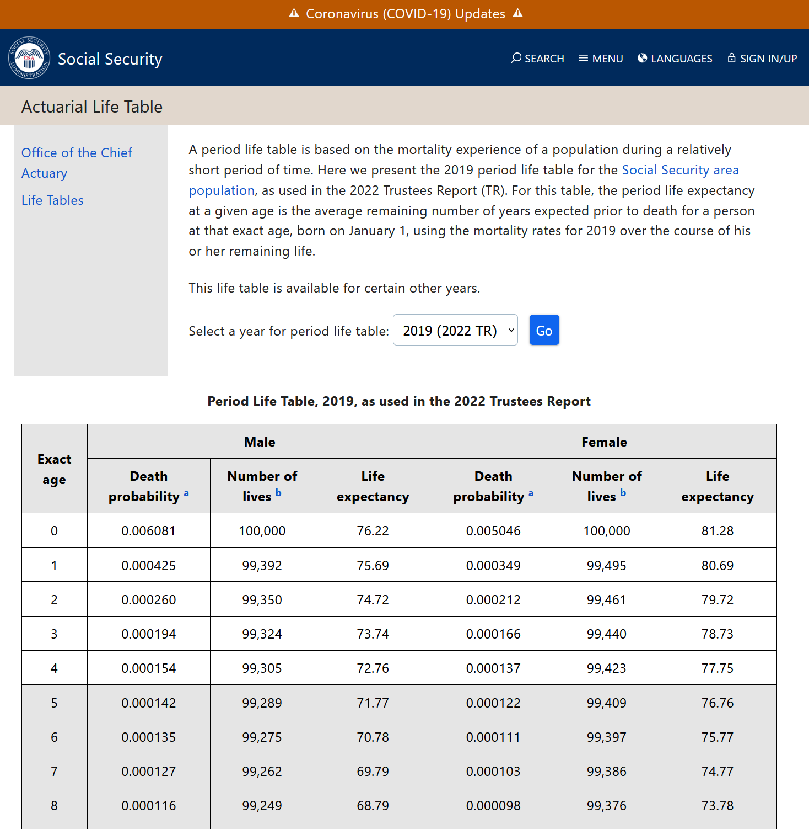
11 | 0.000106 | 99,218 | 65.82 | 0.000102 | 99,348 | 70.8
12 | 0.000144 | 99,207 | 64.82 | 0.000116 | 99,337 | 69.81
13 | 0.00022 | 99,193 | 63.83 | 0.000139 | 99,326 | 68.82
14 | 0.000323 | 99,171 | 62.85 | 0.00017 | 99,312 | 67.83
15 | 0.000437 | 99,139 | 61.87 | 0.000204 | 99,295 | 66.84
16 | 0.000552 | 99,096 | 60.89 | 0.00024 | 99,275 | 65.85
17 | 0.000675 | 99,041 | 59.93 | 0.000278 | 99,251 | 64.87
18 | 0.000806 | 98,974 | 58.97 | 0.000319 | 99,224 | 63.89
19 | 0.000939 | 98,894 | 58.01 | 0.00036 | 99,192 | 62.91
20 | 0.001079 | 98,802 | 57.07 | 0.000405 | 99,156 | 61.93
21 | 0.001215 | 98,695 | 56.13 | 0.000451 | 99,116 | 60.95
22 | 0.001327 | 98,575 | 55.2 | 0.000491 | 99,071 | 59.98
23 | 0.001406 | 98,444 | 54.27 | 0.000523 | 99,023 | 59.01
24 | 0.001461 | 98,306 | 53.35 | 0.000549 | 98,971 | 58.04
25 | 0.001507 | 98,162 | 52.42 | 0.000574 | 98,917 | 57.07
26 | 0.001557 | 98,014 | 51.5 | 0.000604 | 98,860 | 56.11
27 | 0.00161 | 97,862 | 50.58 | 0.000642 | 98,800 | 55.14
28 | 0.001668 | 97,704 | 49.66 | 0.00069 | 98,737 | 54.17
29 | 0.001732 | 97,541 | 48.74 | 0.000748 | 98,669 | 53.21
30 | 0.001795 | 97,372 | 47.83 | 0.00081 | 98,595 | 52.25
31 | 0.001858 | 97,198 | 46.91 | 0.000871 | 98,515 | 51.29
32 | 0.001923 | 97,017 | 46 | 0.000931 | 98,429 | 50.34
33 | 0.001992 | 96,830 | 45.09 | 0.000988 | 98,337 | 49.38
34 | 0.002064 | 96,638 | 44.18 | 0.001044 | 98,240 | 48.43
35 | 0.002145 | 96,438 | 43.27 | 0.001105 | 98,138 | 47.48
36 | 0.002231 | 96,231 | 42.36 | 0.001171 | 98,029 | 46.53
37 | 0.002316 | 96,017 | 41.45 | 0.001235 | 97,914 | 45.59
38 | 0.002398 | 95,794 | 40.55 | 0.001295 | 97,793 | 44.64
39 | 0.002482 | 95,564 | 39.64 | 0.001356 | 97,667 | 43.7
40 | 0.00258 | 95,327 | 38.74 | 0.001422 | 97,534 | 42.76
41 | 0.002697 | 95,081 | 37.84 | 0.001501 | 97,396 | 41.82
42 | 0.002828 | 94,825 | 36.94 | 0.001596 | 97,249 | 40.88
43 | 0.002976 | 94,557 | 36.04 | 0.001709 | 97,094 | 39.95
44 | 0.003146 | 94,275 | 35.15 | 0.001841 | 96,928 | 39.01
45 | 0.00334 | 93,979 | 34.26 | 0.001989 | 96,750 | 38.08
46 | 0.003567 | 93,665 | 33.37 | 0.002153 | 96,557 | 37.16
47 | 0.003833 | 93,331 | 32.49 | 0.002333 | 96,350 | 36.24
48 | 0.004143 | 92,973 | 31.61 | 0.00253 | 96,125 | 35.32
49 | 0.004499 | 92,588 | 30.74 | 0.002746 | 95,882 | 34.41
50 | 0.00489 | 92,171 | 29.88 | 0.002981 | 95,618 | 33.5
51 | 0.005321 | 91,720 | 29.02 | 0.003241 | 95,333 | 32.6
52 | 0.00581 | 91,232 | 28.18 | 0.00353 | 95,024 | 31.71
53 | 0.006363 | 90,702 | 27.34 | 0.003853 | 94,689 | 30.82
54 | 0.006973 | 90,125 | 26.51 | 0.004208 | 94,324 | 29.93
55 | 0.007629 | 89,497 | 25.69 | 0.004591 | 93,927 | 29.06
56 | 0.008322 | 88,814 | 24.89 | 0.004997 | 93,496 | 28.19
57 | 0.009049 | 88,075 | 24.09 | 0.005426 | 93,029 | 27.33
58 | 0.009806 | 87,278 | 23.31 | 0.005876 | 92,524 | 26.48
59 | 0.010595 | 86,422 | 22.53 | 0.006348 | 91,980 | 25.63
60 | 0.011452 | 85,506 | 21.77 | 0.006883 | 91,396 | 24.79
61 | 0.012358 | 84,527 | 21.01 | 0.007457 | 90,767 | 23.96
62 | 0.013255 | 83,482 | 20.27 | 0.00801 | 90,090 | 23.14
63 | 0.014126 | 82,376 | 19.54 | 0.00852 | 89,369 | 22.32
64 | 0.015006 | 81,212 | 18.81 | 0.009031 | 88,607 | 21.51
65 | 0.016001 | 79,994 | 18.09 | 0.009617 | 87,807 | 20.7
66 | 0.017124 | 78,714 | 17.37 | 0.010328 | 86,963 | 19.89
67 | 0.018298 | 77,366 | 16.67 | 0.011167 | 86,065 | 19.1
68 | 0.019519 | 75,950 | 15.97 | 0.012158 | 85,103 | 18.31
69 | 0.020847 | 74,468 | 15.28 | 0.013312 | 84,069 | 17.52
70 | 0.022381 | 72,915 | 14.59 | 0.014673 | 82,950 | 16.75
71 | 0.024185 | 71,283 | 13.91 | 0.016221 | 81,733 | 16
72 | 0.026266 | 69,559 | 13.25 | 0.017905 | 80,407 | 15.25
73 | 0.02866 | 67,732 | 12.59 | 0.019714 | 78,967 | 14.52
74 | 0.031401 | 65,791 | 11.95 | 0.021714 | 77,410 | 13.8
75 | 0.034618 | 63,725 | 11.32 | 0.02408 | 75,729 | 13.1
76 | 0.038263 | 61,519 | 10.71 | 0.026831 | 73,906 | 12.41
77 | 0.04219 | 59,165 | 10.11 | 0.029855 | 71,923 | 11.74
78 | 0.046367 | 56,669 | 9.54 | 0.033151 | 69,776 | 11.08
79 | 0.050948 | 54,041 | 8.97 | 0.036829 | 67,463 | 10.45
80 | 0.056237 | 51,288 | 8.43 | 0.041122 | 64,978 | 9.83
81 | 0.06236 | 48,404 | 7.9 | 0.046102 | 62,306 | 9.23
82 | 0.069226 | 45,385 | 7.39 | 0.051683 | 59,434 | 8.65
83 | 0.076884 | 42,243 | 6.91 | 0.057896 | 56,362 | 8.09
84 | 0.085452 | 38,996 | 6.44 | 0.064863 | 53,099 | 7.56
85 | 0.095062 | 35,663 | 6 | 0.072731 | 49,655 | 7.05
86 | 0.105829 | 32,273 | 5.57 | 0.081626 | 46,043 | 6.56
87 | 0.117838 | 28,858 | 5.17 | 0.091644 | 42,285 | 6.1
88 | 0.131138 | 25,457 | 4.8 | 0.10284 | 38,410 | 5.67
89 | 0.145751 | 22,119 | 4.45 | 0.115236 | 34,460 | 5.26
90 | 0.161678 | 18,895 | 4.12 | 0.128837 | 30,489 | 4.88
91 | 0.178905 | 15,840 | 3.82 | 0.143633 | 26,561 | 4.52
92 | 0.197408 | 13,006 | 3.54 | 0.159606 | 22,746 | 4.2
93 | 0.217149 | 10,439 | 3.29 | 0.176731 | 19,115 | 3.9
94 | 0.23808 | 8,172 | 3.06 | 0.194973 | 15,737 | 3.63
95 | 0.258821 | 6,226 | 2.86 | 0.213413 | 12,669 | 3.39
96 | 0.278966 | 4,615 | 2.69 | 0.231752 | 9,965 | 3.17
97 | 0.298092 | 3,327 | 2.54 | 0.249663 | 7,656 | 2.98
98 | 0.315762 | 2,336 | 2.4 | 0.266801 | 5,744 | 2.81
99 | 0.33155 | 1,598 | 2.28 | 0.282809 | 4,212 | 2.65
100 | 0.348128 | 1,068 | 2.16 | 0.299778 | 3,021 | 2.49
101 | 0.365534 | 696 | 2.05 | 0.317765 | 2,115 | 2.34
102 | 0.383811 | 442 | 1.94 | 0.33683 | 1,443 | 2.2
103 | 0.403001 | 272 | 1.83 | 0.35704 | 957 | 2.07
104 | 0.423151 | 163 | 1.73 | 0.378463 | 615 | 1.94
105 | 0.444309 | 94 | 1.63 | 0.40117 | 382 | 1.82
106 | 0.466524 | 52 | 1.54 | 0.425241 | 229 | 1.7
107 | 0.489851 | 28 | 1.45 | 0.450755 | 132 | 1.59
108 | 0.514343 | 14 | 1.37 | 0.4778 | 72 | 1.48
109 | 0.54006 | 7 | 1.28 | 0.506468 | 38 | 1.38
110 | 0.567063 | 3 | 1.21 | 0.536857 | 19 | 1.28
111 | 0.595417 | 1 | 1.13 | 0.569068 | 9 | 1.19
112 | 0.625187 | 1 | 1.06 | 0.603212 | 4 | 1.1
113 | 0.656447 | 0 | 0.99 | 0.639405 | 1 | 1.02
114 | 0.689269 | 0 | 0.92 | 0.677769 | 1 | 0.94
115 | 0.723732 | 0 | 0.86 | 0.718435 | 0 | 0.87
116 | 0.759919 | 0 | 0.8 | 0.759919 | 0 | 0.8
117 | 0.797915 | 0 | 0.74 | 0.797915 | 0 | 0.74
118 | 0.837811 | 0 | 0.68 | 0.837811 | 0 | 0.68
119 | 0.879701 | 0 | 0.63 | 0.879701 | 0 | 0.63

