Tabelle1
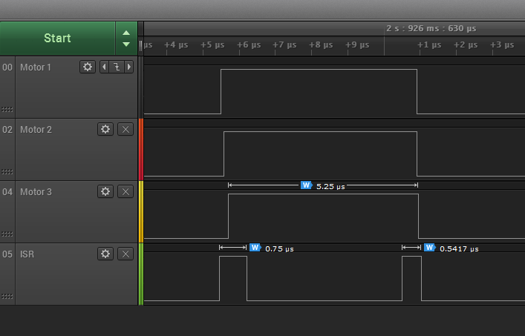
Stepper pulse frequency | f_step | 100 | kHz |  | T 3.6 @240MHz 1 Motor | T 3.6 @240MHz 3 Motors | T 3.2 @96MHz 1 Motor | T 3.2 @96MHz 3 Motors
Acceleration refresh period | t_refr | 1 | ms

Time for step ISR |  |  |  | t_stp = | 0.54 | 0.75 | 1.21 | 1.67 | µs *)
Time for reset ISR |  |  |  | t_res = | 0.45 | 0.54 | 1.50 | 1.67 | µs *)
Time for acceleration update |  |  |  | t_acc = | 1.45 | 1.45 | 10.83 | 10.10 | µs *)

Steps per refresh period |  |  |  | spr = f_step * t_ref = | 100 | 100 | 100 | 100 | steps
Acceleration update fraction |  |  |  | t_af = t_acc / spr= | 0.014 | 0.014 | 0.108 | 0.101 | µs

Total time per step |  |  |  | t_tot= t_stp + t_res + t_af = | 1.00 | 1.30 | 2.82 | 3.44 | µs

Load |  |  |  | L = t_tot *f_step = | 10 | 13 | 28 | 34 | %

 |  |  |  |  |  |  |  |  | *) measured
Figure shows timing for 3 moved motors . Measured with a T3.6@240MHz -O2.
First three traces show step pulses, ISR trace shows time spent in interrupt service routines

