Part 1
 |  | DATA REPORT

INTRODUCTION
The data contain information on the number of cancellations made by either the customer or staff, reasons for cancellations and the times for request placement and cancellations.

BUSINESS UNDERSTANDING
Sendy ​is a delivery partner for moving packages in Kenya.
It provides an app and web platform that enables (small) businesses to connect with drivers and request on-demand or scheduled package delivery services anytime, any day, 24/7.

DATA UNDERSTANDING
A quick sweep of the data shows the difference between the time orders are placed and when either the customer or staff cancelled the order. Additionally, the type of client i.e business or personal is indicated on the data.
There are a number of missing data especially on the column of the customer ID.

DATA PREPARATION
To prepare the data we drop the column with the User ID since it has too many missing values and it's not important in the analysis.
We also convert the columns on time of order placement and time of order cancellation to hours, minutes and seconds.

KEY INSIGHTS FROM THE ANALYSIS
Using the countif function on excel the number of cancellations for the various reasons are as follows;

Reason for cancellations | Number of cancellations | Average time for the cancellations (Minutes)
Customer error | 928 | 80
Delay | 166 | 88
Wrong locations | 1769 | 22
Order not ready | 147 | 25
No driver | 608 | 26
No partner | 644 | 76
Driver far away | 305 | 21

We want to find out whether the number of cancellations and the average time of the cancellations are correlated.

Number of cancellations vs the Average time

 |  |  | r= | -0.1687031343
 |  |  | slope= | -0.0092505369234
 |  |  | Intercept= | 54.321

Conclusion
The number of cancellations increase with a decrease in the average waiting time before cancellations.
This means that the company manages to complete more requests when the wait time before a request is cancelled is increased.
To lower the rate of cancellations, the company should consider a minimum wait time of 54 minutes before cancellation.

NOTE
The following insights follows a data visualisation generated from Tableau.

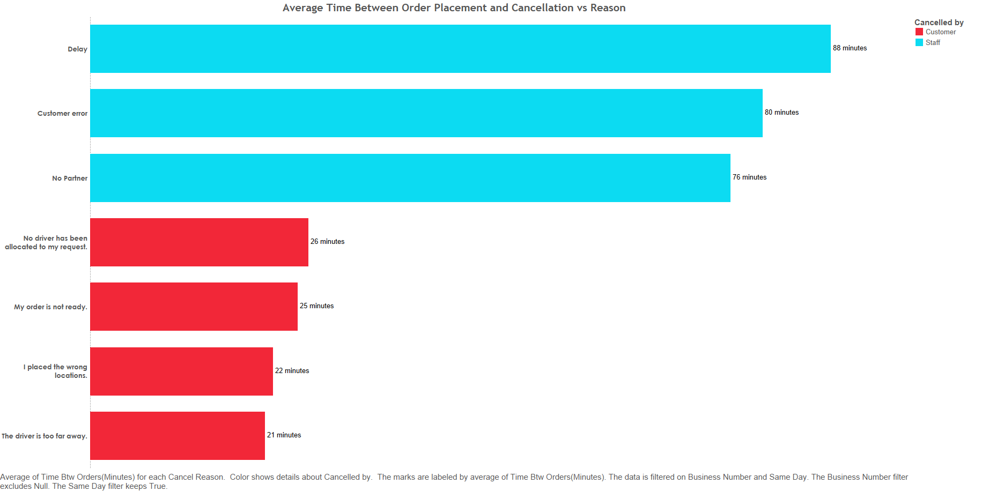

From the bar graph, the staff took an average time of 88 minutes before cancelling an order due to delay after placement.
Notably, the staff took a longer time to cancel an order for various reasons as compared to the clients.
The longest time taken by clients to cancel an order was 26 minutes for the reason that no driver had been allocated.

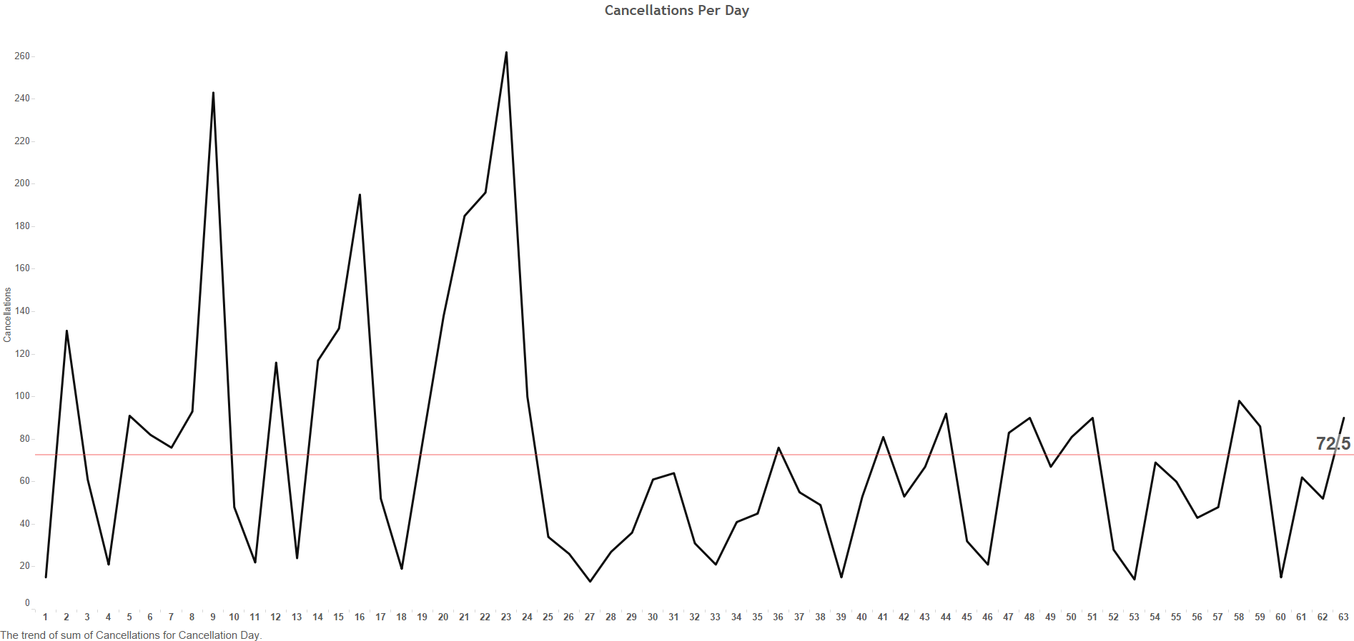

The average number of cancellations per day is 73.
The highest number of cancellations per day were on day 23.
The lowest number of cancellations were on day 1.

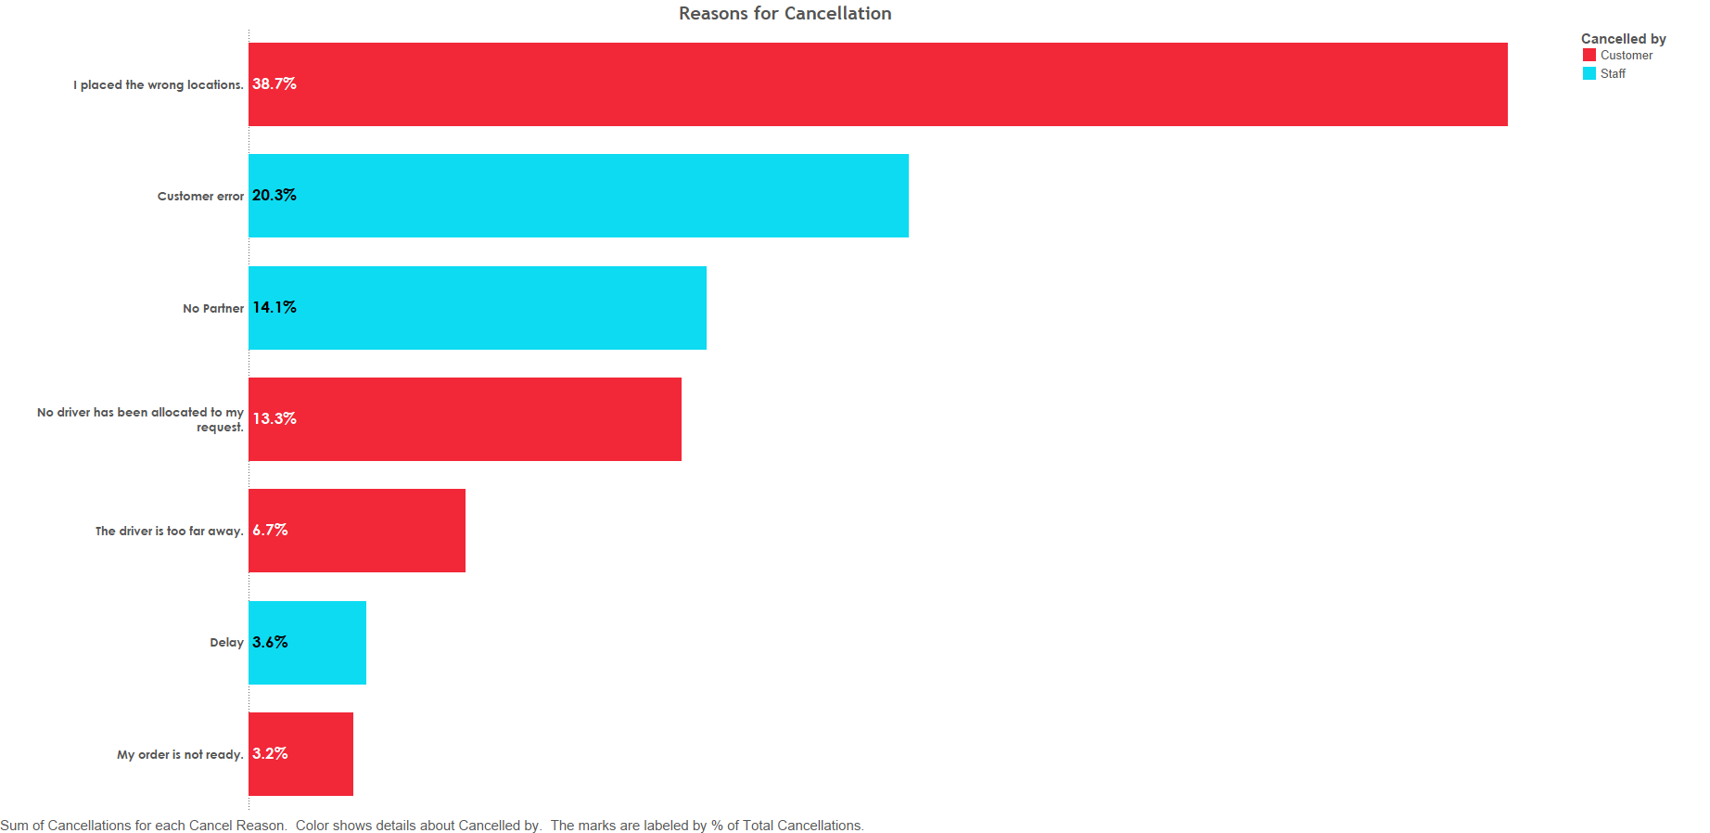

The main reason for customer cancellation was wrong location at 38.7% of the total cancellations.
The main reason for staff cancellation was customer error at 20.3 % of the total cancellations.

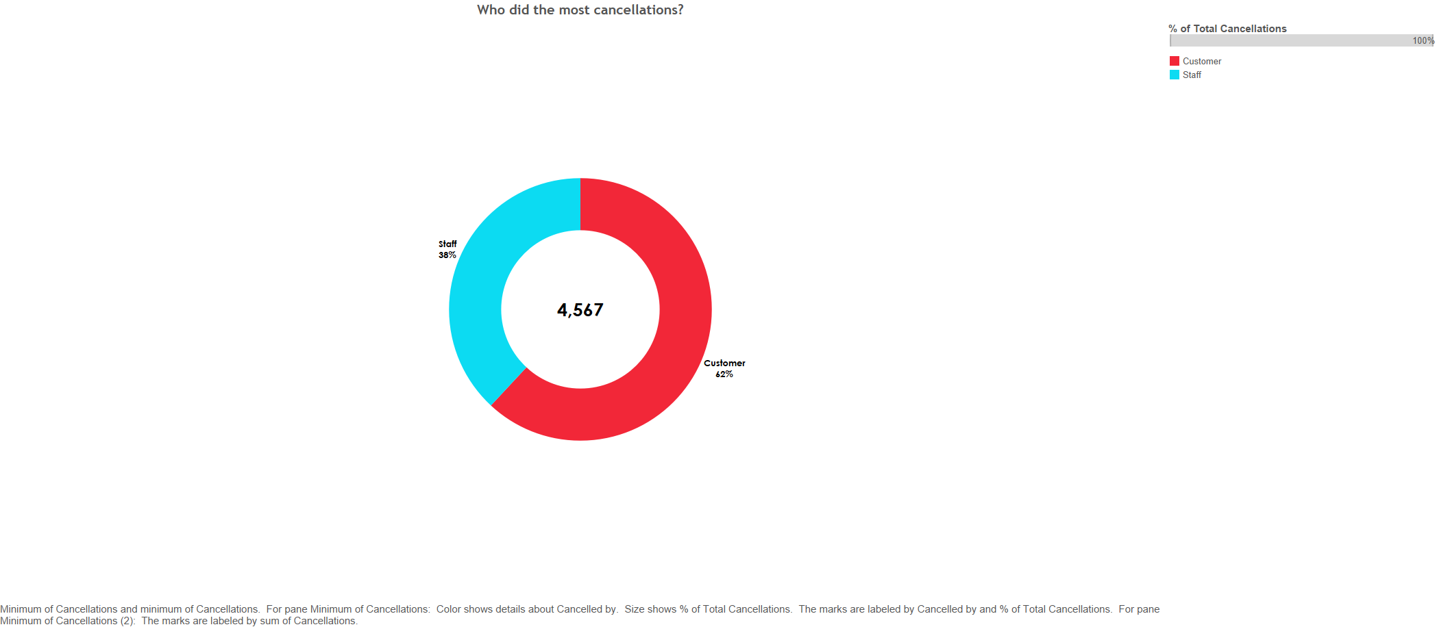

Customers made the highest number of cancellations at 62% of the total cancellations.

RECOMMENDATIONS
Increase partner coverage to minimize delays and increase number of drivers available for requests.
Make the app more user friendly to minimize customer errors.
Use geolocation software to minimize on wrong locations which account for the highest number of cancellations.

