Rocky
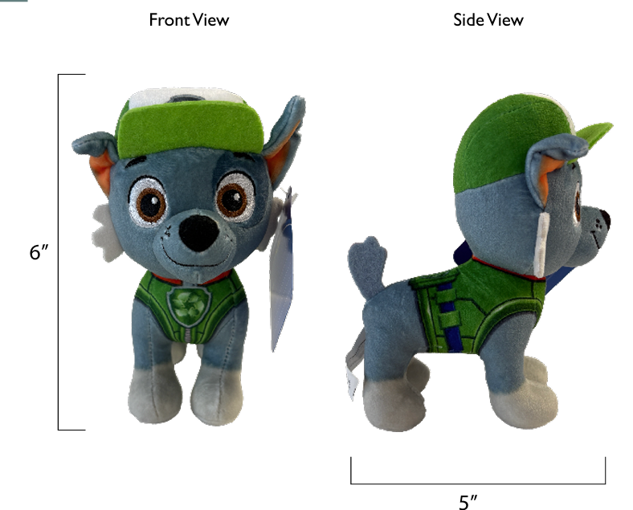
VENDOR QUOTE FORM
INDIVIDUAL COST BREAKDOWN
From (Vendor) : |  | ROYAL REGENT PRODUCTS INDUSTRIES LIMITED |  |  |  |  |  |  |  |  | PREPARED BY : | Charles
To CUSTOMER : |  | SPIN MASTER TOYS FAR EAST LTD |  |  |  |  |  |  |  |  | REVISION : | V2
MATERIAL NO ; |  | 1097236 |  |  |  |  |  |  |  |  | DATE : | 2026-03-15
MATERIAL GROUP : |  | 0
DESCRIPTION : |  | 29090/ T.94703-0001/ PWP LPP - 6.88 Movie Plush Refresh - GML--Rocky

 | In-Housed Molding | Parts (each row below represents a single mold) | Mold No. | Part No. | Cav/UP |  | Material | Resin price (US$/kg) | Wt. per toy (g) | US$ per toy |  | Molding Cost (US$/pc) | Cycle time (sec) | Machine size (Ton) | Molding Labour Rate (US$/hr)

 |  |  |  |  |  |  |  |  |  | - |  | -

 |  |  |  |  |  |  |  |  |  | - |  | -

 |  |  |  |  |  |  |  |  |  | - |  | -
 |  |  |  |  |  |  |  | Total Wt. | 0.0 |  |  | -
 |  |  |  |  |  |  |  |  |  | Sub-total: | 0.0000
 |  |  |  |  |  |  |  |  |  |  |  | 0%
 | Purchased Part | Description |  |  |  |  |  | Unit price (US$/pc) | Usage per toy | US$ per toy
 |  | Fabric Cost
 |  | 58" 320G 1.5MM White Crystal Super Soft, Digital Positioning Print | 58"320G 1.5MM白色水晶超柔，数码定位印 |  |  |  |  | 2.1824 | 0.116 | 0.2537
 |  | 58" 320G 1.5MM White Crystal Super Soft + Bottom-to-Bottom Bonding | 58"320G 1.5MM白色水晶超柔+底对底贴合 |  |  |  |  | 3.0865 | 0.002 | 0.0060
 |  | 58" 220G Black Edge Lurex Fabric | 58" 220G黑色边纶布 |  |  |  |  | 0.9665 | 0.001 | 0.0009
 |  | 36" 2MM Green Jifu Fabric | 36"2MM绿色戟绒布 |  |  |  |  | 1.4341 | 0.005 | 0.0065
 |  | 36" 2MM Gray-Blue Jifu Fabric | 36"2MM灰蓝色戟绒布 |  |  |  |  | 1.4341 | 0.002 | 0.0028
 |  | 58" 180G White Edge Lurex Fabric | 58"180G白色边伦布 |  |  |  |  | 0.7794 | 0.002 | 0.0019
 |  |  |  |  |  |  |  |  |  | 0.0000
 |  |  |  |  |  |  |  |  |  | 0.0000
 |  |  |  |  |  |  |  |  |  | 0.0000
 |  |  |  |  |  |  |  |  |  | 0.0000

 |  |  |  |  |  |  |  |  |  |  | 0.2718 | 40%
 |  | Metal Parts Cost
 |  |  |  |  |  |  |  |  |  | 0.0000
 |  |  |  |  |  |  |  |  |  | 0.0000
 |  |  |  |  |  |  |  |  |  | 0.0000
 |  |  |  |  |  |  |  |  |  | 0.0000
 |  |  |  |  |  |  |  |  |  | 0.0000
 |  |  |  |  |  |  |  |  |  | 0.0000
 |  |  |  |  |  |  |  |  |  | 0.0000
 |  |  |  |  |  |  |  |  |  | 0.0000
 |  |  |  |  |  |  |  |  |  |  | 0.0000 | 0%
 |  | Electronic Parts Cost
 |  |  |  |  |  |  |  |  |  | 0.0000
 |  |  |  |  |  |  |  |  |  | 0.0000
 |  |  |  |  |  |  |  |  |  | 0.0000
 |  |  |  |  |  |  |  |  |  | 0.0000
 |  |  |  |  |  |  |  |  |  | 0.0000
 |  |  |  |  |  |  |  |  |  | 0.0000
 |  |  |  |  |  |  |  |  |  | 0.0000
 |  |  |  |  |  |  |  |  |  | 0.0000
 |  |  |  |  |  |  |  |  |  | 0.0000
 |  |  |  |  |  |  |  |  |  | 0.0000
 |  |  |  |  |  |  |  |  |  |  | 0.0000 | 0%
 |  | Others Cost
 |  | 6MM white ordinary cotton tape 6MM白色普通棉带 | 6MM白色棉带 |  |  |  |  | 0.0030 | 5.20 | 0.0155
 |  | Thread | 604#配色强力线 |  |  |  |  | 0.0005 | 26.01 | 0.0126
 |  | Stuffing - recycled 3D | 3D (回收 棉) |  |  |  |  | 0.0013 | 46.82 | 0.0620
 |  | SIL | 商标 |  |  |  |  | 0.0186 | 1.00 | 0.0186
 |  | Embroidery | 电锈 |  |  |  |  | 0.1737 | 1.00 | 0.1737

 |  |  |  |  |  |  |  |  |  |  | 0.2824 | 41%
 |  |  |  |  |  |  |  |  |  | Subtotal: | 0.5542

 |  | Special Parts Cost (Special Markup)
 |  |  |  |  |  |  |  |  |  | 0.0000
 |  |  |  |  |  |  |  |  |  | 0.0000
 |  |  |  |  |  |  |  |  |  | 0.0000
 |  |  |  |  |  |  |  |  |  | 0.0000
 |  |  |  |  |  |  |  |  |  | 0.0000

 |  |  |  |  |  |  |  |  |  | Subtotal: | 0.0000 | 0%

 | Packaging | Description |  |  |  |  |  | Unit price (US$/pc) | Usage per toy | US$ per toy
 |  | Retail box
 |  | H-tag | 250gC2S+4C+AQ/ 4C+AQ |  |  |  |  | 0.0386 | 1.00 | 0.0386
 |  | CDU(12"Lx8"Wx5.5") | 350gCCNB+B9+4C+AQ |  |  |  |  | 0.5117 | 0.08 | 0.0426
 |  | Dennison |  |  |  |  |  | 0.0010 | 1.00 | 0.0010
 |  |  |  |  |  |  |  |  |  | 0.0000
 |  |  |  |  |  |  |  |  |  | 0.0000
 |  | Master carton
 |  | Master carton K3A 18.5" x 8.54" x 6.81" |  | 12 products into 1 CDU, and 1 CDU into 1 outer carton. |  |  |  | 0.3678 | 0.08 | 0.0306
 |  | Inner B33 | 防割盖板 |  |  |  |  | 0.0040 | 1.00 | 0.0040
 |  | scotch tape，Tissue |  |  |  |  |  | 0.0161 | 1.00 | 0.0161

 |  |  |  |  |  |  |  |  |  | Subtotal: | 0.1330 | 19%
 |  |  |  |  |  |  |  |  |  |  |  | 100% |  | 0.6872

Labor | Molding | Description |  |  |  |  |  |  |  | US$ per toy
 |  | Injection molding |  |  |  |  |  |  |  | 0.0000
 |  | Metal die-casting |  |  |  |  |  |  |  | 0.0000
 |  | Roto-Casting |  |  |  |  |  |  |  | 0.0000
 |  | Blow molding |  |  |  |  |  |  |  | 0.0000
 |  | Others - (pls state) |  |  |  |  |  |  |  | 0.0000
 |  |  |  |  |  |  |  |  |  | Subtotal: | 0.0000

 | Decoration | Description |  |  |  |  |  | Unit cost (US$/op) | No. of ops | US$ per toy

 |  |  |  |  |  |  |  |  |  | 0.0000
 |  |  |  |  |  |  |  |  |  | 0.0000
 |  |  |  |  |  |  |  |  |  | 0.0000
 |  |  |  |  |  |  |  |  |  | 0.0000
 |  |  |  |  |  |  |  |  |  | 0.0000
 |  |  |  |  |  |  |  |  |  | 0.0000
 |  |  |  |  |  |  |  |  |  | 0.0000
 |  |  |  |  |  |  |  |  |  | 0.0000
 |  |  |  |  |  |  |  |  |  | 0.0000
 |  |  |  |  |  |  |  |  |  | Subtotal: | 0.0000

 | Misc. | Description |  |  |  |  |  | Labor rate (US$/hr) | Standard Hour | US$ per toy
 |  | Assembly |  |  |  |  |  |  |  | 0.0000
 |  | Electronics Assembly |  |  |  |  |  |  |  | 0.0000
 |  | SMT & IC Bonding |  |  |  |  |  |  |  | 0.0000
 |  | Sewing |  |  |  |  |  | 3.2260 | 0.231 | 0.7437
 |  | Finishing |  |  |  |  |  |  |  | 0.0000
 |  | Packing |  |  |  |  |  | 3.2260 | 0.040 | 0.1296
 |  | Cutting |  |  |  |  |  | 3.2260 | 0.033 | 0.1049
 |  | Stuffing and manual time |  |  |  |  |  | 3.2260 | 0.042 | 0.1349
 |  |  |  |  |  |  |  |  |  | Subtotal: | 1.1131

Markup | Description |  |  |  |  |  |  | Sub-total (US$) | Markup % | US$ per toy
 | Material (EXCLUDING packaging material cost & Special Part ) |  |  |  |  |  |  | 0.5542 | 15.0% | 0.0831
 | Special Part |  |  |  |  |  |  | 0.0000 |  | 0.0000
 | Packaging |  |  |  |  |  |  | 0.1330 | 10.0% | 0.0133
 | Total Labor |  |  |  |  |  |  | 1.1131 | 15.0% | 0.1670
 |  |  |  |  |  |  |  |  |  | Subtotal: | 0.2634

Scrap | Description |  |  |  |  |  |  | Sub-total (US$) | Scrap % | US$ per toy
 | Materials (EXCLUDING Special Part) |  |  |  |  |  |  | 0.6872 | 2.0% | 0.0137
 | Special Part |  |  |  |  |  |  | 0.0000 | 2.0% | 0.0000
 |  |  |  |  |  |  |  |  |  | Subtotal: | 0.0137

Misc Cost | Description |  |  |  |  |  |  | Unit price (US$/pc) | Usage per toy | US$ per toy
 | testing fee |  |  |  |  |  |  | 0.0486 | 1 | 0.0486

 |  |  |  |  |  |  |  |  |  | Subtotal: | 0.0486

Special offer | Description |  |  |  |  |  |  | Unit price (US$/pc) | Usage per toy | US$ per toy
 | special offer |  |  |  |  |  |  |  |  | 0.0000

 |  |  |  |  |  |  |  |  |  | Subtotal: | 0.0000

Transportation | Description |  |  |  |  |  |  |  |  | US$ per toy
 |  | Quantity for 20' |  |  |  | Quantity for 40'
 | CHINA FCL | 17,004 | pcs |  |  |  | 38,124 | pcs |  | 0.0244

 | HK FCL | 17,004 | pcs |  |  |  | 38,124 | pcs |  | 0.0271

 | CHINA LCL 1 | ( 25% or less of loaded 20' container & Qty based on |  |  |  |  | 8,664 | pcs ) |  | 0.1149
 | CHINA LCL 2 | ( 25% to 50% loaded 20' container & Qty based on |  |  |  |  | 16,368 | pcs ) |  | 0.0768
 | CHINA LCL 3 | ( 50% to 75% loaded 20' container & Qty based on |  |  |  |  | 19,248 | pcs ) |  | 0.0661

 | HK LCL 1 | ( 25% or less of loaded 20' container & Qty based on |  |  |  |  | 8,664 | pcs )
 | HK LCL 2 | ( 25% to 50% loaded 20' container & Qty based on |  |  |  |  | 16,368 | pcs )
 | HK LCL 3 | ( 50% to 75% loaded 20' container & Qty based on |  |  |  |  | 19,248 | pcs )

The individual product cost in various delivery terms are as follows:

Delivery Terms |  |  |  |  |  |  |  |  | Unit cost (US$) |  | Unit cost w/ Consigned Parts (US$)
Ex-Factory |  |  |  |  |  |  |  |  |  | 2.1260 |  | 2.1260

FOB CHINA FCL |  |  |  |  |  |  |  |  |  | 2.1504 |  | 2.1504

FOB HK FCL |  |  |  |  |  |  |  |  |  | 2.1531 |  | 2.1531

FOB CHINA LCL 1 |  | ( 25% or less of loaded 20' container ) |  |  |  |  |  |  |  | 2.2408 |  | 2.2408
FOB CHINA LCL 2 |  | ( 25% to 50% loaded 20' container ) |  |  |  |  |  |  |  | 2.2028 |  | 2.2028
FOB CHINA LCL 3 |  | ( 50% to 75% loaded 20' container ) |  |  |  |  |  |  |  | 2.1921 |  | 2.1921

FOB HK LCL 1 |  | ( 25% or less of loaded 20' container ) |  |  |  |  |  |  |  | - |  | -
FOB HK LCL 2 |  | ( 25% to 50% loaded 20' container ) |  |  |  |  |  |  |  | - |  | -
FOB HK LCL 3 |  | ( 50% to 75% loaded 20' container ) |  |  |  |  |  |  |  | - |  | -

REMARKS: EXCHANGE RATE US$1 = HK$7.75

Consigned Parts Summary
Description |  |  | Usage | Unit Cost | Total
 |  |  | 1.0 |  | 0.0000
 |  |  |  |  | 0.0000
 |  |  |  |  | 0.0000
 |  |  |  |  | 0.0000
 |  |  |  |  | 0.0000
 |  |  |  |  | 0.0000
 |  |  |  |  | 0.0000
 |  |  | TOTAL |  | 0.0000

Skye
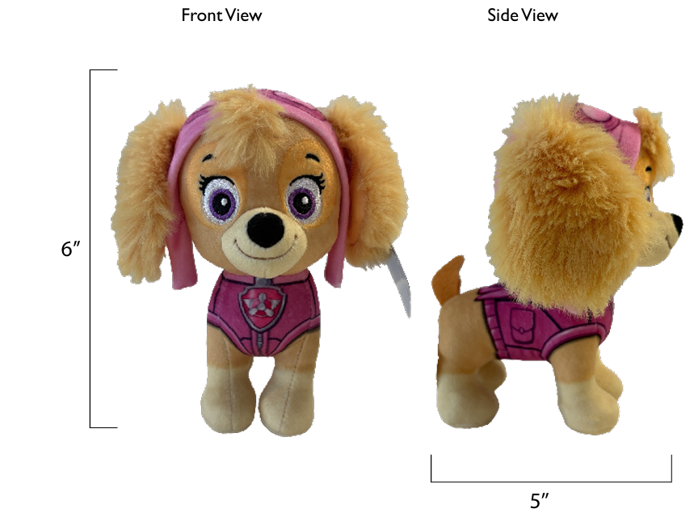
VENDOR QUOTE FORM
INDIVIDUAL COST BREAKDOWN
From (Vendor) : |  | ROYAL REGENT PRODUCTS INDUSTRIES LIMITED |  |  |  |  |  |  |  |  | PREPARED BY : | Charles
To CUSTOMER : |  | SPIN MASTER TOYS FAR EAST LTD |  |  |  |  |  |  |  |  | REVISION : | V2
MATERIAL NO ; |  | 1097236 |  |  |  |  |  |  |  |  | DATE : | 2026-03-15
MATERIAL GROUP : |  | 0
DESCRIPTION : |  | 29090/ T.94703-0001/ PWP LPP - 6.88 Movie Plush Refresh - GML--Skye

 | In-Housed Molding | Parts (each row below represents a single mold) | Mold No. | Part No. | Cav/UP |  | Material | Resin price (US$/kg) | Wt. per toy (g) | US$ per toy |  | Molding Cost (US$/pc) | Cycle time (sec) | Machine size (Ton) | Molding Labour Rate (US$/hr)

 |  |  |  |  |  |  |  |  |  | - |  | -

 |  |  |  |  |  |  |  |  |  | - |  | -

 |  |  |  |  |  |  |  |  |  | - |  | -
 |  |  |  |  |  |  |  | Total Wt. | 0.0 |  |  | -
 |  |  |  |  |  |  |  |  |  | Sub-total: | 0.0000
 |  |  |  |  |  |  |  |  |  |  |  | 0%
 | Purchased Part | Description |  |  |  |  |  | Unit price (US$/pc) | Usage per toy | US$ per toy
 |  | Fabric Cost
 |  | 58" 320G 1.5MM White Crystal Super Soft, Digital Positioning Print | 58"320G 1.5MM白色水晶超柔，数码定位印 |  |  |  |  | 2.1824 | 0.131 | 0.2861
 |  | 63" 950G 20MM Orange Rabbit Fur | 63"950G 20MM橙色兔毛 |  |  |  |  | 3.8971 | 0.008 | 0.0317
 |  | 58" 220G Black Edge Lumber | 58" 220G黑色边纶布 |  |  |  |  | 0.9665 | 0.001 | 0.0009
 |  | 58" 2MM Rose Red Velvet Fabric | 36"2MM玫红色戟绒布 |  |  |  |  | 1.4341 | 0.004 | 0.0060
 |  | 58" 2MM Yellow Velvet Fabric | 36"2MM黄色戟绒布 |  |  |  |  | 1.4341 | 0.001 | 0.0017
 |  | 58" 180G White Edge Lumber | 58"180G白色边伦布 |  |  |  |  | 0.7794 | 0.002 | 0.0015
 |  |  |  |  |  |  |  |  |  | 0.0000
 |  |  |  |  |  |  |  |  |  | 0.0000
 |  |  |  |  |  |  |  |  |  | 0.0000
 |  |  |  |  |  |  |  |  |  | 0.0000

 |  |  |  |  |  |  |  |  |  |  | 0.3279 | 44%
 |  | Metal Parts Cost
 |  |  |  |  |  |  |  |  |  | 0.0000
 |  |  |  |  |  |  |  |  |  | 0.0000
 |  |  |  |  |  |  |  |  |  | 0.0000
 |  |  |  |  |  |  |  |  |  | 0.0000
 |  |  |  |  |  |  |  |  |  | 0.0000
 |  |  |  |  |  |  |  |  |  | 0.0000
 |  |  |  |  |  |  |  |  |  | 0.0000
 |  |  |  |  |  |  |  |  |  | 0.0000
 |  |  |  |  |  |  |  |  |  |  | 0.0000 | 0%
 |  | Electronic Parts Cost
 |  |  |  |  |  |  |  |  |  | 0.0000
 |  |  |  |  |  |  |  |  |  | 0.0000
 |  |  |  |  |  |  |  |  |  | 0.0000
 |  |  |  |  |  |  |  |  |  | 0.0000
 |  |  |  |  |  |  |  |  |  | 0.0000
 |  |  |  |  |  |  |  |  |  | 0.0000
 |  |  |  |  |  |  |  |  |  | 0.0000
 |  |  |  |  |  |  |  |  |  | 0.0000
 |  |  |  |  |  |  |  |  |  | 0.0000
 |  |  |  |  |  |  |  |  |  | 0.0000
 |  |  |  |  |  |  |  |  |  |  | 0.0000 | 0%
 |  | Others Cost
 |  | 6MM white ordinary cotton tape 6MM白色普通棉带 | 6MM白色棉带 |  |  |  |  | 0.0030 | 5.20 | 0.0155
 |  | Thread | 604#配色强力线 |  |  |  |  | 0.0005 | 26.01 | 0.0126
 |  | Stuffing - recycled 3D | 3D (回收 棉) |  |  |  |  | 0.0013 | 46.82 | 0.0620
 |  | SIL | 商标 |  |  |  |  | 0.0186 | 1.00 | 0.0186
 |  | Embroidery | 电锈 |  |  |  |  | 0.1737 | 1.00 | 0.1737

 |  |  |  |  |  |  |  |  |  |  | 0.2824 | 38%
 |  |  |  |  |  |  |  |  |  | Subtotal: | 0.6103

 |  | Special Parts Cost (Special Markup)
 |  |  |  |  |  |  |  |  |  | 0.0000
 |  |  |  |  |  |  |  |  |  | 0.0000
 |  |  |  |  |  |  |  |  |  | 0.0000
 |  |  |  |  |  |  |  |  |  | 0.0000
 |  |  |  |  |  |  |  |  |  | 0.0000

 |  |  |  |  |  |  |  |  |  | Subtotal: | 0.0000 | 0%

 | Packaging | Description |  |  |  |  |  | Unit price (US$/pc) | Usage per toy | US$ per toy
 |  | Retail box
 |  | H-tag | 250gC2S+4C+AQ/ 4C+AQ |  |  |  |  | 0.0386 | 1.00 | 0.0386
 |  | CDU(12"Lx8"Wx5.5") | 350gCCNB+B9+4C+AQ |  |  |  |  | 0.5117 | 0.08 | 0.0426
 |  | Dennison |  |  |  |  |  | 0.0010 | 1.00 | 0.0010
 |  |  |  |  |  |  |  |  |  | 0.0000
 |  |  |  |  |  |  |  |  |  | 0.0000
 |  | Master carton
 |  | Master carton K3A 18.5" x 8.54" x 6.81" |  | 12 products into 1 CDU, and 1 CDU into 1 outer carton. |  |  |  | 0.3678 | 0.08 | 0.0306
 |  | Inner B33 | 防割盖板 |  |  |  |  | 0.0040 | 1.00 | 0.0040
 |  | scotch tape，Tissue |  |  |  |  |  | 0.0161 | 1.00 | 0.0161

 |  |  |  |  |  |  |  |  |  | Subtotal: | 0.1330 | 18%
 |  |  |  |  |  |  |  |  |  |  |  | 100% |  | 0.7433

Labor | Molding | Description |  |  |  |  |  |  |  | US$ per toy
 |  | Injection molding |  |  |  |  |  |  |  | 0.0000
 |  | Metal die-casting |  |  |  |  |  |  |  | 0.0000
 |  | Roto-Casting |  |  |  |  |  |  |  | 0.0000
 |  | Blow molding |  |  |  |  |  |  |  | 0.0000
 |  | Others - (pls state) |  |  |  |  |  |  |  | 0.0000
 |  |  |  |  |  |  |  |  |  | Subtotal: | 0.0000

 | Decoration | Description |  |  |  |  |  | Unit cost (US$/op) | No. of ops | US$ per toy

 |  |  |  |  |  |  |  |  |  | 0.0000
 |  |  |  |  |  |  |  |  |  | 0.0000
 |  |  |  |  |  |  |  |  |  | 0.0000
 |  |  |  |  |  |  |  |  |  | 0.0000
 |  |  |  |  |  |  |  |  |  | 0.0000
 |  |  |  |  |  |  |  |  |  | 0.0000
 |  |  |  |  |  |  |  |  |  | 0.0000
 |  |  |  |  |  |  |  |  |  | 0.0000
 |  |  |  |  |  |  |  |  |  | 0.0000
 |  |  |  |  |  |  |  |  |  | Subtotal: | 0.0000

 | Misc. | Description |  |  |  |  |  | Labor rate (US$/hr) | Standard Hour | US$ per toy
 |  | Assembly |  |  |  |  |  |  |  | 0.0000
 |  | Electronics Assembly |  |  |  |  |  |  |  | 0.0000
 |  | SMT & IC Bonding |  |  |  |  |  |  |  | 0.0000
 |  | Sewing |  |  |  |  |  | 3.2260 | 0.231 | 0.7452
 |  | Finishing |  |  |  |  |  |  |  | 0.0000
 |  | Packing |  |  |  |  |  | 3.2260 | 0.040 | 0.1296
 |  | Cutting |  |  |  |  |  | 3.2260 | 0.036 | 0.1171
 |  | Stuffing and manual time |  |  |  |  |  | 3.2260 | 0.061 | 0.1963
 |  |  |  |  |  |  |  |  |  | Subtotal: | 1.1882

Markup | Description |  |  |  |  |  |  | Sub-total (US$) | Markup % | US$ per toy
 | Material (EXCLUDING packaging material cost & Special Part ) |  |  |  |  |  |  | 0.6103 | 15.0% | 0.0915
 | Special Part |  |  |  |  |  |  | 0.0000 |  | 0.0000
 | Packaging |  |  |  |  |  |  | 0.1330 | 10.0% | 0.0133
 | Total Labor |  |  |  |  |  |  | 1.1882 | 15.0% | 0.1782
 |  |  |  |  |  |  |  |  |  | Subtotal: | 0.2831

Scrap | Description |  |  |  |  |  |  | Sub-total (US$) | Scrap % | US$ per toy
 | Materials (EXCLUDING Special Part) |  |  |  |  |  |  | 0.7433 | 2.0% | 0.0149
 | Special Part |  |  |  |  |  |  | 0.0000 | 2.0% | 0.0000
 |  |  |  |  |  |  |  |  |  | Subtotal: | 0.0149

Misc Cost | Description |  |  |  |  |  |  | Unit price (US$/pc) | Usage per toy | US$ per toy
 | testing fee |  |  |  |  |  |  | 0.0486 | 1 | 0.0486

 |  |  |  |  |  |  |  |  |  | Subtotal: | 0.0486

Special offer | Description |  |  |  |  |  |  | Unit price (US$/pc) | Usage per toy | US$ per toy
 | special offer |  |  |  |  |  |  |  |  | 0.0000

 |  |  |  |  |  |  |  |  |  | Subtotal: | 0.0000

Transportation | Description |  |  |  |  |  |  |  |  | US$ per toy
 |  | Quantity for 20' |  |  |  | Quantity for 40'
 | CHINA FCL | 17,004 | pcs |  |  |  | 38,124 | pcs |  | 0.0244

 | HK FCL | 17,004 | pcs |  |  |  | 38,124 | pcs |  | 0.0271

 | CHINA LCL 1 | ( 25% or less of loaded 20' container & Qty based on |  |  |  |  | 8,664 | pcs ) |  | 0.1149
 | CHINA LCL 2 | ( 25% to 50% loaded 20' container & Qty based on |  |  |  |  | 16,368 | pcs ) |  | 0.0768
 | CHINA LCL 3 | ( 50% to 75% loaded 20' container & Qty based on |  |  |  |  | 19,248 | pcs ) |  | 0.0661

 | HK LCL 1 | ( 25% or less of loaded 20' container & Qty based on |  |  |  |  | 8,664 | pcs )
 | HK LCL 2 | ( 25% to 50% loaded 20' container & Qty based on |  |  |  |  | 16,368 | pcs )
 | HK LCL 3 | ( 50% to 75% loaded 20' container & Qty based on |  |  |  |  | 19,248 | pcs )

The individual product cost in various delivery terms are as follows:

Delivery Terms |  |  |  |  |  |  |  |  | Unit cost (US$) |  | Unit cost w/ Consigned Parts (US$)
Ex-Factory |  |  |  |  |  |  |  |  |  | 2.2780 |  | 2.2780

FOB CHINA FCL |  |  |  |  |  |  |  |  |  | 2.3024 |  | 2.3024

FOB HK FCL |  |  |  |  |  |  |  |  |  | 2.3051 |  | 2.3051

FOB CHINA LCL 1 |  | ( 25% or less of loaded 20' container ) |  |  |  |  |  |  |  | 2.3929 |  | 2.3929
FOB CHINA LCL 2 |  | ( 25% to 50% loaded 20' container ) |  |  |  |  |  |  |  | 2.3549 |  | 2.3549
FOB CHINA LCL 3 |  | ( 50% to 75% loaded 20' container ) |  |  |  |  |  |  |  | 2.3441 |  | 2.3441

FOB HK LCL 1 |  | ( 25% or less of loaded 20' container ) |  |  |  |  |  |  |  | - |  | -
FOB HK LCL 2 |  | ( 25% to 50% loaded 20' container ) |  |  |  |  |  |  |  | - |  | -
FOB HK LCL 3 |  | ( 50% to 75% loaded 20' container ) |  |  |  |  |  |  |  | - |  | -

REMARKS: EXCHANGE RATE US$1 = HK$7.75

Consigned Parts Summary
Description |  |  | Usage | Unit Cost | Total
 |  |  | 1.0 |  | 0.0000
 |  |  |  |  | 0.0000
 |  |  |  |  | 0.0000
 |  |  |  |  | 0.0000
 |  |  |  |  | 0.0000
 |  |  |  |  | 0.0000
 |  |  |  |  | 0.0000
 |  |  | TOTAL |  | 0.0000

Marshall
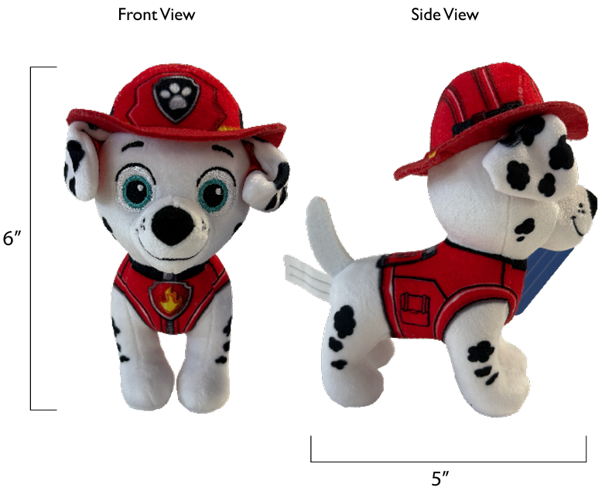
VENDOR QUOTE FORM
INDIVIDUAL COST BREAKDOWN
From (Vendor) : |  | ROYAL REGENT PRODUCTS INDUSTRIES LIMITED |  |  |  |  |  |  |  |  | PREPARED BY : | Charles
To CUSTOMER : |  | SPIN MASTER TOYS FAR EAST LTD |  |  |  |  |  |  |  |  | REVISION : | V2
MATERIAL NO ; |  | 1097236 |  |  |  |  |  |  |  |  | DATE : | 2026-03-15
MATERIAL GROUP : |  | 0
DESCRIPTION : |  | 29090/ T.94703-0001/ PWP LPP - 6.88 Movie Plush Refresh - GML--Marshall

 | In-Housed Molding | Parts (each row below represents a single mold) | Mold No. | Part No. | Cav/UP |  | Material | Resin price (US$/kg) | Wt. per toy (g) | US$ per toy |  | Molding Cost (US$/pc) | Cycle time (sec) | Machine size (Ton) | Molding Labour Rate (US$/hr)

 |  |  |  |  |  |  |  |  |  | - |  | -

 |  |  |  |  |  |  |  |  |  | - |  | -

 |  |  |  |  |  |  |  |  |  | - |  | -
 |  |  |  |  |  |  |  | Total Wt. | 0.0 |  |  | -
 |  |  |  |  |  |  |  |  |  | Sub-total: | 0.0000
 |  |  |  |  |  |  |  |  |  |  |  | 0%
 | Purchased Part | Description |  |  |  |  |  | Unit price (US$/pc) | Usage per toy | US$ per toy
 |  | Fabric Cost
 |  | 58" 320G 1.5MM white crystal ultra-soft, digital positioning printing | 58"320G 1.5MM白色水晶超柔，数码定位印 |  |  |  |  | 2.1824 | 0.129 | 0.2810
 |  | 58" 220G Black Edge Lumber | 58" 220G黑色边纶布 |  |  |  |  | 0.9665 | 0.001 | 0.0010
 |  | 58" 2MM red velvet fabric | 36"2MM红色戟绒布 |  |  |  |  | 1.4341 | 0.019 | 0.0266
 |  | 58" 2MM white velvet fabric | 36"2MM白色戟绒布 |  |  |  |  | 1.4341 | 0.002 | 0.0026
 |  | 58" 180G White Edge Lumber | 58"180G白色边伦布 |  |  |  |  | 0.7794 | 0.002 | 0.0019
 |  |  |  |  |  |  |  |  |  | 0.0000
 |  |  |  |  |  |  |  |  |  | 0.0000
 |  |  |  |  |  |  |  |  |  | 0.0000
 |  |  |  |  |  |  |  |  |  | 0.0000
 |  |  |  |  |  |  |  |  |  | 0.0000

 |  |  |  |  |  |  |  |  |  |  | 0.3131 | 43%
 |  | Metal Parts Cost
 |  |  |  |  |  |  |  |  |  | 0.0000
 |  |  |  |  |  |  |  |  |  | 0.0000
 |  |  |  |  |  |  |  |  |  | 0.0000
 |  |  |  |  |  |  |  |  |  | 0.0000
 |  |  |  |  |  |  |  |  |  | 0.0000
 |  |  |  |  |  |  |  |  |  | 0.0000
 |  |  |  |  |  |  |  |  |  | 0.0000
 |  |  |  |  |  |  |  |  |  | 0.0000
 |  |  |  |  |  |  |  |  |  |  | 0.0000 | 0%
 |  | Electronic Parts Cost
 |  |  |  |  |  |  |  |  |  | 0.0000
 |  |  |  |  |  |  |  |  |  | 0.0000
 |  |  |  |  |  |  |  |  |  | 0.0000
 |  |  |  |  |  |  |  |  |  | 0.0000
 |  |  |  |  |  |  |  |  |  | 0.0000
 |  |  |  |  |  |  |  |  |  | 0.0000
 |  |  |  |  |  |  |  |  |  | 0.0000
 |  |  |  |  |  |  |  |  |  | 0.0000
 |  |  |  |  |  |  |  |  |  | 0.0000
 |  |  |  |  |  |  |  |  |  | 0.0000
 |  |  |  |  |  |  |  |  |  |  | 0.0000 | 0%
 |  | Others Cost
 |  | 6MM white ordinary cotton tape 6MM白色普通棉带 | 6MM白色棉带 |  |  |  |  | 0.0030 | 5.20 | 0.0155
 |  | Thread | 604#配色强力线 |  |  |  |  | 0.0005 | 26.01 | 0.0126
 |  | Stuffing - recycled 3D | 3D (回收 棉) |  |  |  |  | 0.0013 | 46.82 | 0.0620
 |  | SIL | 商标 |  |  |  |  | 0.0186 | 1.00 | 0.0186
 |  | Embroidery | 电锈 |  |  |  |  | 0.1737 | 1.00 | 0.1737

 |  |  |  |  |  |  |  |  |  |  | 0.2824 | 39%
 |  |  |  |  |  |  |  |  |  | Subtotal: | 0.5955

 |  | Special Parts Cost (Special Markup)
 |  |  |  |  |  |  |  |  |  | 0.0000
 |  |  |  |  |  |  |  |  |  | 0.0000
 |  |  |  |  |  |  |  |  |  | 0.0000
 |  |  |  |  |  |  |  |  |  | 0.0000
 |  |  |  |  |  |  |  |  |  | 0.0000

 |  |  |  |  |  |  |  |  |  | Subtotal: | 0.0000 | 0%

 | Packaging | Description |  |  |  |  |  | Unit price (US$/pc) | Usage per toy | US$ per toy
 |  | Retail box
 |  | H-tag | 250gC2S+4C+AQ/ 4C+AQ |  |  |  |  | 0.0386 | 1.00 | 0.0386
 |  | CDU(12"Lx8"Wx5.5") | 350gCCNB+B9+4C+AQ |  |  |  |  | 0.5117 | 0.08 | 0.0426
 |  | Dennison |  |  |  |  |  | 0.0010 | 1.00 | 0.0010
 |  |  |  |  |  |  |  |  |  | 0.0000
 |  |  |  |  |  |  |  |  |  | 0.0000
 |  | Master carton
 |  | Master carton K3A 18.5" x 8.54" x 6.81" |  | 12 products into 1 CDU, and 1 CDU into 1 outer carton. |  |  |  | 0.3678 | 0.08 | 0.0306
 |  | Inner B33 | 防割盖板 |  |  |  |  | 0.0040 | 1.00 | 0.0040
 |  | scotch tape，Tissue |  |  |  |  |  | 0.0161 | 1.00 | 0.0161

 |  |  |  |  |  |  |  |  |  | Subtotal: | 0.1330 | 18%
 |  |  |  |  |  |  |  |  |  |  |  | 100% |  | 0.7285

Labor | Molding | Description |  |  |  |  |  |  |  | US$ per toy
 |  | Injection molding |  |  |  |  |  |  |  | 0.0000
 |  | Metal die-casting |  |  |  |  |  |  |  | 0.0000
 |  | Roto-Casting |  |  |  |  |  |  |  | 0.0000
 |  | Blow molding |  |  |  |  |  |  |  | 0.0000
 |  | Others - (pls state) |  |  |  |  |  |  |  | 0.0000
 |  |  |  |  |  |  |  |  |  | Subtotal: | 0.0000

 | Decoration | Description |  |  |  |  |  | Unit cost (US$/op) | No. of ops | US$ per toy

 |  |  |  |  |  |  |  |  |  | 0.0000
 |  |  |  |  |  |  |  |  |  | 0.0000
 |  |  |  |  |  |  |  |  |  | 0.0000
 |  |  |  |  |  |  |  |  |  | 0.0000
 |  |  |  |  |  |  |  |  |  | 0.0000
 |  |  |  |  |  |  |  |  |  | 0.0000
 |  |  |  |  |  |  |  |  |  | 0.0000
 |  |  |  |  |  |  |  |  |  | 0.0000
 |  |  |  |  |  |  |  |  |  | 0.0000
 |  |  |  |  |  |  |  |  |  | Subtotal: | 0.0000

 | Misc. | Description |  |  |  |  |  | Labor rate (US$/hr) | Standard Hour | US$ per toy
 |  | Assembly |  |  |  |  |  |  |  | 0.0000
 |  | Electronics Assembly |  |  |  |  |  |  |  | 0.0000
 |  | SMT & IC Bonding |  |  |  |  |  |  |  | 0.0000
 |  | Sewing |  |  |  |  |  | 3.2260 | 0.234 | 0.7544
 |  | Finishing |  |  |  |  |  |  |  | 0.0000
 |  | Packing |  |  |  |  |  | 3.2260 | 0.040 | 0.1296
 |  | Cutting |  |  |  |  |  | 3.2260 | 0.031 | 0.0992
 |  | Stuffing and manual time |  |  |  |  |  | 3.2260 | 0.042 | 0.1349
 |  |  |  |  |  |  |  |  |  | Subtotal: | 1.1181

Markup | Description |  |  |  |  |  |  | Sub-total (US$) | Markup % | US$ per toy
 | Material (EXCLUDING packaging material cost & Special Part ) |  |  |  |  |  |  | 0.5955 | 15.0% | 0.0893
 | Special Part |  |  |  |  |  |  | 0.0000 |  | 0.0000
 | Packaging |  |  |  |  |  |  | 0.1330 | 10.0% | 0.0133
 | Total Labor |  |  |  |  |  |  | 1.1181 | 15.0% | 0.1677
 |  |  |  |  |  |  |  |  |  | Subtotal: | 0.2704

Scrap | Description |  |  |  |  |  |  | Sub-total (US$) | Scrap % | US$ per toy
 | Materials (EXCLUDING Special Part) |  |  |  |  |  |  | 0.7285 | 2.0% | 0.0146
 | Special Part |  |  |  |  |  |  | 0.0000 | 2.0% | 0.0000
 |  |  |  |  |  |  |  |  |  | Subtotal: | 0.0146

Misc Cost | Description |  |  |  |  |  |  | Unit price (US$/pc) | Usage per toy | US$ per toy
 | testing fee |  |  |  |  |  |  | 0.0486 | 1 | 0.0486

 |  |  |  |  |  |  |  |  |  | Subtotal: | 0.0486

Special offer | Description |  |  |  |  |  |  | Unit price (US$/pc) | Usage per toy | US$ per toy
 | special offer |  |  |  |  |  |  |  |  | 0.0000

 |  |  |  |  |  |  |  |  |  | Subtotal: | 0.0000

Transportation | Description |  |  |  |  |  |  |  |  | US$ per toy
 |  | Quantity for 20' |  |  |  | Quantity for 40'
 | CHINA FCL | 17,004 | pcs |  |  |  | 38,124 | pcs |  | 0.0244

 | HK FCL | 17,004 | pcs |  |  |  | 38,124 | pcs |  | 0.0271

 | CHINA LCL 1 | ( 25% or less of loaded 20' container & Qty based on |  |  |  |  | 8,664 | pcs ) |  | 0.1149
 | CHINA LCL 2 | ( 25% to 50% loaded 20' container & Qty based on |  |  |  |  | 16,368 | pcs ) |  | 0.0768
 | CHINA LCL 3 | ( 50% to 75% loaded 20' container & Qty based on |  |  |  |  | 19,248 | pcs ) |  | 0.0661

 | HK LCL 1 | ( 25% or less of loaded 20' container & Qty based on |  |  |  |  | 8,664 | pcs )
 | HK LCL 2 | ( 25% to 50% loaded 20' container & Qty based on |  |  |  |  | 16,368 | pcs )
 | HK LCL 3 | ( 50% to 75% loaded 20' container & Qty based on |  |  |  |  | 19,248 | pcs )

The individual product cost in various delivery terms are as follows:

Delivery Terms |  |  |  |  |  |  |  |  | Unit cost (US$) |  | Unit cost w/ Consigned Parts (US$)
Ex-Factory |  |  |  |  |  |  |  |  |  | 2.1802 |  | 2.1802

FOB CHINA FCL |  |  |  |  |  |  |  |  |  | 2.2045 |  | 2.2045

FOB HK FCL |  |  |  |  |  |  |  |  |  | 2.2073 |  | 2.2073

FOB CHINA LCL 1 |  | ( 25% or less of loaded 20' container ) |  |  |  |  |  |  |  | 2.2950 |  | 2.2950
FOB CHINA LCL 2 |  | ( 25% to 50% loaded 20' container ) |  |  |  |  |  |  |  | 2.2570 |  | 2.2570
FOB CHINA LCL 3 |  | ( 50% to 75% loaded 20' container ) |  |  |  |  |  |  |  | 2.2463 |  | 2.2463

FOB HK LCL 1 |  | ( 25% or less of loaded 20' container ) |  |  |  |  |  |  |  | - |  | -
FOB HK LCL 2 |  | ( 25% to 50% loaded 20' container ) |  |  |  |  |  |  |  | - |  | -
FOB HK LCL 3 |  | ( 50% to 75% loaded 20' container ) |  |  |  |  |  |  |  | - |  | -

REMARKS: EXCHANGE RATE US$1 = HK$7.75

Consigned Parts Summary
Description |  |  | Usage | Unit Cost | Total
 |  |  | 1.0 |  | 0.0000
 |  |  |  |  | 0.0000
 |  |  |  |  | 0.0000
 |  |  |  |  | 0.0000
 |  |  |  |  | 0.0000
 |  |  |  |  | 0.0000
 |  |  |  |  | 0.0000
 |  |  | TOTAL |  | 0.0000

Rex
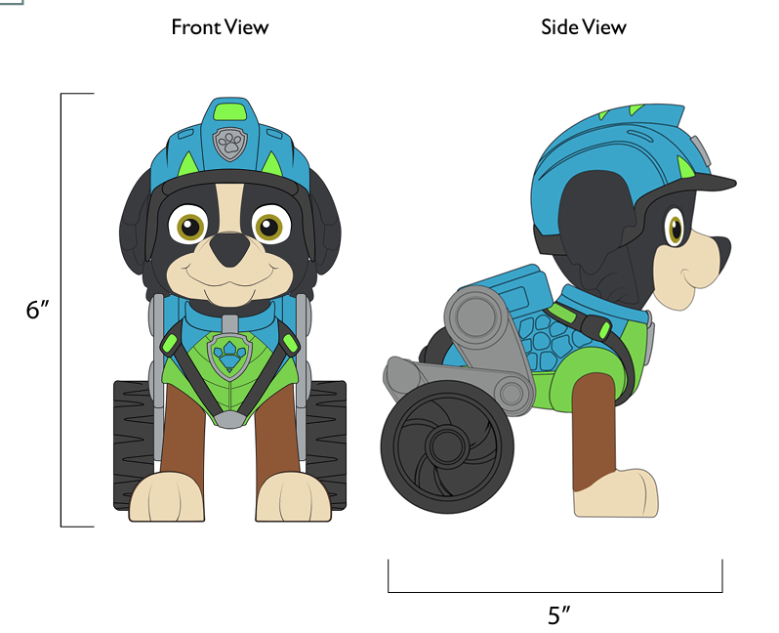
VENDOR QUOTE FORM
INDIVIDUAL COST BREAKDOWN
From (Vendor) : |  | ROYAL REGENT PRODUCTS INDUSTRIES LIMITED |  |  |  |  |  |  |  |  | PREPARED BY : | Charles
To CUSTOMER : |  | SPIN MASTER TOYS FAR EAST LTD |  |  |  |  |  |  |  |  | REVISION : | V2
MATERIAL NO ; |  | 1097236 |  |  |  |  |  |  |  |  | DATE : | 2026-03-15
MATERIAL GROUP : |  | 0
DESCRIPTION : |  | 29090/ T.94703-0001/ PWP LPP - 6.88 Movie Plush Refresh - GML--Rex

 | In-Housed Molding | Parts (each row below represents a single mold) | Mold No. | Part No. | Cav/UP |  | Material | Resin price (US$/kg) | Wt. per toy (g) | US$ per toy |  | Molding Cost (US$/pc) | Cycle time (sec) | Machine size (Ton) | Molding Labour Rate (US$/hr)

 |  |  |  |  |  |  |  |  |  | - |  | -

 |  |  |  |  |  |  |  |  |  | - |  | -

 |  |  |  |  |  |  |  |  |  | - |  | -
 |  |  |  |  |  |  |  | Total Wt. | 0.0 |  |  | -
 |  |  |  |  |  |  |  |  |  | Sub-total: | 0.0000
 |  |  |  |  |  |  |  |  |  |  |  | 0%
 | Purchased Part | Description |  |  |  |  |  | Unit price (US$/pc) | Usage per toy | US$ per toy
 |  | Fabric Cost
 |  | 58" 320G 1.5MM White Crystal Super Soft + Digital Positioning Print | 58"320G 1.5MM白色水晶超柔+数码定位印 |  |  |  |  | 2.1824 | 0.148 | 0.3225
 |  | 58" 220G Black Edge Lurex Fabric | 58" 220G黑色边纶布 |  |  |  |  | 0.9665 | 0.001 | 0.0009
 |  | 36" 2MM Black Jifu Fabric | 36"2MM黑色戟绒布 |  |  |  |  | 1.4341 | 0.005 | 0.0077
 |  | 36" 2MM Black Jifu Fabric | 36"2MM黑色戟绒布 |  |  |  |  | 1.4341 | 0.010 | 0.0147
 |  | 36" 2MM White Jifu + Digital Positioning Print | 36"2MM白色戟绒+数码定位印 |  |  |  |  | 2.6656 | 0.009 | 0.0241
 |  | 58" 180G White Edge Lurex Fabric | 58"180G白色边伦布 |  |  |  |  | 0.7794 | 0.002 | 0.0014
 |  |  |  |  |  |  |  |  |  | 0.0000
 |  |  |  |  |  |  |  |  |  | 0.0000
 |  |  |  |  |  |  |  |  |  | 0.0000
 |  |  |  |  |  |  |  |  |  | 0.0000

 |  |  |  |  |  |  |  |  |  |  | 0.3712 | 47%
 |  | Metal Parts Cost
 |  |  |  |  |  |  |  |  |  | 0.0000
 |  |  |  |  |  |  |  |  |  | 0.0000
 |  |  |  |  |  |  |  |  |  | 0.0000
 |  |  |  |  |  |  |  |  |  | 0.0000
 |  |  |  |  |  |  |  |  |  | 0.0000
 |  |  |  |  |  |  |  |  |  | 0.0000
 |  |  |  |  |  |  |  |  |  | 0.0000
 |  |  |  |  |  |  |  |  |  | 0.0000
 |  |  |  |  |  |  |  |  |  |  | 0.0000 | 0%
 |  | Electronic Parts Cost
 |  |  |  |  |  |  |  |  |  | 0.0000
 |  |  |  |  |  |  |  |  |  | 0.0000
 |  |  |  |  |  |  |  |  |  | 0.0000
 |  |  |  |  |  |  |  |  |  | 0.0000
 |  |  |  |  |  |  |  |  |  | 0.0000
 |  |  |  |  |  |  |  |  |  | 0.0000
 |  |  |  |  |  |  |  |  |  | 0.0000
 |  |  |  |  |  |  |  |  |  | 0.0000
 |  |  |  |  |  |  |  |  |  | 0.0000
 |  |  |  |  |  |  |  |  |  | 0.0000
 |  |  |  |  |  |  |  |  |  |  | 0.0000 | 0%
 |  | Others Cost
 |  | 6MM white ordinary cotton tape 6MM白色普通棉带 | 6MM白色棉带 |  |  |  |  | 0.0030 | 5.20 | 0.0155
 |  | Thread | 604#配色强力线 |  |  |  |  | 0.0005 | 26.01 | 0.0126
 |  | Stuffing - recycled 3D | 3D (回收 棉) |  |  |  |  | 0.0013 | 46.82 | 0.0620
 |  | SIL | 商标 |  |  |  |  | 0.0186 | 1.00 | 0.0186
 |  | Embroidery | 电锈 |  |  |  |  | 0.1737 | 1.00 | 0.1737

 |  |  |  |  |  |  |  |  |  |  | 0.2824 | 36%
 |  |  |  |  |  |  |  |  |  | Subtotal: | 0.6536

 |  | Special Parts Cost (Special Markup)
 |  |  |  |  |  |  |  |  |  | 0.0000
 |  |  |  |  |  |  |  |  |  | 0.0000
 |  |  |  |  |  |  |  |  |  | 0.0000
 |  |  |  |  |  |  |  |  |  | 0.0000
 |  |  |  |  |  |  |  |  |  | 0.0000

 |  |  |  |  |  |  |  |  |  | Subtotal: | 0.0000 | 0%

 | Packaging | Description |  |  |  |  |  | Unit price (US$/pc) | Usage per toy | US$ per toy
 |  | Retail box
 |  | H-tag | 250gC2S+4C+AQ/ 4C+AQ |  |  |  |  | 0.0386 | 1.00 | 0.0386
 |  | CDU(12"Lx8"Wx5.5") | 350gCCNB+B9+4C+AQ |  |  |  |  | 0.5117 | 0.08 | 0.0426
 |  | Dennison |  |  |  |  |  | 0.0010 | 1.00 | 0.0010
 |  |  |  |  |  |  |  |  |  | 0.0000
 |  |  |  |  |  |  |  |  |  | 0.0000
 |  | Master carton
 |  | Master carton K3A 18.5" x 8.54" x 6.81" |  | 12 products into 1 CDU, and 1 CDU into 1 outer carton. |  |  |  | 0.3678 | 0.08 | 0.0306
 |  | Inner B33 | 防割盖板 |  |  |  |  | 0.0040 | 1.00 | 0.0040
 |  | scotch tape，Tissue |  |  |  |  |  | 0.0161 | 1.00 | 0.0161

 |  |  |  |  |  |  |  |  |  | Subtotal: | 0.1330 | 17%
 |  |  |  |  |  |  |  |  |  |  |  | 100% |  | 0.7866

Labor | Molding | Description |  |  |  |  |  |  |  | US$ per toy
 |  | Injection molding |  |  |  |  |  |  |  | 0.0000
 |  | Metal die-casting |  |  |  |  |  |  |  | 0.0000
 |  | Roto-Casting |  |  |  |  |  |  |  | 0.0000
 |  | Blow molding |  |  |  |  |  |  |  | 0.0000
 |  | Others - (pls state) |  |  |  |  |  |  |  | 0.0000
 |  |  |  |  |  |  |  |  |  | Subtotal: | 0.0000

 | Decoration | Description |  |  |  |  |  | Unit cost (US$/op) | No. of ops | US$ per toy

 |  |  |  |  |  |  |  |  |  | 0.0000
 |  |  |  |  |  |  |  |  |  | 0.0000
 |  |  |  |  |  |  |  |  |  | 0.0000
 |  |  |  |  |  |  |  |  |  | 0.0000
 |  |  |  |  |  |  |  |  |  | 0.0000
 |  |  |  |  |  |  |  |  |  | 0.0000
 |  |  |  |  |  |  |  |  |  | 0.0000
 |  |  |  |  |  |  |  |  |  | 0.0000
 |  |  |  |  |  |  |  |  |  | 0.0000
 |  |  |  |  |  |  |  |  |  | Subtotal: | 0.0000

 | Misc. | Description |  |  |  |  |  | Labor rate (US$/hr) | Standard Hour | US$ per toy
 |  | Assembly |  |  |  |  |  |  |  | 0.0000
 |  | Electronics Assembly |  |  |  |  |  |  |  | 0.0000
 |  | SMT & IC Bonding |  |  |  |  |  |  |  | 0.0000
 |  | Sewing |  |  |  |  |  | 3.2260 | 0.254 | 0.8203
 |  | Finishing |  |  |  |  |  |  |  | 0.0000
 |  | Packing |  |  |  |  |  | 3.2260 | 0.040 | 0.1296
 |  | Cutting |  |  |  |  |  | 3.2260 | 0.036 | 0.1171
 |  | Stuffing and manual time |  |  |  |  |  | 3.2260 | 0.062 | 0.1993
 |  |  |  |  |  |  |  |  |  | Subtotal: | 1.2664

Markup | Description |  |  |  |  |  |  | Sub-total (US$) | Markup % | US$ per toy
 | Material (EXCLUDING packaging material cost & Special Part ) |  |  |  |  |  |  | 0.6536 | 15.0% | 0.0980
 | Special Part |  |  |  |  |  |  | 0.0000 |  | 0.0000
 | Packaging |  |  |  |  |  |  | 0.1330 | 10.0% | 0.0133
 | Total Labor |  |  |  |  |  |  | 1.2664 | 15.0% | 0.1900
 |  |  |  |  |  |  |  |  |  | Subtotal: | 0.3013

Scrap | Description |  |  |  |  |  |  | Sub-total (US$) | Scrap % | US$ per toy
 | Materials (EXCLUDING Special Part) |  |  |  |  |  |  | 0.7866 | 2.0% | 0.0157
 | Special Part |  |  |  |  |  |  | 0.0000 | 2.0% | 0.0000
 |  |  |  |  |  |  |  |  |  | Subtotal: | 0.0157

Misc Cost | Description |  |  |  |  |  |  | Unit price (US$/pc) | Usage per toy | US$ per toy
 | testing fee |  |  |  |  |  |  | 0.0486 | 1 | 0.0486

 |  |  |  |  |  |  |  |  |  | Subtotal: | 0.0486

Special offer | Description |  |  |  |  |  |  | Unit price (US$/pc) | Usage per toy | US$ per toy
 | special offer |  |  |  |  |  |  |  |  | 0.0000

 |  |  |  |  |  |  |  |  |  | Subtotal: | 0.0000

Transportation | Description |  |  |  |  |  |  |  |  | US$ per toy
 |  | Quantity for 20' |  |  |  | Quantity for 40'
 | CHINA FCL | 17,004 | pcs |  |  |  | 38,124 | pcs |  | 0.0244

 | HK FCL | 17,004 | pcs |  |  |  | 38,124 | pcs |  | 0.0271

 | CHINA LCL 1 | ( 25% or less of loaded 20' container & Qty based on |  |  |  |  | 8,664 | pcs ) |  | 0.1149
 | CHINA LCL 2 | ( 25% to 50% loaded 20' container & Qty based on |  |  |  |  | 16,368 | pcs ) |  | 0.0768
 | CHINA LCL 3 | ( 50% to 75% loaded 20' container & Qty based on |  |  |  |  | 19,248 | pcs ) |  | 0.0661

 | HK LCL 1 | ( 25% or less of loaded 20' container & Qty based on |  |  |  |  | 8,664 | pcs )
 | HK LCL 2 | ( 25% to 50% loaded 20' container & Qty based on |  |  |  |  | 16,368 | pcs )
 | HK LCL 3 | ( 50% to 75% loaded 20' container & Qty based on |  |  |  |  | 19,248 | pcs )

The individual product cost in various delivery terms are as follows:

Delivery Terms |  |  |  |  |  |  |  |  | Unit cost (US$) |  | Unit cost w/ Consigned Parts (US$)
Ex-Factory |  |  |  |  |  |  |  |  |  | 2.4187 |  | 2.4187

FOB CHINA FCL |  |  |  |  |  |  |  |  |  | 2.4430 |  | 2.4430

FOB HK FCL |  |  |  |  |  |  |  |  |  | 2.4457 |  | 2.4457

FOB CHINA LCL 1 |  | ( 25% or less of loaded 20' container ) |  |  |  |  |  |  |  | 2.5335 |  | 2.5335
FOB CHINA LCL 2 |  | ( 25% to 50% loaded 20' container ) |  |  |  |  |  |  |  | 2.4955 |  | 2.4955
FOB CHINA LCL 3 |  | ( 50% to 75% loaded 20' container ) |  |  |  |  |  |  |  | 2.4848 |  | 2.4848

FOB HK LCL 1 |  | ( 25% or less of loaded 20' container ) |  |  |  |  |  |  |  | - |  | -
FOB HK LCL 2 |  | ( 25% to 50% loaded 20' container ) |  |  |  |  |  |  |  | - |  | -
FOB HK LCL 3 |  | ( 50% to 75% loaded 20' container ) |  |  |  |  |  |  |  | - |  | -

REMARKS: EXCHANGE RATE US$1 = HK$7.75

Consigned Parts Summary
Description |  |  | Usage | Unit Cost | Total
 |  |  | 1.0 |  | 0.0000
 |  |  |  |  | 0.0000
 |  |  |  |  | 0.0000
 |  |  |  |  | 0.0000
 |  |  |  |  | 0.0000
 |  |  |  |  | 0.0000
 |  |  |  |  | 0.0000
 |  |  | TOTAL |  | 0.0000

Chase
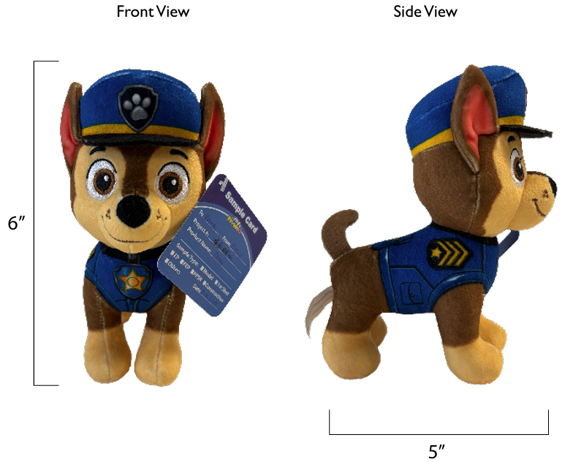
VENDOR QUOTE FORM
INDIVIDUAL COST BREAKDOWN
From (Vendor) : |  | ROYAL REGENT PRODUCTS INDUSTRIES LIMITED |  |  |  |  |  |  |  |  | PREPARED BY : | Charles
To CUSTOMER : |  | SPIN MASTER TOYS FAR EAST LTD |  |  |  |  |  |  |  |  | REVISION : | V2
MATERIAL NO ; |  | 1097236 |  |  |  |  |  |  |  |  | DATE : | 2026-03-15
MATERIAL GROUP : |  | 0
DESCRIPTION : |  | 29090/ T.94703-0001/ PWP LPP - 6.88 Movie Plush Refresh - GML--Chase

 | In-Housed Molding | Parts (each row below represents a single mold) | Mold No. | Part No. | Cav/UP |  | Material | Resin price (US$/kg) | Wt. per toy (g) | US$ per toy |  | Molding Cost (US$/pc) | Cycle time (sec) | Machine size (Ton) | Molding Labour Rate (US$/hr)

 |  |  |  |  |  |  |  |  |  | - |  | -

 |  |  |  |  |  |  |  |  |  | - |  | -

 |  |  |  |  |  |  |  |  |  | - |  | -
 |  |  |  |  |  |  |  | Total Wt. | 0.0 |  |  | -
 |  |  |  |  |  |  |  |  |  | Sub-total: | 0.0000
 |  |  |  |  |  |  |  |  |  |  |  | 0%
 | Purchased Part | Description |  |  |  |  |  | Unit price (US$/pc) | Usage per toy | US$ per toy
 |  | Fabric Cost
 |  | 58" 320G 1.5MM White Crystal Super Soft, Digital Positioning Print | 58"320G 1.5MM白色水晶超柔，数码定位印 |  |  |  |  | 2.1824 | 0.112 | 0.2448
 |  | 58" 220G black edge linen fabric | 58" 220G黑色边纶布 |  |  |  |  | 0.9665 | 0.001 | 0.0009
 |  | 36" 2MM black jinvelvet fabric | 36"2MM黑色戟绒布 |  |  |  |  | 1.4341 | 0.004 | 0.0056
 |  | 36" 2MM dark brown jinvelvet fabric | 36"2MM深棕色戟绒布 |  |  |  |  | 1.4341 | 0.002 | 0.0027
 |  | 58" 180G white edge linen fabric | 58"180G白色边伦布 |  |  |  |  | 0.7794 | 0.002 | 0.0016
 |  |  |  |  |  |  |  |  |  | 0.0000
 |  |  |  |  |  |  |  |  |  | 0.0000
 |  |  |  |  |  |  |  |  |  | 0.0000
 |  |  |  |  |  |  |  |  |  | 0.0000
 |  |  |  |  |  |  |  |  |  | 0.0000

 |  |  |  |  |  |  |  |  |  |  | 0.2556 | 38%
 |  | Metal Parts Cost
 |  |  |  |  |  |  |  |  |  | 0.0000
 |  |  |  |  |  |  |  |  |  | 0.0000
 |  |  |  |  |  |  |  |  |  | 0.0000
 |  |  |  |  |  |  |  |  |  | 0.0000
 |  |  |  |  |  |  |  |  |  | 0.0000
 |  |  |  |  |  |  |  |  |  | 0.0000
 |  |  |  |  |  |  |  |  |  | 0.0000
 |  |  |  |  |  |  |  |  |  | 0.0000
 |  |  |  |  |  |  |  |  |  |  | 0.0000 | 0%
 |  | Electronic Parts Cost
 |  |  |  |  |  |  |  |  |  | 0.0000
 |  |  |  |  |  |  |  |  |  | 0.0000
 |  |  |  |  |  |  |  |  |  | 0.0000
 |  |  |  |  |  |  |  |  |  | 0.0000
 |  |  |  |  |  |  |  |  |  | 0.0000
 |  |  |  |  |  |  |  |  |  | 0.0000
 |  |  |  |  |  |  |  |  |  | 0.0000
 |  |  |  |  |  |  |  |  |  | 0.0000
 |  |  |  |  |  |  |  |  |  | 0.0000
 |  |  |  |  |  |  |  |  |  | 0.0000
 |  |  |  |  |  |  |  |  |  |  | 0.0000 | 0%
 |  | Others Cost
 |  | 6MM white ordinary cotton tape 6MM白色普通棉带 | 6MM白色棉带 |  |  |  |  | 0.0030 | 5.20 | 0.0155
 |  | Thread | 604#配色强力线 |  |  |  |  | 0.0005 | 26.01 | 0.0126
 |  | Stuffing - recycled 3D | 3D (回收 棉) |  |  |  |  | 0.0013 | 46.82 | 0.0620
 |  | SIL | 商标 |  |  |  |  | 0.0186 | 1.00 | 0.0186
 |  | Embroidery | 电锈 |  |  |  |  | 0.1737 | 1.00 | 0.1737

 |  |  |  |  |  |  |  |  |  |  | 0.2824 | 42%
 |  |  |  |  |  |  |  |  |  | Subtotal: | 0.5380

 |  | Special Parts Cost (Special Markup)
 |  |  |  |  |  |  |  |  |  | 0.0000
 |  |  |  |  |  |  |  |  |  | 0.0000
 |  |  |  |  |  |  |  |  |  | 0.0000
 |  |  |  |  |  |  |  |  |  | 0.0000
 |  |  |  |  |  |  |  |  |  | 0.0000

 |  |  |  |  |  |  |  |  |  | Subtotal: | 0.0000 | 0%

 | Packaging | Description |  |  |  |  |  | Unit price (US$/pc) | Usage per toy | US$ per toy
 |  | Retail box
 |  | H-tag | 250gC2S+4C+AQ/ 4C+AQ |  |  |  |  | 0.0386 | 1.00 | 0.0386
 |  | CDU(12"Lx8"Wx5.5") | 350gCCNB+B9+4C+AQ |  |  |  |  | 0.5117 | 0.08 | 0.0426
 |  | Dennison |  |  |  |  |  | 0.0010 | 1.00 | 0.0010
 |  |  |  |  |  |  |  |  |  | 0.0000
 |  |  |  |  |  |  |  |  |  | 0.0000
 |  | Master carton
 |  | Master carton K3A 18.5" x 8.54" x 6.81" |  | 12 products into 1 CDU, and 1 CDU into 1 outer carton. |  |  |  | 0.3678 | 0.08 | 0.0306
 |  | Inner B33 | 防割盖板 |  |  |  |  | 0.0040 | 1.00 | 0.0040
 |  | scotch tape，Tissue |  |  |  |  |  | 0.0161 | 1.00 | 0.0161

 |  |  |  |  |  |  |  |  |  | Subtotal: | 0.1330 | 20%
 |  |  |  |  |  |  |  |  |  |  |  | 100% |  | 0.6710

Labor | Molding | Description |  |  |  |  |  |  |  | US$ per toy
 |  | Injection molding |  |  |  |  |  |  |  | 0.0000
 |  | Metal die-casting |  |  |  |  |  |  |  | 0.0000
 |  | Roto-Casting |  |  |  |  |  |  |  | 0.0000
 |  | Blow molding |  |  |  |  |  |  |  | 0.0000
 |  | Others - (pls state) |  |  |  |  |  |  |  | 0.0000
 |  |  |  |  |  |  |  |  |  | Subtotal: | 0.0000

 | Decoration | Description |  |  |  |  |  | Unit cost (US$/op) | No. of ops | US$ per toy

 |  |  |  |  |  |  |  |  |  | 0.0000
 |  |  |  |  |  |  |  |  |  | 0.0000
 |  |  |  |  |  |  |  |  |  | 0.0000
 |  |  |  |  |  |  |  |  |  | 0.0000
 |  |  |  |  |  |  |  |  |  | 0.0000
 |  |  |  |  |  |  |  |  |  | 0.0000
 |  |  |  |  |  |  |  |  |  | 0.0000
 |  |  |  |  |  |  |  |  |  | 0.0000
 |  |  |  |  |  |  |  |  |  | 0.0000
 |  |  |  |  |  |  |  |  |  | Subtotal: | 0.0000

 | Misc. | Description |  |  |  |  |  | Labor rate (US$/hr) | Standard Hour | US$ per toy
 |  | Assembly |  |  |  |  |  |  |  | 0.0000
 |  | Electronics Assembly |  |  |  |  |  |  |  | 0.0000
 |  | SMT & IC Bonding |  |  |  |  |  |  |  | 0.0000
 |  | Sewing |  |  |  |  |  | 3.2260 | 0.209 | 0.6731
 |  | Finishing |  |  |  |  |  |  |  | 0.0000
 |  | Packing |  |  |  |  |  | 3.2260 | 0.040 | 0.1296
 |  | Cutting |  |  |  |  |  | 3.2260 | 0.028 | 0.0912
 |  | Stuffing and manual time |  |  |  |  |  | 3.2260 | 0.061 | 0.1963
 |  |  |  |  |  |  |  |  |  | Subtotal: | 1.0902

Markup | Description |  |  |  |  |  |  | Sub-total (US$) | Markup % | US$ per toy
 | Material (EXCLUDING packaging material cost & Special Part ) |  |  |  |  |  |  | 0.5380 | 15.0% | 0.0807
 | Special Part |  |  |  |  |  |  | 0.0000 |  | 0.0000
 | Packaging |  |  |  |  |  |  | 0.1330 | 10.0% | 0.0133
 | Total Labor |  |  |  |  |  |  | 1.0902 | 15.0% | 0.1635
 |  |  |  |  |  |  |  |  |  | Subtotal: | 0.2575

Scrap | Description |  |  |  |  |  |  | Sub-total (US$) | Scrap % | US$ per toy
 | Materials (EXCLUDING Special Part) |  |  |  |  |  |  | 0.6710 | 2.0% | 0.0134
 | Special Part |  |  |  |  |  |  | 0.0000 | 2.0% | 0.0000
 |  |  |  |  |  |  |  |  |  | Subtotal: | 0.0134

Misc Cost | Description |  |  |  |  |  |  | Unit price (US$/pc) | Usage per toy | US$ per toy
 | testing fee |  |  |  |  |  |  | 0.0486 | 1 | 0.0486

 |  |  |  |  |  |  |  |  |  | Subtotal: | 0.0486

Special offer | Description |  |  |  |  |  |  | Unit price (US$/pc) | Usage per toy | US$ per toy
 | special offer |  |  |  |  |  |  |  |  | 0.0000

 |  |  |  |  |  |  |  |  |  | Subtotal: | 0.0000

Transportation | Description |  |  |  |  |  |  |  |  | US$ per toy
 |  | Quantity for 20' |  |  |  | Quantity for 40'
 | CHINA FCL | 17,004 | pcs |  |  |  | 38,124 | pcs |  | 0.0244

 | HK FCL | 17,004 | pcs |  |  |  | 38,124 | pcs |  | 0.0271

 | CHINA LCL 1 | ( 25% or less of loaded 20' container & Qty based on |  |  |  |  | 8,664 | pcs ) |  | 0.1149
 | CHINA LCL 2 | ( 25% to 50% loaded 20' container & Qty based on |  |  |  |  | 16,368 | pcs ) |  | 0.0768
 | CHINA LCL 3 | ( 50% to 75% loaded 20' container & Qty based on |  |  |  |  | 19,248 | pcs ) |  | 0.0661

 | HK LCL 1 | ( 25% or less of loaded 20' container & Qty based on |  |  |  |  | 8,664 | pcs )
 | HK LCL 2 | ( 25% to 50% loaded 20' container & Qty based on |  |  |  |  | 16,368 | pcs )
 | HK LCL 3 | ( 50% to 75% loaded 20' container & Qty based on |  |  |  |  | 19,248 | pcs )

The individual product cost in various delivery terms are as follows:

Delivery Terms |  |  |  |  |  |  |  |  | Unit cost (US$) |  | Unit cost w/ Consigned Parts (US$)
Ex-Factory |  |  |  |  |  |  |  |  |  | 2.0808 |  | 2.0808

FOB CHINA FCL |  |  |  |  |  |  |  |  |  | 2.1052 |  | 2.1052

FOB HK FCL |  |  |  |  |  |  |  |  |  | 2.1079 |  | 2.1079

FOB CHINA LCL 1 |  | ( 25% or less of loaded 20' container ) |  |  |  |  |  |  |  | 2.1957 |  | 2.1957
FOB CHINA LCL 2 |  | ( 25% to 50% loaded 20' container ) |  |  |  |  |  |  |  | 2.1577 |  | 2.1577
FOB CHINA LCL 3 |  | ( 50% to 75% loaded 20' container ) |  |  |  |  |  |  |  | 2.1469 |  | 2.1469

FOB HK LCL 1 |  | ( 25% or less of loaded 20' container ) |  |  |  |  |  |  |  | - |  | -
FOB HK LCL 2 |  | ( 25% to 50% loaded 20' container ) |  |  |  |  |  |  |  | - |  | -
FOB HK LCL 3 |  | ( 50% to 75% loaded 20' container ) |  |  |  |  |  |  |  | - |  | -

REMARKS: EXCHANGE RATE US$1 = HK$7.75

Consigned Parts Summary
Description |  |  | Usage | Unit Cost | Total
 |  |  | 1.0 |  | 0.0000
 |  |  |  |  | 0.0000
 |  |  |  |  | 0.0000
 |  |  |  |  | 0.0000
 |  |  |  |  | 0.0000
 |  |  |  |  | 0.0000
 |  |  |  |  | 0.0000
 |  |  | TOTAL |  | 0.0000

Rubble
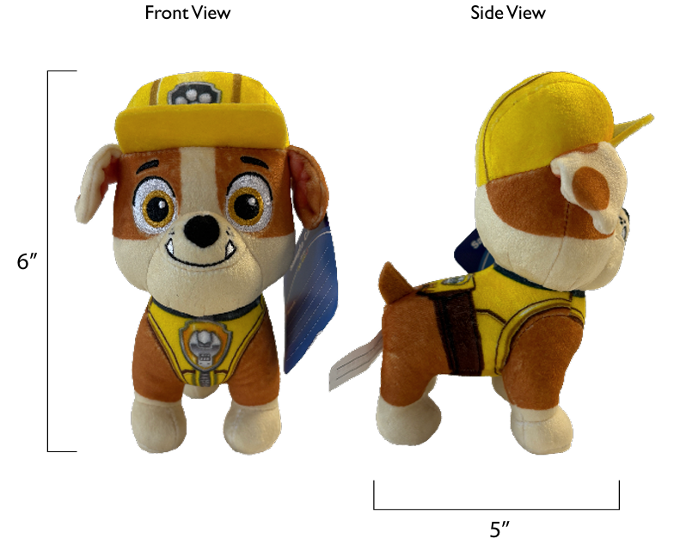
VENDOR QUOTE FORM
INDIVIDUAL COST BREAKDOWN
From (Vendor) : |  | ROYAL REGENT PRODUCTS INDUSTRIES LIMITED |  |  |  |  |  |  |  |  | PREPARED BY : | Charles
To CUSTOMER : |  | SPIN MASTER TOYS FAR EAST LTD |  |  |  |  |  |  |  |  | REVISION : | V2
MATERIAL NO ; |  | 1097236 |  |  |  |  |  |  |  |  | DATE : | 2026-03-15
MATERIAL GROUP : |  | 0
DESCRIPTION : |  | 29090/ T.94703-0001/ PWP LPP - 6.88 Movie Plush Refresh - GML--Rubble

 | In-Housed Molding | Parts (each row below represents a single mold) | Mold No. | Part No. | Cav/UP |  | Material | Resin price (US$/kg) | Wt. per toy (g) | US$ per toy |  | Molding Cost (US$/pc) | Cycle time (sec) | Machine size (Ton) | Molding Labour Rate (US$/hr)

 |  |  |  |  |  |  |  |  |  | - |  | -

 |  |  |  |  |  |  |  |  |  | - |  | -

 |  |  |  |  |  |  |  |  |  | - |  | -
 |  |  |  |  |  |  |  | Total Wt. | 0.0 |  |  | -
 |  |  |  |  |  |  |  |  |  | Sub-total: | 0.0000
 |  |  |  |  |  |  |  |  |  |  |  | 0%
 | Purchased Part | Description |  |  |  |  |  | Unit price (US$/pc) | Usage per toy | US$ per toy
 |  | Fabric Cost
 |  | 58" 320G 1.5MM White Crystal Ultra Soft, Digital Positioning Printing | 58"320G 1.5MM白色水晶超柔，数码定位印 |  |  |  |  | 2.1824 | 0.124 | 0.2716
 |  | 58" 220G Black Edge Lumber | 58" 220G黑色边纶布 |  |  |  |  | 0.9665 | 0.001 | 0.0008
 |  | 58" 2MM Yellow Velvet Fabric | 36"2MM黄色戟绒布 |  |  |  |  | 1.4341 | 0.005 | 0.0071
 |  | 58" 2MM Brownish Yellow Velvet | 36"2MM焦黄色戟绒布 |  |  |  |  | 1.4341 | 0.001 | 0.0014
 |  | 58" 180G White Edge Lumber | 58"180G白色边伦布 |  |  |  |  | 0.7794 | 0.003 | 0.0024
 |  |  |  |  |  |  |  |  |  | 0.0000
 |  |  |  |  |  |  |  |  |  | 0.0000
 |  |  |  |  |  |  |  |  |  | 0.0000
 |  |  |  |  |  |  |  |  |  | 0.0000
 |  |  |  |  |  |  |  |  |  | 0.0000

 |  |  |  |  |  |  |  |  |  |  | 0.2833 | 41%
 |  | Metal Parts Cost
 |  |  |  |  |  |  |  |  |  | 0.0000
 |  |  |  |  |  |  |  |  |  | 0.0000
 |  |  |  |  |  |  |  |  |  | 0.0000
 |  |  |  |  |  |  |  |  |  | 0.0000
 |  |  |  |  |  |  |  |  |  | 0.0000
 |  |  |  |  |  |  |  |  |  | 0.0000
 |  |  |  |  |  |  |  |  |  | 0.0000
 |  |  |  |  |  |  |  |  |  | 0.0000
 |  |  |  |  |  |  |  |  |  |  | 0.0000 | 0%
 |  | Electronic Parts Cost
 |  |  |  |  |  |  |  |  |  | 0.0000
 |  |  |  |  |  |  |  |  |  | 0.0000
 |  |  |  |  |  |  |  |  |  | 0.0000
 |  |  |  |  |  |  |  |  |  | 0.0000
 |  |  |  |  |  |  |  |  |  | 0.0000
 |  |  |  |  |  |  |  |  |  | 0.0000
 |  |  |  |  |  |  |  |  |  | 0.0000
 |  |  |  |  |  |  |  |  |  | 0.0000
 |  |  |  |  |  |  |  |  |  | 0.0000
 |  |  |  |  |  |  |  |  |  | 0.0000
 |  |  |  |  |  |  |  |  |  |  | 0.0000 | 0%
 |  | Others Cost
 |  | 6MM white ordinary cotton tape 6MM白色普通棉带 | 6MM白色棉带 |  |  |  |  | 0.0030 | 5.20 | 0.0155
 |  | Thread | 604#配色强力线 |  |  |  |  | 0.0005 | 26.01 | 0.0126
 |  | Stuffing - recycled 3D | 3D (回收 棉) |  |  |  |  | 0.0013 | 46.82 | 0.0620
 |  | SIL | 商标 |  |  |  |  | 0.0186 | 1.00 | 0.0186
 |  | Embroidery | 电锈 |  |  |  |  | 0.1737 | 1.00 | 0.1737

 |  |  |  |  |  |  |  |  |  |  | 0.2824 | 40%
 |  |  |  |  |  |  |  |  |  | Subtotal: | 0.5657

 |  | Special Parts Cost (Special Markup)
 |  |  |  |  |  |  |  |  |  | 0.0000
 |  |  |  |  |  |  |  |  |  | 0.0000
 |  |  |  |  |  |  |  |  |  | 0.0000
 |  |  |  |  |  |  |  |  |  | 0.0000
 |  |  |  |  |  |  |  |  |  | 0.0000

 |  |  |  |  |  |  |  |  |  | Subtotal: | 0.0000 | 0%

 | Packaging | Description |  |  |  |  |  | Unit price (US$/pc) | Usage per toy | US$ per toy
 |  | Retail box
 |  | H-tag | 250gC2S+4C+AQ/ 4C+AQ |  |  |  |  | 0.0386 | 1.00 | 0.0386
 |  | CDU(12"Lx8"Wx5.5") | 350gCCNB+B9+4C+AQ |  |  |  |  | 0.5117 | 0.08 | 0.0426
 |  | Dennison |  |  |  |  |  | 0.0010 | 1.00 | 0.0010
 |  |  |  |  |  |  |  |  |  | 0.0000
 |  |  |  |  |  |  |  |  |  | 0.0000
 |  | Master carton
 |  | Master carton K3A 18.5" x 8.54" x 6.81" |  | 12 products into 1 CDU, and 1 CDU into 1 outer carton. |  |  |  | 0.3678 | 0.08 | 0.0306
 |  | Inner B33 | 防割盖板 |  |  |  |  | 0.0040 | 1.00 | 0.0040
 |  | scotch tape，Tissue |  |  |  |  |  | 0.0161 | 1.00 | 0.0161

 |  |  |  |  |  |  |  |  |  | Subtotal: | 0.1330 | 19%
 |  |  |  |  |  |  |  |  |  |  |  | 100% |  | 0.6987

Labor | Molding | Description |  |  |  |  |  |  |  | US$ per toy
 |  | Injection molding |  |  |  |  |  |  |  | 0.0000
 |  | Metal die-casting |  |  |  |  |  |  |  | 0.0000
 |  | Roto-Casting |  |  |  |  |  |  |  | 0.0000
 |  | Blow molding |  |  |  |  |  |  |  | 0.0000
 |  | Others - (pls state) |  |  |  |  |  |  |  | 0.0000
 |  |  |  |  |  |  |  |  |  | Subtotal: | 0.0000

 | Decoration | Description |  |  |  |  |  | Unit cost (US$/op) | No. of ops | US$ per toy

 |  |  |  |  |  |  |  |  |  | 0.0000
 |  |  |  |  |  |  |  |  |  | 0.0000
 |  |  |  |  |  |  |  |  |  | 0.0000
 |  |  |  |  |  |  |  |  |  | 0.0000
 |  |  |  |  |  |  |  |  |  | 0.0000
 |  |  |  |  |  |  |  |  |  | 0.0000
 |  |  |  |  |  |  |  |  |  | 0.0000
 |  |  |  |  |  |  |  |  |  | 0.0000
 |  |  |  |  |  |  |  |  |  | 0.0000
 |  |  |  |  |  |  |  |  |  | Subtotal: | 0.0000

 | Misc. | Description |  |  |  |  |  | Labor rate (US$/hr) | Standard Hour | US$ per toy
 |  | Assembly |  |  |  |  |  |  |  | 0.0000
 |  | Electronics Assembly |  |  |  |  |  |  |  | 0.0000
 |  | SMT & IC Bonding |  |  |  |  |  |  |  | 0.0000
 |  | Sewing |  |  |  |  |  | 3.2260 | 0.232 | 0.7483
 |  | Finishing |  |  |  |  |  |  |  | 0.0000
 |  | Packing |  |  |  |  |  | 3.2260 | 0.040 | 0.1296
 |  | Cutting |  |  |  |  |  | 3.2260 | 0.035 | 0.1132
 |  | Stuffing and manual time |  |  |  |  |  | 3.2260 | 0.042 | 0.1349
 |  |  |  |  |  |  |  |  |  | Subtotal: | 1.1260

Markup | Description |  |  |  |  |  |  | Sub-total (US$) | Markup % | US$ per toy
 | Material (EXCLUDING packaging material cost & Special Part ) |  |  |  |  |  |  | 0.5657 | 15.0% | 0.0849
 | Special Part |  |  |  |  |  |  | 0.0000 |  | 0.0000
 | Packaging |  |  |  |  |  |  | 0.1330 | 10.0% | 0.0133
 | Total Labor |  |  |  |  |  |  | 1.1260 | 15.0% | 0.1689
 |  |  |  |  |  |  |  |  |  | Subtotal: | 0.2670

Scrap | Description |  |  |  |  |  |  | Sub-total (US$) | Scrap % | US$ per toy
 | Materials (EXCLUDING Special Part) |  |  |  |  |  |  | 0.6987 | 2.0% | 0.0140
 | Special Part |  |  |  |  |  |  | 0.0000 | 2.0% | 0.0000
 |  |  |  |  |  |  |  |  |  | Subtotal: | 0.0140

Misc Cost | Description |  |  |  |  |  |  | Unit price (US$/pc) | Usage per toy | US$ per toy
 | testing fee |  |  |  |  |  |  | 0.0486 | 1 | 0.0486

 |  |  |  |  |  |  |  |  |  | Subtotal: | 0.0486

Special offer | Description |  |  |  |  |  |  | Unit price (US$/pc) | Usage per toy | US$ per toy
 | special offer |  |  |  |  |  |  |  |  | 0.0000

 |  |  |  |  |  |  |  |  |  | Subtotal: | 0.0000

Transportation | Description |  |  |  |  |  |  |  |  | US$ per toy
 |  | Quantity for 20' |  |  |  | Quantity for 40'
 | CHINA FCL | 17,004 | pcs |  |  |  | 38,124 | pcs |  | 0.0244

 | HK FCL | 17,004 | pcs |  |  |  | 38,124 | pcs |  | 0.0271

 | CHINA LCL 1 | ( 25% or less of loaded 20' container & Qty based on |  |  |  |  | 8,664 | pcs ) |  | 0.1149
 | CHINA LCL 2 | ( 25% to 50% loaded 20' container & Qty based on |  |  |  |  | 16,368 | pcs ) |  | 0.0768
 | CHINA LCL 3 | ( 50% to 75% loaded 20' container & Qty based on |  |  |  |  | 19,248 | pcs ) |  | 0.0661

 | HK LCL 1 | ( 25% or less of loaded 20' container & Qty based on |  |  |  |  | 8,664 | pcs )
 | HK LCL 2 | ( 25% to 50% loaded 20' container & Qty based on |  |  |  |  | 16,368 | pcs )
 | HK LCL 3 | ( 50% to 75% loaded 20' container & Qty based on |  |  |  |  | 19,248 | pcs )

The individual product cost in various delivery terms are as follows:

Delivery Terms |  |  |  |  |  |  |  |  | Unit cost (US$) |  | Unit cost w/ Consigned Parts (US$)
Ex-Factory |  |  |  |  |  |  |  |  |  | 2.1543 |  | 2.1543

FOB CHINA FCL |  |  |  |  |  |  |  |  |  | 2.1786 |  | 2.1786

FOB HK FCL |  |  |  |  |  |  |  |  |  | 2.1813 |  | 2.1813

FOB CHINA LCL 1 |  | ( 25% or less of loaded 20' container ) |  |  |  |  |  |  |  | 2.2691 |  | 2.2691
FOB CHINA LCL 2 |  | ( 25% to 50% loaded 20' container ) |  |  |  |  |  |  |  | 2.2311 |  | 2.2311
FOB CHINA LCL 3 |  | ( 50% to 75% loaded 20' container ) |  |  |  |  |  |  |  | 2.2204 |  | 2.2204

FOB HK LCL 1 |  | ( 25% or less of loaded 20' container ) |  |  |  |  |  |  |  | - |  | -
FOB HK LCL 2 |  | ( 25% to 50% loaded 20' container ) |  |  |  |  |  |  |  | - |  | -
FOB HK LCL 3 |  | ( 50% to 75% loaded 20' container ) |  |  |  |  |  |  |  | - |  | -

REMARKS: EXCHANGE RATE US$1 = HK$7.75

Consigned Parts Summary
Description |  |  | Usage | Unit Cost | Total
 |  |  | 1.0 |  | 0.0000
 |  |  |  |  | 0.0000
 |  |  |  |  | 0.0000
 |  |  |  |  | 0.0000
 |  |  |  |  | 0.0000
 |  |  |  |  | 0.0000
 |  |  |  |  | 0.0000
 |  |  | TOTAL |  | 0.0000

