Other
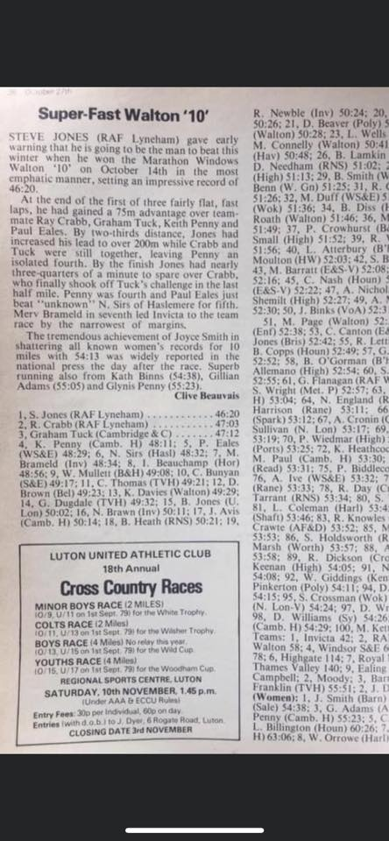
Add known performances here (e.g. for road events) that predate powerof10 and are missing from the official C&C T&F records

 | Performance | Date | Name | Name URL | Po10 Event | Fixture | Fixture URL | Gender | Age Code | Notes
 | 2:19:55 | 25 Oct 1975 | Graham Tuck | https://more.arrs.run/runner/15799 | Mar | Harlow |  | M | ALL | This matches 2009 club records so must be right performance
Use text format when pasting numbers! | 47:12 | 14 Oct ???? | Graham Tuck |  | 10M | Walton |  | M | ALL | Mark Vile clipping --->
 | 30:45 INVALID | 7 Apr 2023 | Paul Aste |  | 10K | Port Erin |  | M | ALL | "I wish I was still a member of C&C but I think that expired in 2020"
 | 14:51 INVALID | 11 May 2019 | Paul Aste |  | 5K | Ipswich |  | M | U23 | "I wish I was still a member of C&C but I think that expired in 2020"
 | 15:13.9 INVALID | 3 Mar 2018 | Paul Aste |  | 5000 | Lee Valley |  | M | U23 | "I wish I was still a member of C&C but I think that expired in 2020"
 | 38:39 INVALID | 26 Nov 2023 | Diane Potter |  | 5M | Hatfield |  | W | V60 | "I seem to have the club record for W60 5mile road race. Unfortunately, I'm no longer a member of C & C and wasn't when I did the race"
 | 56.42 | 19 Jun 1993 | Nigel Spivey |  | HT7.26K | Perivale |  | M | ALL | From Noel Moss 8Apr2024
 | 47.64 | 11 Sep 1994 | Simon Blackwell |  | HT7.26K | Colchester |  | M | ALL | From Noel Moss 8Apr2024
 | 47.14 | 1 Jul 1995 | Gary Parsons |  | HT7.26K | Welwyn |  | M | ALL | From Noel Moss 8Apr2024
 | 15:30 | 3 Aug 1996 | Peter Thompson |  | 5000 | Portsmouth |  | M | V35 | From Noel Moss 9Apr2024
 | 25:59 | 3 Jul 1997 | Peter Thompson |  | 5M | Downham Market |  | M | V35 | See Ryston Runners screenshot -->
 | 53:38 | 1996 | Peter Thompson |  | 10M | Bishops Stortford |  | M | V35 | See Stortford 10 screenshot -->
 | 69:37 | 3 May 2025 | Peter Thompson |  | 10M | Mallory Park | https://bmaf.opentrack.run/en-gb/x/2025/GBR/bmaf-10mile/event/1/1/1/ | M | V65 | See URL or screenshot if that is now gone -->

