Other
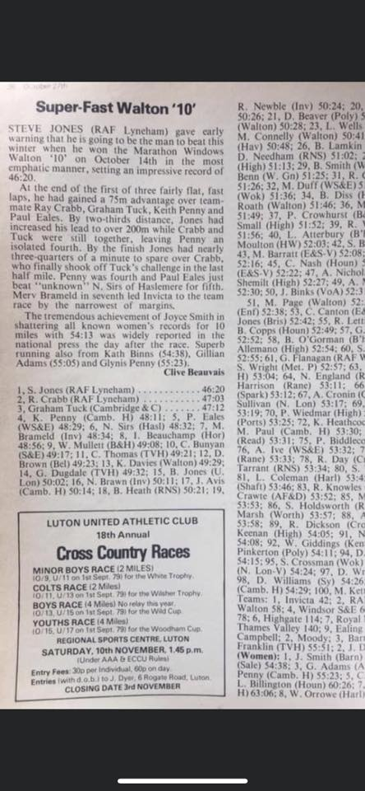
Add known performances here (e.g. for road events) that predate powerof10 and are missing from the official C&C T&F records

 | Performance | Date | Name | Name URL | Po10 Event | Fixture | Fixture URL | Gender | Age Code | Notes
 | 2:19:55 | 25 Oct 1975 | Graham Tuck | https://more.arrs.run/runner/15799 | Mar | Harlow |  | M | ALL | This matches 2009 club records so must be right performance
Use text format when pasting numbers! | 47:12 | 14 Oct ???? | Graham Tuck |  | 10M | Walton |  | M | ALL | Mark Vile clipping --->
 | 54:30 | 15 Oct 2023 | Hannah Irwin | https://www.thepowerof10.info/athletes/profile.aspx?athleteid=527586 | 10M | Great South Run | https://www.runbritainrankings.com/results/results.aspx?meetingid=569139 | W | ALL | Po10 not linking to Hannah's profile at 31Oct2023, submitted request

