Sheet
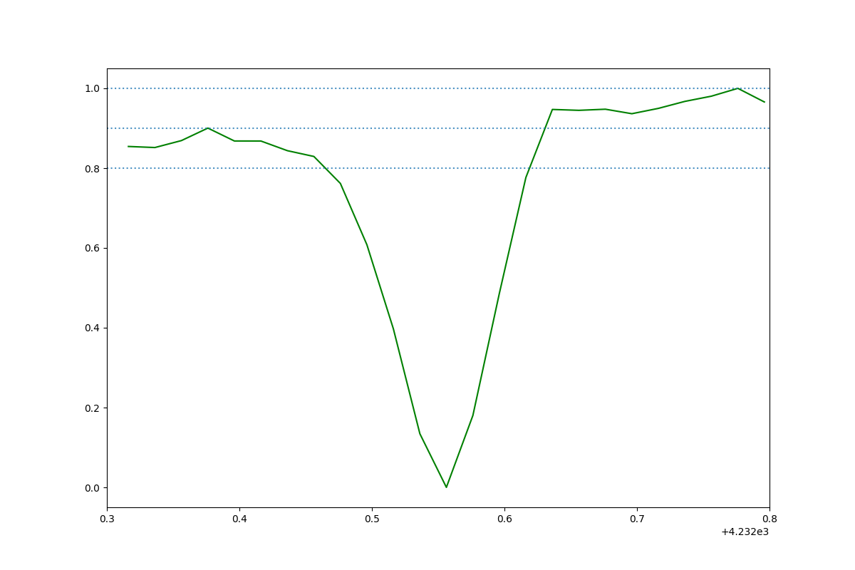 | HD 23180_CH_plus_HD23180_2016-09-14 08:14:59.245000_obs1.png
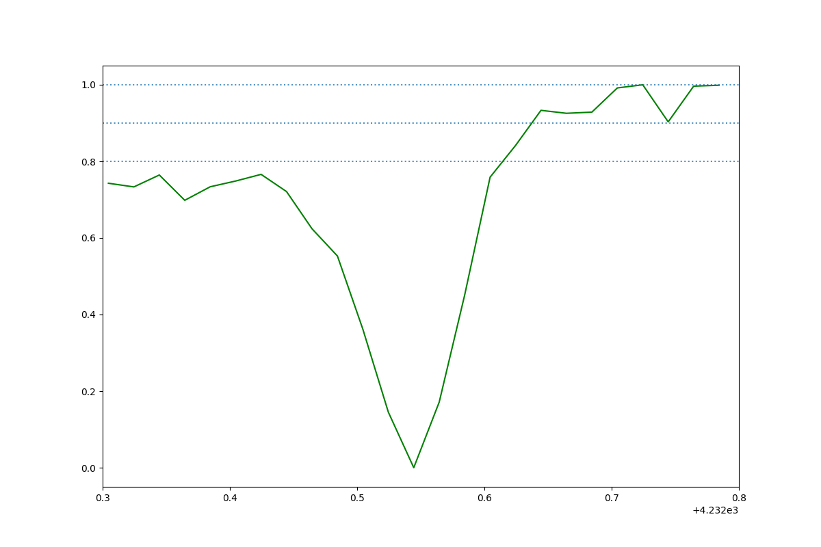 | HD 23180_CH_plus_HD23180_2016-09-14 08:14:59.245000_obs3.png

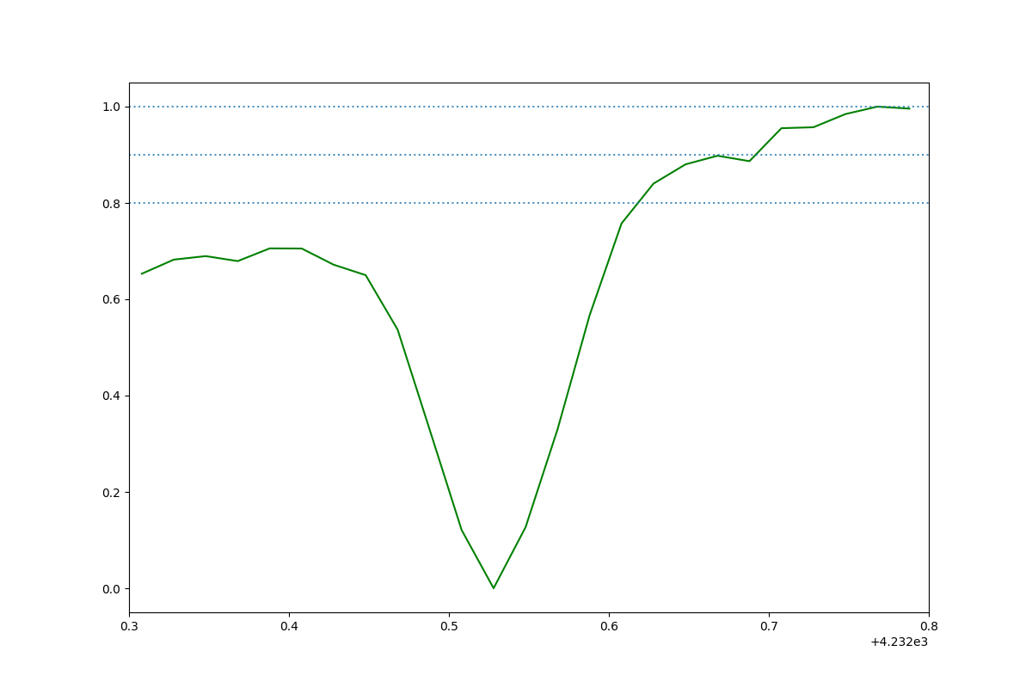 | HD 185859_CH_plus_HD185859_2016-09-05 02:14:19.735000_obs1.png
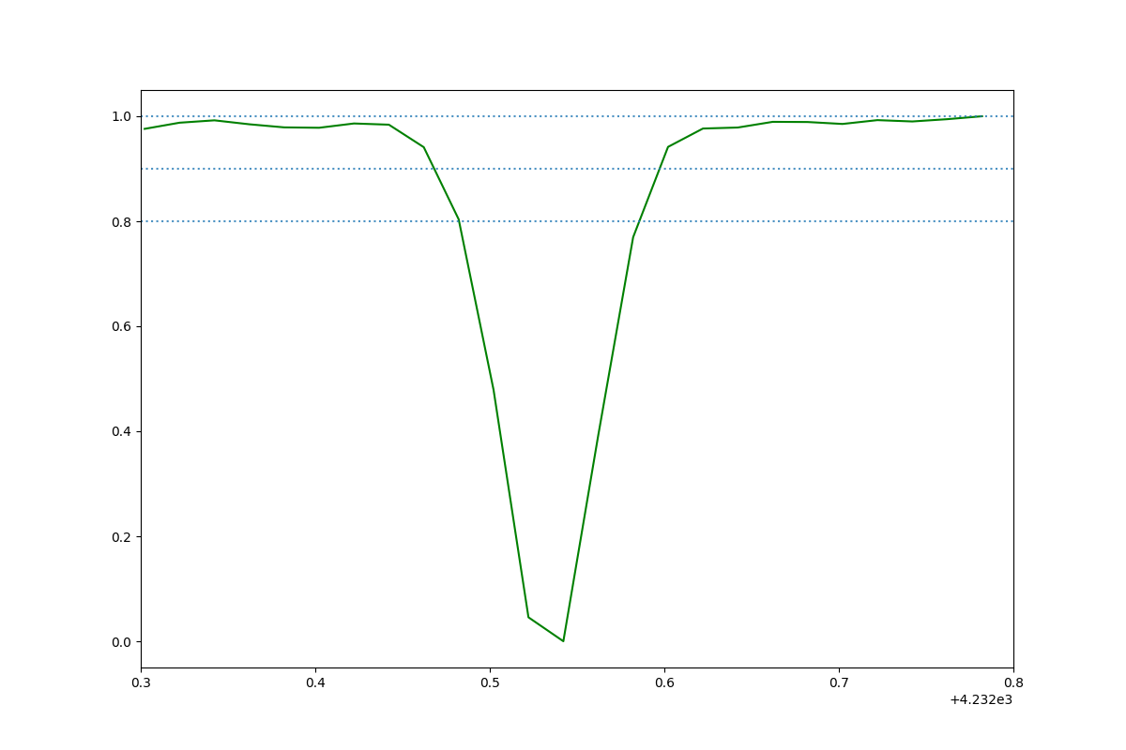 | HD 149757_CH_plus_HD149757_2018-07-31 03:04:55.947000_obs1.png
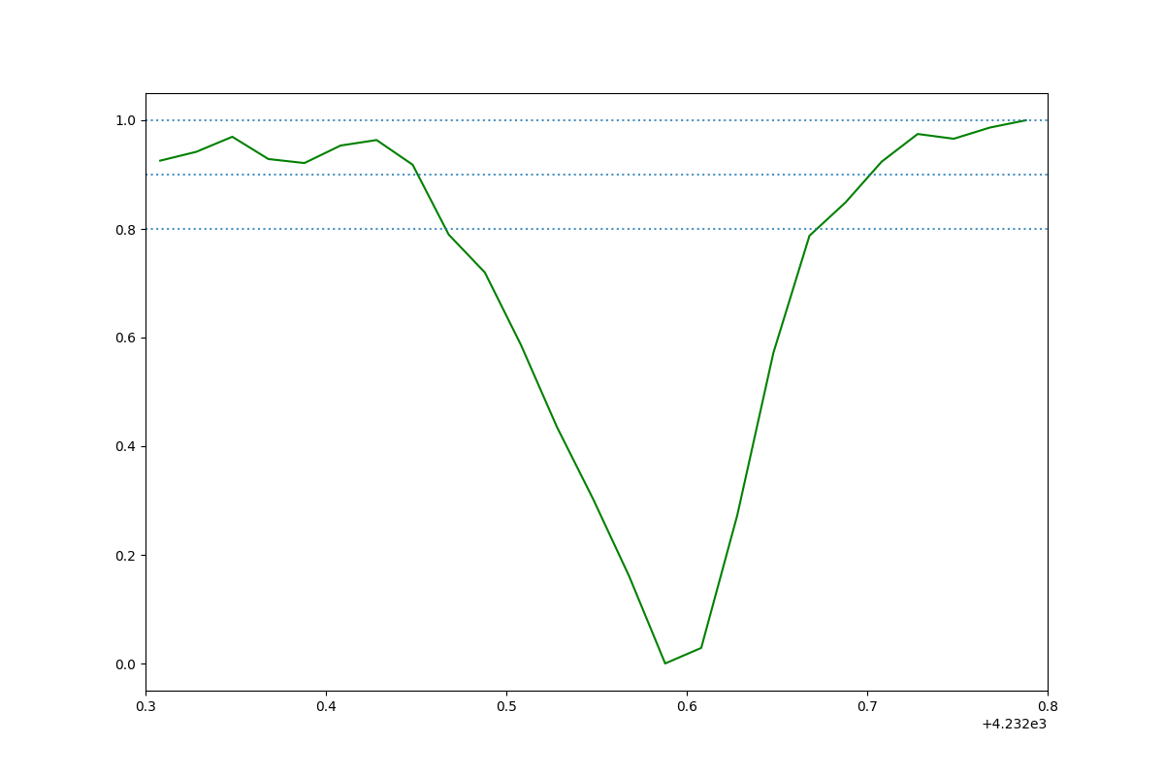 | HD 185418_CH_plus_HD185418_2014-09-24 01:49:17.368000_obs3.png
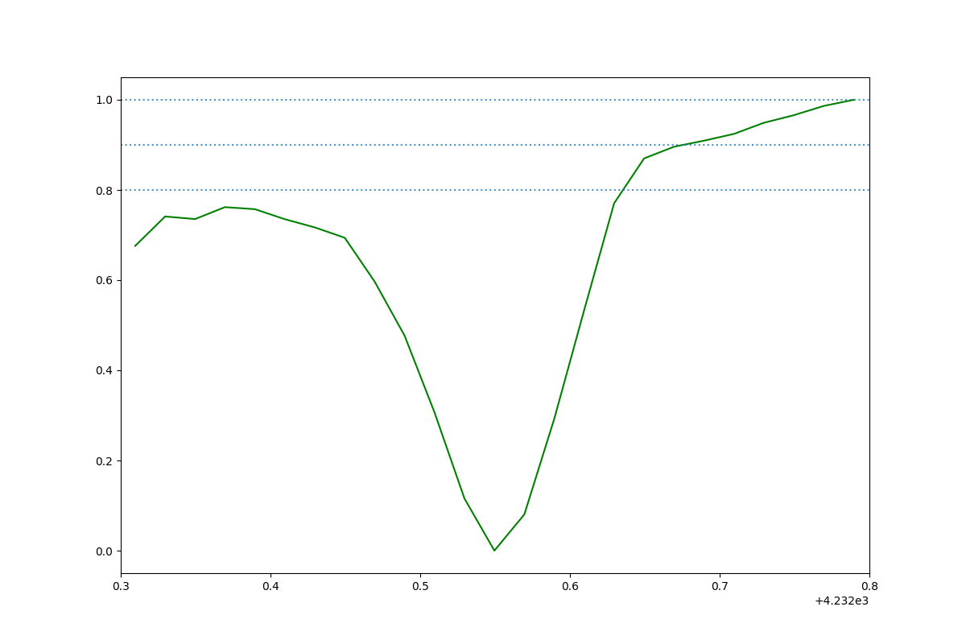 | HD 170740_CH_plus_HD170740_2014-09-15 02:57:33.637000_obs4.png
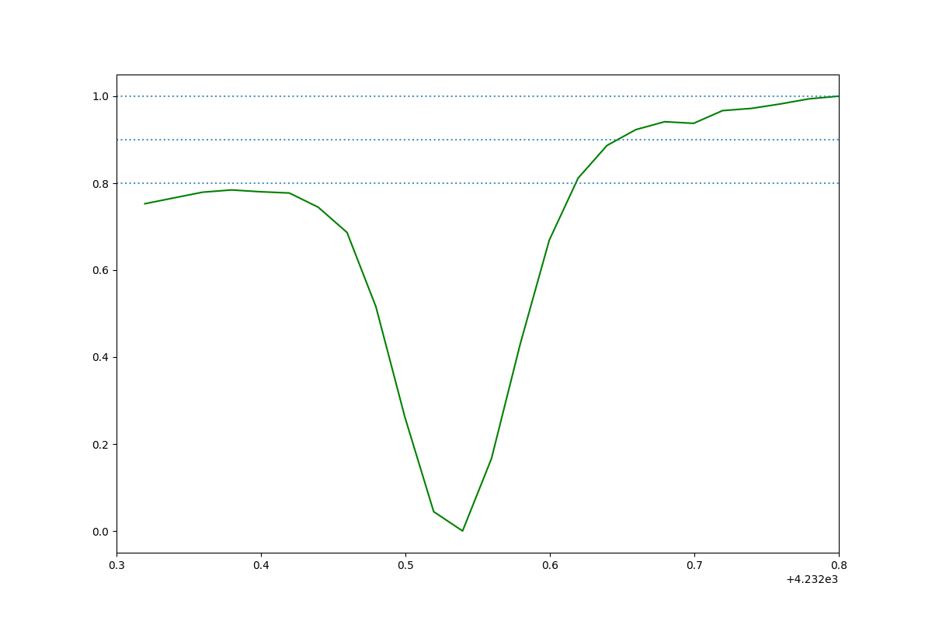 | HD 185859_CH_plus_HD185859_2016-09-05 02:14:19.735000_obs5.png
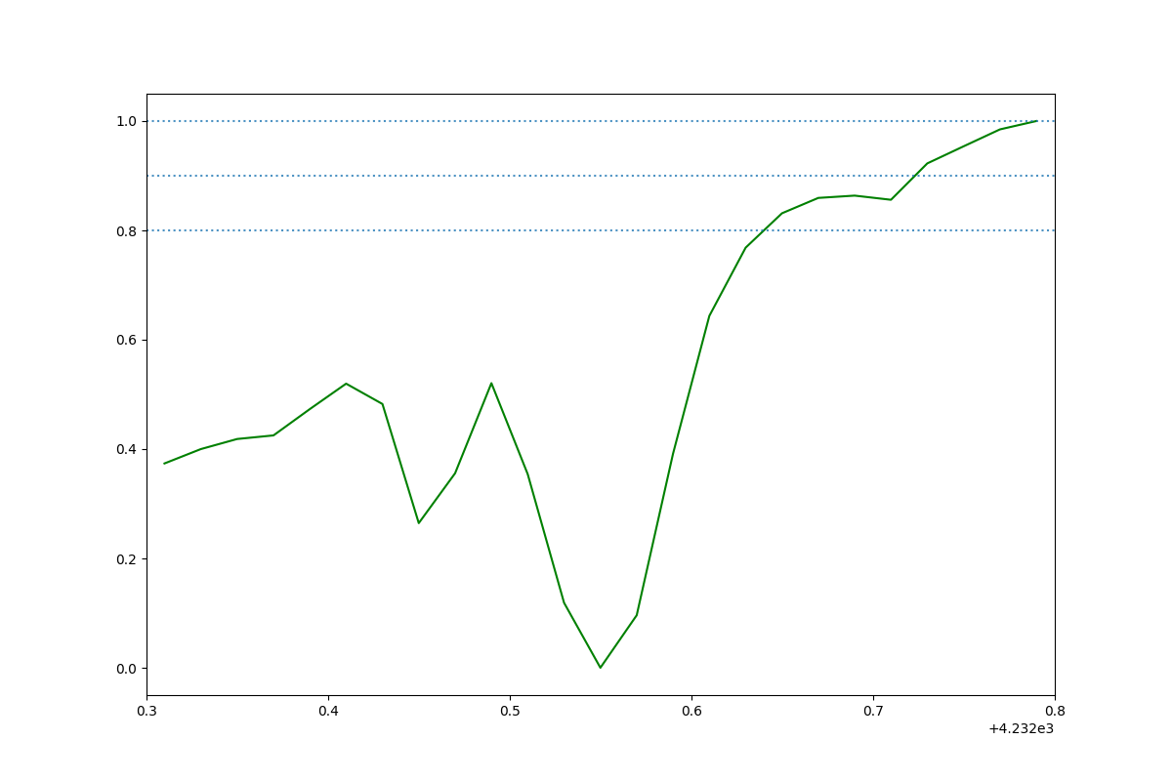 | HD 24398_CH_plus_HD24398_2017-09-05 08:59:31.006000_obs0.png

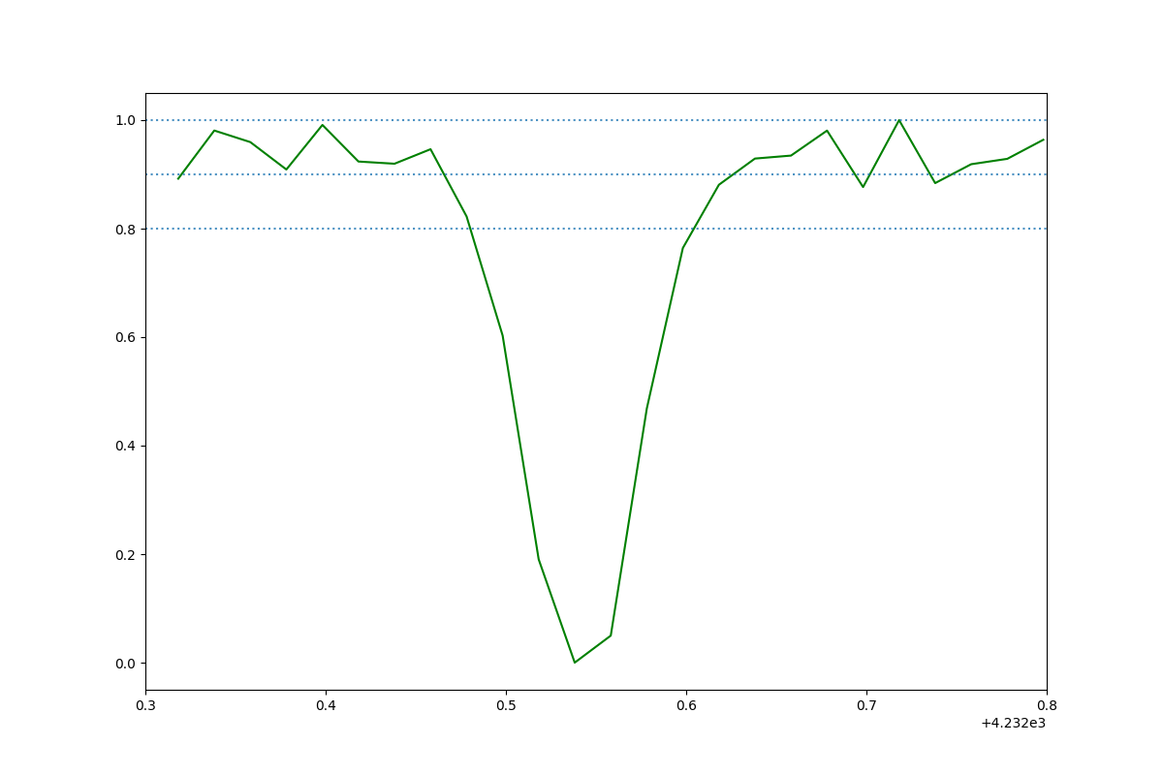 | HD 24398_CH_plus_HD24398_2017-09-05 08:59:31.006000_obs1.png
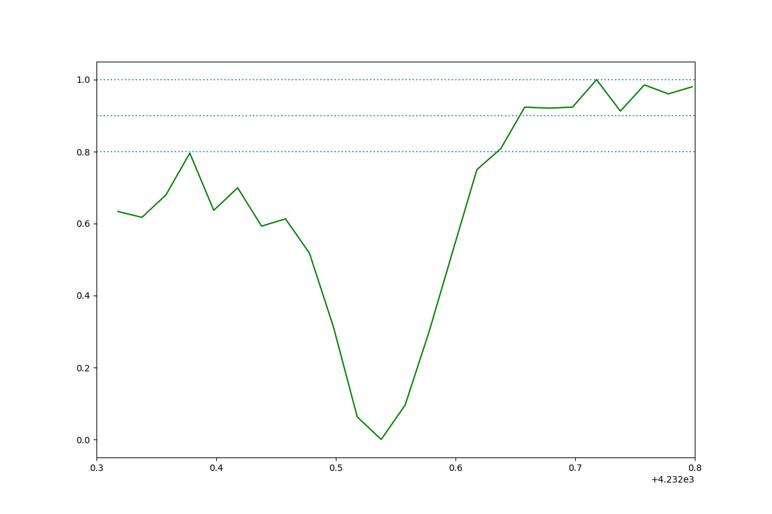 | HD 170740_CH_plus_HD170740_2014-09-15 02:57:33.637000_obs5.png
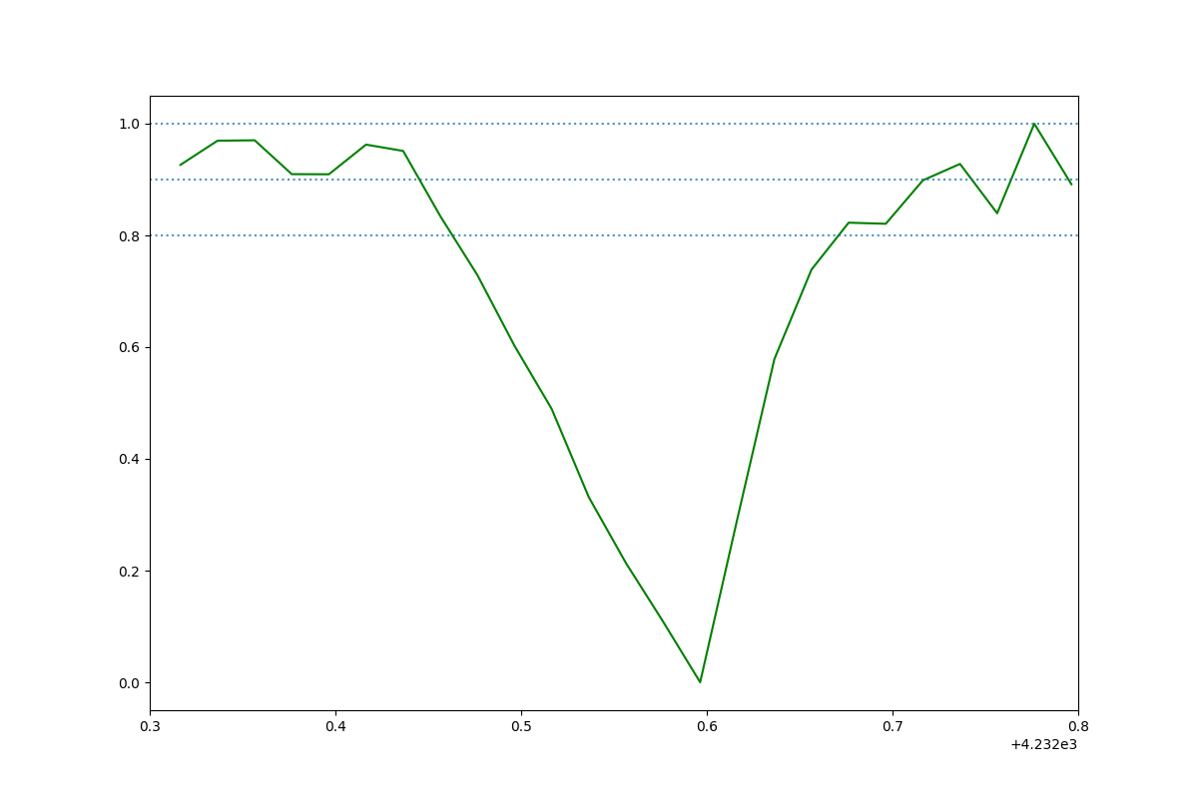 | HD 185418_CH_plus_HD185418_2014-09-24 01:49:17.368000_obs2.png
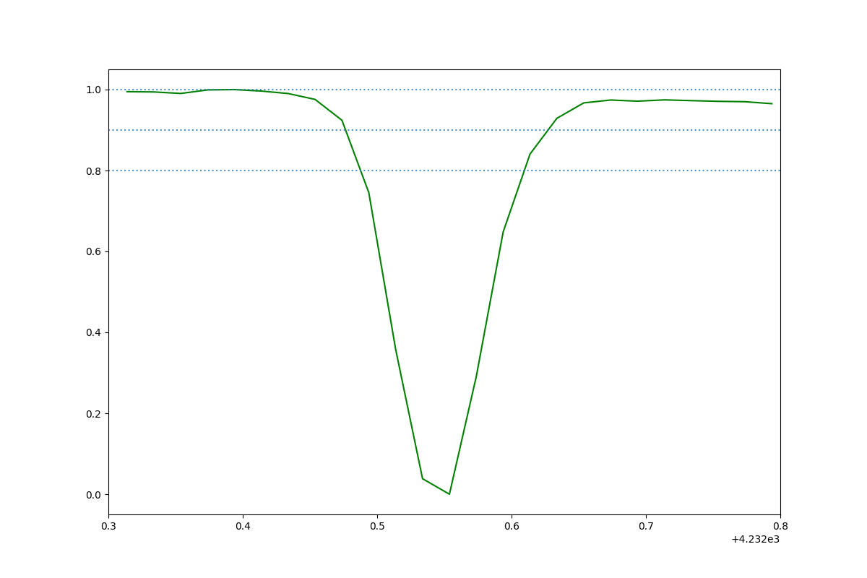 | HD 149757_CH_plus_HD149757_2018-07-31 03:04:55.947000_obs4.png
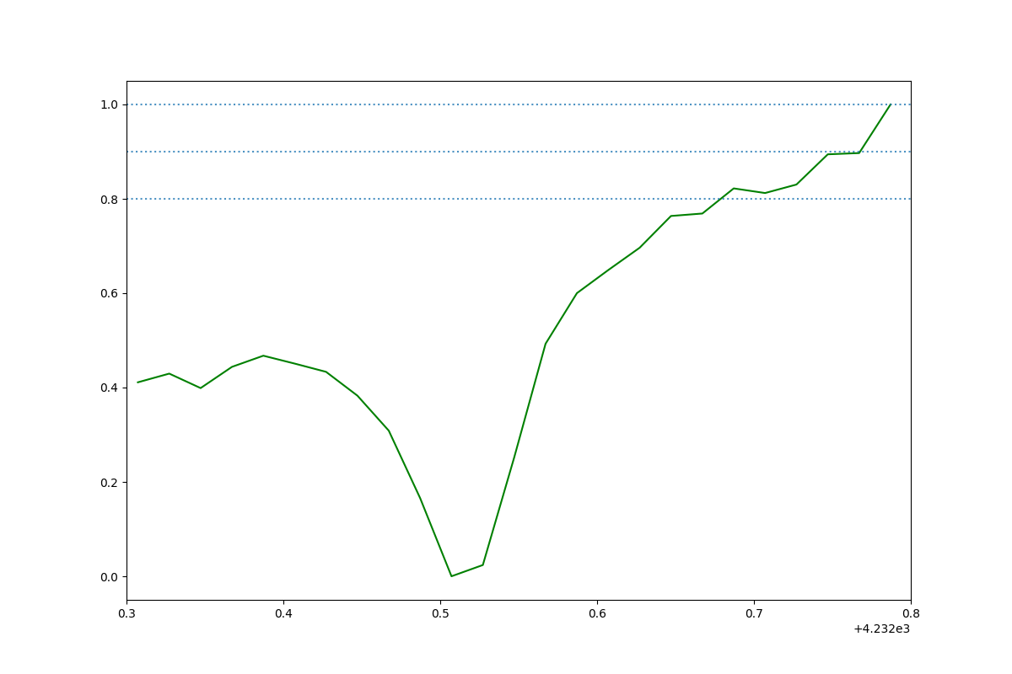 | HD 203532_CH_plus_HD203532_2014-09-23 03:57:35.716000_obs1.png
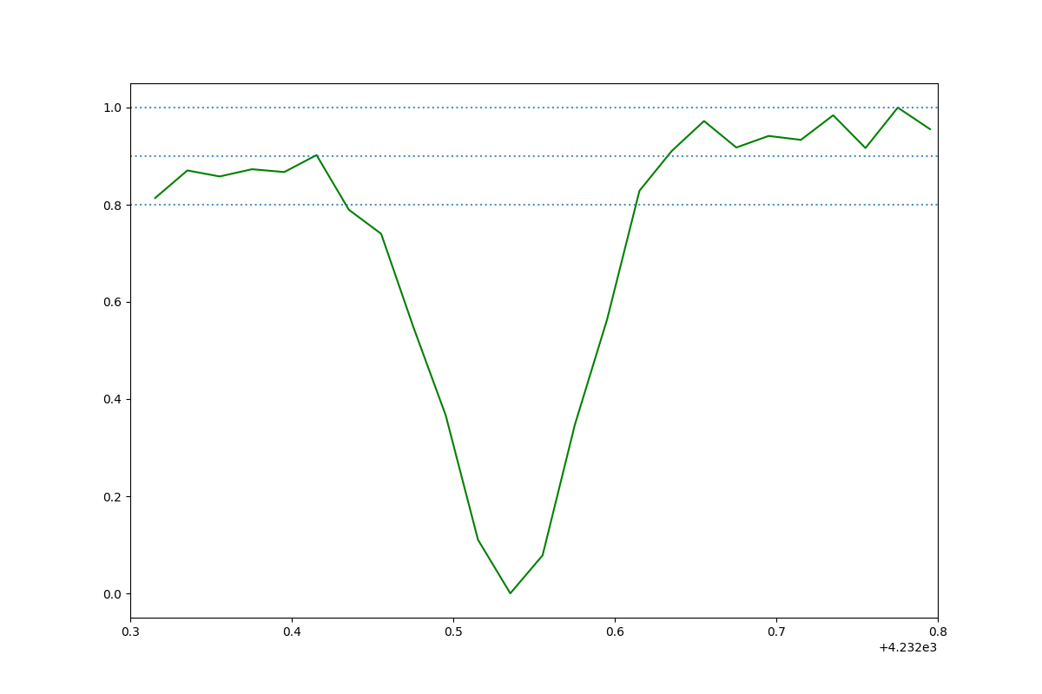 | HD 170740_CH_plus_HD170740_2014-09-16 03:39:58.048000_obs8.png
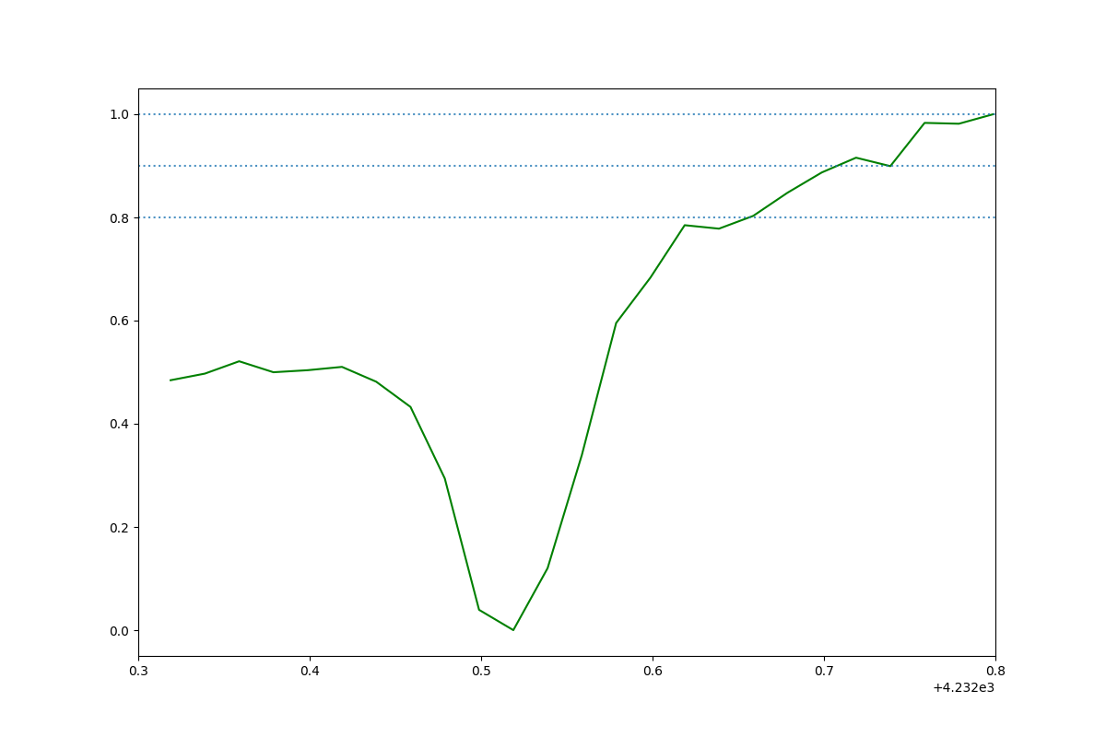 | HD 203532_CH_plus_HD203532_2014-09-23 03:57:35.716000_obs0.png
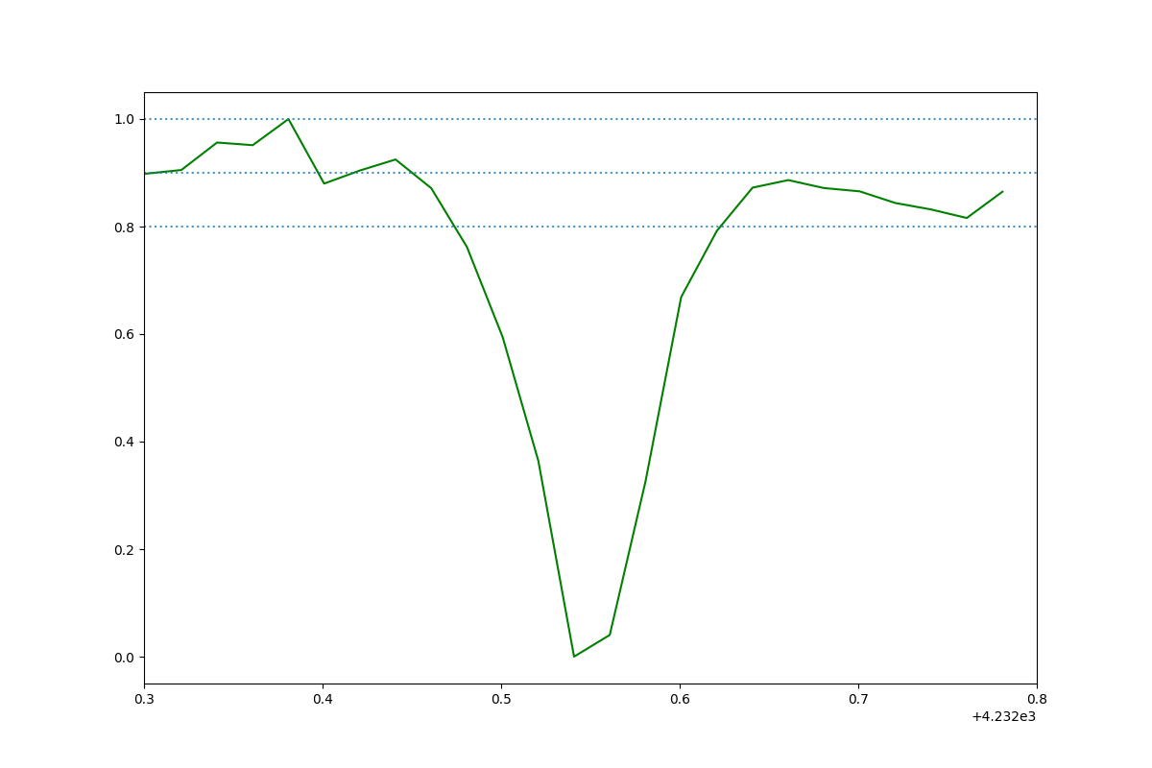 | HD 23180_CH_plus_HD23180_2017-10-02 08:50:12.640000_obs5.png
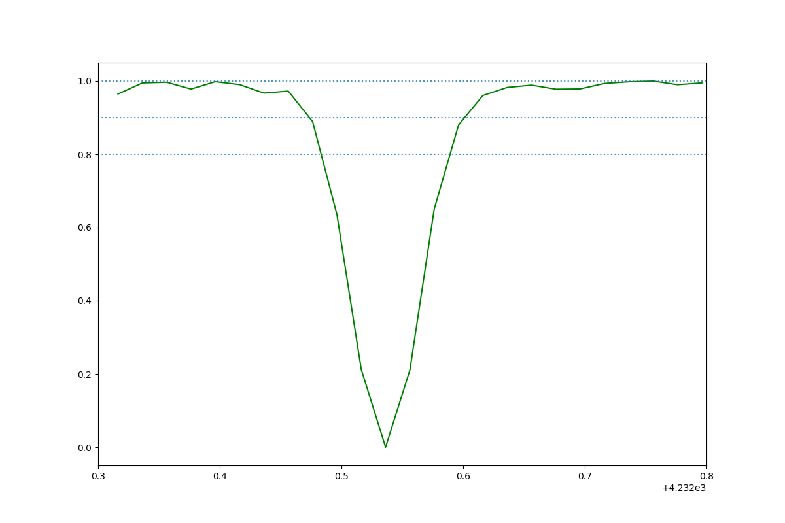 | HD 149757_CH_plus_HD149757_2018-07-22 04:55:33.790000_obs2.png
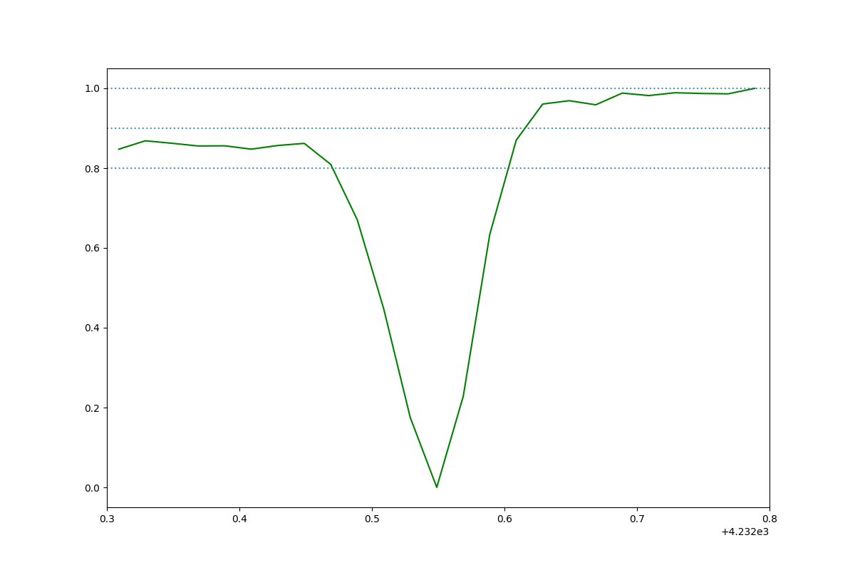 | HD 166937_CH_plus_HD166937_2017-05-21 09:22:42.745000_obs1.png
 | HD 170740_CH_plus_HD170740_2015-06-26 02:11:47.450000_obs6.png
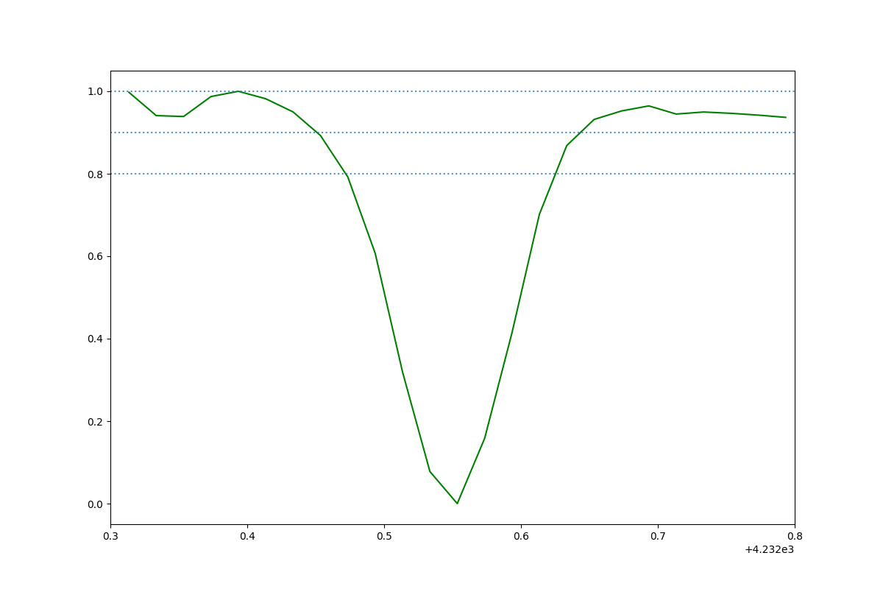 | HD 170740_CH_plus_HD170740_2017-07-05 02:31:08.958000_obs9.png
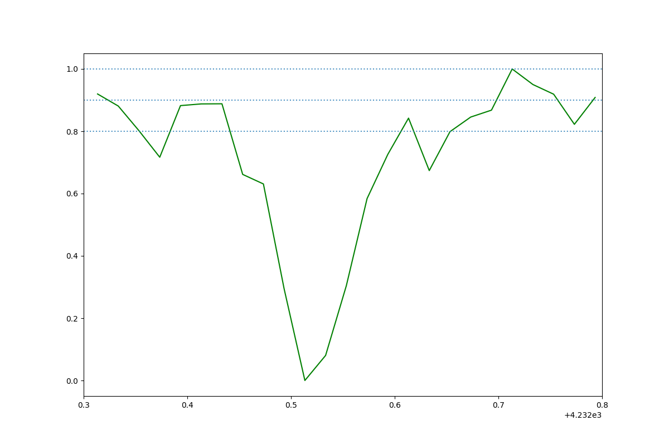 | HD 184915_CH_plus_HD184915_2014-09-15 04:11:51.808000_obs0.png
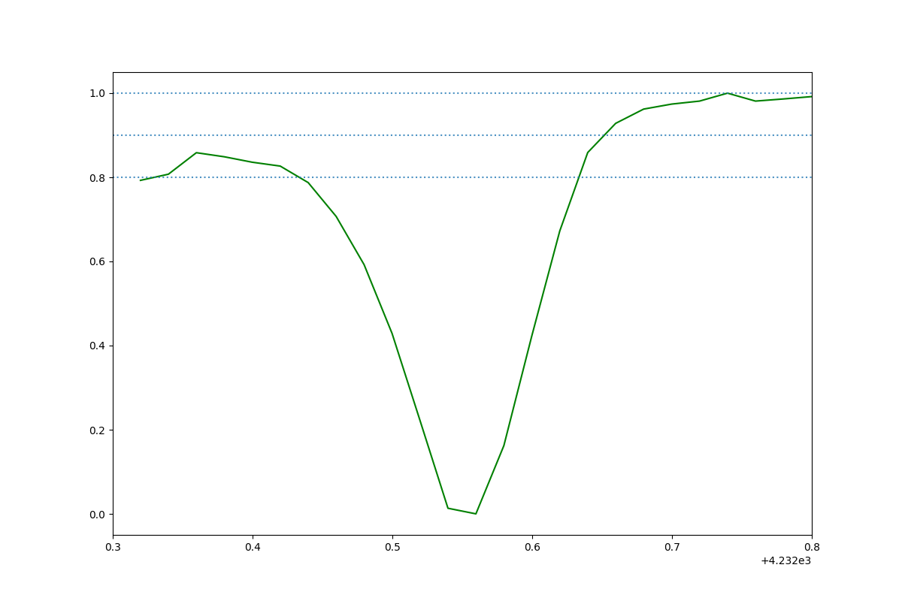 | HD 170740_CH_plus_HD170740_2015-06-26 02:11:47.450000_obs7.png
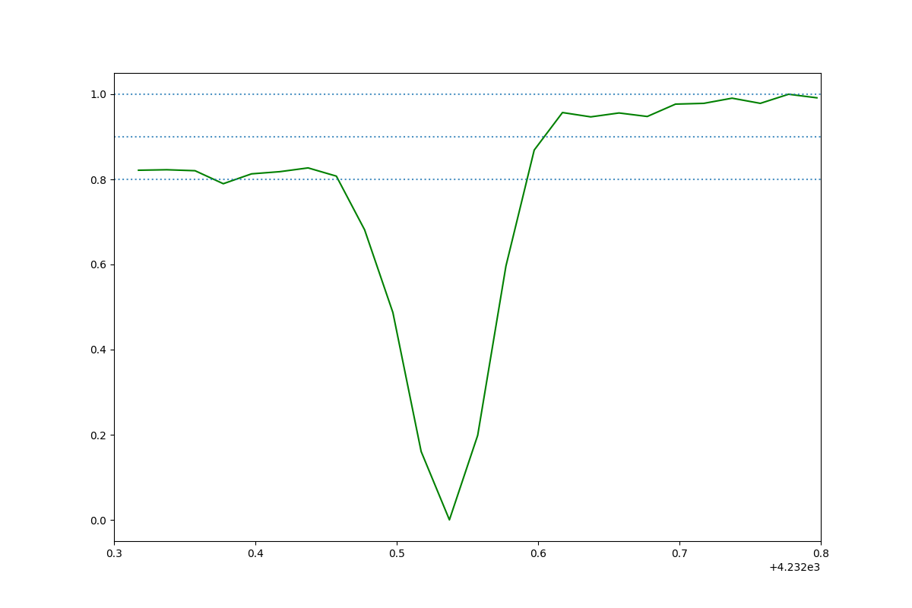 | HD 166937_CH_plus_HD166937_2017-05-21 09:22:42.745000_obs0.png
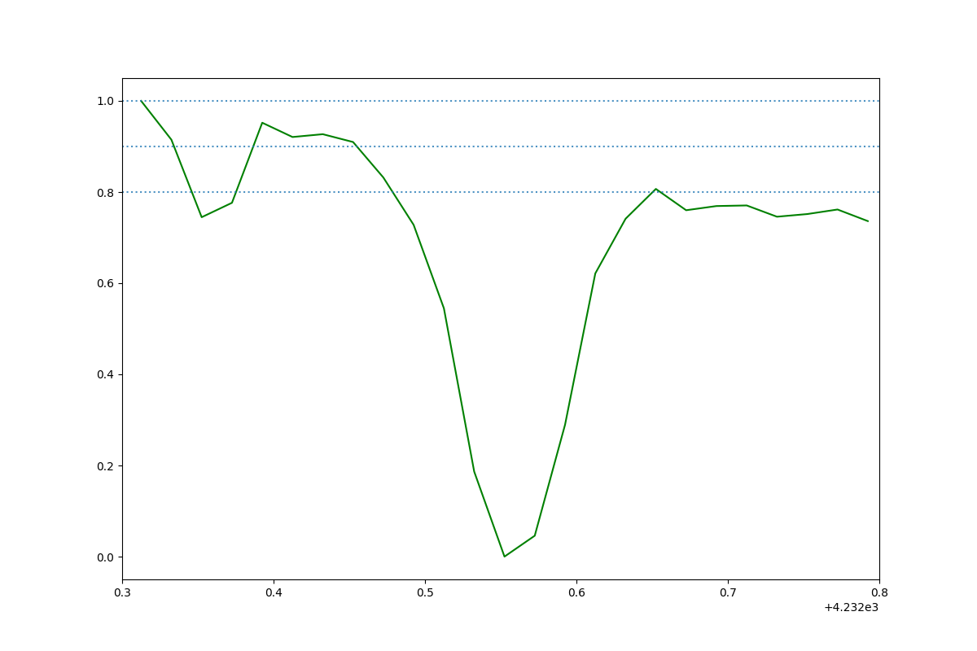 | HD 23180_CH_plus_HD23180_2017-10-02 08:50:12.640000_obs4.png
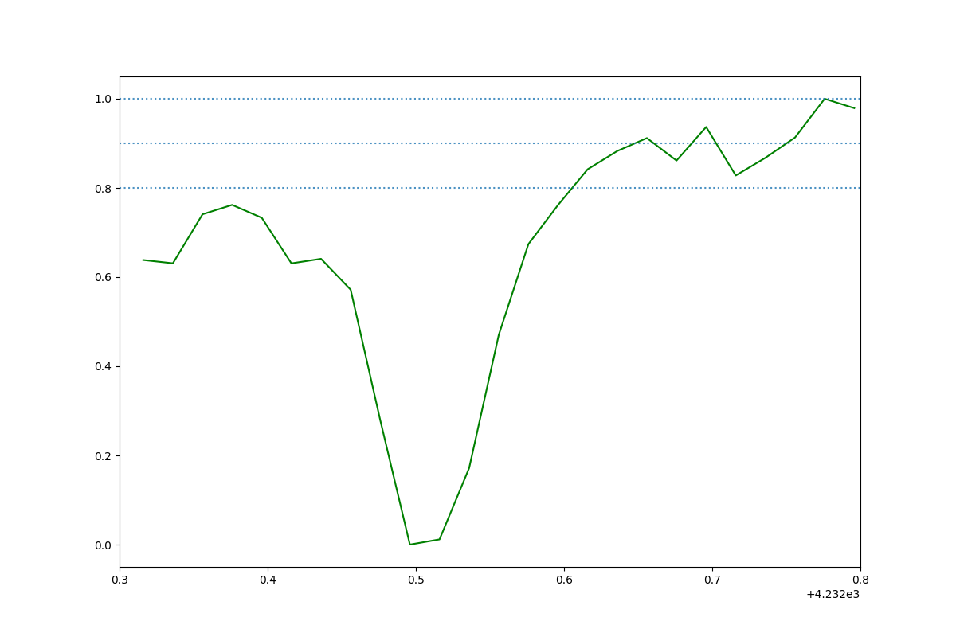 | HD 203532_CH_plus_HD203532_2016-07-24 08:00:35.620000_obs3.png
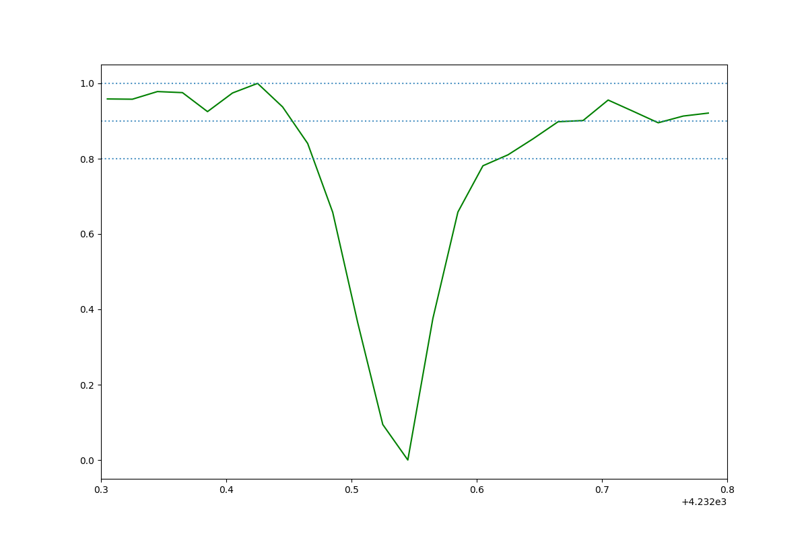 | HD 184915_CH_plus_HD184915_2014-09-15 04:11:51.808000_obs2.png
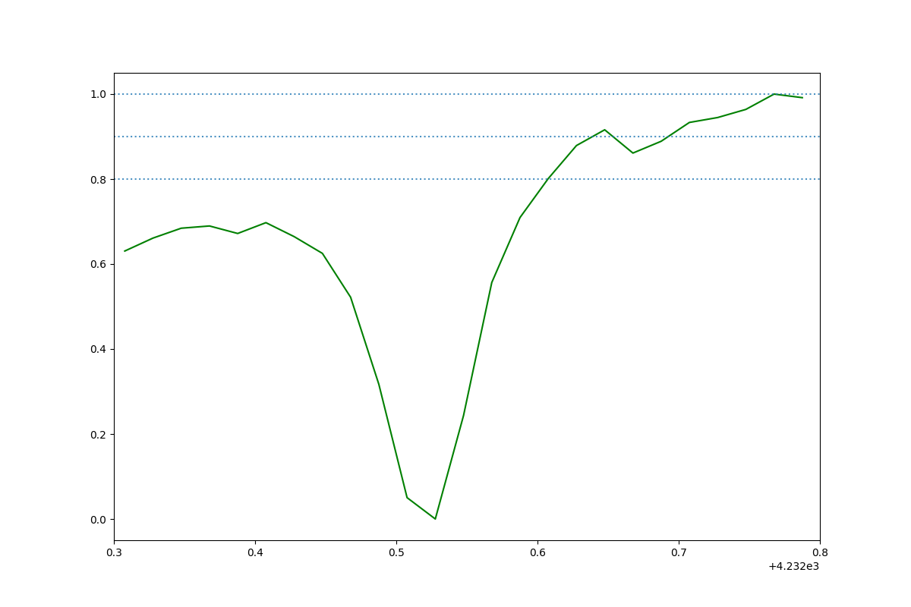 | HD 203532_CH_plus_HD203532_2016-07-24 08:00:35.620000_obs2.png
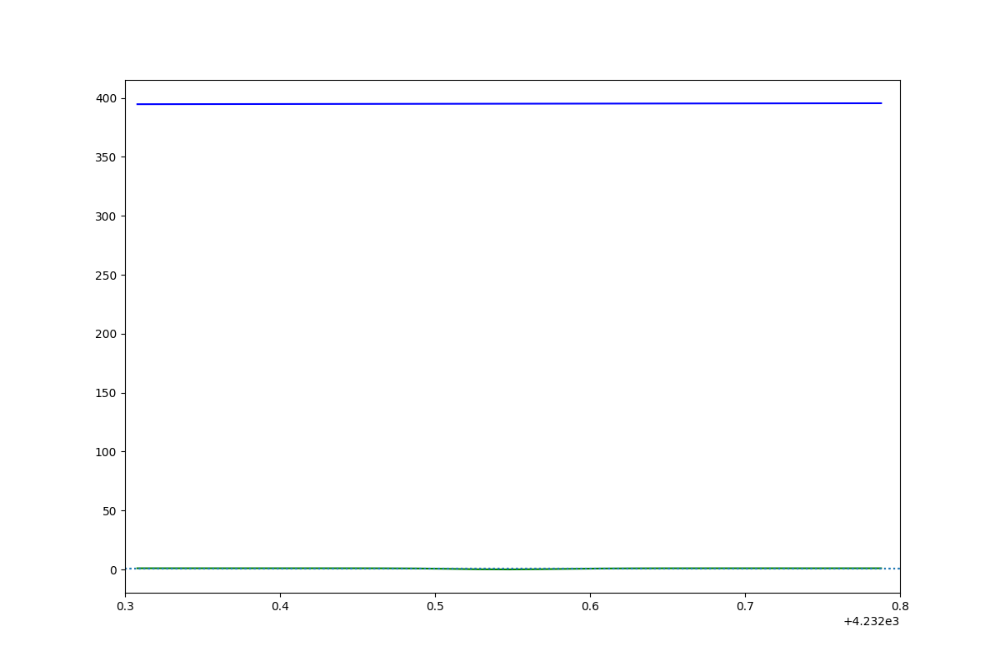 | HD 149757_CH_plus_HD149757_2018-07-22 04:55:33.790000_obs0.png
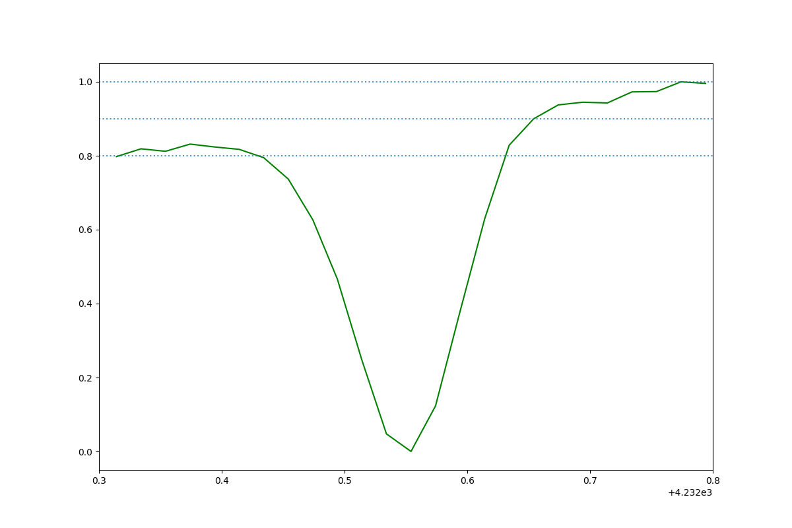 | HD 170740_CH_plus_HD170740_2016-06-13 07:31:19.943000_obs1.png
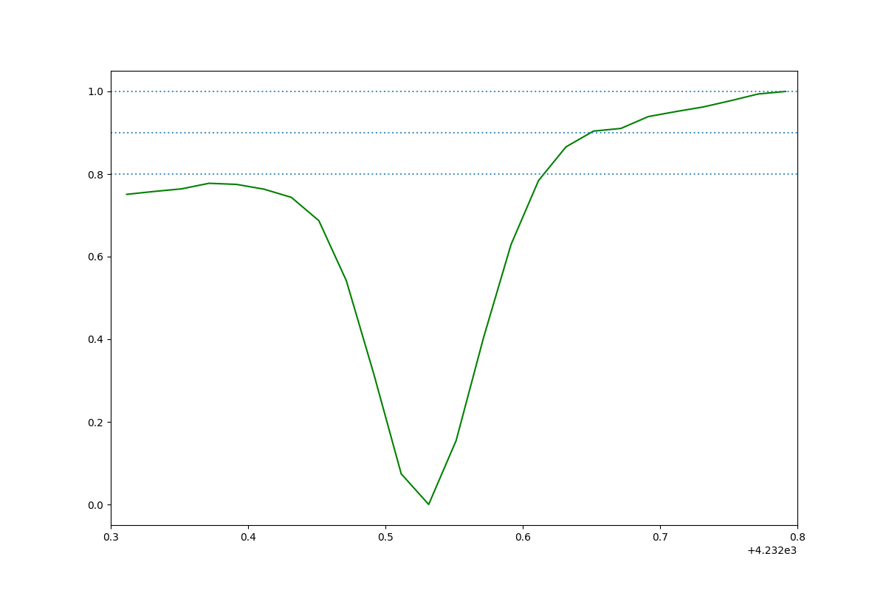 | HD 185859_CH_plus_HD185859_2016-09-07 02:11:08.652000_obs2.png
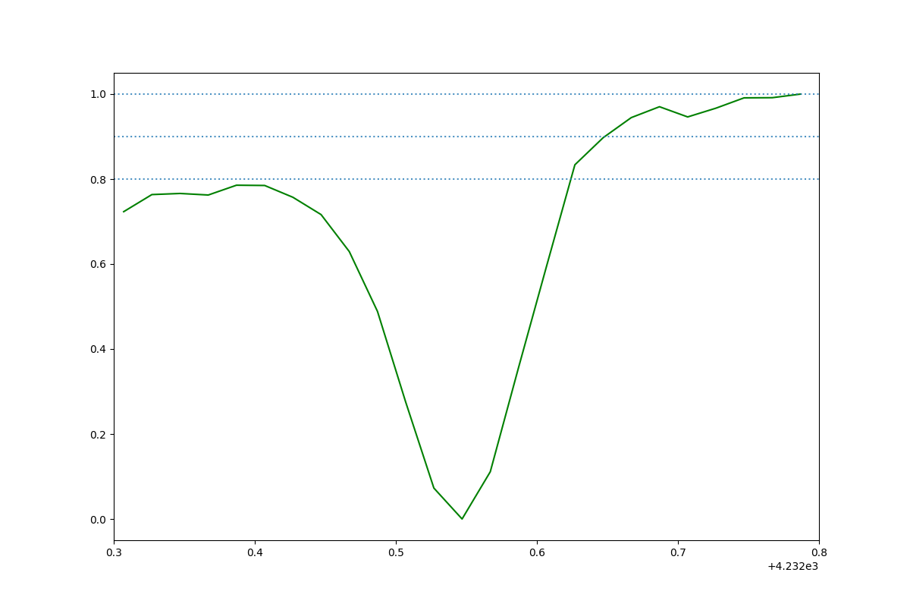 | HD 170740_CH_plus_HD170740_2014-09-16 03:39:58.048000_obs3.png
 | HD 185859_CH_plus_HD185859_2016-09-07 02:11:08.652000_obs3.png
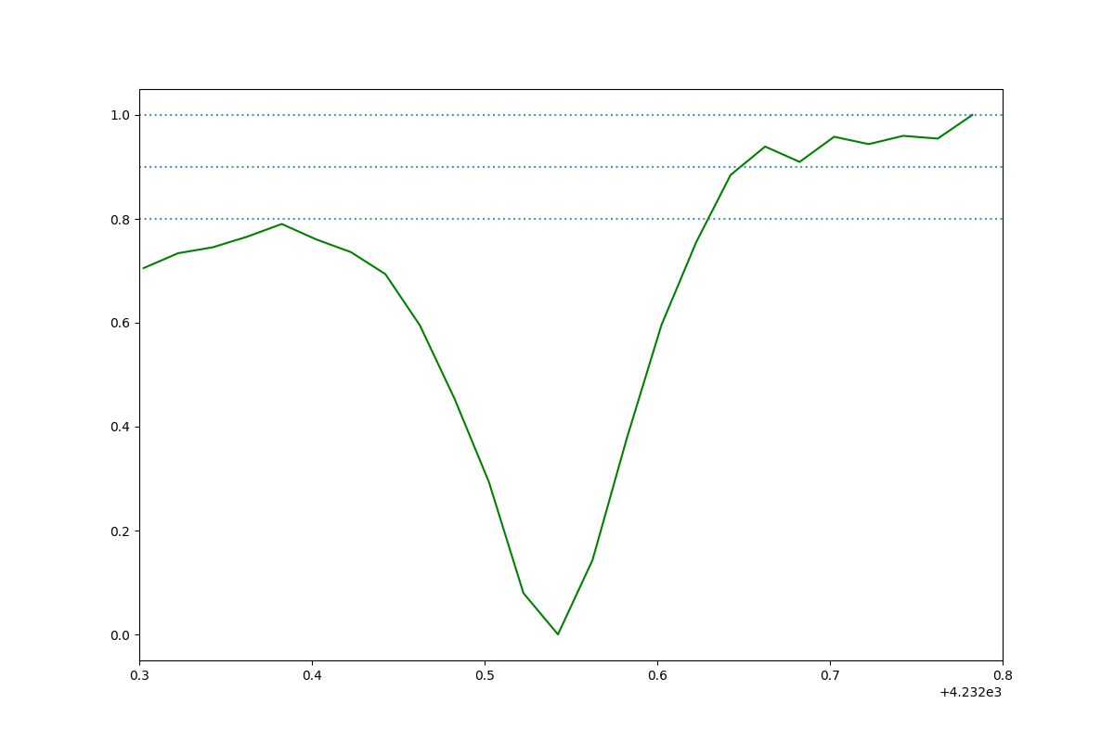 | HD 170740_CH_plus_HD170740_2016-06-13 07:31:19.943000_obs2.png
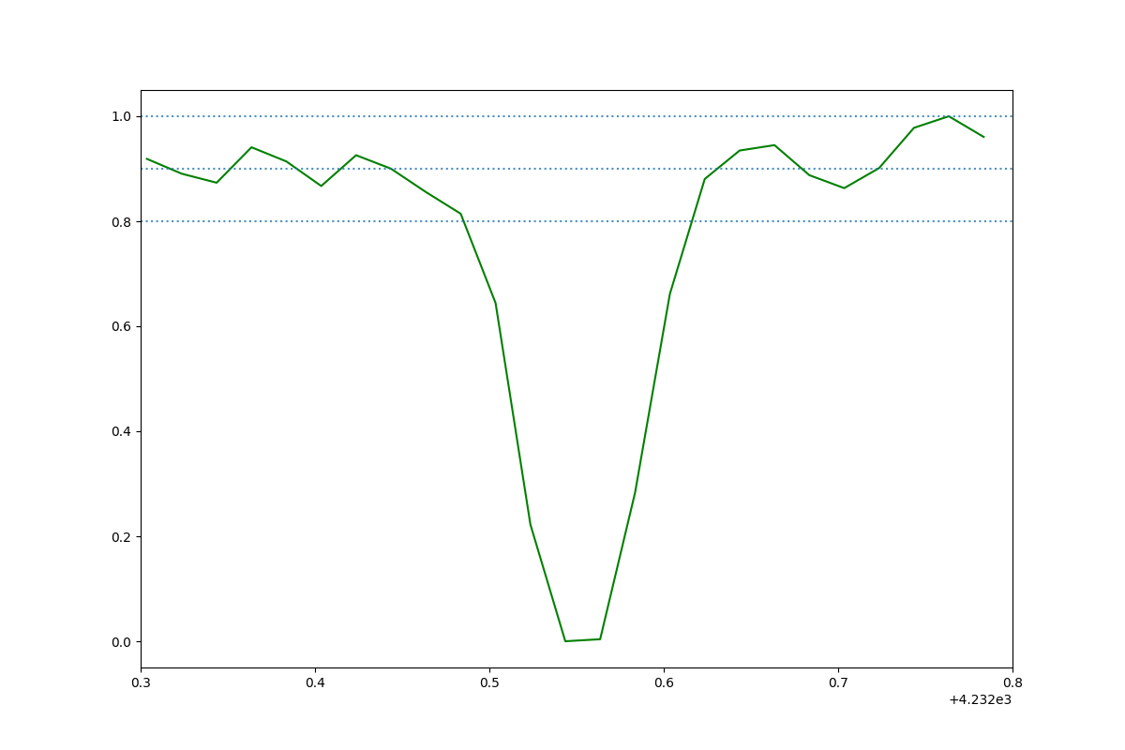 | HD 24398_CH_plus_HD24398_2014-09-25 08:18:08.259000_obs2.png
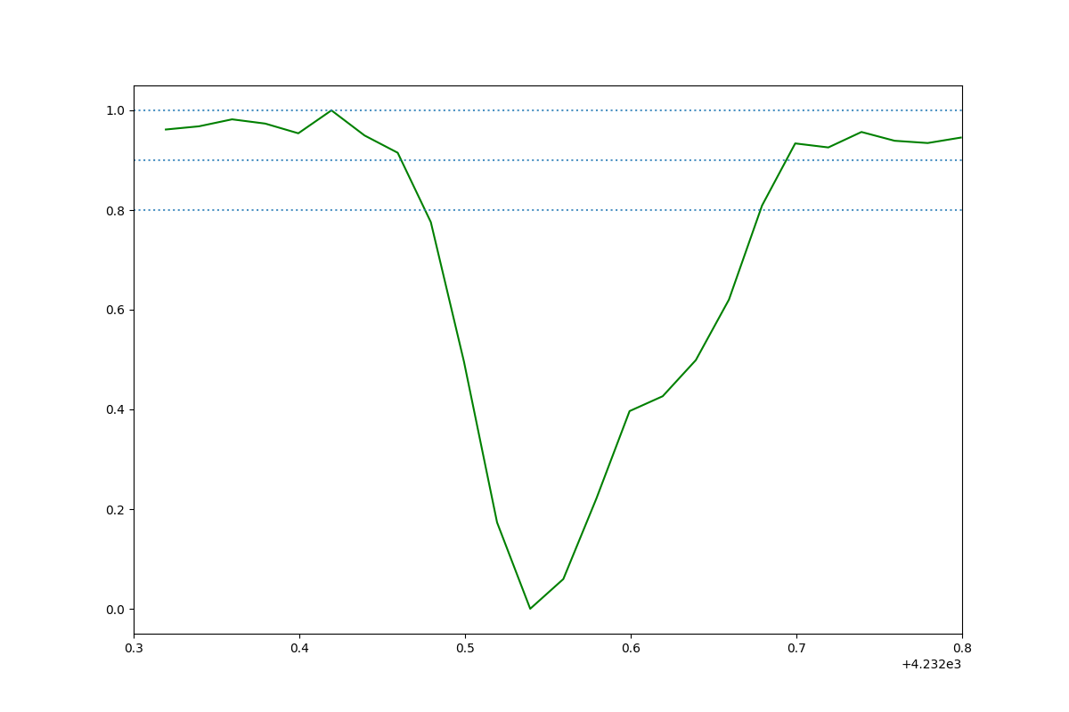 | HD 147683_CH_plus_HD147683_2018-09-02 01:20:03.554000_obs1.png
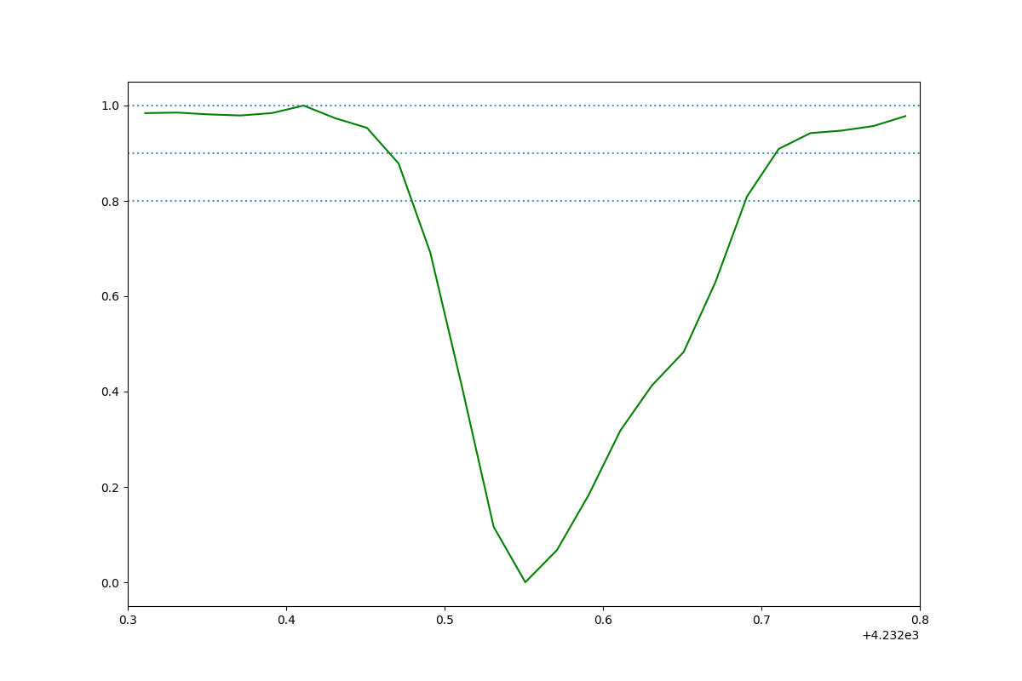 | HD 147683_CH_plus_HD147683_2018-09-02 01:20:03.554000_obs0.png
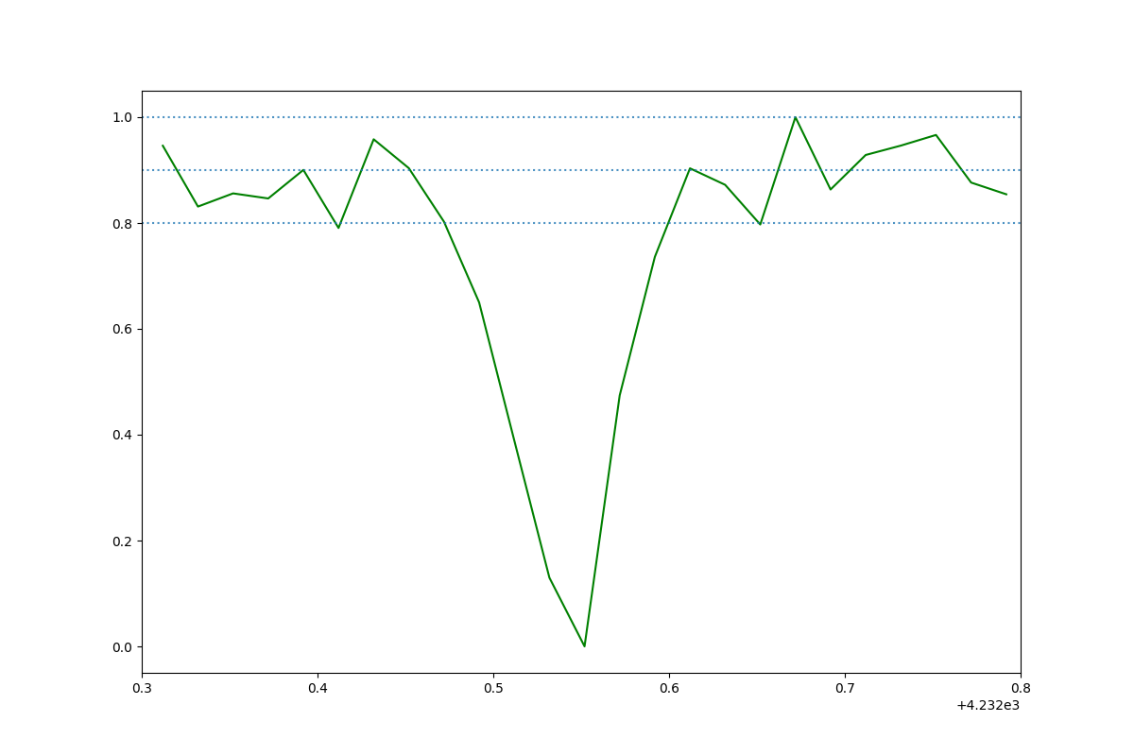 | HD 24398_CH_plus_HD24398_2014-09-25 08:18:08.259000_obs3.png
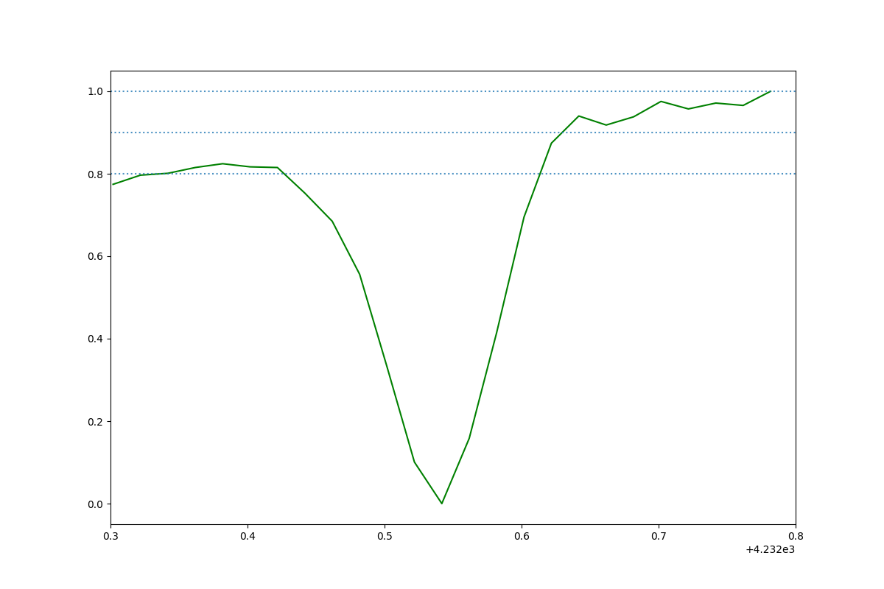 | HD 170740_CH_plus_HD170740_2017-07-05 02:31:08.958000_obs0.png
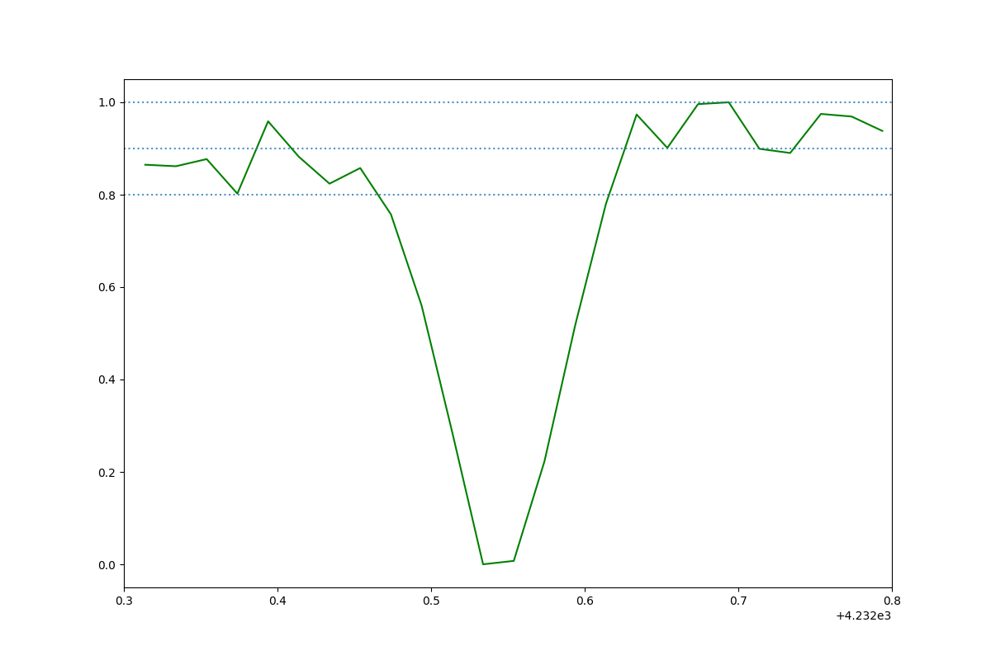 | HD 23180_CH_plus_HD23180_2014-10-29 07:13:41.170000_obs0.png
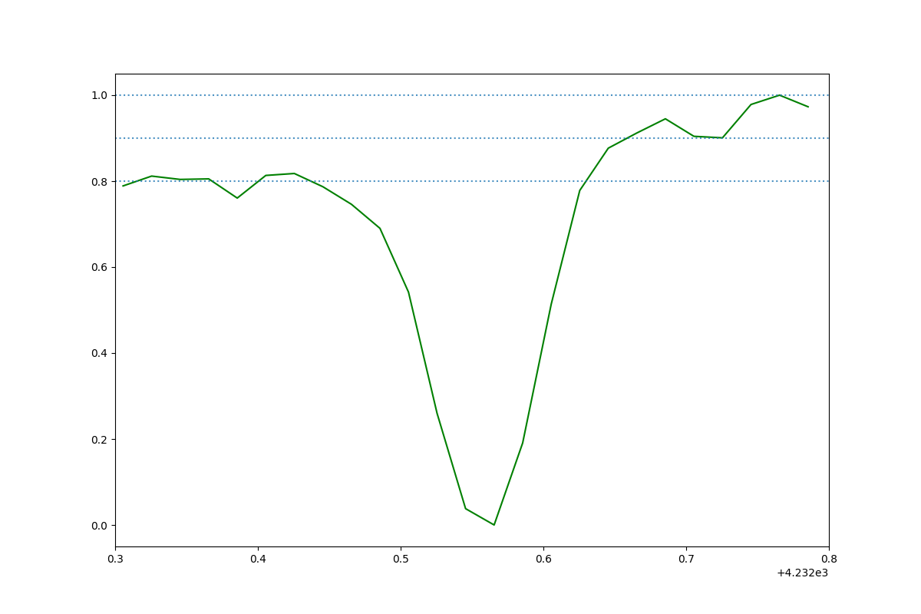 | HD 23180_CH_plus_HD23180_2014-10-29 07:13:41.170000_obs2.png
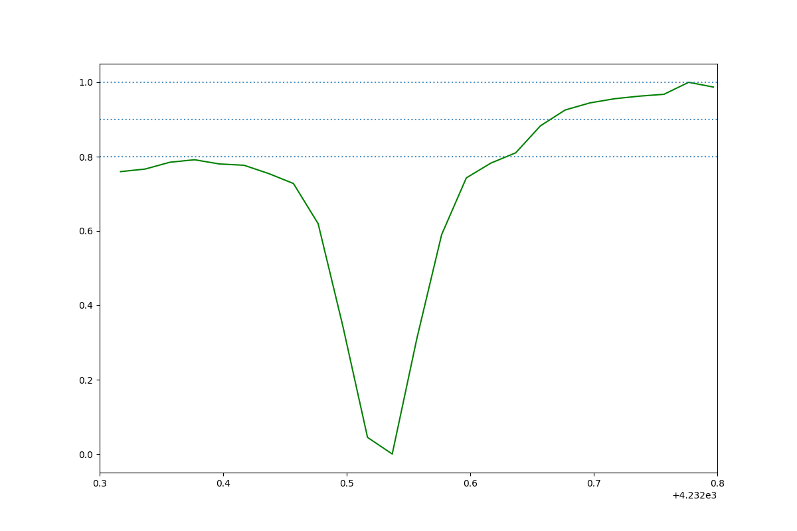 | HD 184915_CH_plus_HD184915_2016-06-12 06:01:01.302000_obs3.png
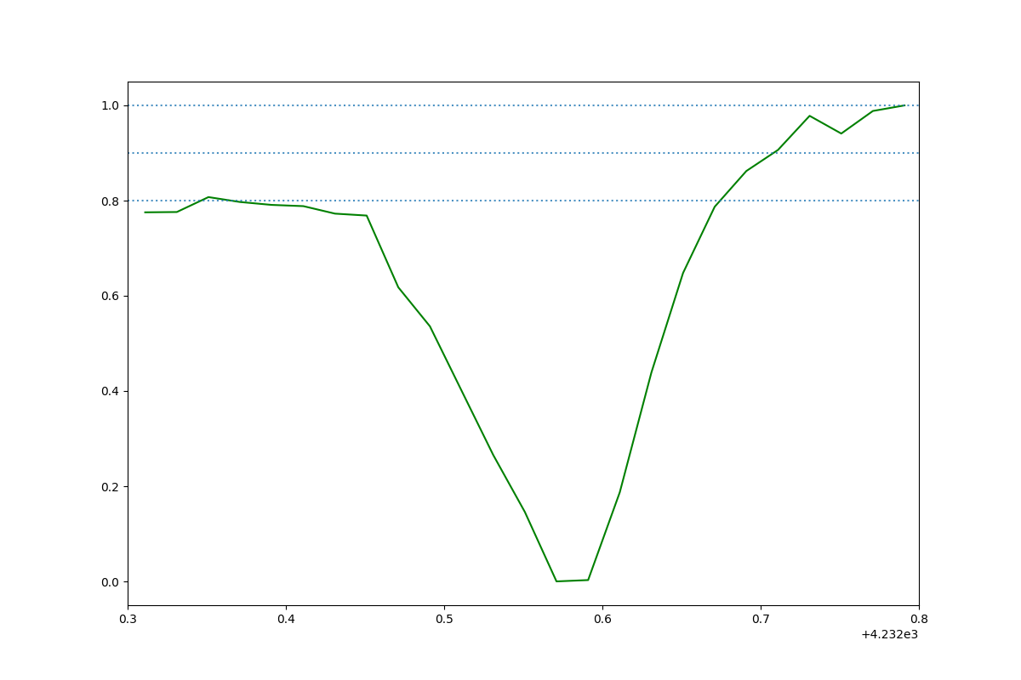 | HD 185418_CH_plus_HD185418_2014-09-23 01:47:43.530000_obs1.png
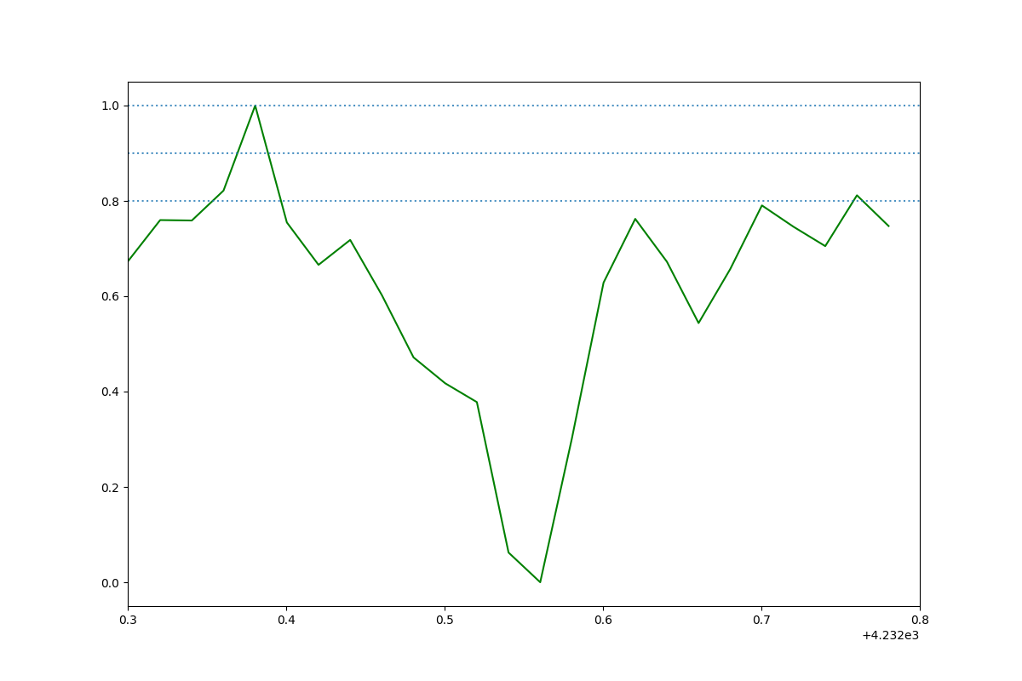 | HD 149757_CH_plus_HD149757_2015-07-20 03:13:24.066000_obs3.png
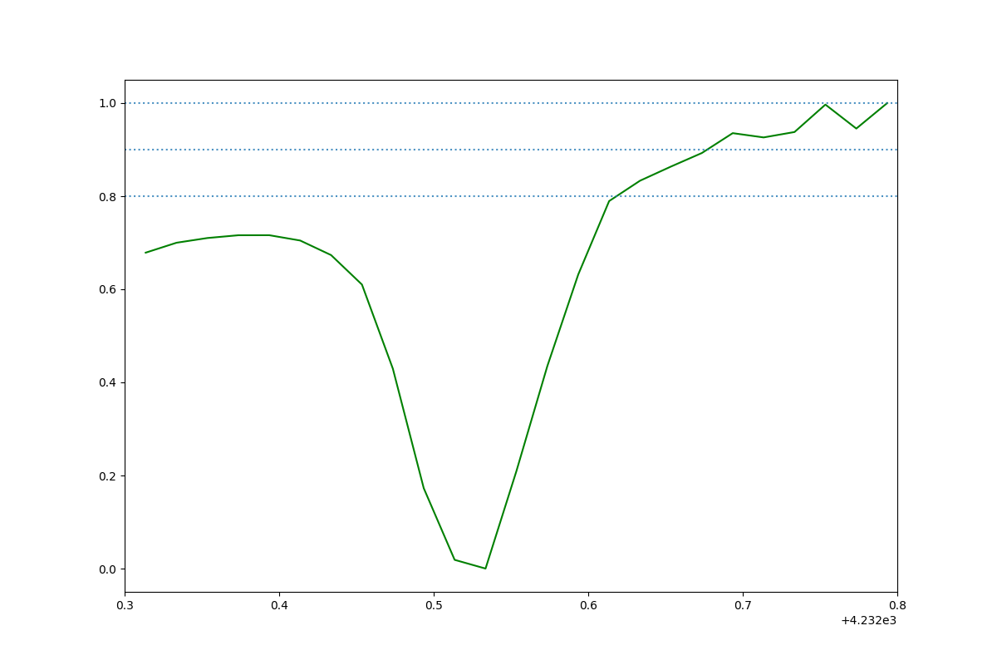 | HD 185859_CH_plus_HD185859_2016-08-13 03:32:39.662000_obs4.png
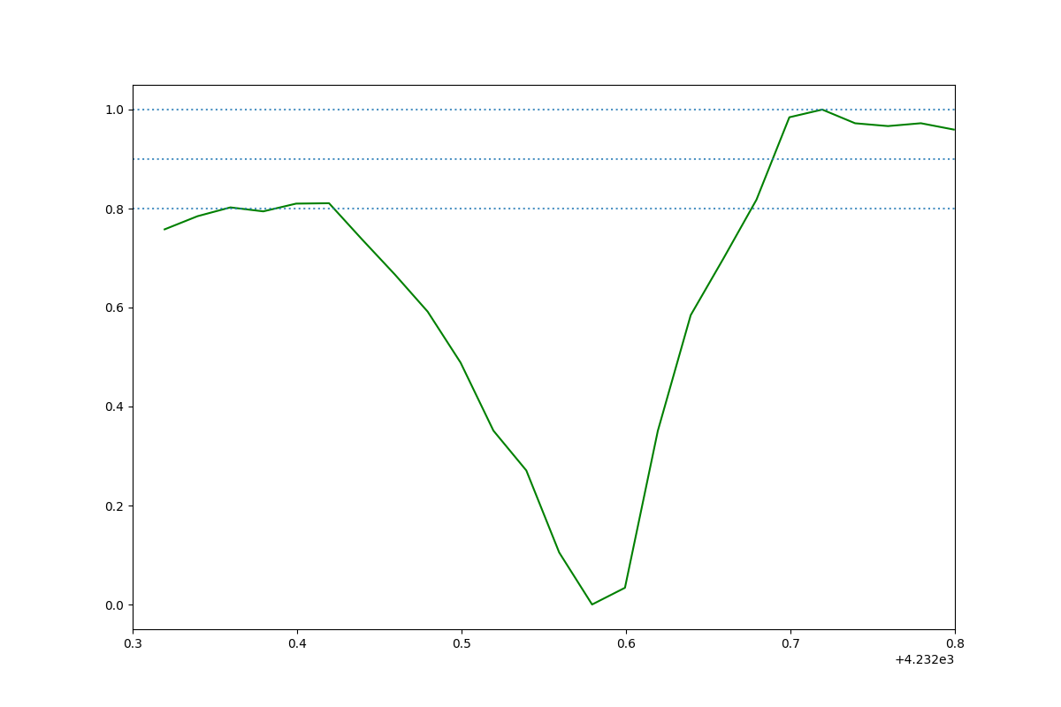 | HD 185418_CH_plus_HD185418_2014-09-23 01:47:43.530000_obs0.png
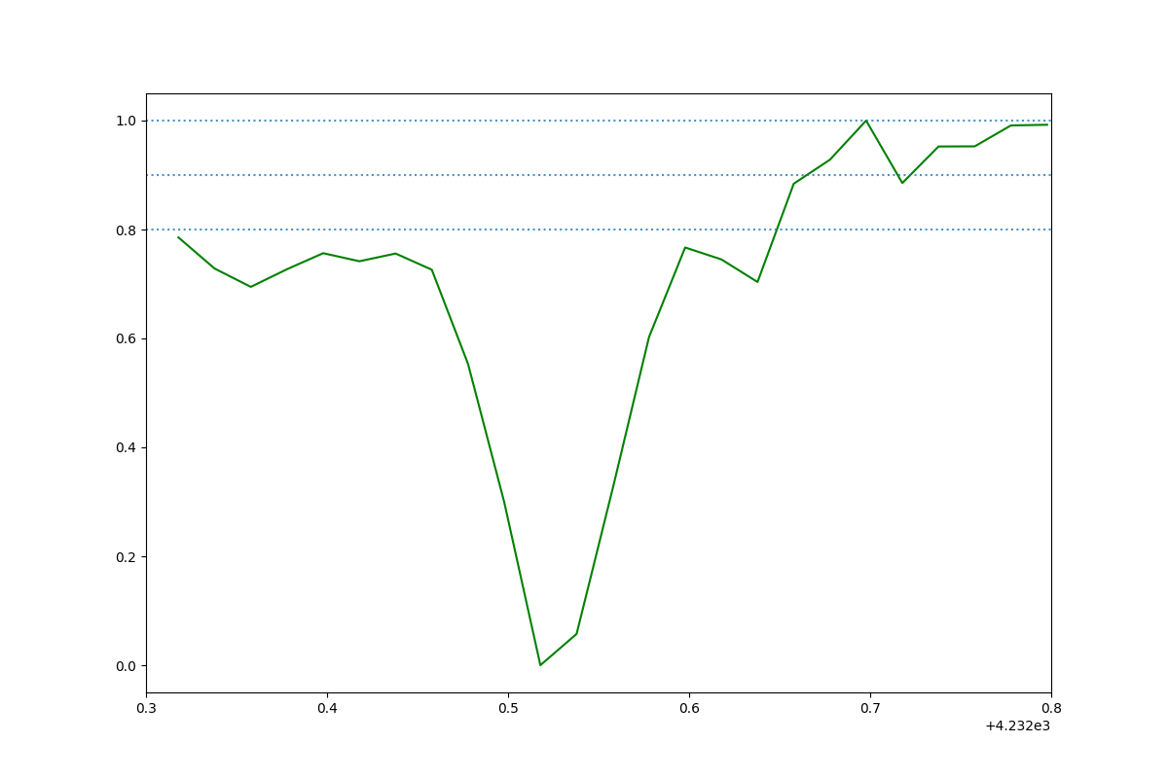 | HD 184915_CH_plus_HD184915_2014-09-20 02:18:53.932000_obs5.png
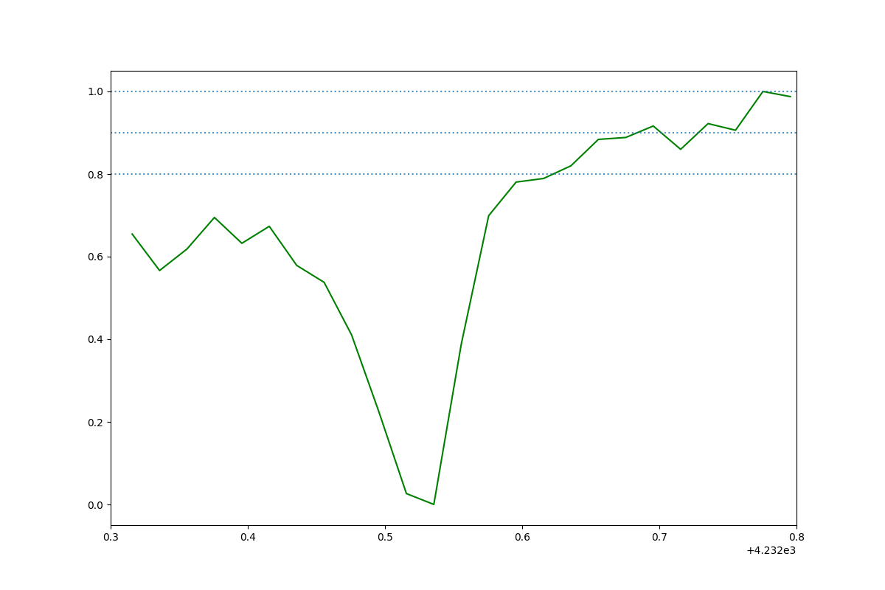 | HD 144470_CH_plus_HD144470_2015-07-20 03:36:05.071000_obs1.png
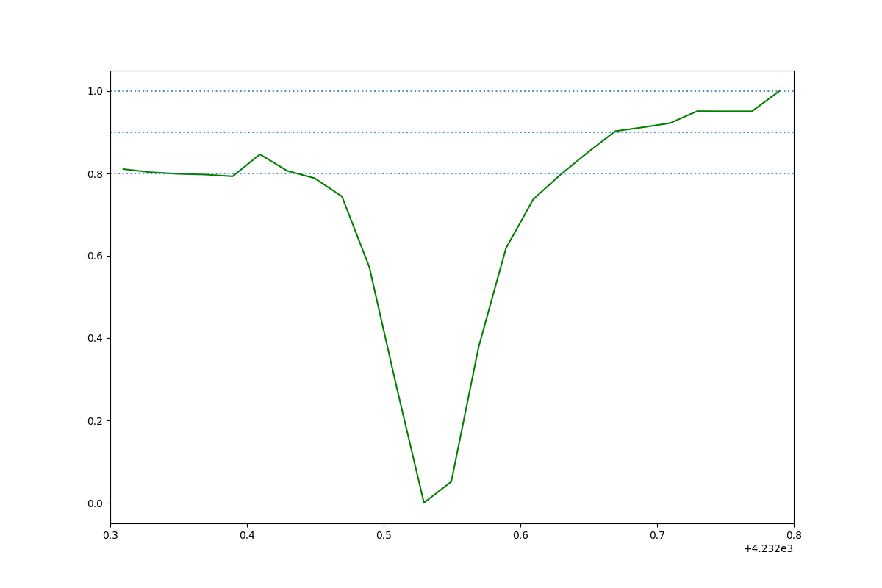 | HD 184915_CH_plus_HD184915_2014-09-20 02:18:53.932000_obs1.png
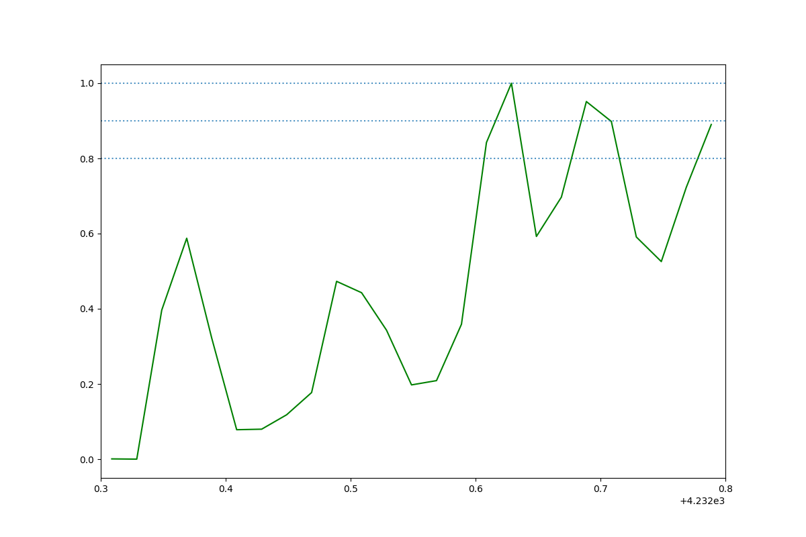 | HD 149757_CH_plus_HD149757_2015-07-20 03:13:24.066000_obs5.png
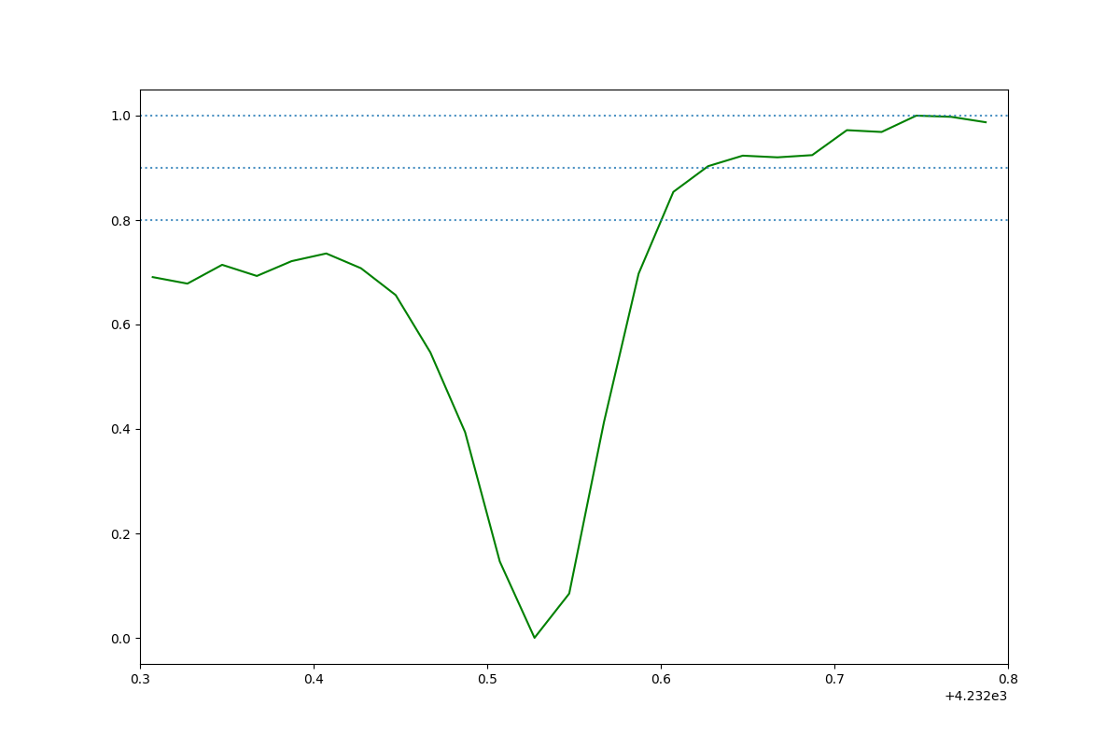 | HD 144470_CH_plus_HD144470_2015-07-20 03:36:05.071000_obs0.png
 | HD 184915_CH_plus_HD184915_2016-06-12 06:01:01.302000_obs4.png
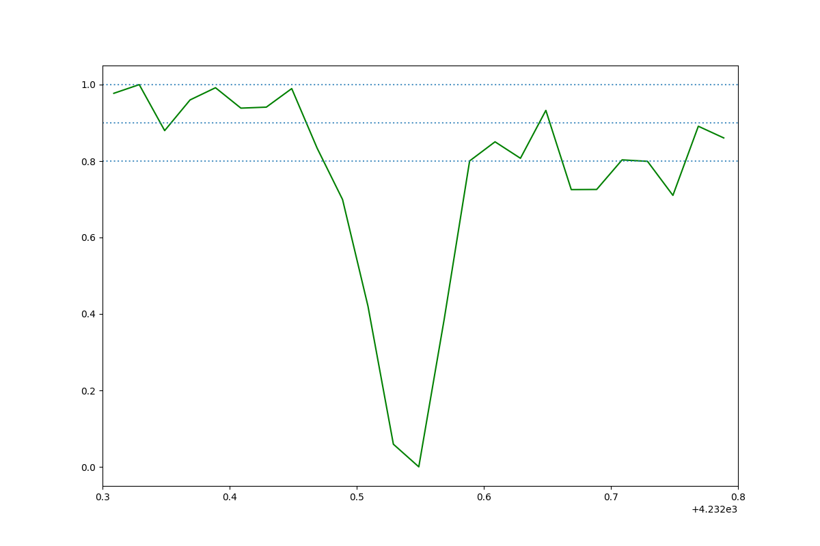 | HD 147165_CH_plus_HD147165_2015-05-31 01:31:01.768000_obs0.png
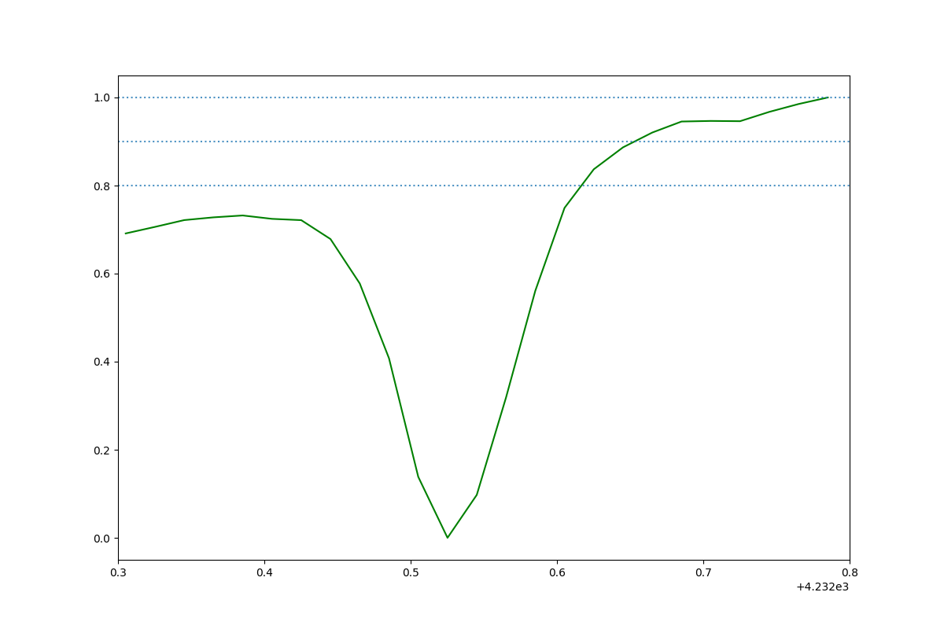 | HD 185859_CH_plus_HD185859_2016-08-13 03:32:39.662000_obs0.png
 | HD 147165_CH_plus_HD147165_2015-05-31 01:31:01.768000_obs1.png

