Usage Guide
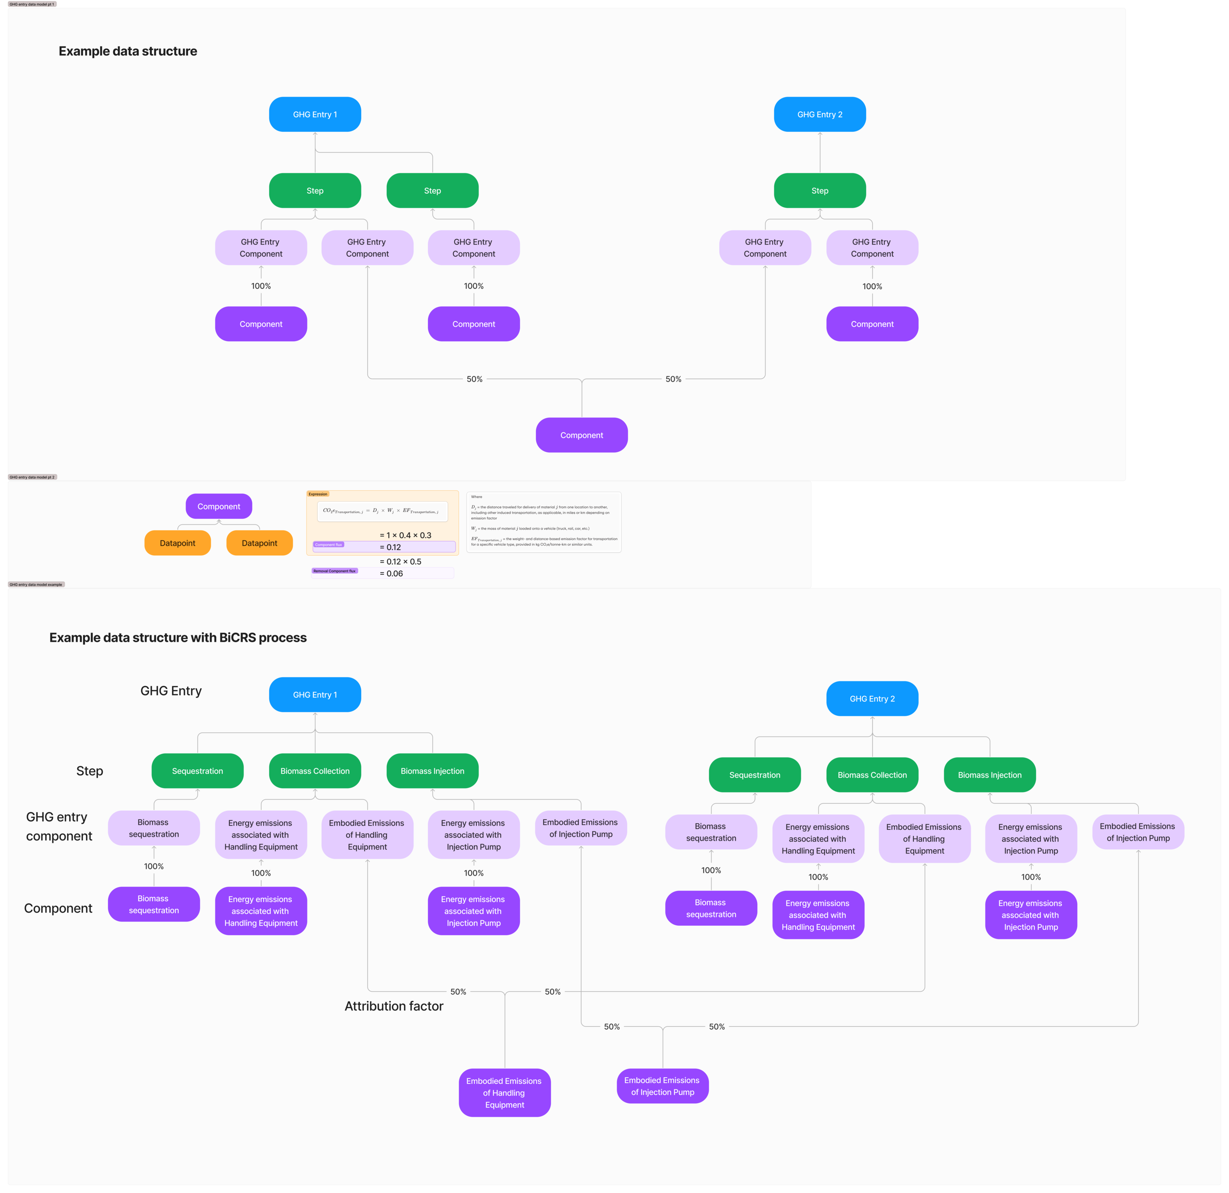
Tab | Tab purpose
Summary | Overall metrics on all the GHG entries in this data download | highlighted columns indicate the primary value for a sheet
GHG Entry | A list of high level metrics for individual GHG entries that are part of this data download
GHG Entry Component | A list of the GHG entry components that are attributed to GHG entries
Component | A list of the components used to create GHG entry components
Expression | A list of the formulae used to calculate components from selected datapoints
Datapoint | All scalar datapoints used as part of expressions in GHG entry quantification
Source | A list of sources evidencing datapoints
List Values | All list datapoints used as part of expressions in GHG entry quantification
Measurement Locations | A list of measurement locations used in datapoints

