Surface Pressure Chart
Surface Injection Pressure Compliance

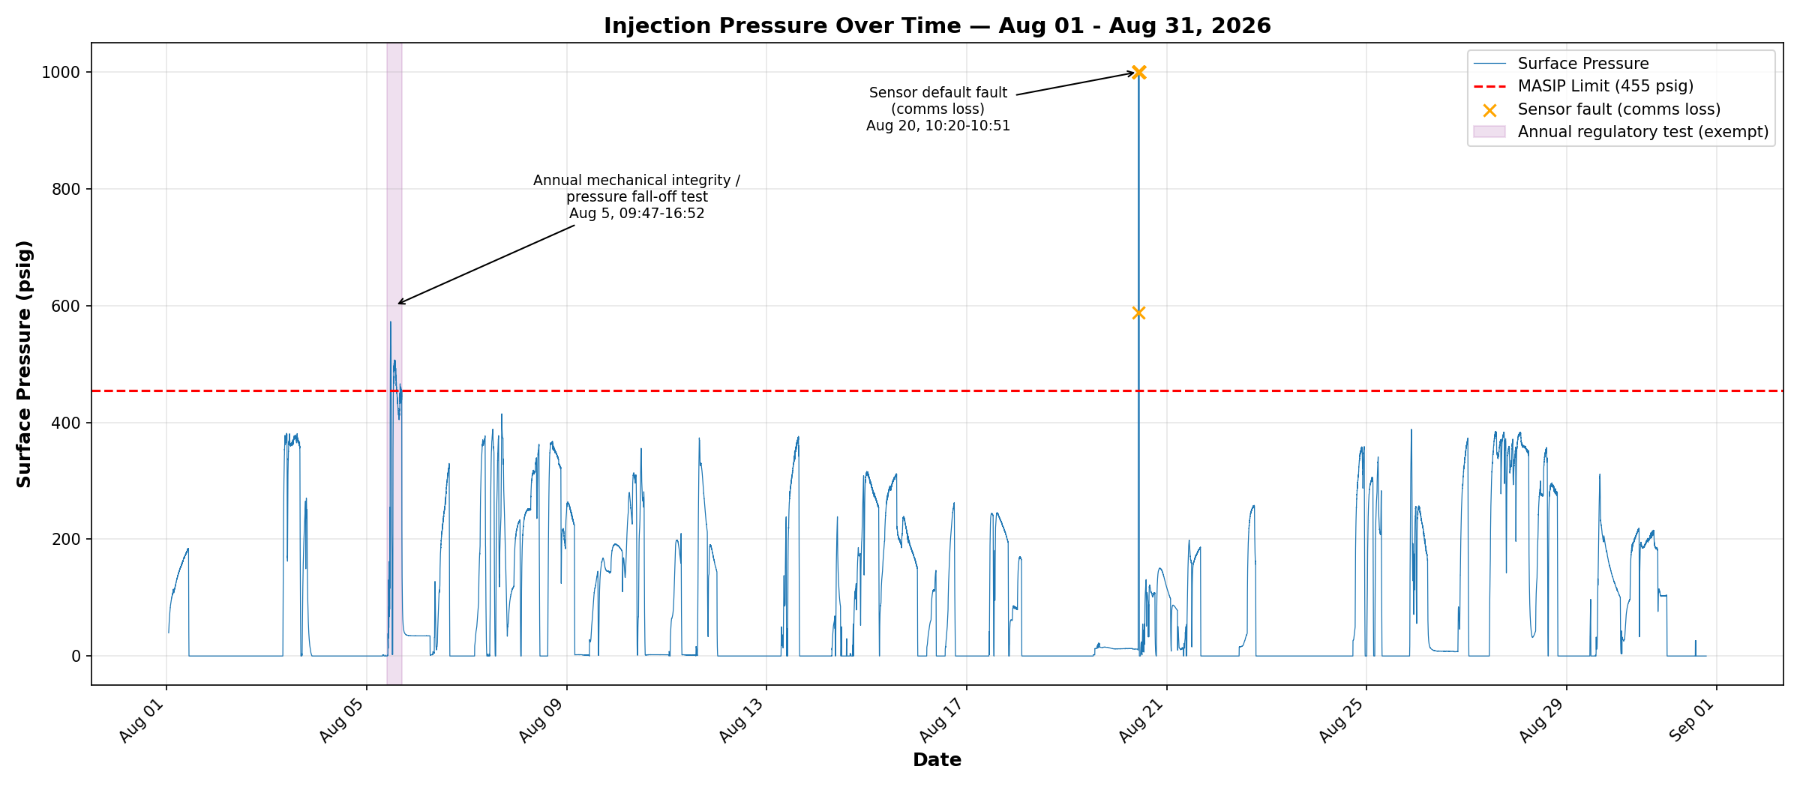

Compliance Reference
Order No. IMD 2025-05 EW, Order Item 4 — Maximum Authorized Surface Injection Pressure (MASIP): 455 psig.

Result Summary
PASS. Routine operation maximum: 414.8 psig, below the 455 psig limit.
One documented departure: Aug 5, 09:47-16:52, surface pressure reached 572.8 psig during the well's annual mechanical integrity test and pressure fall-off test (regulatory-required under Order Item 11). Test completed successfully; well returned to normal operation the same day.
One sensor artifact: Aug 20, 10:20-10:51, surface pressure sensor read a fixed 1000 psig default during a communications dropout. Not a real pressure reading.

Data Range
Data range: Aug 01 - Aug 31, 2026. 44,230 one-minute readings.

Annular Pressure Chart
Tubing-Casing Annular Pressure Compliance

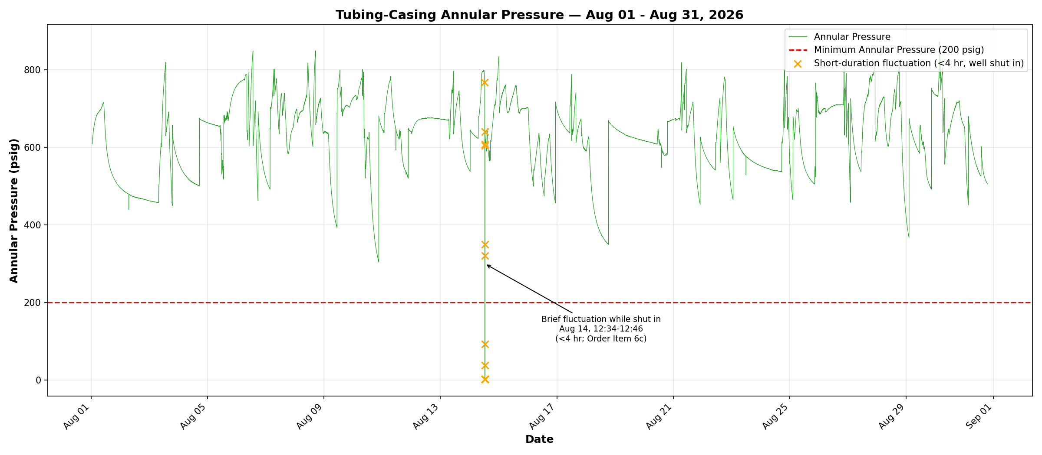

Compliance Reference
Order No. IMD 2025-05 EW, Order Item 6a — Minimum tubing-casing annulus pressure: 200 psig.

Result Summary
PASS. Minimum recorded (outside the noted fluctuation): 304.2 psig, above the 200 psig minimum.
One documented fluctuation: Aug 14, 12:34-12:46, annular pressure briefly fell to 1.6 psig while the well was shut in, then returned to baseline unassisted. Duration was under 4 consecutive hours, exempted by Order Item 6c.

Data Range
Data range: Aug 01 - Aug 31, 2026. 44,230 one-minute readings.

Pressure Differential Chart
Annular-to-Surface Pressure Differential Compliance

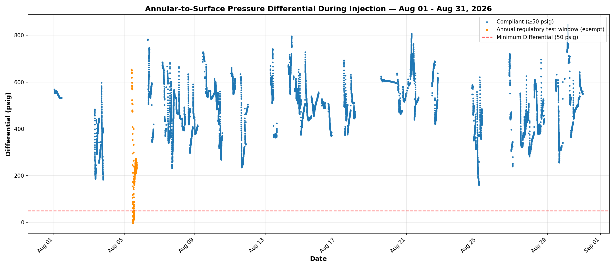

Compliance Reference
Order No. IMD 2025-05 EW, Order Item 6b — During actual injection, tubing-casing annular pressure must be at least 50 psig greater than surface injection pressure.

Result Summary
PASS. Routine operation minimum differential: 159.6 psig, above the 50 psig minimum.
During the Aug 5 annual mechanical integrity / pressure fall-off test, differential briefly fell as low as -4.1 psig. Order Item 6c exempts annular pressure requirements during well or reservoir tests; this window is excluded from the routine compliance result above.

Data Range
Data range: Aug 01 - Aug 31, 2026. 18,131 one-minute readings while injecting.

