Surface Pressure
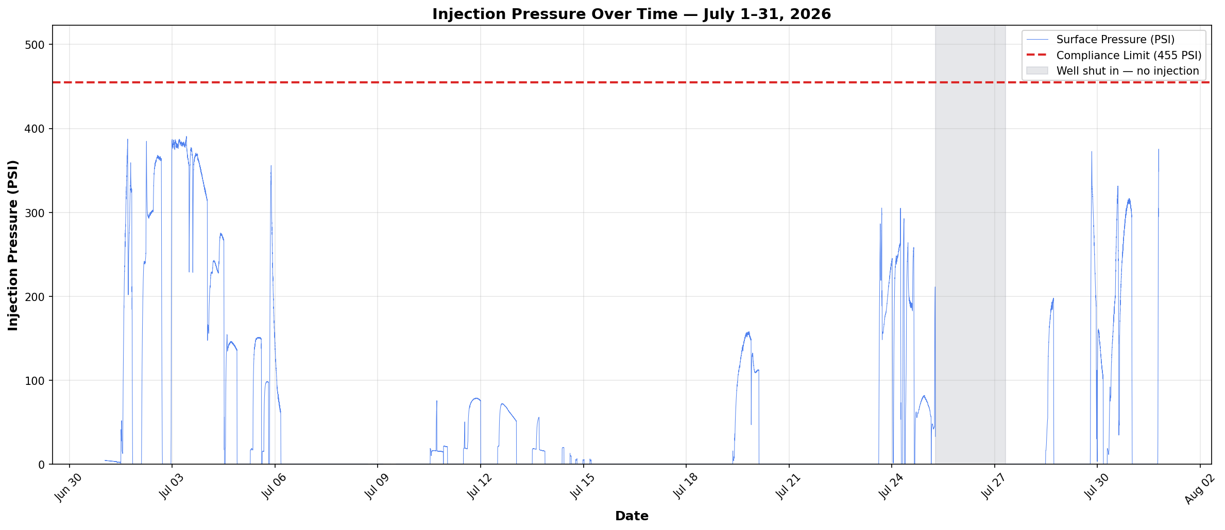

Compliance reference: Order No. IMD 2025-05 EW, Item 4 — Maximum Authorized Surface Injection Pressure (MASIP) 455 psig.
Result: PASS. Maximum surface pressure during active injection: 390.6 psig. No reading exceeded 455 psig.
Data range: July 1–31, 2026 — 40,565 readings at 1-minute intervals (CDT).

Annular Pressure
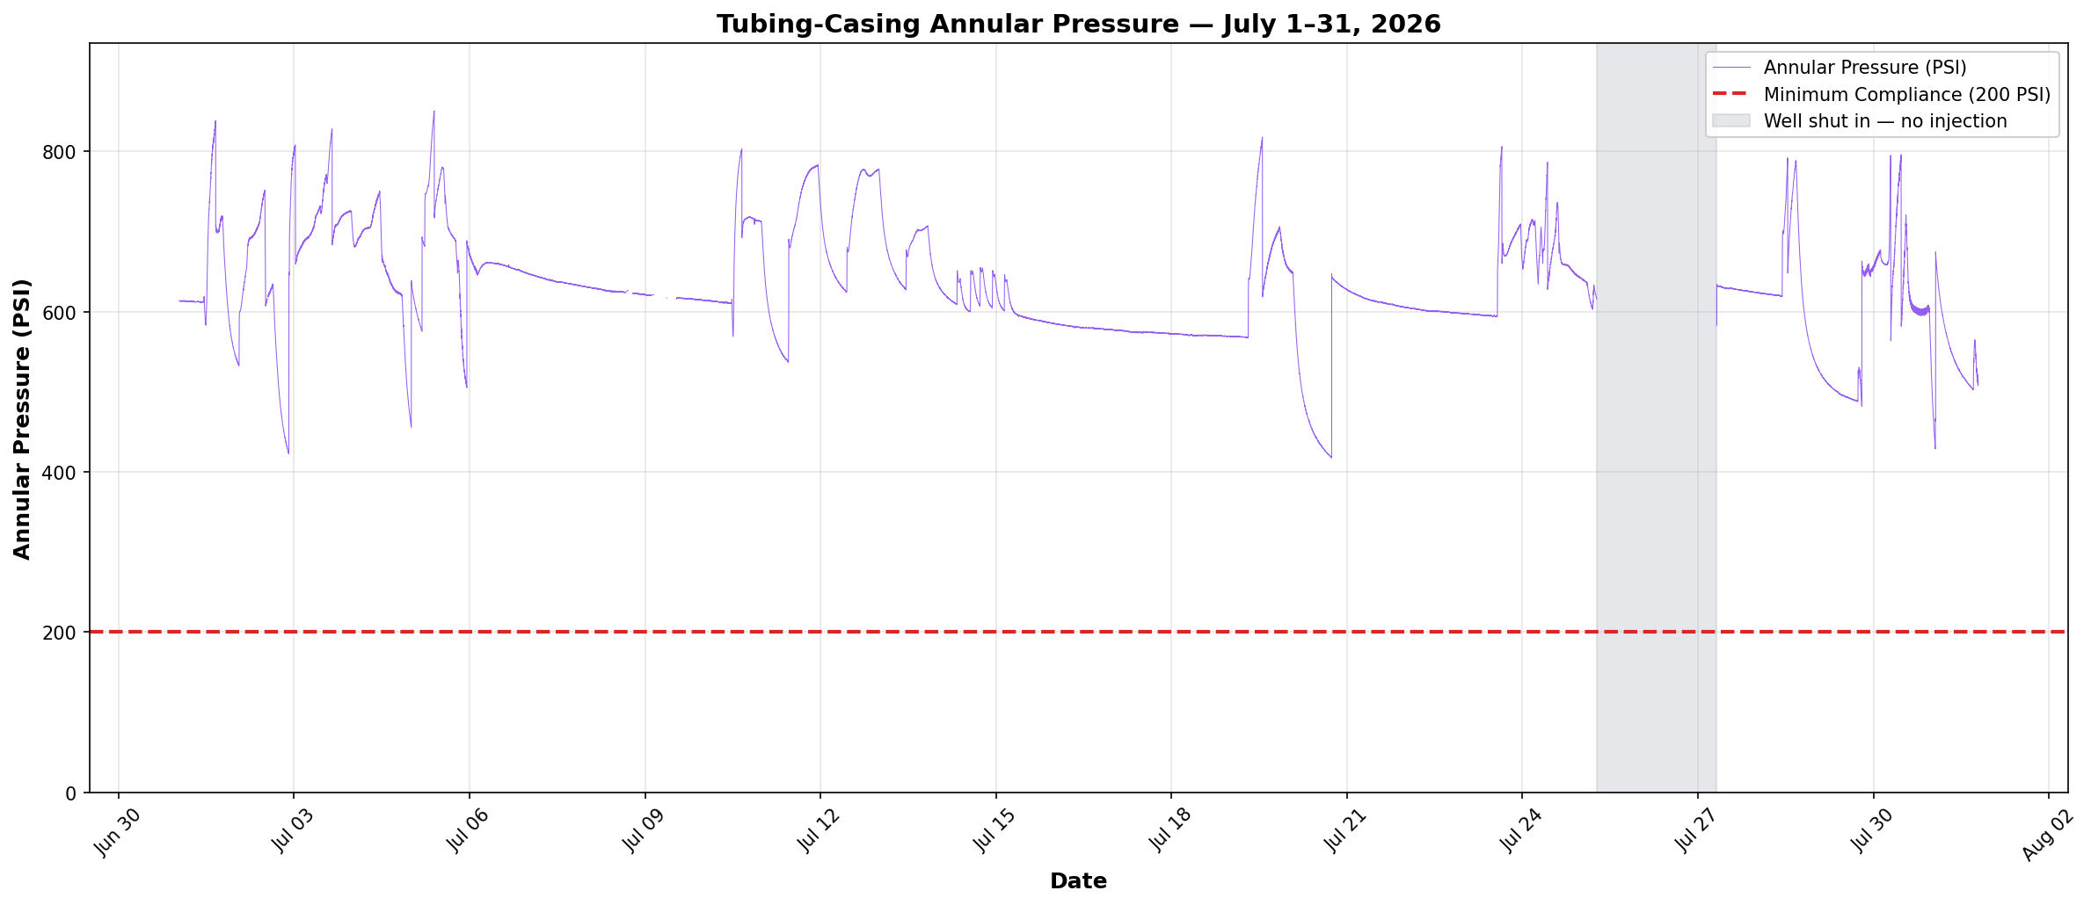

Compliance reference: Order No. IMD 2025-05 EW, Item 6 — minimum tubing-casing annulus pressure 200 psig at all times.
Result: PASS. Minimum annular pressure recorded: 417.6 psig. No reading fell below 200 psig.
Data range: July 1–31, 2026 — 40,565 readings at 1-minute intervals (CDT).

Pressure Differential
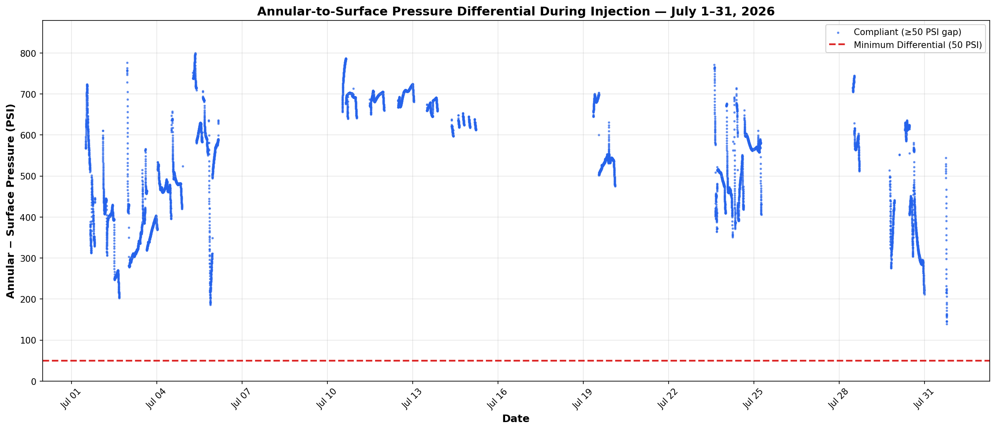

Compliance reference: Order No. IMD 2025-05 EW, Item 6 — during injection, annular pressure must be at least 50 psig above the actual operating surface injection pressure.
Result: PASS. Minimum differential during active injection: 139.1 psig. No reading fell below 50 psig.
Calculated as annular pressure minus surface injection pressure across 13,135 minutes (218.9 hours) of active injection.

