Surface Pressure
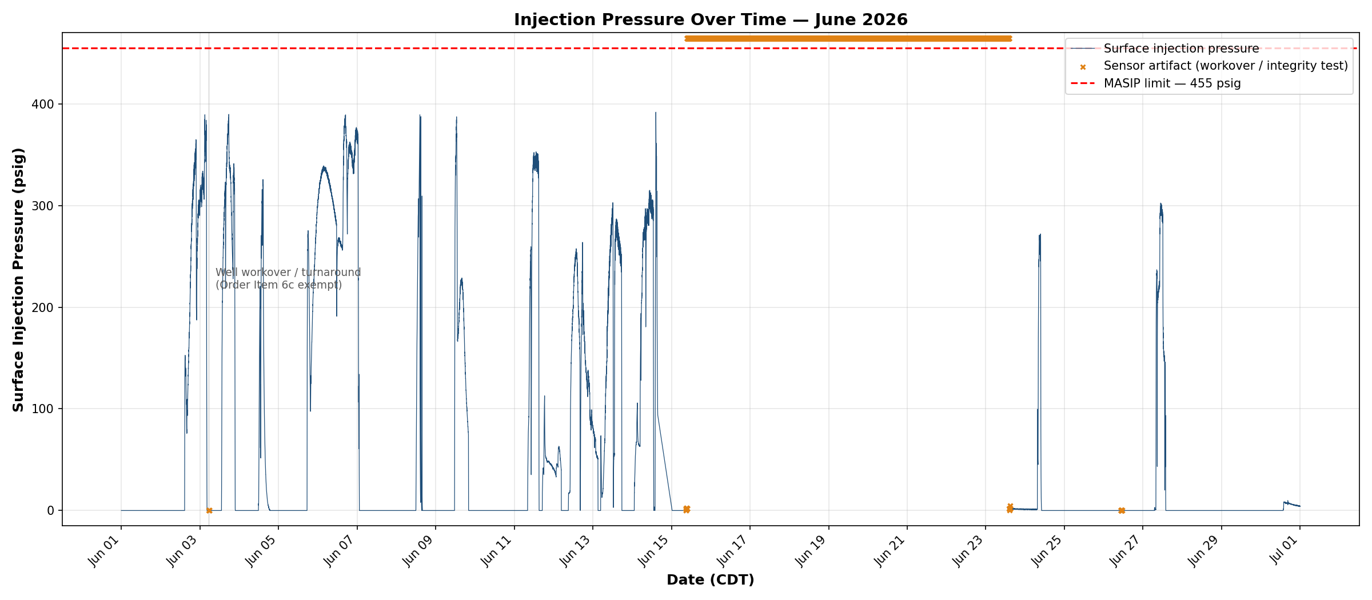

Compliance reference: Order No. IMD 2025-05 EW, Item 4 — Maximum Authorized Surface Injection Pressure (MASIP) 455 psig.
Result: PASS. Maximum surface pressure during active injection: 391.7 psig. No valid reading exceeded 455 psig.
Readings of 1000 psig during the June 15–23 well workover and the June 26 mechanical integrity test are transmitter-rail artifacts (not actual pressures) and are excluded under Order Item 6c.
Data range: June 1–30, 2026 — 43,199 readings at 1-minute intervals (CDT).

Annular Pressure
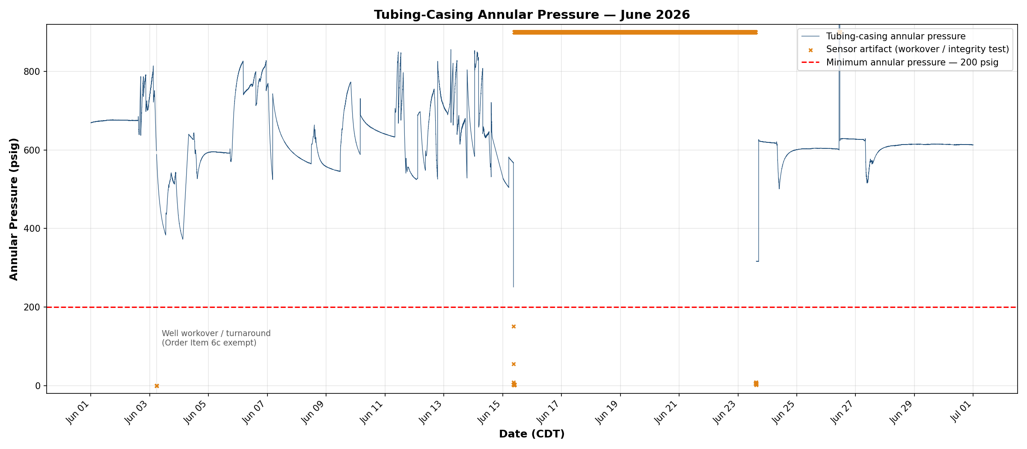

Compliance reference: Order No. IMD 2025-05 EW, Item 6 — minimum tubing-casing annular pressure 200 psig at all times.
Result: PASS. Minimum valid annular pressure: 251.0 psig. No valid reading fell below 200 psig.
Below-limit and 1000 psig readings occur only during the June 15–23 workover, the June 26 integrity test, and a brief June 3 sensor dropout — all sensor artifacts, excluded under Order Item 6c.
Data range: June 1–30, 2026 — 43,199 readings at 1-minute intervals (CDT).

Pressure Differential
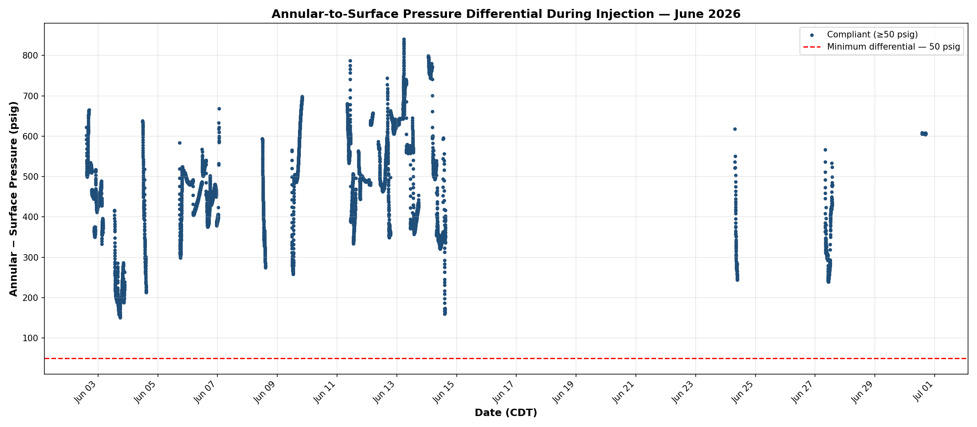

Compliance reference: Order No. IMD 2025-05 EW, Item 6 — annular pressure must be ≥50 psig above surface injection pressure during active injection.
Result: PASS. Minimum differential during active injection: 150.7 psig. No reading below 50 psig.
Includes only active-injection readings (bio-oil injection rate > 0.5 GPM): 8,241 minutes (137.4 hours).

