Surface Pressure
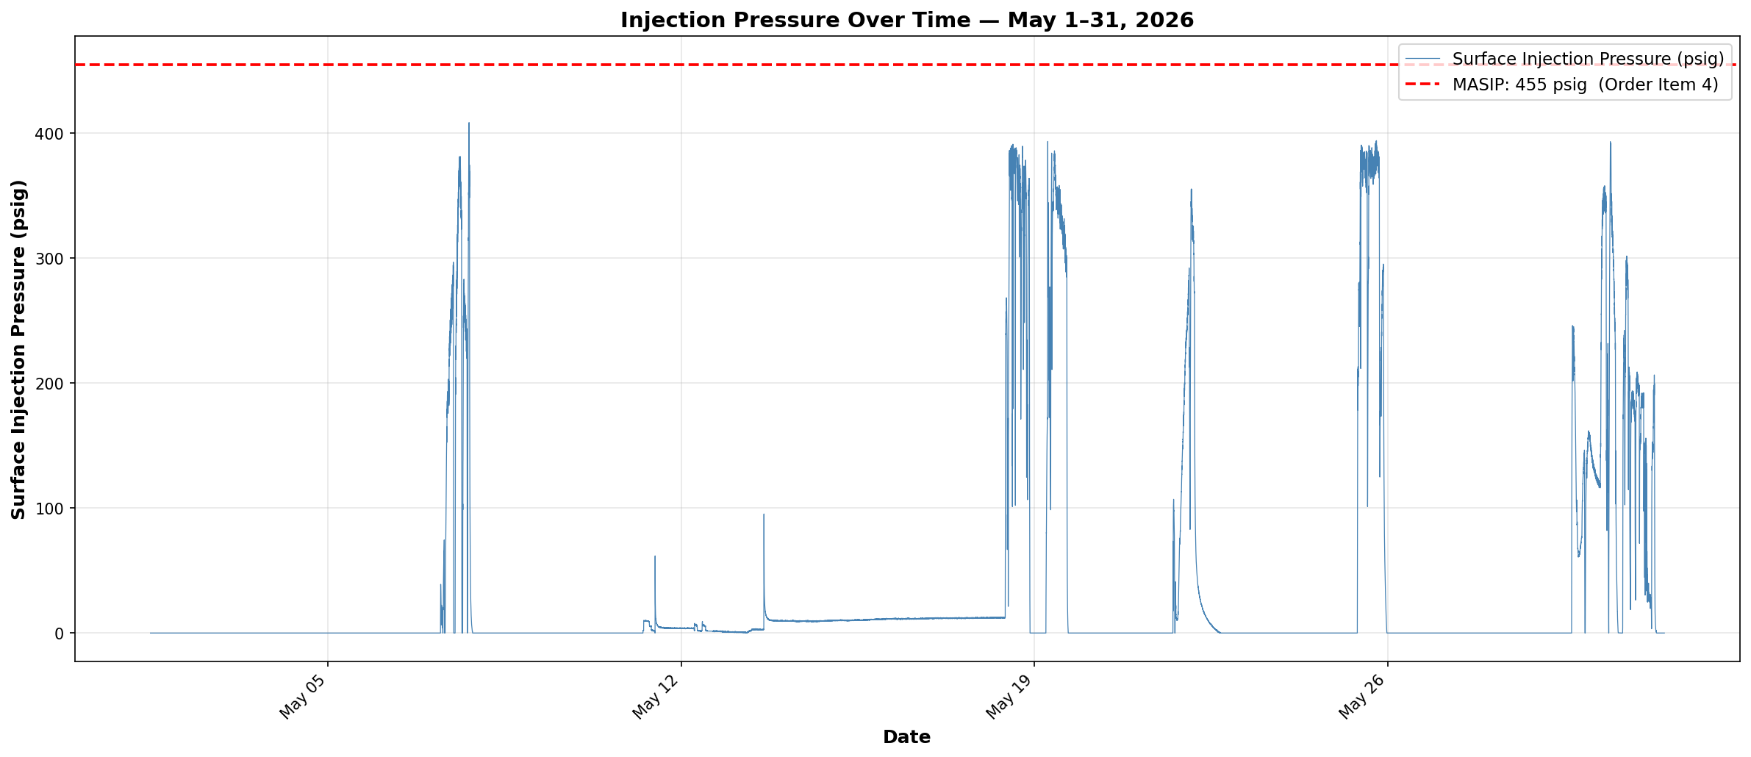

Compliance Reference: Order Item 4 — Maximum Authorized Surface Injection Pressure (MASIP): 455 psig
Result: PASS — No readings exceeded 455 psig. Maximum recorded: 408.5 psig.
Data range: May 1–31, 2026 | Total data points: 43,201
Note: Surface pressure = 0 during portions of the injection period is expected behavior (negative native formation pressure). See Notes tab.

Annular Pressure
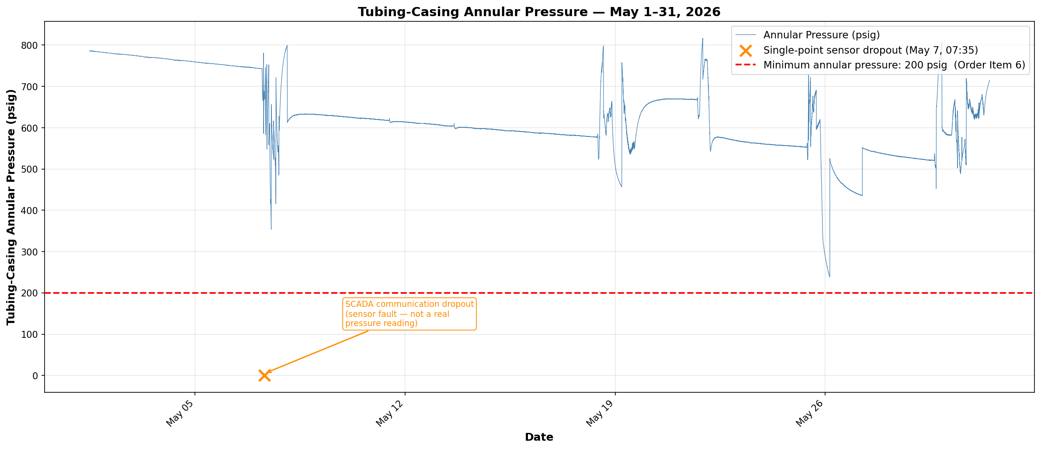

Compliance Reference: Order Item 6 — Minimum tubing-casing annulus pressure: 200 psig at all times.
Result: PASS — One single-point sensor dropout (May 7, 07:35) recorded 0 psig; identified as a SCADA communication fault,
not a real pressure event. Surrounding readings were normal (>660 psig). Well mechanical integrity was not determined
to be lacking; Order Item 6c exemption applies. No real exceedances recorded.
Minimum non-anomalous reading: 238.1 psig. | Data range: May 1–31, 2026 | Total points: 43,201

Pressure Differential
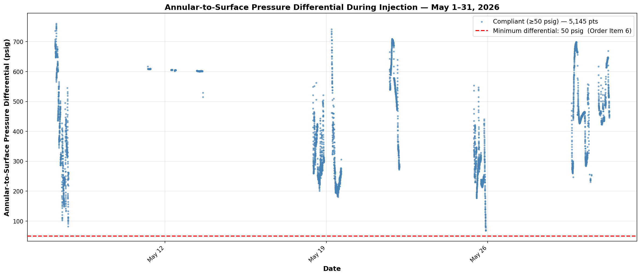

Compliance Reference: Order Item 6 — Annular pressure must remain ≥50 psig above operating surface injection pressure during active injection.
Result: PASS — No readings fell below the 50 psig minimum differential. Minimum recorded: 67.5 psig.
Injection points plotted: 5,145 (rows where Injection Rate >0.5 GPM). | Data range: May 1–31, 2026

