Surface Pressure Chart
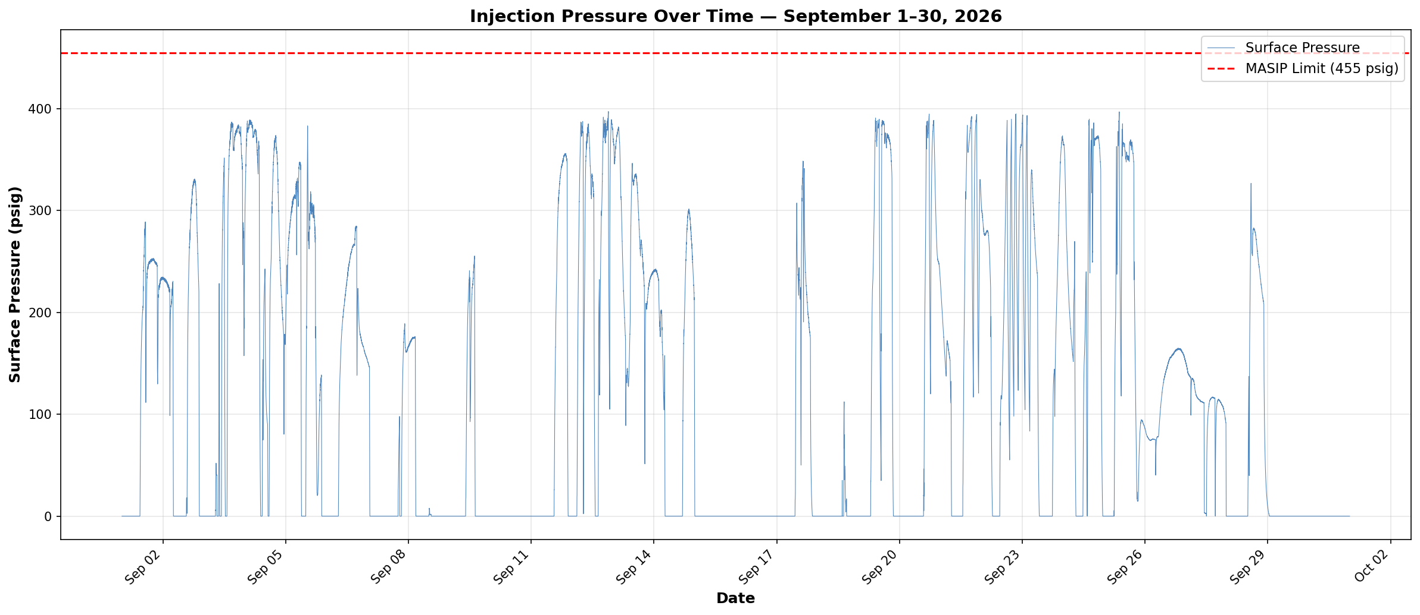

Compliance Reference | Order No. IMD 2025-05 EW, Item 4 — Maximum Authorized Surface Injection Pressure (MASIP): 455 psig
Result | PASS — Recorded range: 0.0 to 397.2 psig
Data | September 1–30, 2026 — 43,150 data points

Annular Pressure Chart
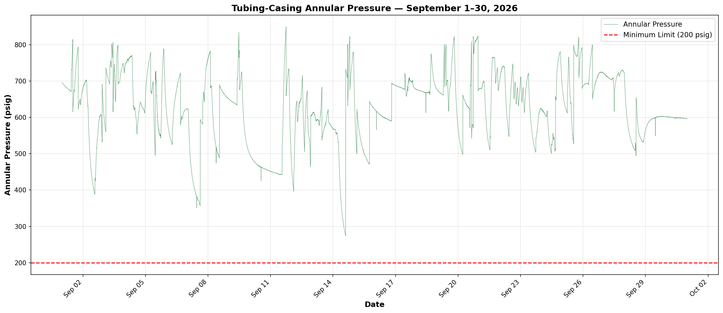

Compliance Reference | Order No. IMD 2025-05 EW, Item 6 — Minimum tubing-casing annulus pressure: 200 psig
Result | PASS — Recorded range: 273.8 to 849.8 psig
Data | September 1–30, 2026 — 43,150 data points

Pressure Differential Chart
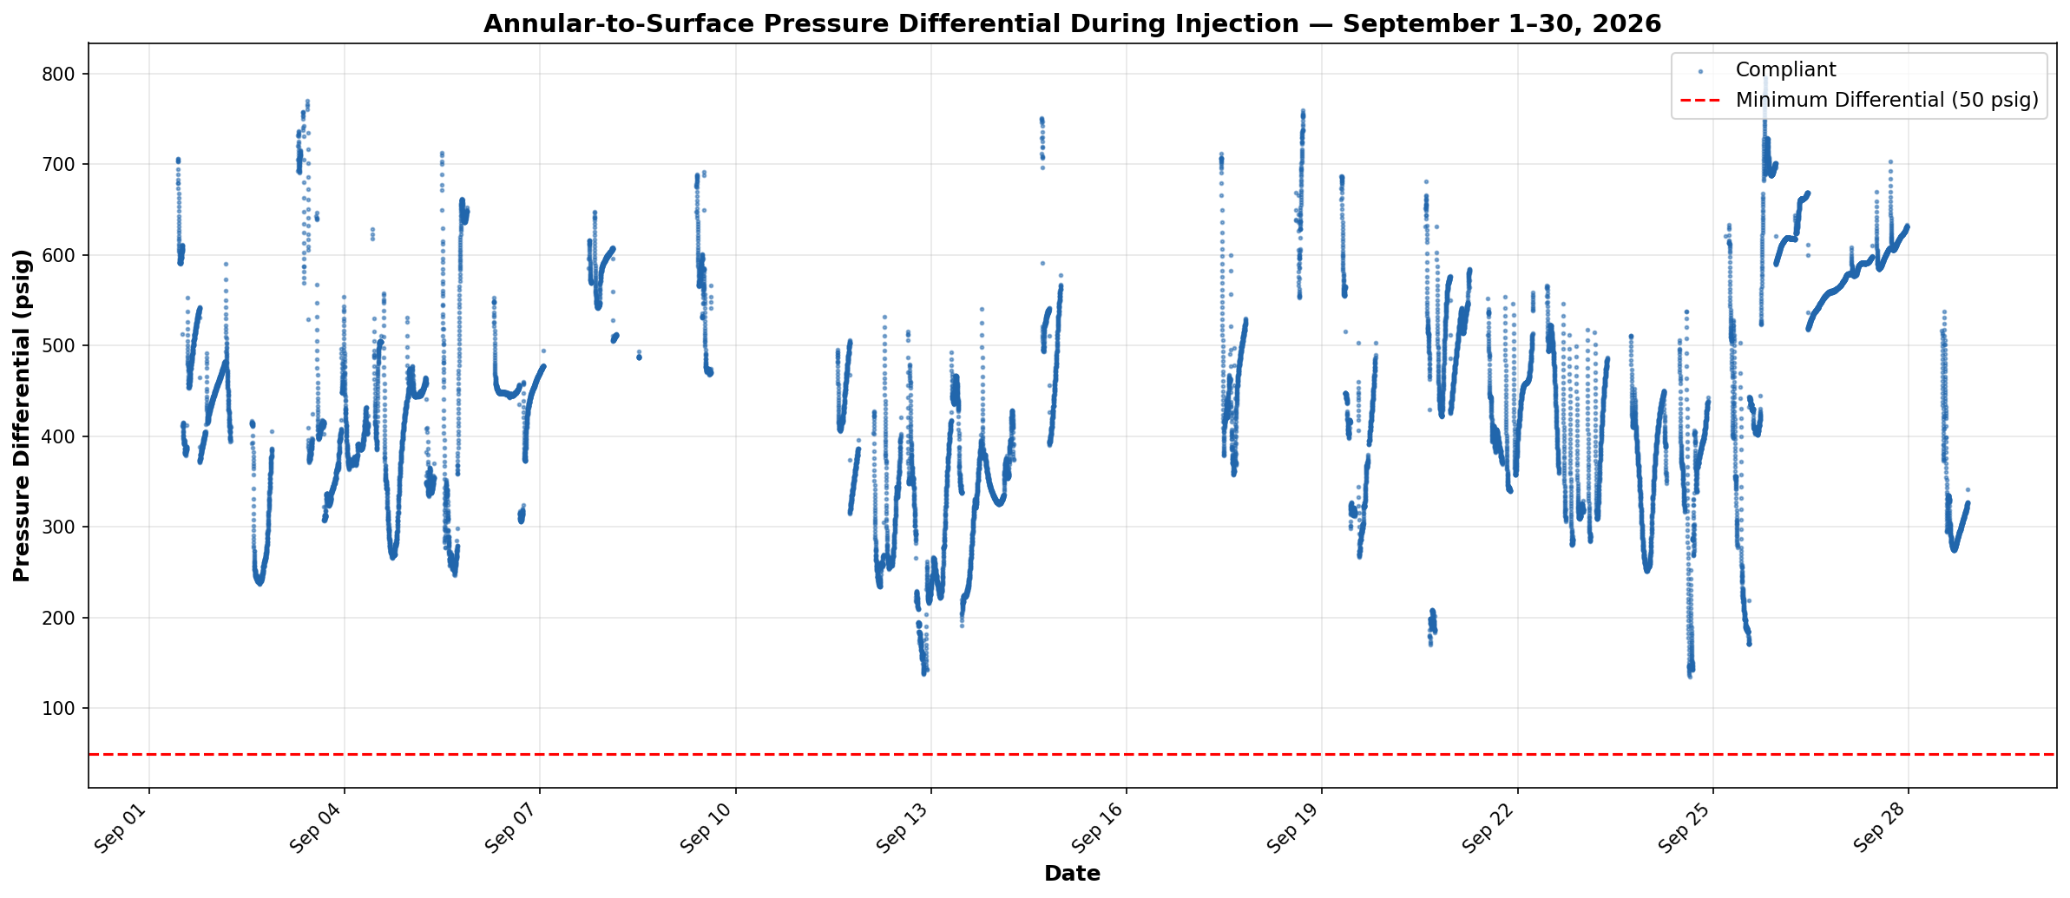

Compliance Reference | Order No. IMD 2025-05 EW, Item 6 — Minimum annular-to-surface differential during injection: 50 psig
Result | PASS — Recorded range: 135.2 to 796.6 psig
Data | September 1–30, 2026 — 20,006 injection data points

