Diesel fuel
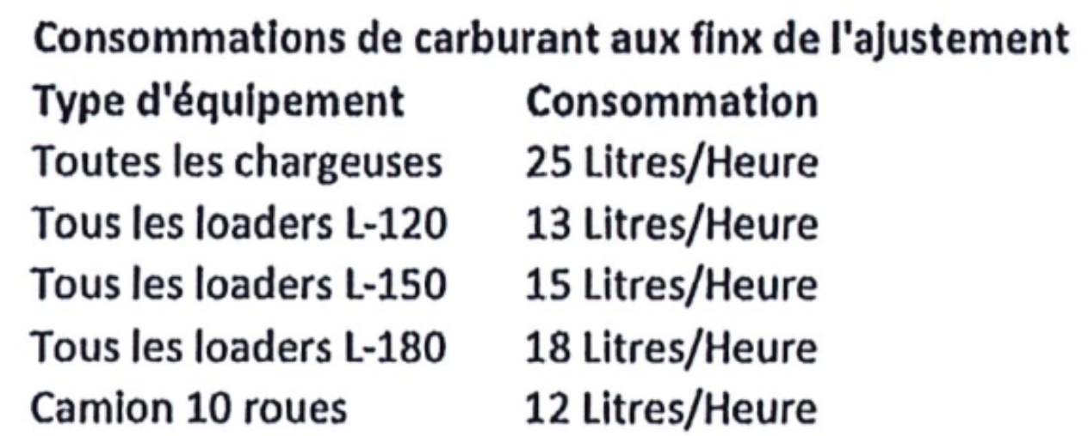
Justification for diesel consumption

 | Total for the period

 |  | Jan-25 | Février 2025 | Mars 2025 | Avril 2025 | Mai 2025 | Juin 2025 | Juillet 2025 | Août 2025 | Septembre 2025 | Octobre 2025 | Novembre 2025 | Décembre 2025 | Jan-26 | Feb-26 | Mar-26 | Apr-26 | May-26 | Jun-26
 | Semaines finissant le >>>> | 28Déc; 4Jan;11Jan;18Jan;25Jan | 1Fév; 8Fév; 15Fév; 22Fév | 1mar; 8mar; 15mar; 22mar | 29mar;5avr; 12avri; 19avr | 26avr; 3mai; 10mai; 17mai; 24mai | 31mai; 7juin; 14juin; 21juin; 28juin | 5juil; 12juil; 19juil; 26juil | 2août; 9août; 16août; 23août; 30août | 6sep; 13sep; 20sep; 27sep | 4oct; 11oct; 18oct; 25oct; 1nov | 8nov; 15nov; 22nov; 29nov | 6déc; 13déc; 20déc; 27déc; 3jan | 10Jan; 17Jan; 24Jan; 31Jan | 7Feb;14Feb; 21Feb; 28Feb | 7Mar; 14Mar; 21Mar; 28Mar | 4Apr; 11Apr; 18Apr; 25 Apr; 2May | 9May; 16May; 23May; 30May | 6Jun; 13Jun; 20Jun; 27Jun

 | Alimentation de l'usine de préparation de la biomasse (UPB) et de la trémie du séchoir d'AECN
 | Heures d'opération du loader L120 | 38 | 7 | 1 |  |  |  | 0 | 25.5
 | Heures d'opération du loader L150 | 500 | 457 | 535 | 534 | 570 | 545 | 406 | 478.5 | 442 | 282 | 18 | 406 | 621 | 504 | 599.5 | 736 | 610 | 541.5
 | Heures d'opération du loader L180 |  |  |  |  |  |  | 0
 | Consommation totale de diesel (litres) | 7,994 | 6,946 | 8,038 | 8,010 | 8,550 | 8,175 | 6,090 | 7,509 | 6,630 | 4,230 | 270 | 6,090 | 9,315 | 7,560 | 8,993 | 11,040 | 9,150 | 8,123

 | Autre
 | Heures d'opération de la pelle #3407 |  | 22 | 5.5 |  | 16.25 | 7 |  | 2 |  | 4 |  |  | 9.25 | 17 | 19 | 17.5 | 41.5
 | Heures d'opération de la pelle #3737 |  |  |  |  |  |  |  |  |  | 1 |  |  |  |  |  |  | 10
 | Heures d'opération de la pelle KX41
 | Heures d'opération du tracteur |  |  | 1 |  |  |  |  |  | 1.5
 | Heures d'opération du loader L110 |  |  |  |  |  |  | 3.75 |  |  |  |  | 0.5 | 49 | 40 | 7.75 | 50.75 | 12.25 | 12
 | Heures d'opération du loader L120 |  | 0 | 5 |  | 0.25 | 5.75 | 1 | 22 | 0.5 | 1.5 |  |  |  | 10 | 8.75 | 21.25 | 10.25 | 4.25
 | Heures d'opération du loader L150 |  | 2 | 1.5 | 9 |  | 6.75 | 1.5 |  |  | 4.25 |  |  |  | 2.5 |  |  |  | 9.5
 | Heures d'opération du loader L180
 | Heures d'opération du sableur | 3 | 1 | 3 | 1.5 |  |  |  |  |  |  | 1 | 4.75 | 2.75 | 1.5 | 4.25 | 1
 | Heures d'opération des chargeuses 356-3878-3907-2072 |  |  |  |  |  | 1
 | Heures d'opération du tracteur D6N de Pel-Sim
 | Consommation totale de diesel (litres) | 75 | 605 | 325 | 173 | 410 | 376 | 84 | 336 | 44 | 208 | 25 | 125 | 937 | 1,150 | 796 | 1,399 | 1,580 | 354

 | Consommation totale de diesel (litres) | 8,069 | 7,551 | 8,363 | 8,183 | 8,960 | 8,551 | 6,174 | 7,845 | 6,674 | 4,438 | 295 | 6,215 | 10,252 | 8,710 | 9,788 | 12,439 | 10,730 | 8,476

