Surface Pressure Chart
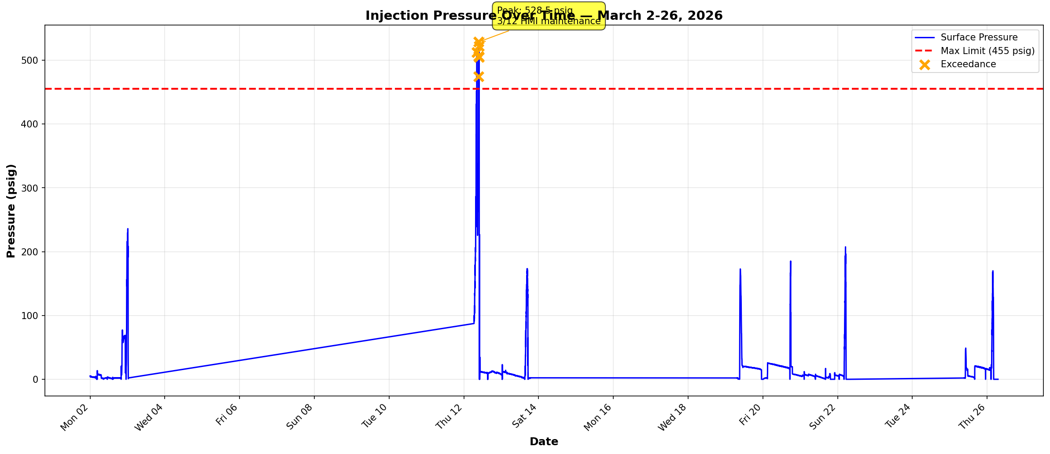

Compliance Reference:
Order No. IMD 2025-05 EW, Item 4: Maximum Authorized Surface Injection Pressure (MASIP) = 455 psig

Result Summary:
FLAG - 6 exceedances detected on 2026-03-12 during HMI maintenance window (NOT actual violations)
Min: 0.0 psig | Max: 528.5 psig
Data points: 5422 | Date range: 3/2-3/26/2026

Annular Pressure Chart
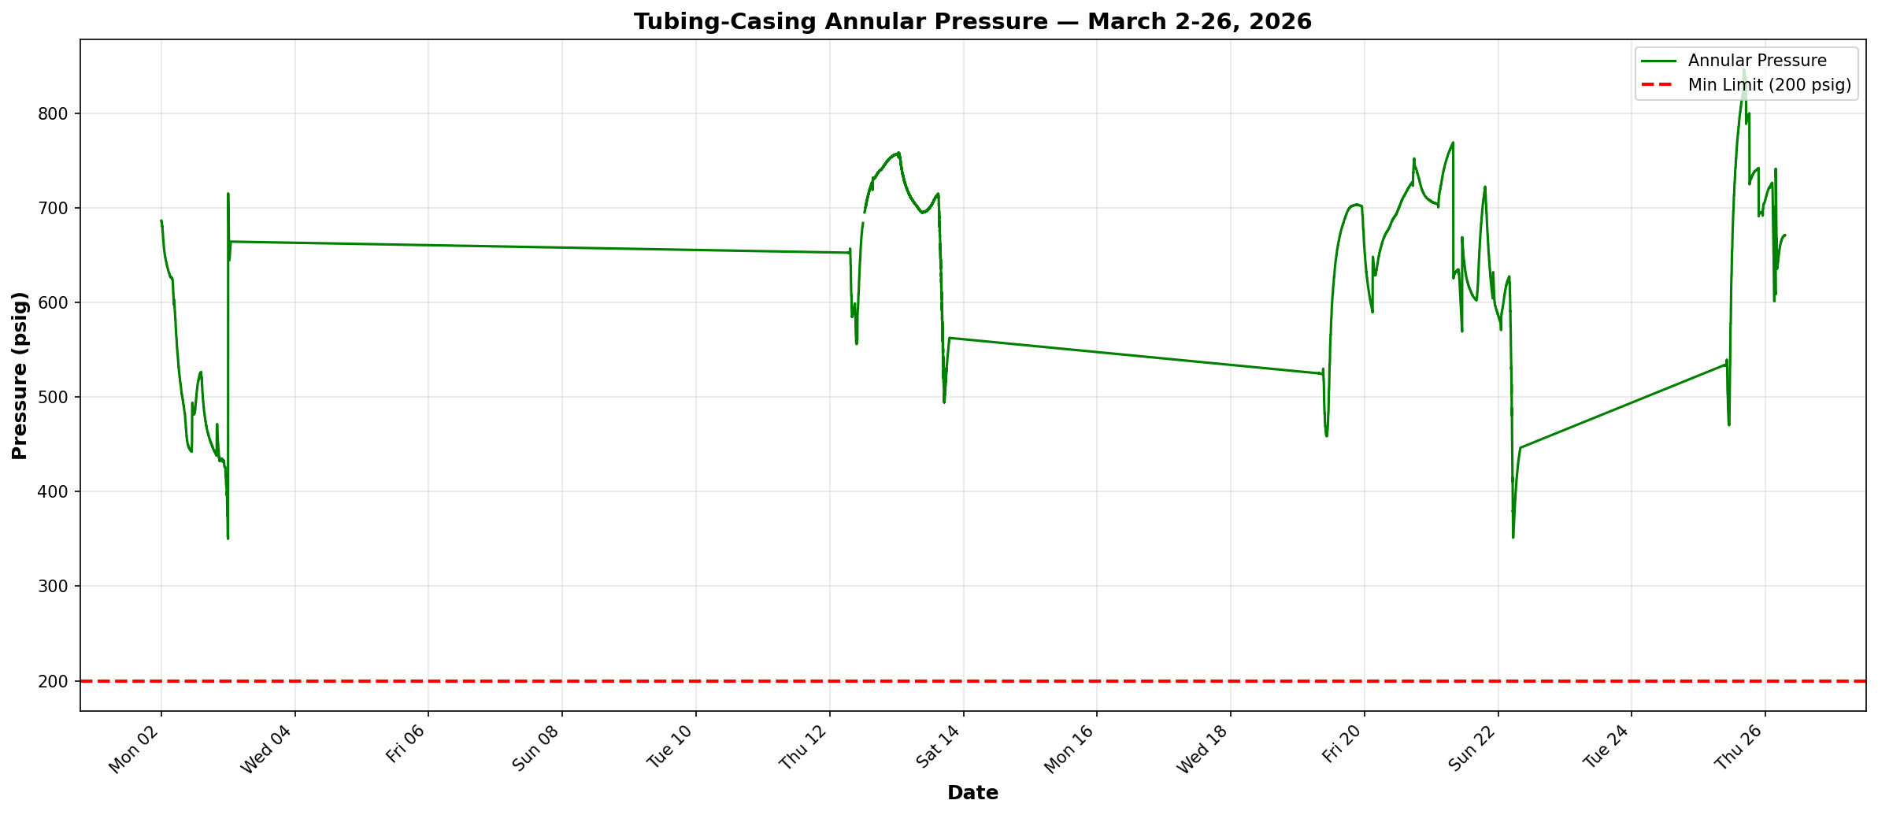

Compliance Reference:
Order No. IMD 2025-05 EW, Item 6: Minimum tubing-casing annulus pressure = 200 psig

Result Summary:
PASS - All pressures maintained above 200 psig minimum
Min: 350.0 psig | Max: 846.0 psig
Data points: 5422 | Date range: 3/2-3/26/2026

Pressure Differential Chart
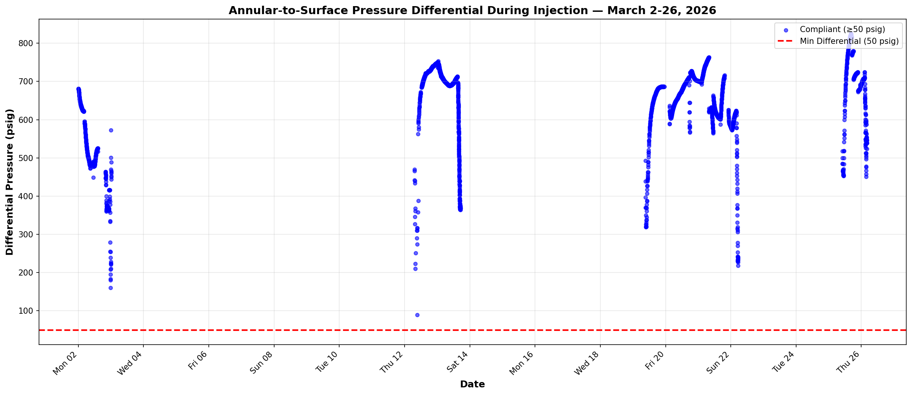

Compliance Reference:
Order No. IMD 2025-05 EW, Item 6: Annular pressure must exceed surface pressure by minimum 50 psig during injection

Result Summary:
PASS - All injection events maintain differential ≥50 psig
Min differential: 89.2 psig | Max: 825.0 psig
Injection event data points: 4504 | Date range: 3/2-3/26/2026

