Surface Pressure Chart
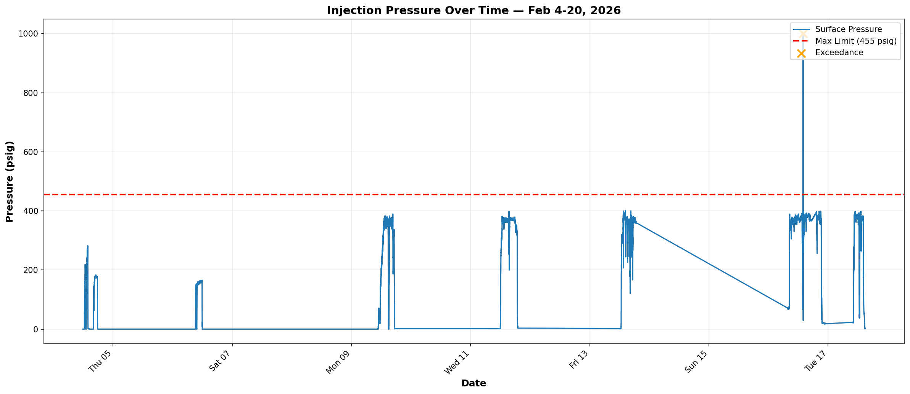

COMPLIANCE REFERENCE
Permit: Order No. IMD 2025-05 EW, Order Item 4
Limit: Maximum Authorized Surface Injection Pressure (MASIP) = 455 psig

RESULT SUMMARY
Status: 6 exceedances detected (Feb 4-20, 2026)
Min recorded: 0.0 psig | Max recorded: 745.9 psig
Data points: 4,195

NOTES
Six surface pressure readings exceed 455 psig. These readings require operator confirmation to verify root cause. Possible causes include sensor errors, maintenance windows, or HMI work. Surface pressure = 0 during active injection is expected behavior (negative native pressure).

Annular Pressure Chart
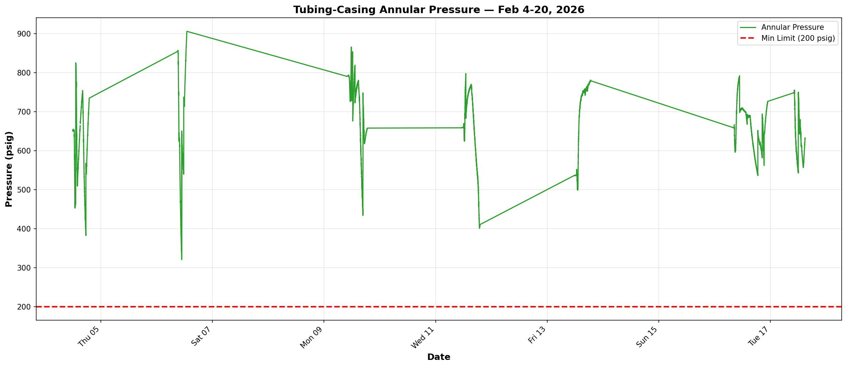

COMPLIANCE REFERENCE
Permit: Order No. IMD 2025-05 EW, Order Item 6
Limit: Minimum tubing-casing annulus pressure = 200 psig

RESULT SUMMARY
Status: PASS — No excursions below minimum
Min recorded: 191.1 psig | Max recorded: 297.2 psig
Data points: 4,195

Pressure Differential Chart
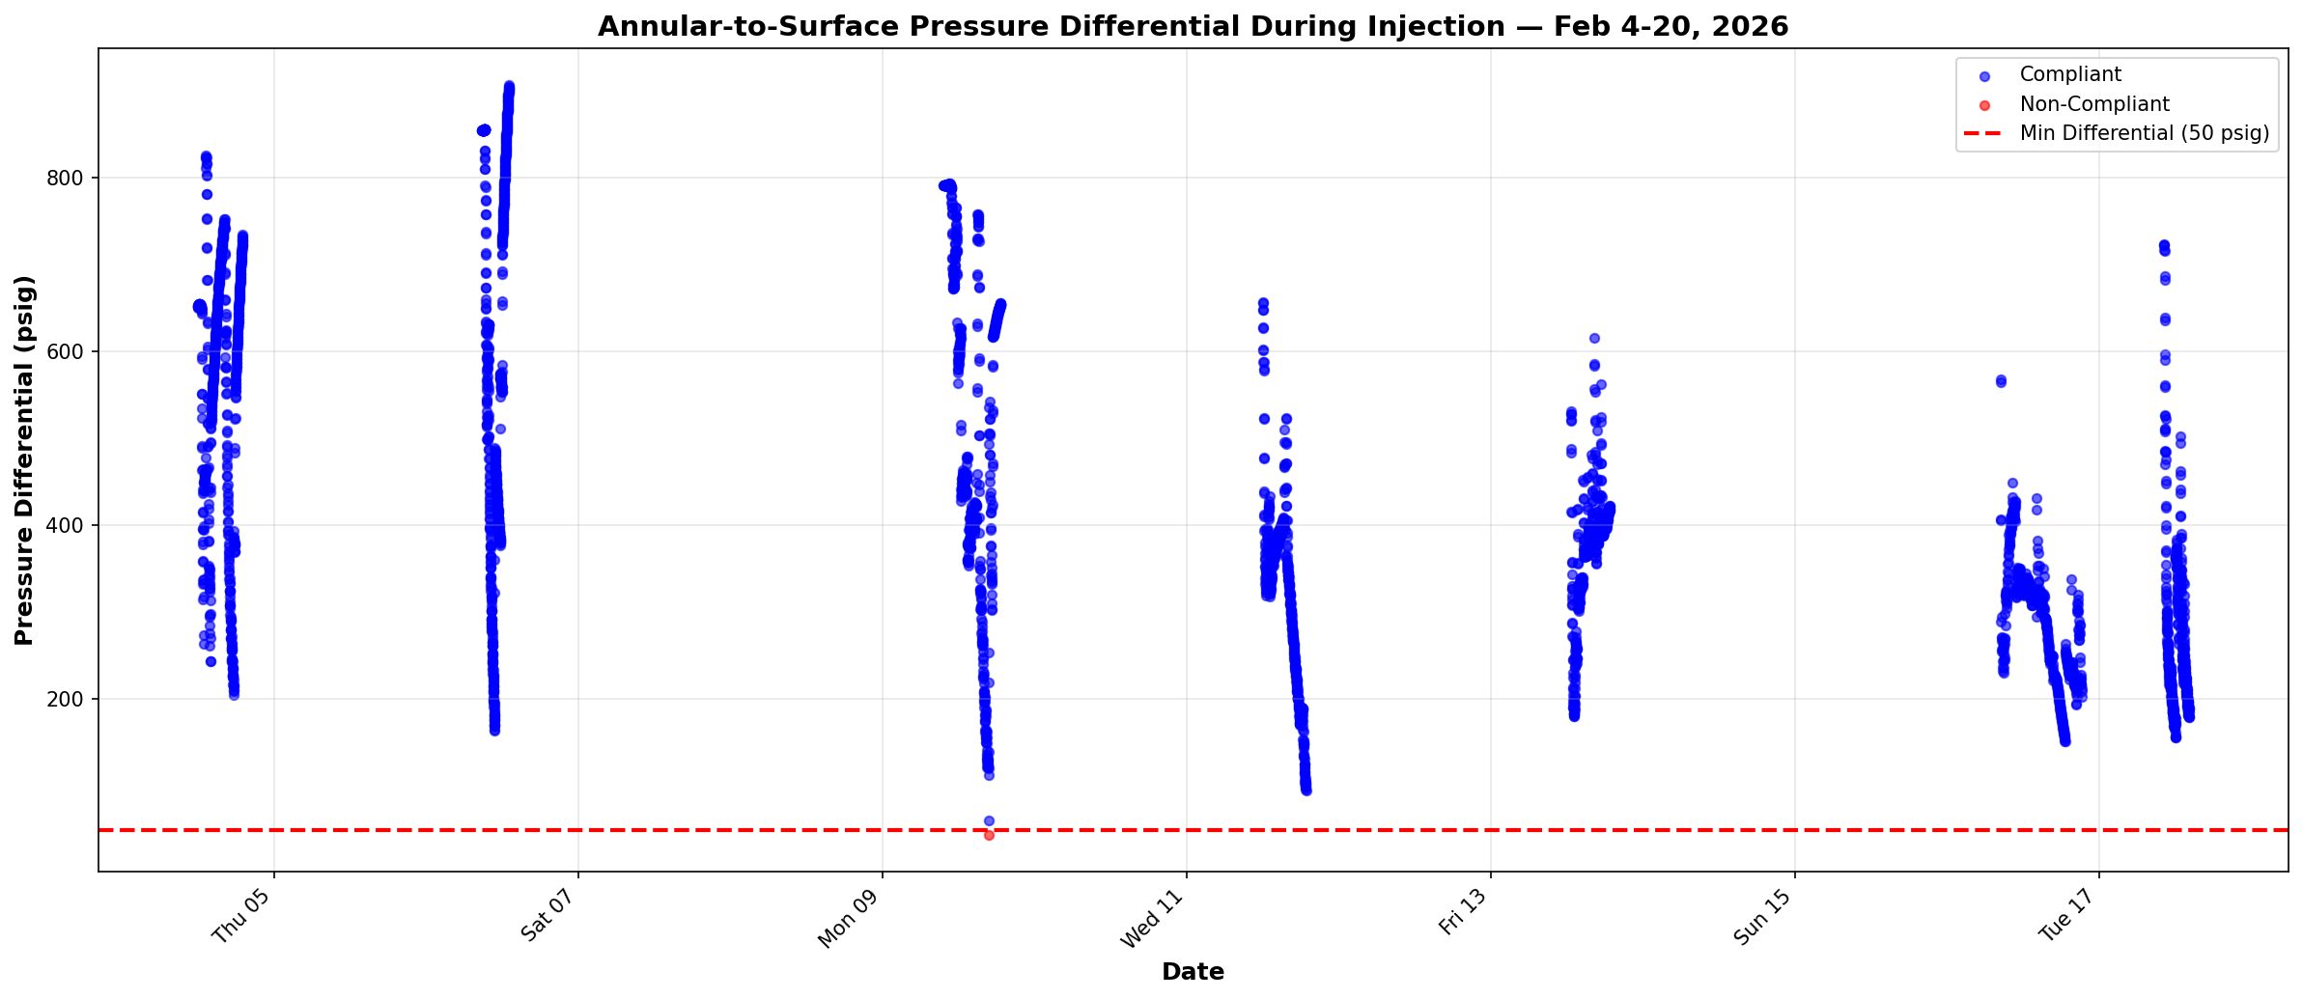

COMPLIANCE REFERENCE
Permit: Order No. IMD 2025-05 EW, Order Item 6
Limit: Minimum annular-to-surface differential during injection = 50 psig

RESULT SUMMARY
Status: 1 violation detected during active injection
Injecting data points: 3,661
Min differential recorded: 39.5 psig | Max differential: 297.2 psig

NOTES
One data point (Feb 4, 2026 at 11:52:51) shows a differential of 39.5 psig, below the 50 psig minimum. This isolated event requires operator confirmation. Context: surface pressure = 0 (expected for negative native pressure formation) and annular pressure = 39.5 psig.

