Surface Pressure Chart
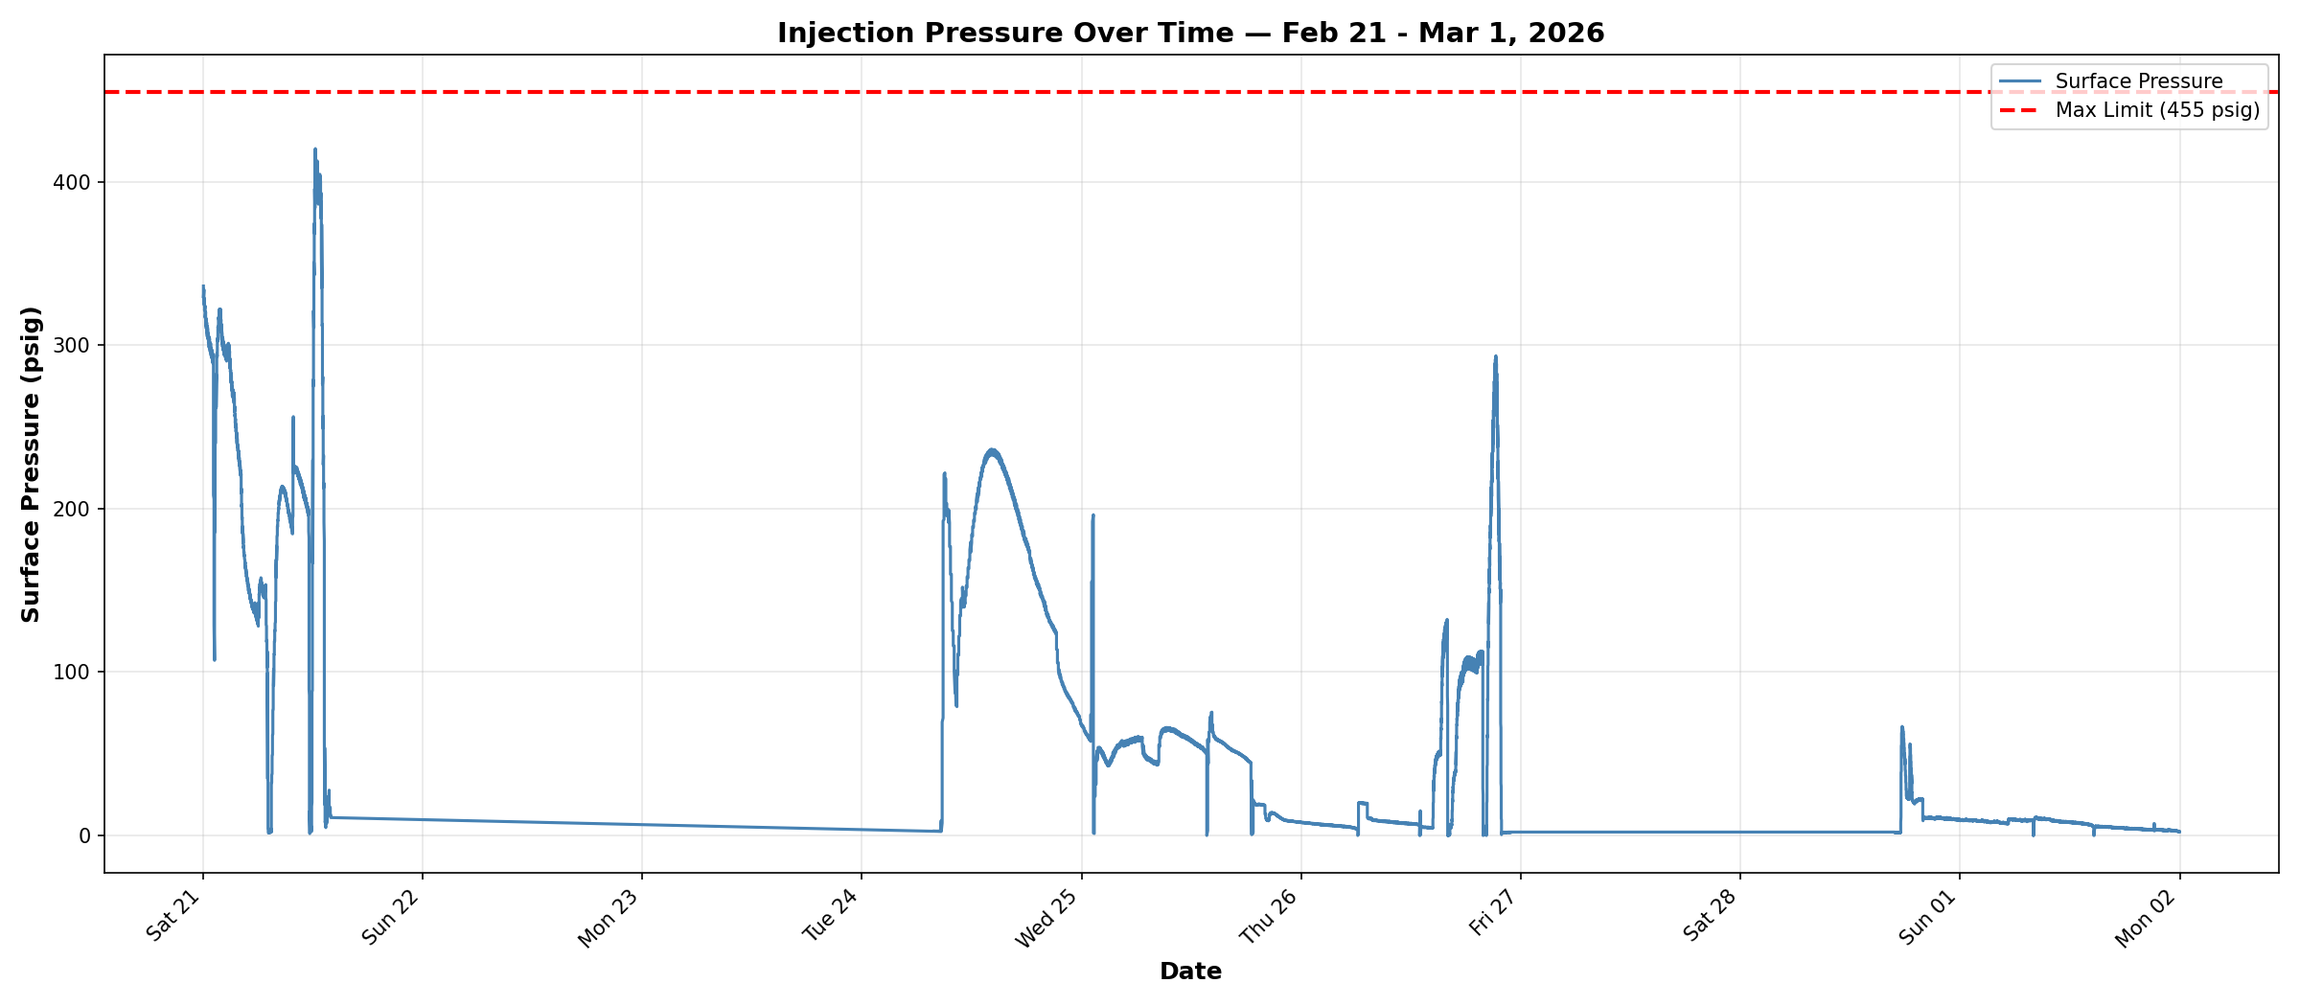

Compliance Reference: Order Item 4 — Maximum Authorized Surface Injection Pressure (MASIP): 455 psig
Result: PASS — No exceedances. Maximum recorded: 420.25 psig
Data Range: 2026-02-21 to 2026-03-01 | Data Points: 4166

Annular Pressure Chart
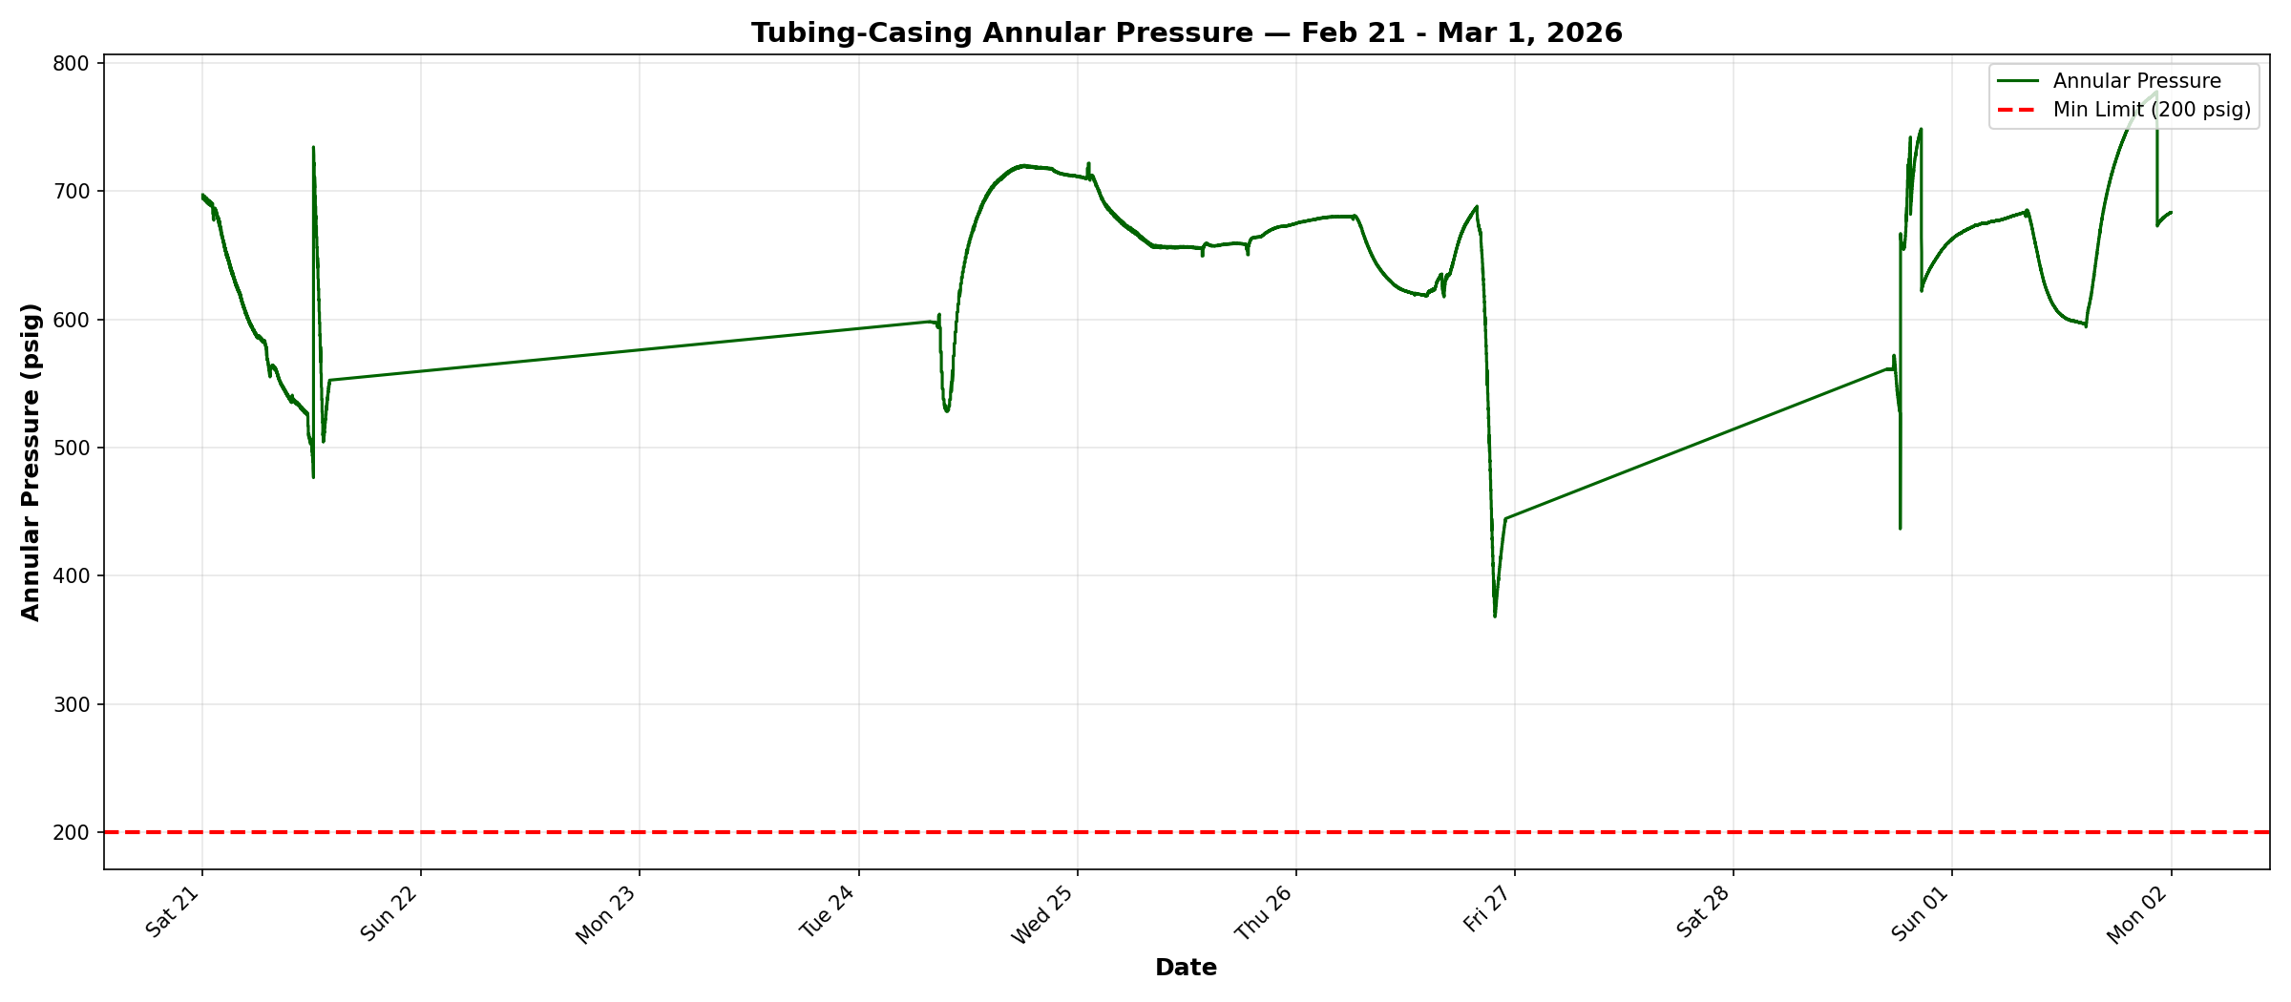

Compliance Reference: Order Item 6 — Minimum tubing-casing annulus pressure: 200 psig
Result: PASS — No exceedances. Minimum recorded: 368.02 psig
Data Range: 2026-02-21 to 2026-03-01 | Data Points: 4166

Pressure Differential Chart
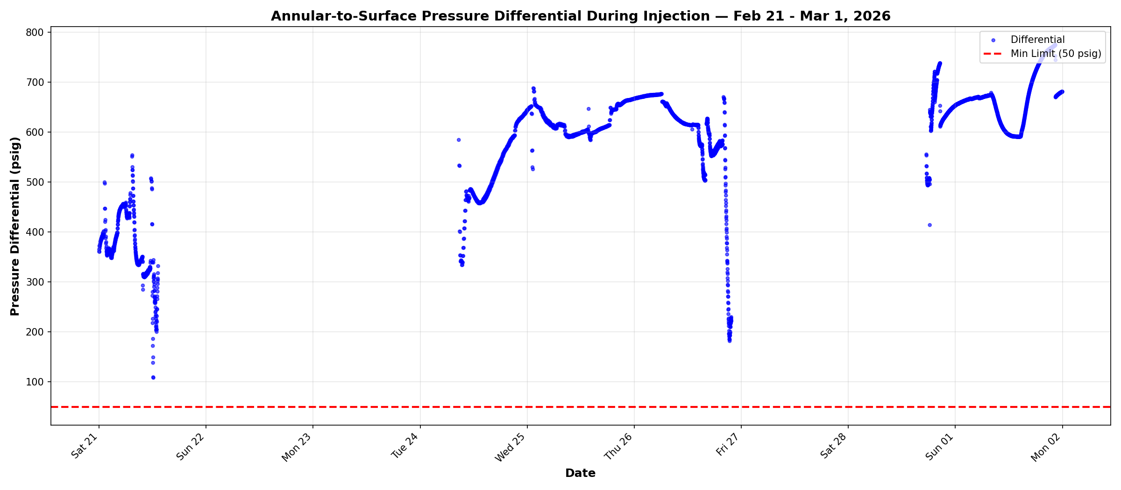

Compliance Reference: Order Item 6 — Minimum annular-to-surface differential during injection: 50 psig
Result: PASS — No violations. Minimum differential: 108.40 psig
Data Range: 2026-02-21 to 2026-03-01 | Injection Data Points: 3900

