Surface Pressure Chart
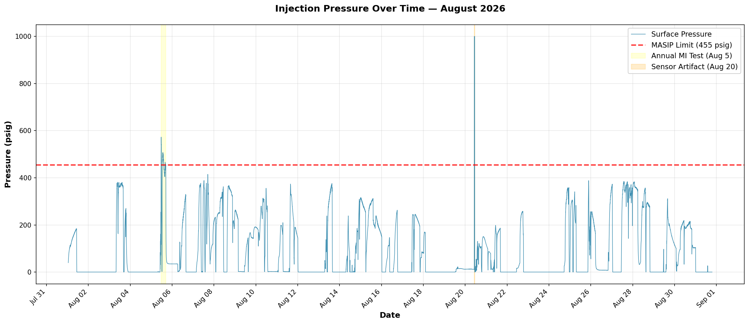

Compliance Reference:
Order No. IMD 2025-05 EW, Item 4: Maximum Authorized Surface Injection Pressure = 455 psig

Result:
PASS (with exemptions) — Max recorded: 1000.00 psig
• Aug 5, 11:21–16:52: Annual mechanical integrity test (max 572.79 psig). Exempt per Order Item 6c (well or reservoir tests).
• Aug 20, 10:21–10:51: Transmitter saturation at exactly 1000.00 psig for 31 minutes. Sensor artifact, not real pressure.

Data Range:
August 1–31, 2026 | 44230 data points

Annular Pressure Chart
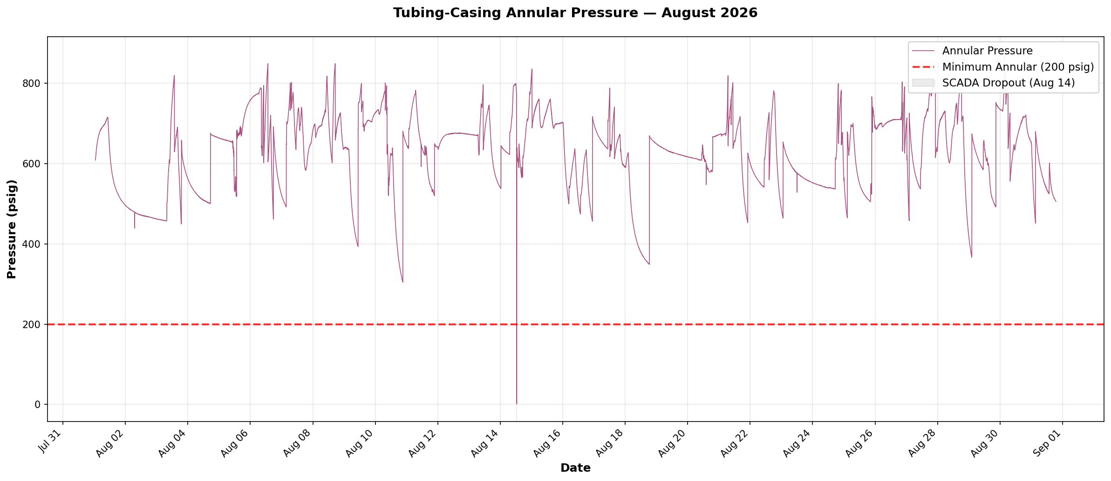

Compliance Reference:
Order No. IMD 2025-05 EW, Item 6: Minimum tubing-casing annulus pressure = 200 psig

Result:
PASS — Min recorded: 1.61 psig during non-injection SCADA communication dropout
• Aug 14, 12:37–12:43: Brief 6-minute dropout to near-zero during idle period. SCADA communication artifact, not real pressure.

Data Range:
August 1–31, 2026 | 44230 data points

Pressure Differential Chart
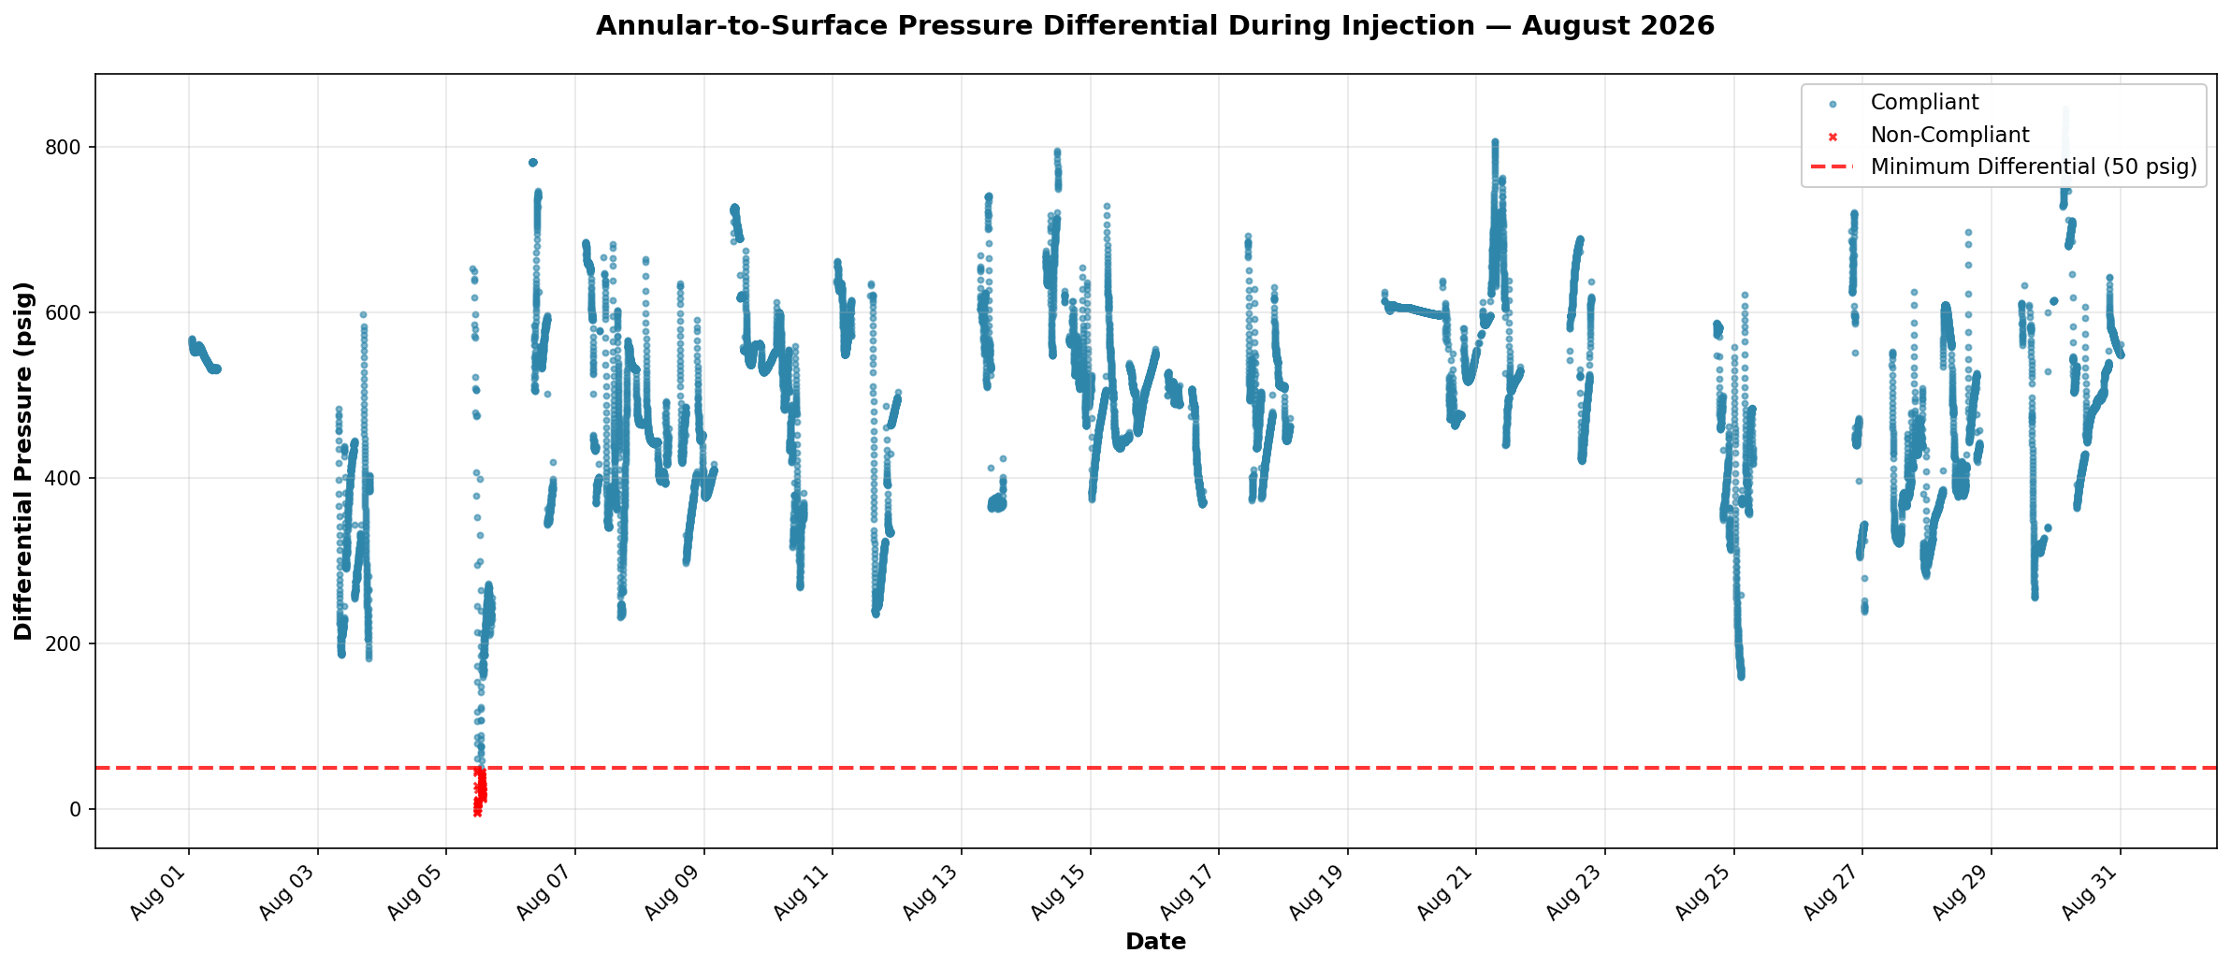

Compliance Reference:
Order No. IMD 2025-05 EW, Item 6: Minimum annular-to-surface differential ≥ 50 psig during injection

Result:
FAIL — Min differential: -4.09 psig | 46 non-compliant points out of 18,131 injection readings (0.25%)

Data Range:
August 1–31, 2026 | 18131 injection data points

