General
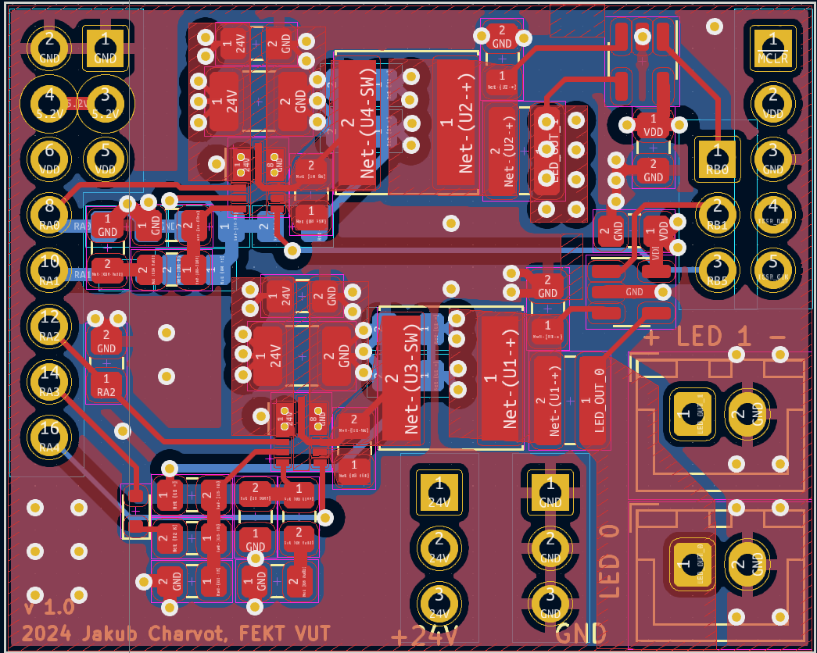
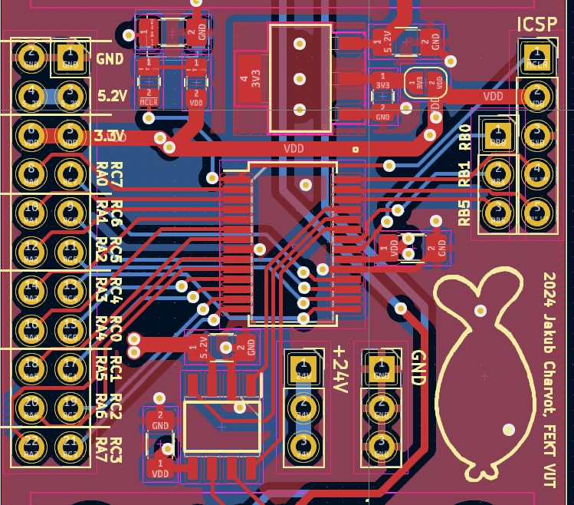
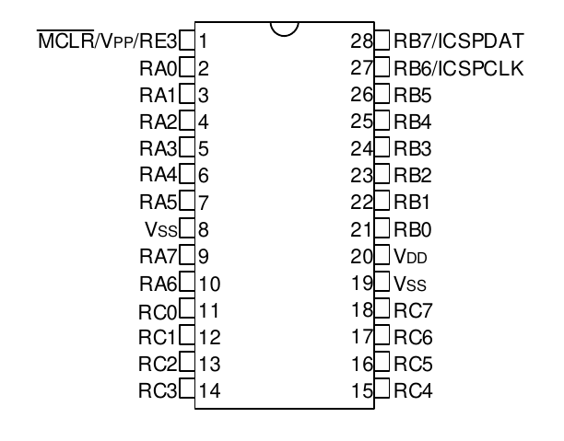
Pin number | Pin function
 | All modules |  |  | LED_BOARD |  |  | TEMP_SENSOR |  |  | WATER_LEVEL_SENSOR |  |  | PH_SENSOR
 | Name | A/D | I/O | Name | A/D | I/O | Name | A/D | I/O | Name | A/D | I/O | Name | A/D | I/O
A0 |  |  |  | LED1_EN | D | O |  |  |  | WATER_LEVEL_ADC_PIN | A | I
A1 |  |  |  | LED1_FB | D | O |  |  |  | WATER_LEVEL_BOYE | D | I
A2 |  |  |  | LED0_EN | D | O
A3 |  |  |  | LED0_FB | D | O
A4 |  |  |  | LED0_PG | D | I
A5
A6
A7
B0 |  |  |  | LED1_CURR | A | I
B1 |  |  |  | LED0_CURR | A | I
B2 | CAN_STBY_PIN | D | O | - |  |  |  |  | - |  |  | - |  |  | -
B3 | CAN1RX | D | I | - |  |  |  |  | - |  |  | - |  |  | -
B4 | CAN1TX | D | O | - |  |  |  |  | - |  |  | - |  |  | -
B5 |  |  |  | LED1_PG | D | I
B6
B7 |  |  |  | DAC1OUT2 - an | A | O
C0
C1
C2 | UART1RX | D | I | - |  |  |  |  | - |  |  | - |  |  | -
C3 | UART1TX | D | O | - |  |  |  |  | - |  |  | - |  |  | -
C4
C5 |  |  |  |  |  |  |  |  |  | SHIELD_ON_PIN* | D | I
C6
C7 |  |  |  |  |  |  | DS18B20 - OneWire | D | O
E1 | MLCR |  |  | - |  |  |  |  | - |  |  | - |  |  | -
 |  |  |  |  |  |  |  |  |  | * = WPU

