Sheet1
Test case number | Test case name | Description | Expected result | Actual result | Status | Screenshot
TST1.1 | Validate user inputs | Perform validation against pre-defined rule Enter from currency code:AUD Enter to currency code:NZD | User input is valid therefore continue the code execution | User input accepted | 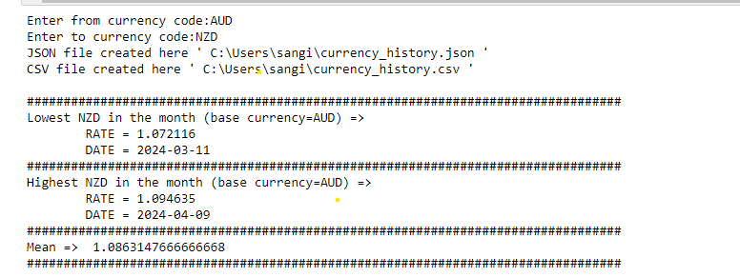 Passed
TST1.2 | Validate user inputs | Perform validation against pre-defined rule Enter from currency code:XYZ Enter to currency code:NZD | User input is invalid therefore break the code execution and print the error message. | User input declined | Passed
TST1.3 | Validate user inputs | Perform validation against pre-defined rule Enter from currency code:AUD Enter to currency code:nzd | User input is valid therefore continue the code execution | User input accepted | 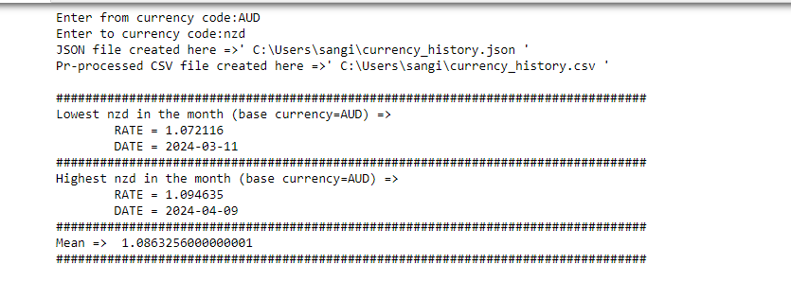 Passed
TST1.4 | Validate user inputs | Perform validation against pre-defined rule Enter from currency code:A2D Enter to currency code:NZDxyz | User input is invalid therefore break the code execution and print the error message. | User input declined | Passed
TST2.1 | URL validation | Construct API url and check status code in response | URL constructed is invalid or returns status_code other than 200 | Status_code other than 200 | Passed
TST2.1 | URL validation | Construct API url and check status code in response | URL constructed is valid or returns status_code 200 | Status_code 200 | Passed
TST3 | JSON file generated | API response received and stored in JSON file | JSON file generated | JSON file is generated | Passed
TST4 | Data analysis results displayed | Lowest, Highest, Average of the month for target currency displayed | Lowest, Highest, Average of the month for target currency displayed | Lowest, Highest, Average of the month for target currency displayed | Passed

