path_spec
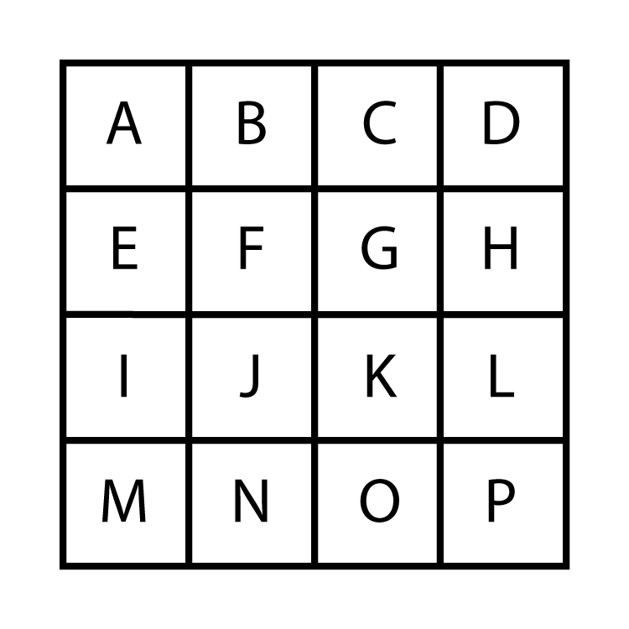 | TRS Path Spec. Township/range/section separated by dots - 3N.1W.35 Multiple sections separated by commas - 3N.1W.34,35 Section ranges (N half of township) - 3N.1W.1-18 Mixing ranges and individual sections - 3N.1W.4-9,17,18 Subsections separated by commas (SE/4 S34) - 3N.1W.34.K,L,O,P Subsection ranges (N/2 S34) - 3N.1W.34.A-H Mixing subsection ranges and individual subsections - 3N.1W.34.A,B,E-H,K,L,O,P Commas are optional in the subsection list - 3N.1W.34.ABE-HKLOP Selective use of commas to improve readability - 3N.1W.34.AB,E-H,KLOP Multiple path specs separated by a semicolon and a space - 3N.1W.34.KLOP; 3N.1W.35.IJMN NO SPACES IN INDIVIDUAL PATH SPECS.

