Figure 1
This file presents the data underlying the figures in CBO's November 2023 slide deck Trends in the Distribution of Household Income from 1979 to 2020.
www.cbo.gov/publication/59510

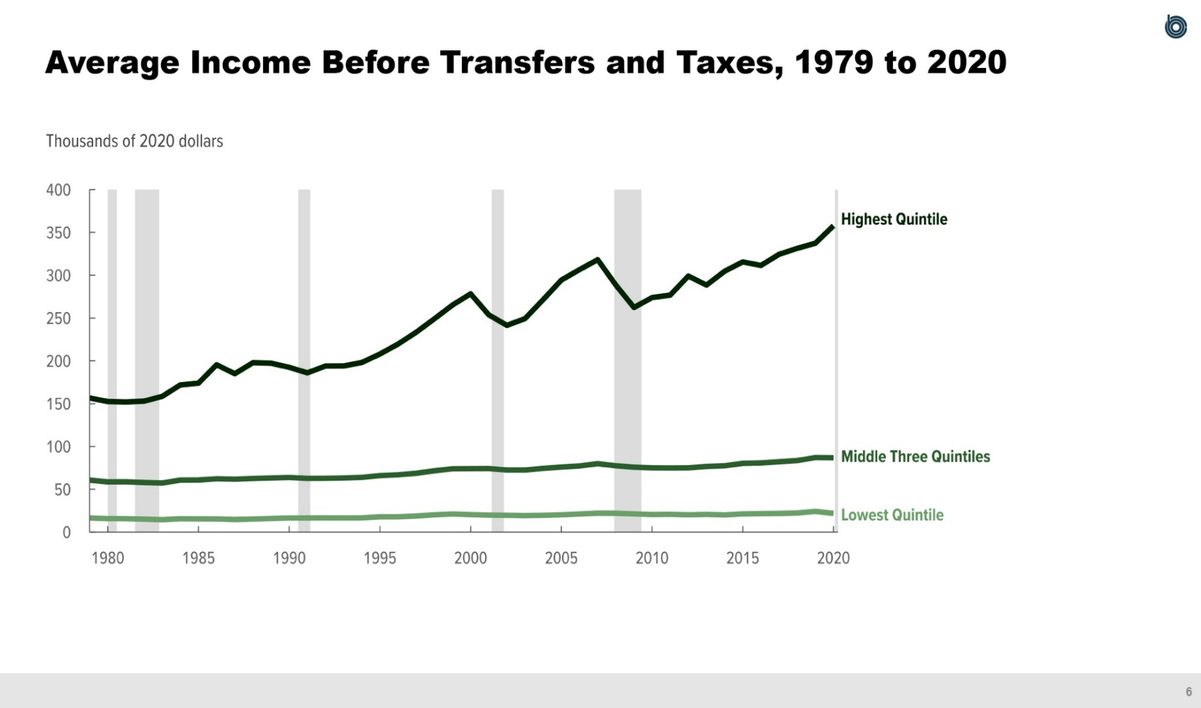
Figure 1.
Average Income Before Transfers and Taxes, 1979 to 2020
Thousands of 2020 dollars
 | Lowest Quintile | Middle Three Quintiles | Highest Quintile
1979 | 16.5 | 60.7 | 156.6
1980 | 15.9 | 58.7 | 152.5
1981 | 15.7 | 58.8 | 151.9
1982 | 15.2 | 58.0 | 153.0
1983 | 14.5 | 57.4 | 158.5
1984 | 15.6 | 60.7 | 171.9
1985 | 15.5 | 60.8 | 174.0
1986 | 15.4 | 62.3 | 195.4
1987 | 14.7 | 61.9 | 185.0
1988 | 15.3 | 62.7 | 197.9
1989 | 16.0 | 63.3 | 197.3
1990 | 16.5 | 63.8 | 192.5
1991 | 16.6 | 62.8 | 186.0
1992 | 16.7 | 62.9 | 193.9
1993 | 16.6 | 63.2 | 194.1
1994 | 16.7 | 63.9 | 198.1
1995 | 17.9 | 66.0 | 208.0
1996 | 17.9 | 66.9 | 219.7
1997 | 18.9 | 68.8 | 233.4
1998 | 20.2 | 71.6 | 249.2
1999 | 21.1 | 74.0 | 265.2
2000 | 20.4 | 74.1 | 278.3
2001 | 19.9 | 74.3 | 253.7
2002 | 19.7 | 72.5 | 241.4
2003 | 19.3 | 72.6 | 249.4
2004 | 19.6 | 74.5 | 271.5
2005 | 20.2 | 76.0 | 294.4
2006 | 21.1 | 77.3 | 306.5
2007 | 22.2 | 80.0 | 318.2
2008 | 22.0 | 77.5 | 288.6
2009 | 21.2 | 75.9 | 262.3
2010 | 20.6 | 75.1 | 273.9
2011 | 20.8 | 74.9 | 276.8
2012 | 20.2 | 75.1 | 299.1
2013 | 20.7 | 76.7 | 288.5
2014 | 20.1 | 77.5 | 304.7
2015 | 21.3 | 80.3 | 315.6
2016 | 21.6 | 80.8 | 311.5
2017 | 21.8 | 82.2 | 324.4
2018 | 22.4 | 83.6 | 331.4
2019 | 24.2 | 87.1 | 337.4
2020 | 21.9 | 86.9 | 357.8

Back to Table of Contents

Figure 2
This file presents the data underlying the figures in CBO's November 2023 slide deck Trends in the Distribution of Household Income from 1979 to 2020.
www.cbo.gov/publication/59510

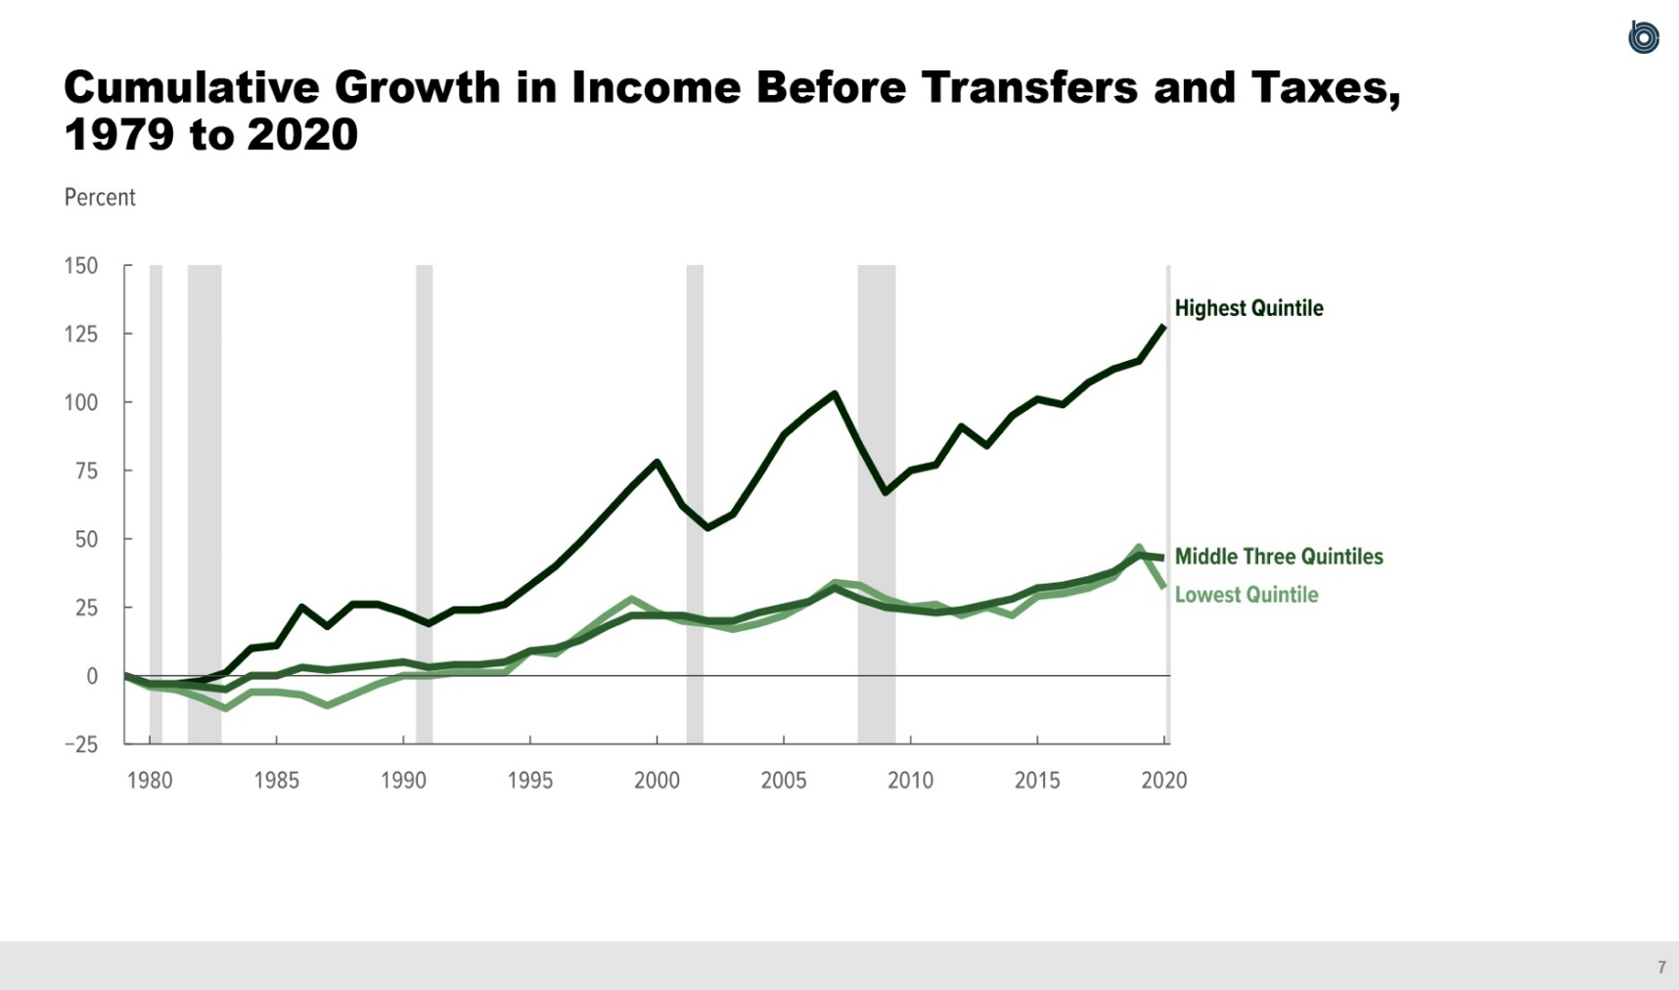
Figure 2.
Cumulative Growth in Income Before Transfers and Taxes, 1979 to 2020
Percent
 | Lowest Quintile | Middle Three Quintiles | Highest Quintile
1979 | 0 | 0 | 0
1980 | -4 | -3 | -3
1981 | -5 | -3 | -3
1982 | -8 | -4 | -2
1983 | -12 | -5 | 1
1984 | -6 | 0 | 10
1985 | -6 | 0 | 11
1986 | -7 | 3 | 25
1987 | -11 | 2 | 18
1988 | -7 | 3 | 26
1989 | -3 | 4 | 26
1990 | 0 | 5 | 23
1991 | 0 | 3 | 19
1992 | 1 | 4 | 24
1993 | 1 | 4 | 24
1994 | 1 | 5 | 26
1995 | 9 | 9 | 33
1996 | 8 | 10 | 40
1997 | 15 | 13 | 49
1998 | 22 | 18 | 59
1999 | 28 | 22 | 69
2000 | 23 | 22 | 78
2001 | 20 | 22 | 62
2002 | 19 | 20 | 54
2003 | 17 | 20 | 59
2004 | 19 | 23 | 73
2005 | 22 | 25 | 88
2006 | 27 | 27 | 96
2007 | 34 | 32 | 103
2008 | 33 | 28 | 84
2009 | 28 | 25 | 67
2010 | 25 | 24 | 75
2011 | 26 | 23 | 77
2012 | 22 | 24 | 91
2013 | 25 | 26 | 84
2014 | 22 | 28 | 95
2015 | 29 | 32 | 101
2016 | 30 | 33 | 99
2017 | 32 | 35 | 107
2018 | 36 | 38 | 112
2019 | 47 | 44 | 115
2020 | 32 | 43 | 128

Back to Table of Contents

Figure 3
This file presents the data underlying the figures in CBO's November 2023 slide deck Trends in the Distribution of Household Income from 1979 to 2020.
www.cbo.gov/publication/59510

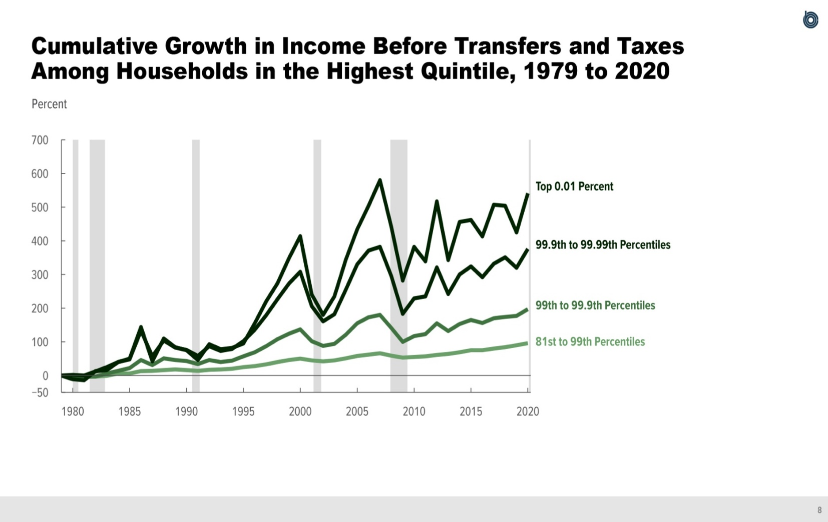
Figure 3.
Cumulative Growth in Income Before Transfers and Taxes Among Households in the Highest Quintile, 1979 to 2020
Percent
 | 81st to 99th Percentiles | 99th to 99.9th Percentiles | 99.9th to 99.99th Percentiles | Top 0.01 Percent
1979 | 0 | 0 | 0 | 0
1980 | -2 | -2 | 2 | -11
1981 | -3 | -4 | 0 | -14
1982 | -3 | -3 | 12 | 13
1983 | -1 | 6 | 25 | 16
1984 | 6 | 14 | 40 | 40
1985 | 6 | 22 | 48 | 50
1986 | 13 | 46 | 133 | 144
1987 | 14 | 31 | 57 | 42
1988 | 16 | 51 | 104 | 110
1989 | 18 | 46 | 83 | 84
1990 | 16 | 43 | 76 | 75
1991 | 14 | 34 | 58 | 46
1992 | 17 | 46 | 87 | 93
1993 | 18 | 40 | 73 | 78
1994 | 20 | 44 | 79 | 82
1995 | 25 | 57 | 102 | 95
1996 | 28 | 69 | 136 | 155
1997 | 33 | 87 | 179 | 220
1998 | 40 | 108 | 227 | 274
1999 | 46 | 124 | 273 | 348
2000 | 50 | 137 | 308 | 414
2001 | 45 | 102 | 206 | 241
2002 | 42 | 88 | 161 | 180
2003 | 45 | 94 | 182 | 235
2004 | 51 | 121 | 255 | 344
2005 | 58 | 155 | 330 | 434
2006 | 62 | 173 | 371 | 504
2007 | 66 | 180 | 382 | 580
2008 | 59 | 141 | 295 | 441
2009 | 53 | 100 | 183 | 282
2010 | 55 | 117 | 229 | 382
2011 | 57 | 123 | 235 | 339
2012 | 61 | 155 | 321 | 517
2013 | 64 | 132 | 242 | 343
2014 | 69 | 153 | 300 | 456
2015 | 75 | 165 | 324 | 462
2016 | 75 | 156 | 292 | 413
2017 | 80 | 170 | 332 | 507
2018 | 84 | 174 | 351 | 504
2019 | 90 | 177 | 320 | 425
2020 | 96 | 197 | 376 | 541

Back to Table of Contents

Figure 4
This file presents the data underlying the figures in CBO's November 2023 slide deck Trends in the Distribution of Household Income from 1979 to 2020.
www.cbo.gov/publication/59510

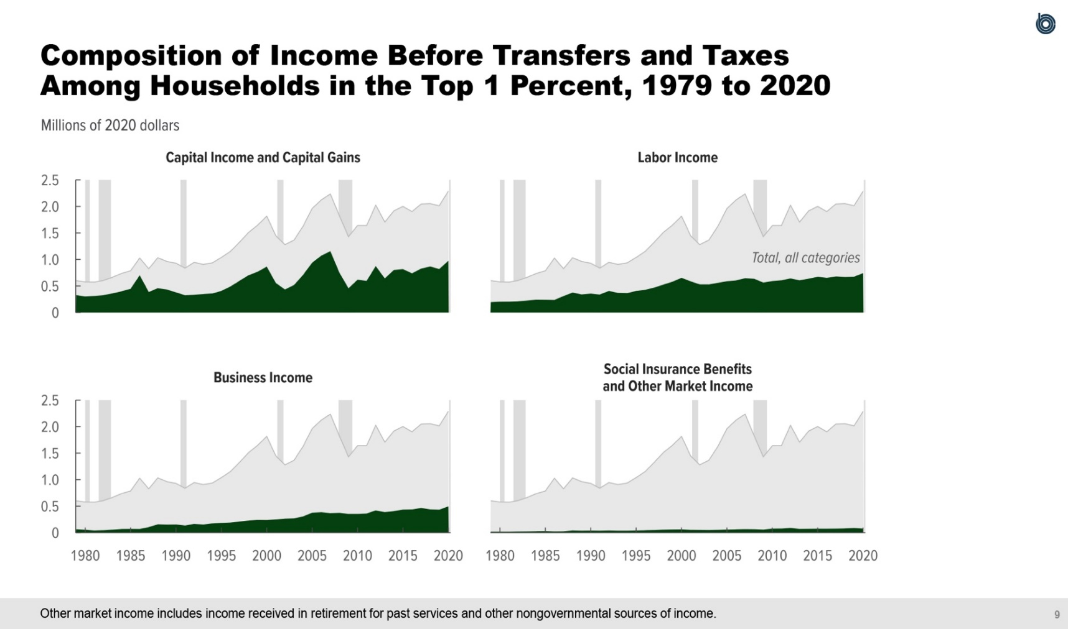
Figure 4.
Composition of Income Before Transfers and Taxes Among Households in the Top 1 Percent, 1979 to 2020
2020 Dollars
 | Labor Income | Business Income | Capital Income and Capital Gains | Other Market Income | Social Insurance Benefits
1979 | 194,100 | 63,300 | 327,400 | 11,000 | 6,000
1980 | 203,900 | 53,400 | 302,900 | 10,900 | 6,000
1981 | 204,700 | 40,200 | 312,000 | 11,400 | 6,500
1982 | 212,400 | 45,800 | 326,500 | 13,100 | 7,500
1983 | 226,200 | 55,200 | 360,200 | 14,900 | 7,500
1984 | 241,500 | 68,100 | 400,100 | 16,700 | 9,700
1985 | 239,900 | 70,900 | 445,800 | 19,400 | 9,800
1986 | 235,900 | 68,800 | 701,600 | 12,100 | 10,300
1987 | 309,900 | 105,200 | 386,200 | 16,100 | 8,600
1988 | 376,400 | 157,000 | 458,200 | 32,900 | 8,500
1989 | 340,700 | 151,800 | 432,800 | 29,000 | 8,100
1990 | 356,000 | 155,000 | 380,300 | 30,500 | 8,600
1991 | 338,500 | 135,500 | 325,300 | 29,200 | 8,600
1992 | 406,600 | 165,100 | 334,100 | 31,700 | 8,700
1993 | 369,900 | 154,000 | 347,200 | 28,200 | 9,200
1994 | 365,500 | 174,200 | 358,600 | 28,700 | 8,800
1995 | 406,800 | 183,400 | 407,700 | 31,600 | 9,500
1996 | 427,300 | 191,000 | 490,200 | 35,000 | 9,500
1997 | 469,500 | 210,000 | 598,500 | 39,100 | 9,700
1998 | 524,700 | 227,100 | 703,500 | 45,500 | 9,900
1999 | 580,400 | 239,400 | 769,900 | 49,000 | 9,300
2000 | 654,500 | 237,800 | 863,500 | 50,800 | 9,500
2001 | 588,200 | 251,000 | 555,800 | 43,200 | 9,000
2002 | 530,200 | 264,000 | 434,600 | 41,600 | 9,500
2003 | 528,500 | 269,300 | 517,100 | 39,300 | 9,600
2004 | 559,500 | 305,700 | 708,500 | 42,400 | 10,100
2005 | 590,100 | 376,600 | 938,300 | 46,400 | 10,700
2006 | 604,400 | 385,600 | 1,070,900 | 49,800 | 11,300
2007 | 646,800 | 367,000 | 1,157,300 | 53,500 | 11,400
2008 | 635,700 | 373,500 | 753,000 | 52,900 | 10,600
2009 | 564,300 | 353,100 | 455,500 | 44,900 | 11,100
2010 | 593,000 | 353,500 | 619,000 | 63,900 | 11,300
2011 | 606,700 | 360,200 | 596,600 | 65,800 | 11,000
2012 | 642,100 | 419,400 | 875,000 | 76,500 | 12,400
2013 | 607,700 | 386,500 | 642,300 | 57,700 | 12,000
2014 | 637,800 | 405,800 | 801,300 | 59,300 | 12,300
2015 | 673,000 | 435,800 | 817,500 | 61,300 | 12,800
2016 | 653,600 | 438,300 | 738,500 | 60,100 | 12,800
2017 | 678,800 | 465,500 | 827,200 | 61,700 | 13,700
2018 | 668,600 | 439,300 | 867,200 | 65,000 | 14,200
2019 | 673,900 | 433,700 | 819,400 | 72,500 | 14,500
2020 | 742,800 | 495,400 | 975,000 | 61,700 | 14,200

Back to Table of Contents

Figure 5
This file presents the data underlying the figures in CBO's November 2023 slide deck Trends in the Distribution of Household Income from 1979 to 2020.
www.cbo.gov/publication/59510

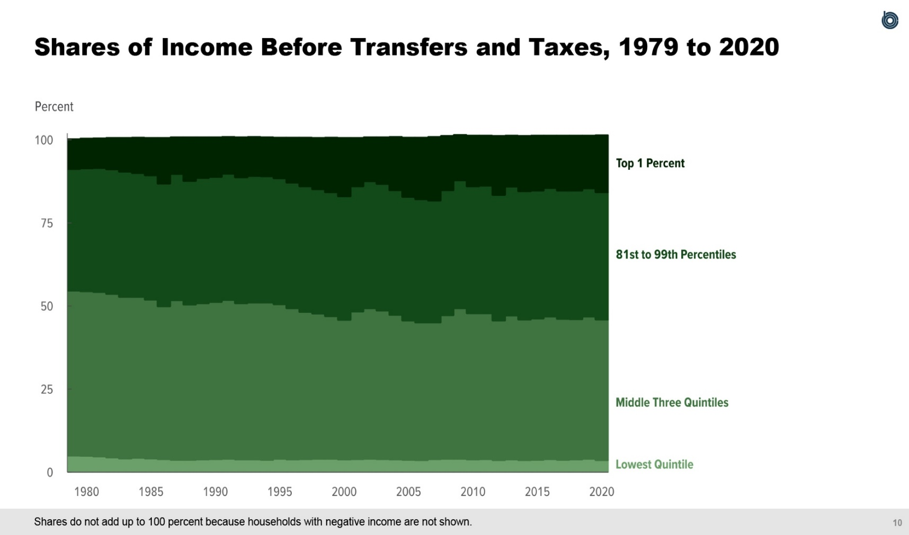
Figure 5.
Shares of Income Before Transfers and Taxes, 1979 to 2020
Percent
 | Lowest Quintile | Middle Three Quintiles | 81st to 99th Percentiles | Top 1 Percent
1979 | 5.0 | 49.6 | 36.6 | 9.0
1980 | 4.9 | 49.5 | 37.0 | 9.0
1981 | 4.7 | 49.5 | 37.3 | 9.0
1982 | 4.4 | 49.2 | 37.5 | 9.5
1983 | 4.1 | 48.6 | 37.7 | 10.2
1984 | 4.3 | 48.4 | 37.3 | 10.7
1985 | 4.1 | 47.8 | 37.4 | 11.3
1986 | 3.9 | 46.0 | 36.9 | 13.8
1987 | 3.7 | 48.0 | 38.0 | 11.1
1988 | 3.7 | 46.7 | 37.2 | 13.2
1989 | 3.8 | 47.0 | 37.7 | 12.3
1990 | 3.9 | 47.3 | 37.6 | 12.0
1991 | 4.0 | 47.8 | 38.0 | 11.1
1992 | 3.8 | 47.0 | 37.9 | 12.1
1993 | 3.8 | 47.2 | 38.1 | 11.8
1994 | 3.7 | 47.3 | 38.0 | 11.8
1995 | 4.0 | 46.5 | 37.9 | 12.3
1996 | 3.8 | 45.5 | 37.8 | 13.6
1997 | 3.9 | 44.3 | 37.8 | 14.7
1998 | 4.0 | 43.7 | 37.4 | 15.5
1999 | 4.0 | 42.9 | 37.3 | 16.5
2000 | 3.8 | 42.0 | 37.2 | 17.6
2001 | 3.9 | 44.4 | 37.7 | 14.6
2002 | 4.0 | 45.3 | 38.2 | 13.3
2003 | 3.9 | 44.7 | 38.1 | 14.1
2004 | 3.8 | 43.5 | 37.5 | 16.1
2005 | 3.7 | 41.9 | 37.2 | 17.9
2006 | 3.6 | 41.4 | 37.1 | 18.6
2007 | 3.9 | 41.1 | 36.7 | 19.2
2008 | 4.0 | 43.2 | 37.6 | 16.4
2009 | 4.0 | 45.3 | 38.5 | 13.7
2010 | 3.8 | 44.0 | 38.2 | 15.3
2011 | 3.9 | 43.9 | 38.4 | 15.1
2012 | 3.6 | 42.0 | 37.8 | 17.8
2013 | 3.8 | 43.3 | 38.8 | 15.4
2014 | 3.6 | 42.3 | 38.6 | 16.7
2015 | 3.7 | 42.5 | 38.5 | 16.6
2016 | 3.9 | 42.9 | 38.7 | 15.8
2017 | 3.7 | 42.4 | 38.6 | 16.6
2018 | 3.8 | 42.2 | 38.7 | 16.6
2019 | 4.0 | 42.8 | 38.6 | 15.9
2020 | 3.6 | 42.3 | 38.3 | 17.2

Back to Table of Contents

Figure 6
This file presents the data underlying the figures in CBO's November 2023 slide deck Trends in the Distribution of Household Income from 1979 to 2020.
www.cbo.gov/publication/59510

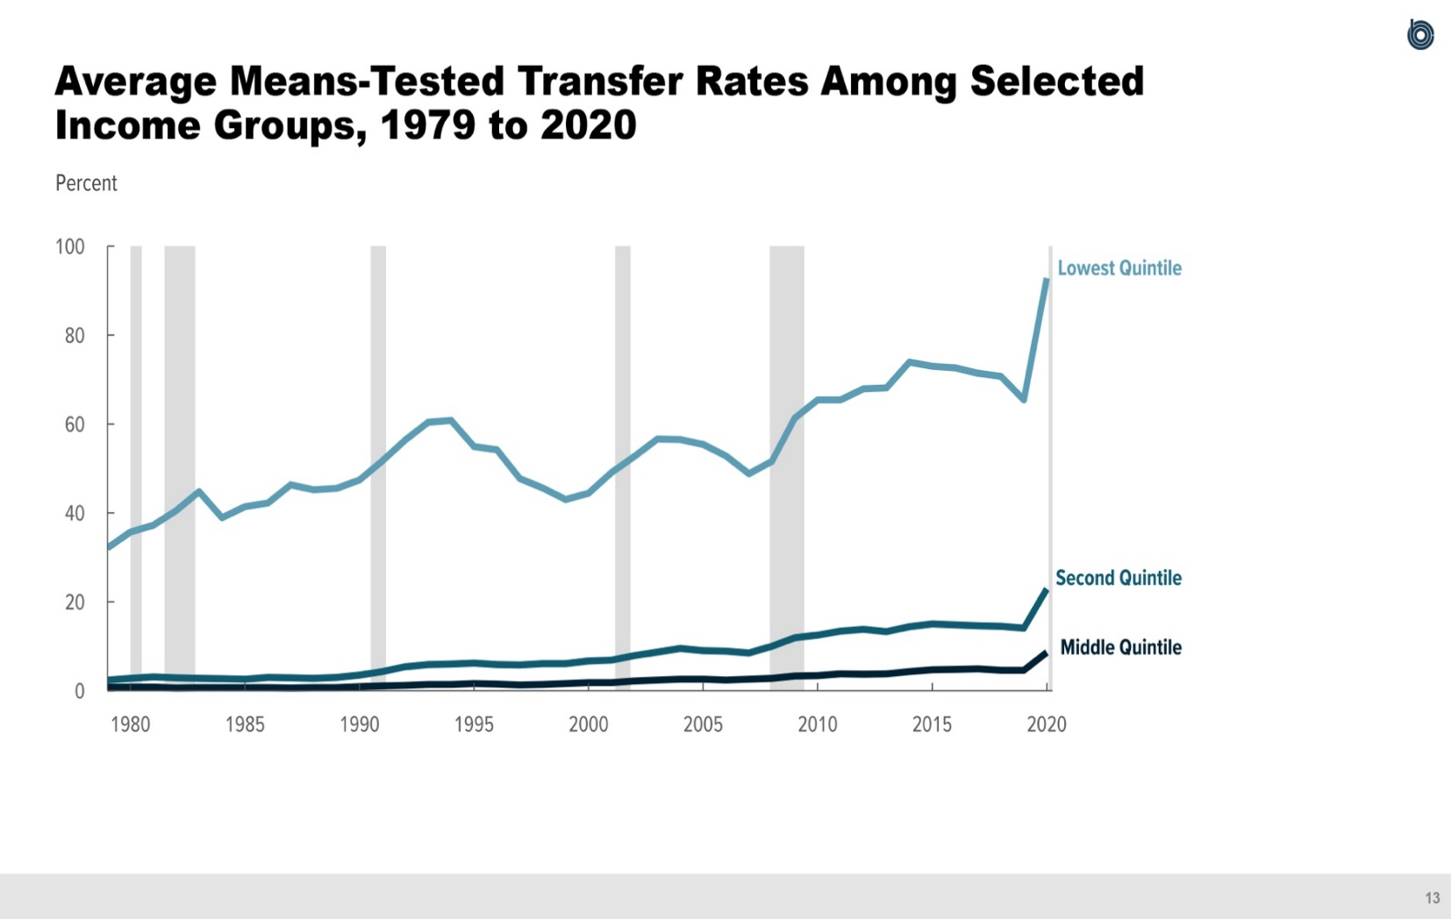
Figure 6.
Average Means-Tested Transfer Rates Among Selected Income Groups, 1979 to 2020
Percent
 | Lowest Quintile | Second Quintile | Middle Quintile
1979 | 32.1 | 2.4 | 0.8
1980 | 35.7 | 2.8 | 0.8
1981 | 37.2 | 3.1 | 0.8
1982 | 40.5 | 2.9 | 0.6
1983 | 44.8 | 2.8 | 0.7
1984 | 38.9 | 2.7 | 0.7
1985 | 41.4 | 2.6 | 0.7
1986 | 42.2 | 3.0 | 0.7
1987 | 46.3 | 2.9 | 0.6
1988 | 45.2 | 2.8 | 0.7
1989 | 45.5 | 3.0 | 0.7
1990 | 47.4 | 3.5 | 0.9
1991 | 51.7 | 4.3 | 1.1
1992 | 56.4 | 5.4 | 1.2
1993 | 60.4 | 5.9 | 1.4
1994 | 60.8 | 6.0 | 1.4
1995 | 54.9 | 6.2 | 1.6
1996 | 54.2 | 5.9 | 1.5
1997 | 47.7 | 5.8 | 1.3
1998 | 45.6 | 6.1 | 1.4
1999 | 43.0 | 6.1 | 1.6
2000 | 44.4 | 6.7 | 1.8
2001 | 49.1 | 6.9 | 1.8
2002 | 52.7 | 7.9 | 2.2
2003 | 56.6 | 8.7 | 2.4
2004 | 56.5 | 9.5 | 2.6
2005 | 55.4 | 9.0 | 2.6
2006 | 52.8 | 8.9 | 2.4
2007 | 48.8 | 8.5 | 2.6
2008 | 51.6 | 10.0 | 2.8
2009 | 61.3 | 11.9 | 3.3
2010 | 65.4 | 12.5 | 3.4
2011 | 65.4 | 13.4 | 3.8
2012 | 67.9 | 13.8 | 3.7
2013 | 68.1 | 13.3 | 3.8
2014 | 73.9 | 14.4 | 4.3
2015 | 73.0 | 15.0 | 4.7
2016 | 72.6 | 14.8 | 4.8
2017 | 71.4 | 14.6 | 4.9
2018 | 70.7 | 14.5 | 4.6
2019 | 65.4 | 14.1 | 4.6
2020 | 92.8 | 22.9 | 8.6

Back to Table of Contents

Figure 7
This file presents the data underlying the figures in CBO's November 2023 slide deck Trends in the Distribution of Household Income from 1979 to 2020.
www.cbo.gov/publication/59510

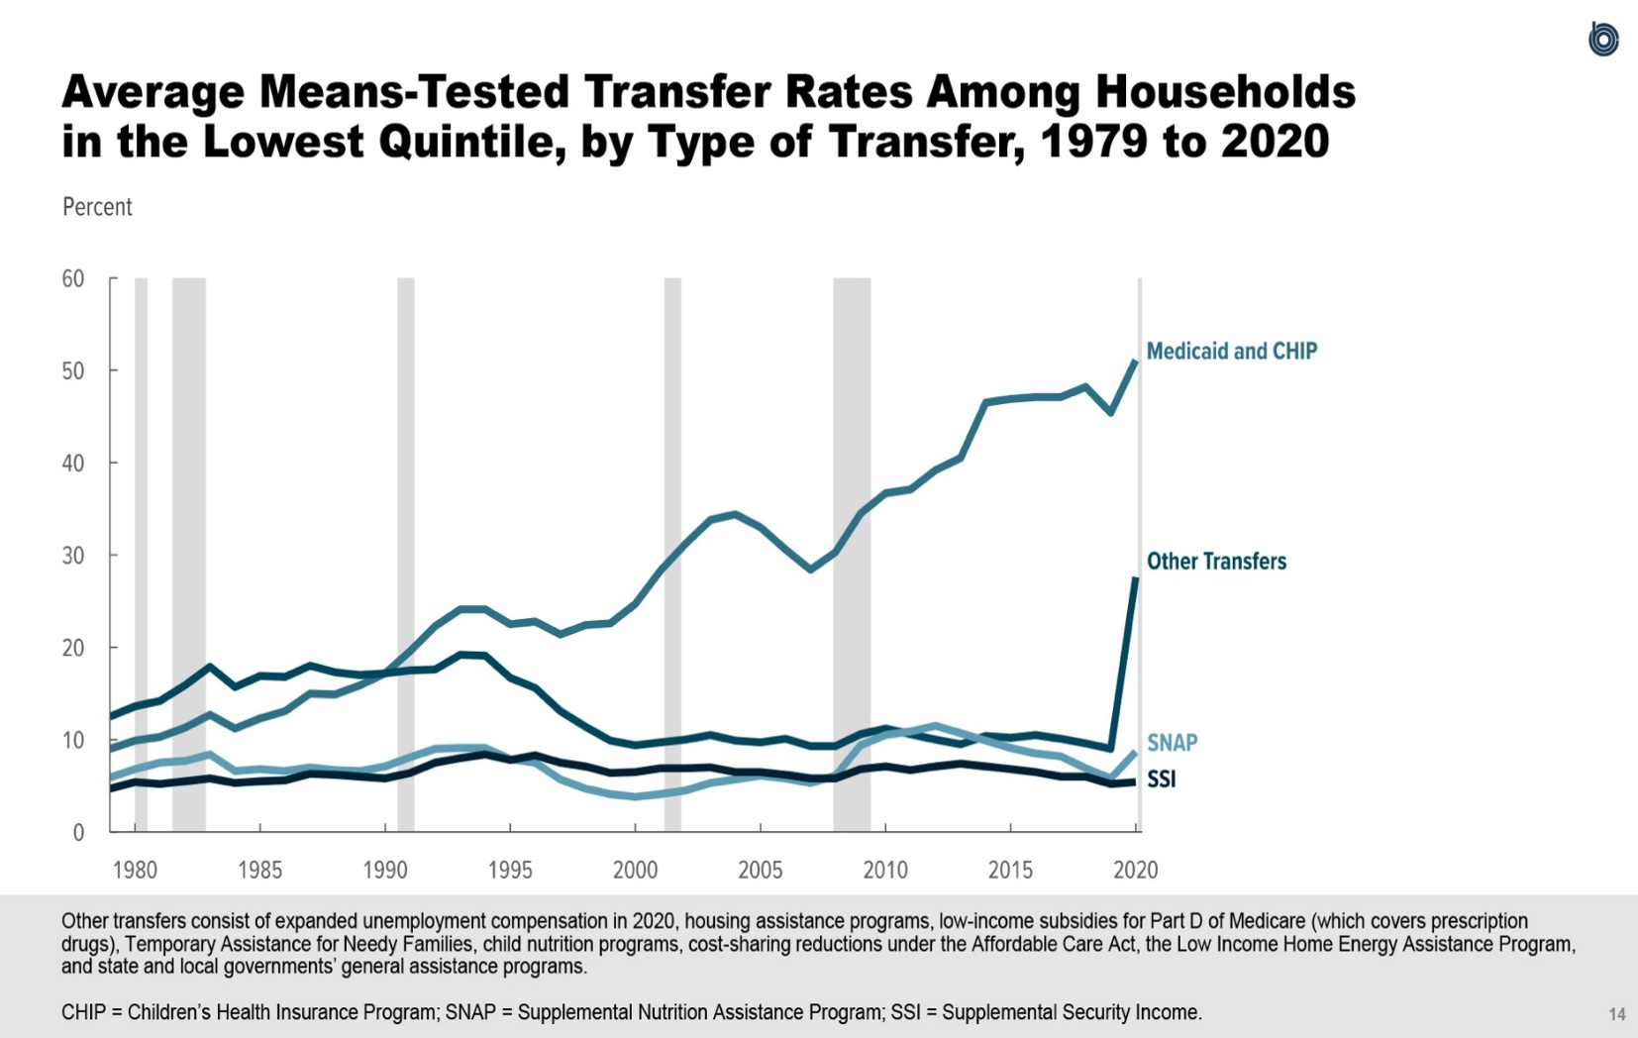
Figure 7.
Average Means-Tested Transfer Rates Among Households in the Lowest Quintile, by Type of Transfer, 1979 to 2020
Percent
 | Medicaid and CHIP | SNAP | SSI | Other Transfers
1979 | 9.0 | 5.9 | 4.7 | 12.5
1980 | 9.9 | 6.8 | 5.4 | 13.6
1981 | 10.3 | 7.5 | 5.2 | 14.2
1982 | 11.3 | 7.7 | 5.5 | 15.9
1983 | 12.7 | 8.4 | 5.8 | 17.9
1984 | 11.2 | 6.6 | 5.3 | 15.7
1985 | 12.3 | 6.8 | 5.5 | 16.9
1986 | 13.1 | 6.6 | 5.6 | 16.8
1987 | 15.0 | 7.0 | 6.3 | 18.0
1988 | 14.9 | 6.7 | 6.2 | 17.3
1989 | 15.9 | 6.6 | 6.0 | 17.0
1990 | 17.2 | 7.1 | 5.8 | 17.2
1991 | 19.6 | 8.1 | 6.4 | 17.5
1992 | 22.3 | 9.0 | 7.5 | 17.6
1993 | 24.1 | 9.1 | 8.0 | 19.2
1994 | 24.1 | 9.1 | 8.4 | 19.1
1995 | 22.5 | 7.9 | 7.8 | 16.7
1996 | 22.8 | 7.5 | 8.3 | 15.6
1997 | 21.4 | 5.7 | 7.5 | 13.1
1998 | 22.4 | 4.7 | 7.1 | 11.4
1999 | 22.6 | 4.1 | 6.4 | 9.9
2000 | 24.7 | 3.8 | 6.5 | 9.4
2001 | 28.3 | 4.1 | 6.9 | 9.7
2002 | 31.2 | 4.5 | 6.9 | 10.0
2003 | 33.8 | 5.3 | 7.0 | 10.5
2004 | 34.4 | 5.7 | 6.5 | 9.9
2005 | 33.0 | 6.1 | 6.5 | 9.7
2006 | 30.6 | 5.8 | 6.2 | 10.1
2007 | 28.4 | 5.3 | 5.8 | 9.3
2008 | 30.3 | 6.1 | 5.8 | 9.3
2009 | 34.5 | 9.4 | 6.8 | 10.6
2010 | 36.7 | 10.5 | 7.1 | 11.2
2011 | 37.1 | 10.9 | 6.7 | 10.6
2012 | 39.2 | 11.5 | 7.1 | 10.0
2013 | 40.5 | 10.7 | 7.4 | 9.5
2014 | 46.5 | 9.9 | 7.1 | 10.4
2015 | 46.9 | 9.1 | 6.8 | 10.2
2016 | 47.1 | 8.5 | 6.5 | 10.5
2017 | 47.1 | 8.2 | 6.0 | 10.1
2018 | 48.2 | 6.9 | 6.0 | 9.6
2019 | 45.4 | 5.8 | 5.2 | 9.0
2020 | 51.1 | 8.7 | 5.4 | 27.6

Back to Table of Contents

Figure 8
This file presents the data underlying the figures in CBO's November 2023 slide deck Trends in the Distribution of Household Income from 1979 to 2020.
www.cbo.gov/publication/59510

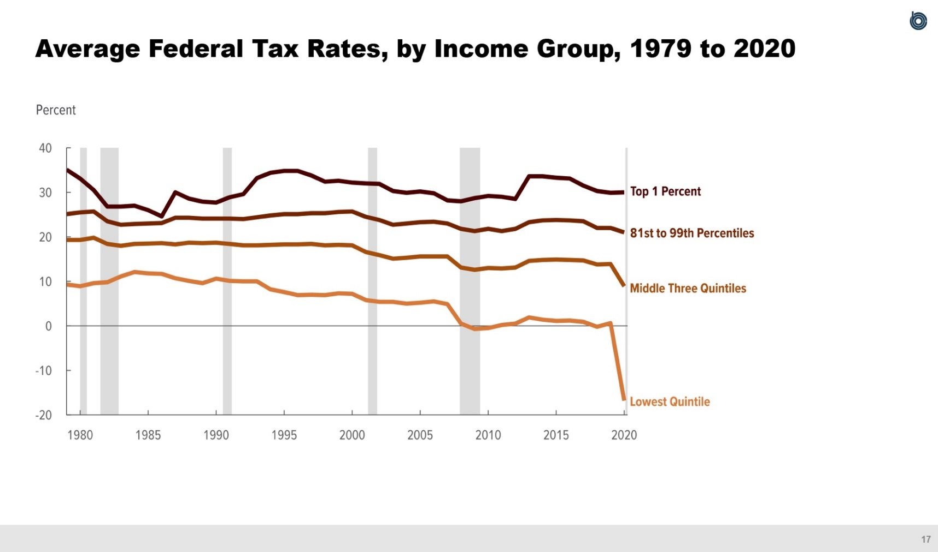
Figure 8.
Average Federal Tax Rates, by Income Group, 1979 to 2020
Percent
 | Lowest Quintile | Middle Three Quintiles | 81st to 99th Percentiles | Top 1 Percent
1979 | 9.3 | 19.3 | 25.1 | 35.1
1980 | 8.9 | 19.3 | 25.5 | 33.1
1981 | 9.6 | 19.8 | 25.7 | 30.5
1982 | 9.8 | 18.4 | 23.5 | 26.8
1983 | 11.1 | 18.0 | 22.7 | 26.8
1984 | 12.1 | 18.4 | 22.9 | 27.0
1985 | 11.8 | 18.5 | 23.0 | 26.0
1986 | 11.7 | 18.6 | 23.1 | 24.6
1987 | 10.7 | 18.3 | 24.3 | 30.0
1988 | 10.1 | 18.7 | 24.3 | 28.6
1989 | 9.6 | 18.6 | 24.1 | 27.9
1990 | 10.6 | 18.7 | 24.1 | 27.7
1991 | 10.1 | 18.4 | 24.1 | 28.9
1992 | 10.0 | 18.1 | 24.0 | 29.6
1993 | 10.0 | 18.1 | 24.4 | 33.2
1994 | 8.2 | 18.2 | 24.8 | 34.4
1995 | 7.6 | 18.3 | 25.1 | 34.8
1996 | 6.9 | 18.3 | 25.1 | 34.8
1997 | 7.0 | 18.4 | 25.3 | 33.8
1998 | 6.9 | 18.1 | 25.3 | 32.4
1999 | 7.3 | 18.2 | 25.6 | 32.6
2000 | 7.2 | 18.1 | 25.7 | 32.2
2001 | 5.8 | 16.6 | 24.5 | 32.0
2002 | 5.4 | 15.9 | 23.8 | 31.9
2003 | 5.4 | 15.1 | 22.7 | 30.3
2004 | 5.0 | 15.3 | 23.0 | 29.9
2005 | 5.2 | 15.6 | 23.3 | 30.2
2006 | 5.5 | 15.6 | 23.4 | 29.8
2007 | 4.9 | 15.6 | 23.0 | 28.2
2008 | 0.5 | 13.1 | 21.8 | 28.0
2009 | -0.7 | 12.6 | 21.3 | 28.7
2010 | -0.5 | 13.0 | 21.8 | 29.2
2011 | 0.2 | 12.9 | 21.3 | 29.0
2012 | 0.5 | 13.1 | 21.8 | 28.5
2013 | 1.9 | 14.6 | 23.3 | 33.6
2014 | 1.4 | 14.8 | 23.7 | 33.6
2015 | 1.1 | 14.9 | 23.8 | 33.3
2016 | 1.2 | 14.8 | 23.7 | 33.1
2017 | 0.9 | 14.7 | 23.5 | 31.5
2018 | -0.2 | 13.8 | 22.0 | 30.3
2019 | 0.6 | 13.9 | 22.0 | 29.9
2020 | -16.8 | 8.9 | 21.0 | 30.0

Back to Table of Contents

Figure 9
This file presents the data underlying the figures in CBO's November 2023 slide deck Trends in the Distribution of Household Income from 1979 to 2020.
www.cbo.gov/publication/59510

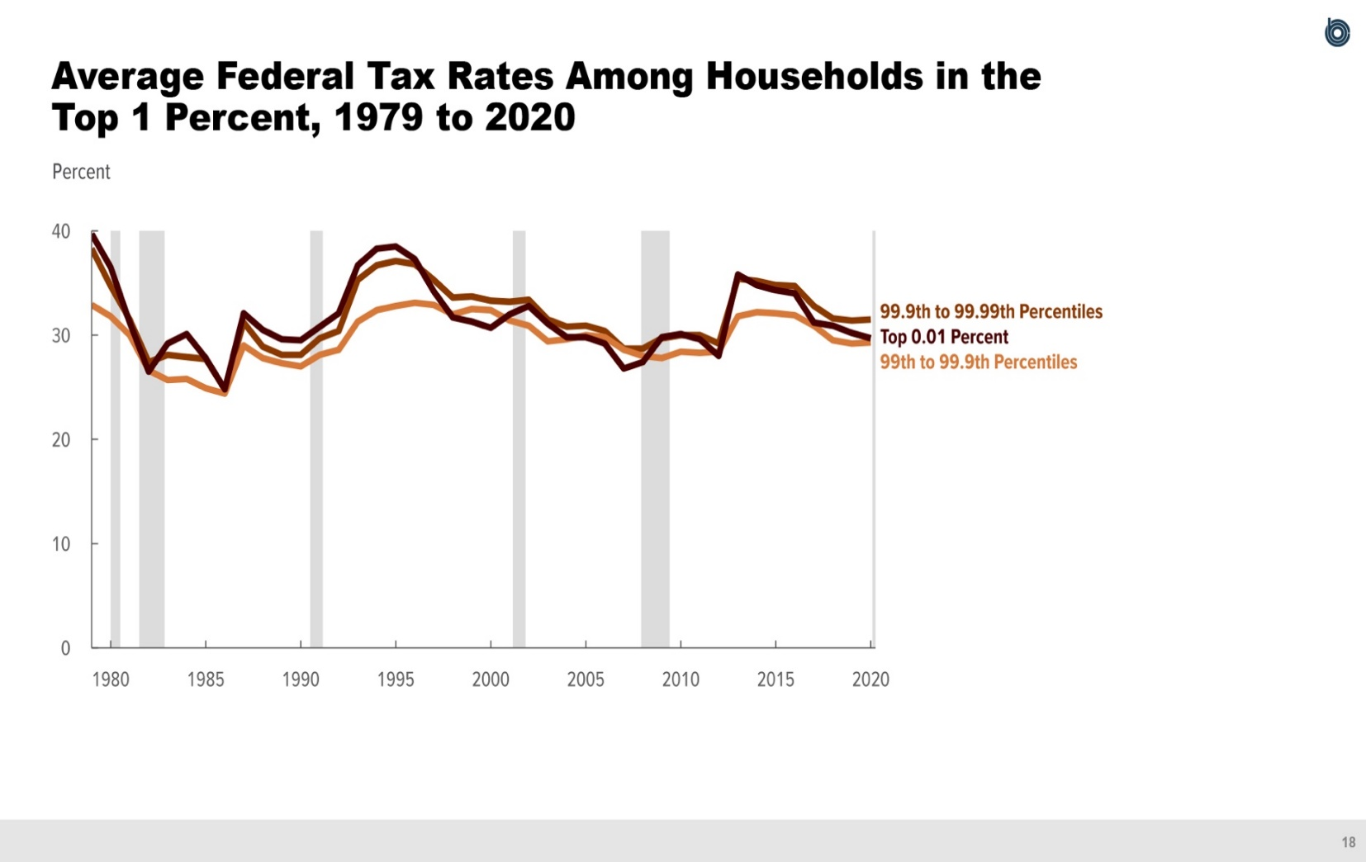
Figure 9.
Average Federal Tax Rates Among Households in the Top 1 Percent, 1979 to 2020
Percent
 | 99th to 99.9th Percentiles | 99.9th to 99.99th Percentiles | Top 0.01 Percent
1979 | 32.9 | 38.3 | 39.7
1980 | 31.8 | 34.7 | 36.5
1981 | 30.0 | 31.5 | 31.2
1982 | 26.6 | 27.4 | 26.5
1983 | 25.7 | 28.1 | 29.2
1984 | 25.8 | 27.9 | 30.1
1985 | 24.9 | 27.7 | 27.8
1986 | 24.4 | 24.8 | 24.8
1987 | 29.0 | 31.2 | 32.1
1988 | 27.8 | 28.9 | 30.5
1989 | 27.3 | 28.1 | 29.6
1990 | 27.0 | 28.1 | 29.5
1991 | 28.1 | 29.7 | 30.8
1992 | 28.6 | 30.4 | 32.1
1993 | 31.3 | 35.3 | 36.7
1994 | 32.4 | 36.7 | 38.3
1995 | 32.8 | 37.1 | 38.5
1996 | 33.1 | 36.8 | 37.3
1997 | 32.9 | 35.3 | 34.2
1998 | 32.0 | 33.6 | 31.7
1999 | 32.5 | 33.7 | 31.3
2000 | 32.4 | 33.3 | 30.7
2001 | 31.4 | 33.2 | 32.0
2002 | 30.9 | 33.4 | 32.8
2003 | 29.4 | 31.5 | 31.1
2004 | 29.6 | 30.8 | 29.8
2005 | 30.0 | 30.9 | 29.8
2006 | 29.8 | 30.4 | 29.2
2007 | 28.6 | 28.7 | 26.8
2008 | 28.0 | 28.7 | 27.4
2009 | 27.8 | 29.7 | 29.8
2010 | 28.4 | 30.0 | 30.1
2011 | 28.3 | 30.0 | 29.6
2012 | 28.4 | 29.2 | 28.0
2013 | 31.8 | 35.4 | 35.8
2014 | 32.2 | 35.2 | 34.8
2015 | 32.1 | 34.8 | 34.3
2016 | 31.9 | 34.7 | 34.0
2017 | 30.9 | 32.8 | 31.2
2018 | 29.5 | 31.6 | 30.9
2019 | 29.2 | 31.4 | 30.2
2020 | 29.3 | 31.5 | 29.7

Back to Table of Contents

Figure 10
This file presents the data underlying the figures in CBO's November 2023 slide deck Trends in the Distribution of Household Income from 1979 to 2020.
www.cbo.gov/publication/59510

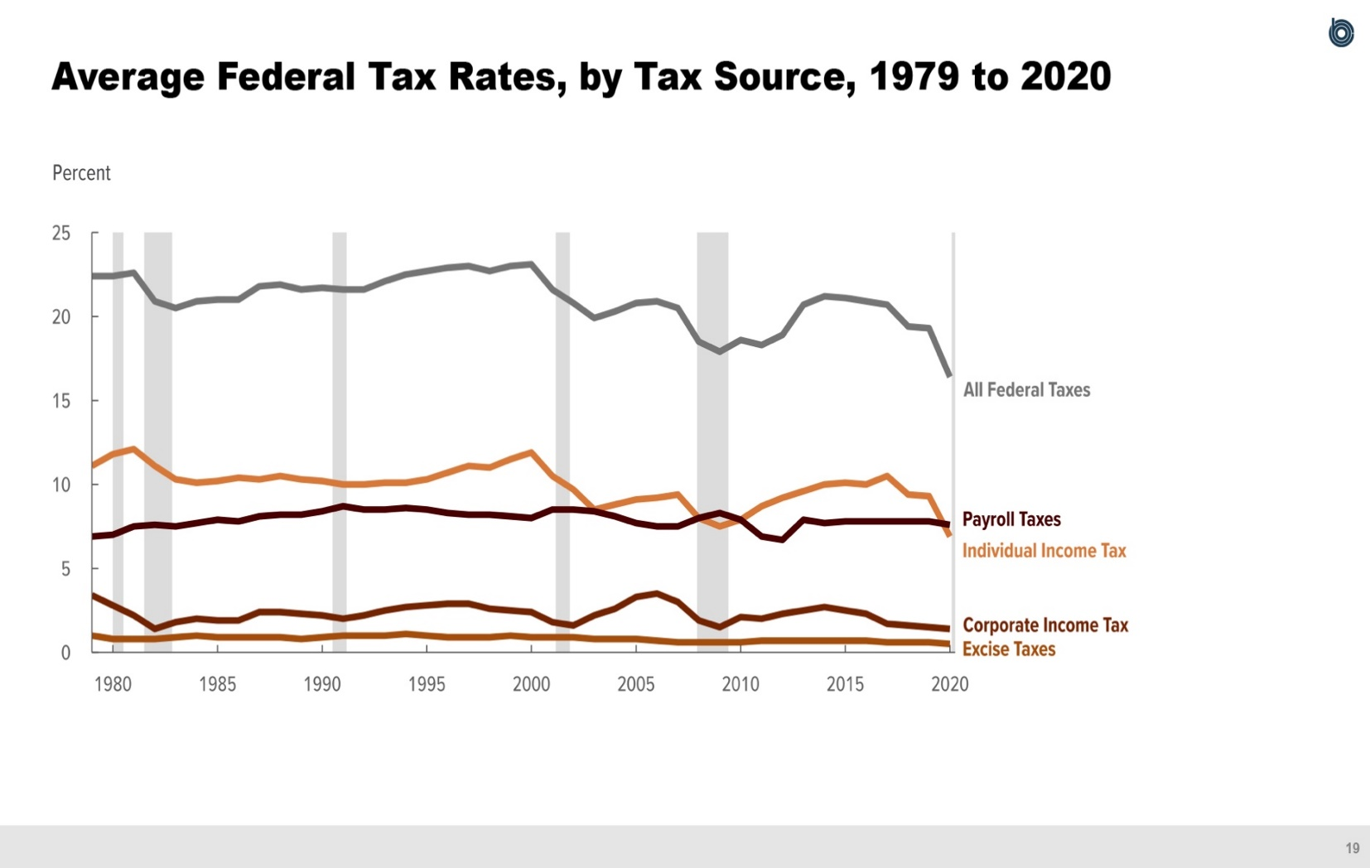
Figure 10.
Average Federal Tax Rates, by Tax Source, 1979 to 2020
Percent
 | All Federal Taxes | Individual Income Tax | Payroll Taxes | Corporate Income Tax | Excise Taxes
1979 | 22.4 | 11.1 | 6.9 | 3.4 | 1.0
1980 | 22.4 | 11.8 | 7.0 | 2.8 | 0.8
1981 | 22.6 | 12.1 | 7.5 | 2.2 | 0.8
1982 | 20.9 | 11.1 | 7.6 | 1.4 | 0.8
1983 | 20.5 | 10.3 | 7.5 | 1.8 | 0.9
1984 | 20.9 | 10.1 | 7.7 | 2.0 | 1.0
1985 | 21.0 | 10.2 | 7.9 | 1.9 | 0.9
1986 | 21.0 | 10.4 | 7.8 | 1.9 | 0.9
1987 | 21.8 | 10.3 | 8.1 | 2.4 | 0.9
1988 | 21.9 | 10.5 | 8.2 | 2.4 | 0.9
1989 | 21.6 | 10.3 | 8.2 | 2.3 | 0.8
1990 | 21.7 | 10.2 | 8.4 | 2.2 | 0.9
1991 | 21.6 | 10.0 | 8.7 | 2.0 | 1.0
1992 | 21.6 | 10.0 | 8.5 | 2.2 | 1.0
1993 | 22.1 | 10.1 | 8.5 | 2.5 | 1.0
1994 | 22.5 | 10.1 | 8.6 | 2.7 | 1.1
1995 | 22.7 | 10.3 | 8.5 | 2.8 | 1.0
1996 | 22.9 | 10.7 | 8.3 | 2.9 | 0.9
1997 | 23.0 | 11.1 | 8.2 | 2.9 | 0.9
1998 | 22.7 | 11.0 | 8.2 | 2.6 | 0.9
1999 | 23.0 | 11.5 | 8.1 | 2.5 | 1.0
2000 | 23.1 | 11.9 | 8.0 | 2.4 | 0.9
2001 | 21.6 | 10.5 | 8.5 | 1.8 | 0.9
2002 | 20.8 | 9.7 | 8.5 | 1.6 | 0.9
2003 | 19.9 | 8.5 | 8.4 | 2.2 | 0.8
2004 | 20.3 | 8.8 | 8.1 | 2.6 | 0.8
2005 | 20.8 | 9.1 | 7.7 | 3.3 | 0.8
2006 | 20.9 | 9.2 | 7.5 | 3.5 | 0.7
2007 | 20.5 | 9.4 | 7.5 | 3.0 | 0.6
2008 | 18.5 | 8.0 | 8.0 | 1.9 | 0.6
2009 | 17.9 | 7.5 | 8.3 | 1.5 | 0.6
2010 | 18.6 | 7.9 | 7.9 | 2.1 | 0.6
2011 | 18.3 | 8.7 | 6.9 | 2.0 | 0.7
2012 | 18.9 | 9.2 | 6.7 | 2.3 | 0.7
2013 | 20.7 | 9.6 | 7.9 | 2.5 | 0.7
2014 | 21.2 | 10.0 | 7.7 | 2.7 | 0.7
2015 | 21.1 | 10.1 | 7.8 | 2.5 | 0.7
2016 | 20.9 | 10.0 | 7.8 | 2.3 | 0.7
2017 | 20.7 | 10.5 | 7.8 | 1.7 | 0.6
2018 | 19.4 | 9.4 | 7.8 | 1.6 | 0.6
2019 | 19.3 | 9.3 | 7.8 | 1.5 | 0.6
2020 | 16.4 | 6.9 | 7.6 | 1.4 | 0.5

Back to Table of Contents

Figure 11
This file presents the data underlying the figures in CBO's November 2023 slide deck Trends in the Distribution of Household Income from 1979 to 2020.
www.cbo.gov/publication/59510

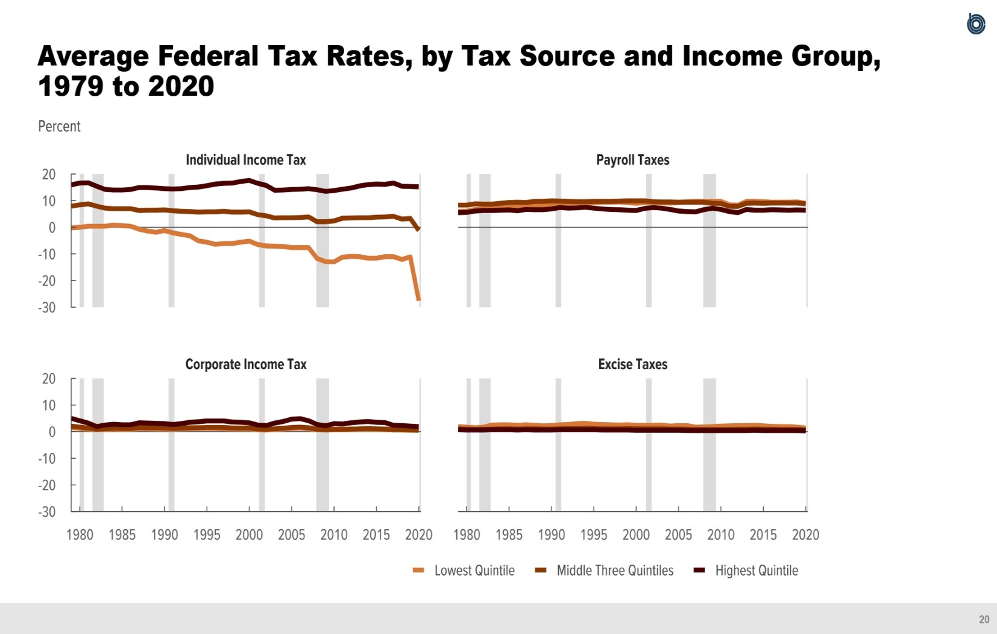
Figure 11.
Average Federal Tax Rates, by Tax Source and Income Group, 1979 to 2020
Percent
 | Individual Income Tax |  |  | Payroll Taxes |  |  | Corporate Income Tax |  |  | Excise Taxes
 | Lowest Quintile | Middle Three Quintiles | Highest Quintile | Lowest Quintile | Middle Three Quintiles | Highest Quintile | Lowest Quintile | Middle Three Quintiles | Highest Quintile | Lowest Quintile | Middle Three Quintiles | Highest Quintile
1979 | -0.2 | 7.9 | 15.9 | 6.0 | 8.3 | 5.5 | 1.5 | 2.1 | 5.0 | 1.9 | 1.1 | 0.7
1980 | 0.0 | 8.4 | 16.6 | 6.0 | 8.3 | 5.6 | 1.2 | 1.7 | 4.1 | 1.7 | 0.9 | 0.6
1981 | 0.4 | 8.8 | 16.7 | 6.7 | 8.8 | 6.1 | 1.0 | 1.4 | 3.2 | 1.5 | 0.8 | 0.6
1982 | 0.4 | 7.9 | 15.4 | 7.0 | 8.7 | 6.3 | 0.7 | 0.9 | 1.9 | 1.7 | 0.9 | 0.6
1983 | 0.4 | 7.2 | 14.2 | 7.4 | 8.7 | 6.3 | 0.8 | 1.1 | 2.5 | 2.5 | 1.0 | 0.7
1984 | 0.8 | 7.0 | 14.0 | 7.6 | 9.0 | 6.4 | 1.0 | 1.3 | 2.8 | 2.6 | 1.1 | 0.7
1985 | 0.6 | 7.0 | 14.0 | 7.8 | 9.3 | 6.5 | 0.8 | 1.2 | 2.6 | 2.6 | 1.1 | 0.7
1986 | 0.4 | 7.0 | 14.2 | 8.0 | 9.4 | 6.2 | 0.9 | 1.2 | 2.6 | 2.4 | 1.0 | 0.6
1987 | -0.7 | 6.3 | 14.9 | 7.7 | 9.3 | 6.7 | 1.1 | 1.6 | 3.3 | 2.6 | 1.1 | 0.7
1988 | -1.4 | 6.4 | 14.9 | 8.0 | 9.7 | 6.6 | 1.1 | 1.5 | 3.2 | 2.4 | 1.1 | 0.6
1989 | -1.9 | 6.4 | 14.7 | 8.3 | 9.7 | 6.6 | 1.0 | 1.5 | 3.1 | 2.2 | 1.0 | 0.6
1990 | -1.2 | 6.5 | 14.5 | 8.6 | 9.9 | 6.9 | 1.0 | 1.4 | 3.0 | 2.3 | 1.0 | 0.6
1991 | -2.1 | 6.2 | 14.4 | 8.7 | 9.8 | 7.4 | 0.9 | 1.2 | 2.7 | 2.6 | 1.1 | 0.7
1992 | -2.7 | 6.0 | 14.5 | 9.0 | 9.7 | 7.2 | 1.0 | 1.3 | 3.0 | 2.7 | 1.2 | 0.7
1993 | -3.2 | 5.9 | 14.9 | 9.1 | 9.6 | 7.3 | 1.1 | 1.5 | 3.5 | 3.0 | 1.2 | 0.7
1994 | -5.1 | 5.7 | 15.1 | 9.0 | 9.6 | 7.5 | 1.2 | 1.5 | 3.7 | 3.1 | 1.3 | 0.7
1995 | -5.6 | 5.8 | 15.6 | 9.2 | 9.7 | 7.2 | 1.2 | 1.6 | 4.0 | 2.8 | 1.2 | 0.7
1996 | -6.4 | 5.8 | 16.2 | 9.4 | 9.7 | 6.9 | 1.2 | 1.6 | 4.0 | 2.7 | 1.1 | 0.6
1997 | -6.1 | 6.0 | 16.5 | 9.4 | 9.7 | 6.7 | 1.1 | 1.6 | 4.0 | 2.6 | 1.1 | 0.6
1998 | -6.1 | 5.7 | 16.6 | 9.5 | 9.8 | 6.6 | 1.0 | 1.4 | 3.6 | 2.5 | 1.1 | 0.6
1999 | -5.6 | 5.7 | 17.2 | 9.3 | 9.9 | 6.4 | 1.0 | 1.4 | 3.5 | 2.6 | 1.2 | 0.6
2000 | -5.2 | 5.8 | 17.6 | 9.0 | 9.9 | 6.3 | 1.0 | 1.4 | 3.3 | 2.4 | 1.1 | 0.5
2001 | -6.5 | 4.7 | 16.5 | 9.3 | 9.9 | 7.1 | 0.7 | 1.0 | 2.5 | 2.4 | 1.1 | 0.5
2002 | -7.0 | 4.3 | 15.7 | 9.3 | 9.6 | 7.4 | 0.6 | 0.9 | 2.3 | 2.4 | 1.1 | 0.5
2003 | -7.1 | 3.5 | 13.9 | 9.2 | 9.5 | 7.2 | 0.8 | 1.1 | 3.2 | 2.5 | 1.1 | 0.5
2004 | -7.2 | 3.6 | 14.0 | 9.1 | 9.5 | 6.7 | 1.0 | 1.3 | 3.8 | 2.1 | 1.0 | 0.5
2005 | -7.6 | 3.6 | 14.2 | 9.3 | 9.4 | 6.1 | 1.2 | 1.6 | 4.7 | 2.3 | 1.0 | 0.5
2006 | -7.6 | 3.7 | 14.3 | 9.6 | 9.4 | 5.9 | 1.3 | 1.7 | 4.9 | 2.3 | 0.9 | 0.4
2007 | -7.6 | 3.9 | 14.5 | 9.7 | 9.4 | 5.8 | 1.1 | 1.5 | 4.1 | 1.7 | 0.8 | 0.4
2008 | -11.7 | 2.1 | 14.1 | 9.7 | 9.4 | 6.6 | 0.7 | 0.9 | 2.7 | 1.8 | 0.8 | 0.4
2009 | -12.9 | 2.1 | 13.5 | 9.7 | 9.0 | 7.2 | 0.6 | 0.7 | 2.2 | 1.9 | 0.8 | 0.4
2010 | -13.0 | 2.4 | 13.8 | 9.7 | 8.9 | 6.7 | 0.7 | 0.9 | 3.0 | 2.1 | 0.8 | 0.4
2011 | -11.2 | 3.4 | 14.3 | 8.4 | 7.8 | 5.9 | 0.7 | 0.9 | 2.9 | 2.2 | 0.8 | 0.4
2012 | -10.9 | 3.5 | 14.7 | 8.3 | 7.8 | 5.5 | 0.8 | 1.0 | 3.3 | 2.3 | 0.9 | 0.4
2013 | -11.0 | 3.6 | 15.5 | 9.7 | 9.0 | 6.7 | 0.9 | 1.1 | 3.6 | 2.3 | 0.9 | 0.4
2014 | -11.6 | 3.6 | 16.0 | 9.7 | 9.1 | 6.4 | 0.9 | 1.2 | 3.8 | 2.4 | 1.0 | 0.5
2015 | -11.6 | 3.8 | 16.2 | 9.6 | 9.0 | 6.4 | 0.9 | 1.1 | 3.5 | 2.2 | 0.9 | 0.4
2016 | -11.0 | 3.9 | 16.1 | 9.4 | 9.1 | 6.6 | 0.8 | 1.0 | 3.4 | 2.0 | 0.9 | 0.4
2017 | -11.0 | 4.1 | 16.6 | 9.4 | 9.1 | 6.5 | 0.6 | 0.8 | 2.4 | 1.9 | 0.8 | 0.4
2018 | -12.1 | 3.1 | 15.4 | 9.4 | 9.1 | 6.4 | 0.6 | 0.7 | 2.3 | 1.9 | 0.8 | 0.4
2019 | -11.1 | 3.3 | 15.3 | 9.5 | 9.1 | 6.5 | 0.5 | 0.7 | 2.1 | 1.7 | 0.8 | 0.4
2020 | -27.6 | -1.2 | 15.2 | 9.0 | 8.8 | 6.4 | 0.5 | 0.6 | 1.9 | 1.4 | 0.7 | 0.3

Back to Table of Contents

Figure 12
This file presents the data underlying the figures in CBO's November 2023 slide deck Trends in the Distribution of Household Income from 1979 to 2020.
www.cbo.gov/publication/59510

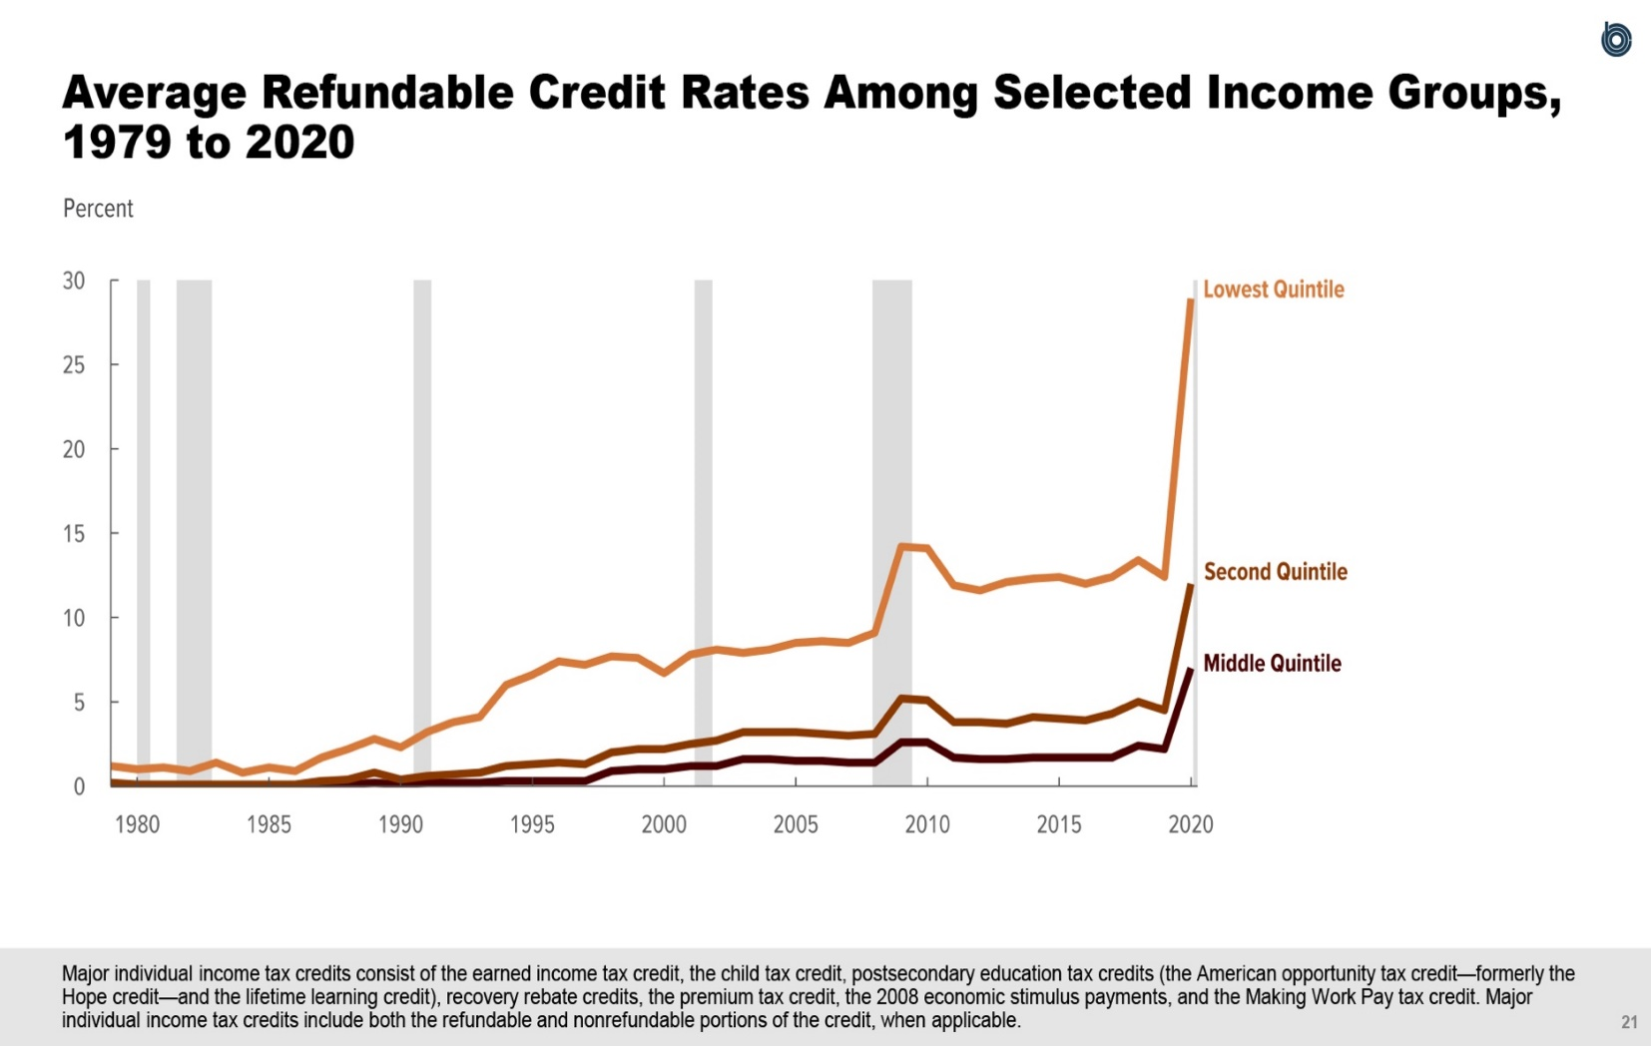
Figure 12.
Average Refundable Credit Rates Among Selected Income Groups, 1979 to 2020
Percent
 | Lowest Quintile | Second Quintile | Middle Quintile
1979 | 1.2 | 0.2 | 0.1
1980 | 1.0 | 0.1 | 0.0
1981 | 1.1 | 0.1 | 0.0
1982 | 0.9 | 0.1 | 0.0
1983 | 1.4 | 0.1 | 0.0
1984 | 0.8 | 0.1 | 0.0
1985 | 1.1 | 0.1 | 0.0
1986 | 0.9 | 0.1 | 0.0
1987 | 1.7 | 0.3 | 0.1
1988 | 2.2 | 0.4 | 0.1
1989 | 2.8 | 0.8 | 0.2
1990 | 2.3 | 0.4 | 0.1
1991 | 3.2 | 0.6 | 0.2
1992 | 3.8 | 0.7 | 0.2
1993 | 4.1 | 0.8 | 0.2
1994 | 6.0 | 1.2 | 0.3
1995 | 6.6 | 1.3 | 0.3
1996 | 7.4 | 1.4 | 0.3
1997 | 7.2 | 1.3 | 0.3
1998 | 7.7 | 2.0 | 0.9
1999 | 7.6 | 2.2 | 1.0
2000 | 6.7 | 2.2 | 1.0
2001 | 7.8 | 2.5 | 1.2
2002 | 8.1 | 2.7 | 1.2
2003 | 7.9 | 3.2 | 1.6
2004 | 8.1 | 3.2 | 1.6
2005 | 8.5 | 3.2 | 1.5
2006 | 8.6 | 3.1 | 1.5
2007 | 8.5 | 3.0 | 1.4
2008 | 9.1 | 3.1 | 1.4
2009 | 14.2 | 5.2 | 2.6
2010 | 14.1 | 5.1 | 2.6
2011 | 11.9 | 3.8 | 1.7
2012 | 11.6 | 3.8 | 1.6
2013 | 12.1 | 3.7 | 1.6
2014 | 12.3 | 4.1 | 1.7
2015 | 12.4 | 4.0 | 1.7
2016 | 12.0 | 3.9 | 1.7
2017 | 12.4 | 4.3 | 1.7
2018 | 13.4 | 5.0 | 2.4
2019 | 12.4 | 4.5 | 2.2
2020 | 28.9 | 12.0 | 7.0

Back to Table of Contents

Figure 13
This file presents the data underlying the figures in CBO's November 2023 slide deck Trends in the Distribution of Household Income from 1979 to 2020.
www.cbo.gov/publication/59510

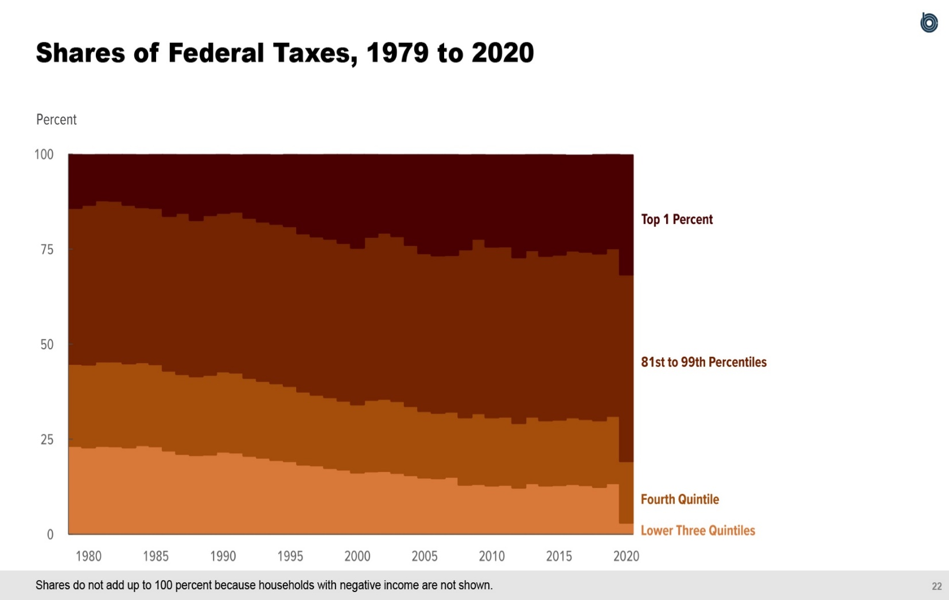
Figure 13.
Shares of Federal Taxes, 1979 to 2020
Percent
 | Lower Three Quintiles | Fourth Quintile | 81st to 99th Percentiles | Top 1 Percent
1979 | 23.2 | 21.6 | 41.0 | 14.1
1980 | 22.8 | 21.8 | 42.0 | 13.2
1981 | 23.2 | 22.2 | 42.4 | 12.1
1982 | 23.1 | 22.3 | 42.3 | 12.2
1983 | 22.8 | 22.1 | 41.7 | 13.3
1984 | 23.4 | 21.8 | 40.8 | 13.8
1985 | 23.1 | 21.6 | 41.1 | 14.1
1986 | 22.0 | 21.0 | 40.7 | 16.2
1987 | 21.1 | 21.0 | 42.4 | 15.3
1988 | 20.8 | 20.7 | 41.1 | 17.2
1989 | 20.9 | 21.0 | 42.0 | 15.9
1990 | 21.7 | 21.1 | 41.7 | 15.4
1991 | 21.5 | 21.0 | 42.3 | 14.9
1992 | 20.6 | 20.5 | 42.1 | 16.6
1993 | 20.1 | 20.2 | 41.9 | 17.6
1994 | 19.5 | 20.2 | 41.9 | 18.1
1995 | 19.2 | 19.8 | 42.0 | 18.9
1996 | 18.3 | 19.2 | 41.6 | 20.7
1997 | 18.1 | 18.6 | 41.6 | 21.5
1998 | 17.4 | 18.6 | 41.7 | 22.2
1999 | 17.0 | 18.1 | 41.5 | 23.3
2000 | 16.2 | 17.9 | 41.2 | 24.6
2001 | 16.5 | 18.8 | 42.9 | 21.7
2002 | 16.6 | 19.0 | 43.7 | 20.5
2003 | 16.1 | 18.9 | 43.4 | 21.4
2004 | 15.5 | 18.2 | 42.4 | 23.7
2005 | 14.9 | 17.5 | 41.5 | 25.9
2006 | 14.7 | 17.2 | 41.4 | 26.5
2007 | 15.1 | 17.1 | 41.2 | 26.4
2008 | 13.0 | 17.7 | 44.2 | 24.8
2009 | 13.2 | 18.6 | 45.9 | 22.1
2010 | 12.8 | 17.9 | 44.9 | 24.1
2011 | 13.0 | 17.9 | 44.8 | 24.0
2012 | 12.2 | 17.0 | 43.6 | 26.9
2013 | 13.4 | 17.5 | 43.8 | 25.1
2014 | 12.8 | 17.1 | 43.3 | 26.6
2015 | 12.9 | 17.2 | 43.4 | 26.2
2016 | 13.2 | 17.5 | 43.9 | 25.0
2017 | 12.9 | 17.4 | 44.0 | 25.3
2018 | 12.4 | 17.5 | 43.9 | 26.0
2019 | 13.4 | 17.7 | 44.1 | 24.7
2020 | 3.0 | 16.2 | 49.1 | 31.4

Back to Table of Contents

Figure 14
This file presents the data underlying the figures in CBO's November 2023 slide deck Trends in the Distribution of Household Income from 1979 to 2020.
www.cbo.gov/publication/59510

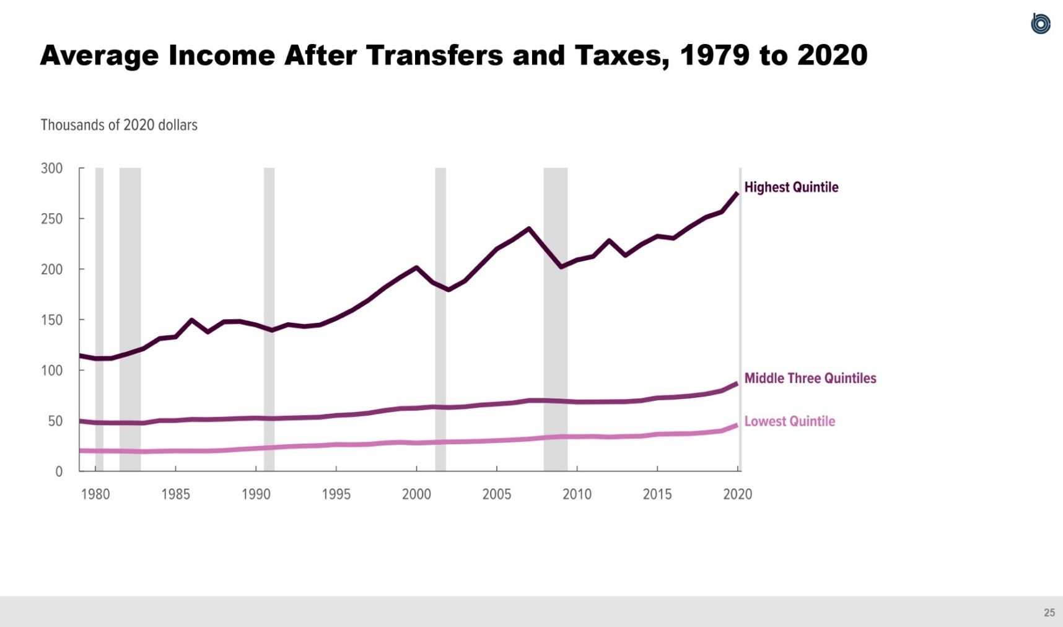
Figure 14.
Average Income After Transfers and Taxes, 1979 to 2020
Thousands of 2020 dollars
 | Lowest Quintile | Middle Three Quintiles | Highest Quintile
1979 | 20.3 | 49.6 | 114.3
1980 | 20.1 | 48.0 | 111.5
1981 | 20.0 | 47.8 | 111.6
1982 | 19.8 | 47.9 | 116.1
1983 | 19.4 | 47.6 | 121.3
1984 | 19.8 | 50.1 | 131.2
1985 | 20.1 | 50.1 | 132.9
1986 | 20.0 | 51.3 | 149.5
1987 | 20.0 | 51.1 | 137.7
1988 | 20.6 | 51.6 | 147.8
1989 | 21.7 | 52.2 | 148.1
1990 | 22.6 | 52.6 | 144.7
1991 | 23.4 | 52.1 | 139.4
1992 | 24.4 | 52.6 | 145.0
1993 | 25.0 | 53.0 | 143.1
1994 | 25.4 | 53.5 | 144.7
1995 | 26.4 | 55.3 | 151.2
1996 | 26.3 | 56.0 | 159.2
1997 | 26.6 | 57.4 | 169.1
1998 | 28.0 | 60.1 | 181.4
1999 | 28.6 | 62.0 | 191.9
2000 | 27.9 | 62.3 | 201.4
2001 | 28.5 | 63.7 | 186.7
2002 | 29.0 | 63.0 | 179.4
2003 | 29.3 | 63.8 | 188.1
2004 | 29.7 | 65.5 | 204.0
2005 | 30.3 | 66.5 | 219.9
2006 | 31.0 | 67.6 | 228.9
2007 | 31.9 | 70.0 | 240.0
2008 | 33.2 | 70.0 | 220.8
2009 | 34.3 | 69.4 | 202.0
2010 | 34.2 | 68.5 | 209.0
2011 | 34.4 | 68.6 | 212.4
2012 | 33.8 | 68.7 | 228.2
2013 | 34.4 | 68.9 | 213.4
2014 | 34.7 | 69.8 | 224.3
2015 | 36.6 | 72.6 | 232.5
2016 | 36.9 | 73.2 | 230.4
2017 | 37.1 | 74.4 | 241.4
2018 | 38.3 | 76.3 | 251.1
2019 | 39.9 | 79.5 | 256.5
2020 | 45.8 | 87.1 | 275.7

Back to Table of Contents

Figure 15
This file presents the data underlying the figures in CBO's November 2023 slide deck Trends in the Distribution of Household Income from 1979 to 2020.
www.cbo.gov/publication/59510

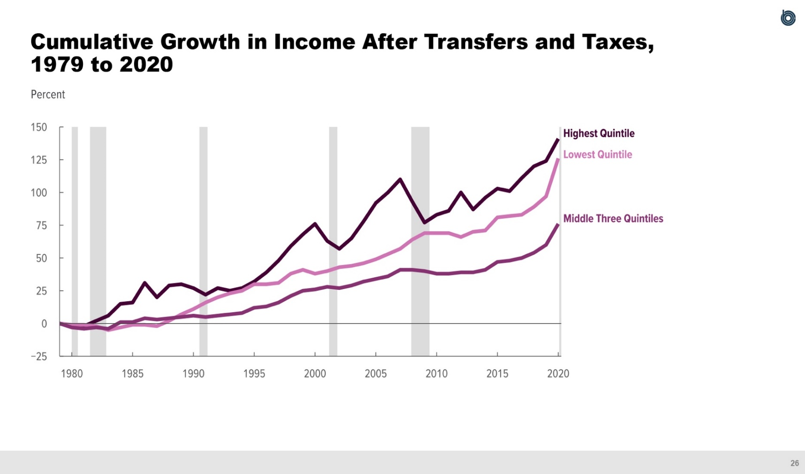
Figure 15.
Cumulative Growth in Income After Transfers and Taxes, 1979 to 2020
Percent
 | Lowest Quintile | Middle Three Quintiles | Highest Quintile
1979 | 0 | 0 | 0
1980 | -1 | -3 | -2
1981 | -1 | -4 | -2
1982 | -2 | -3 | 2
1983 | -5 | -4 | 6
1984 | -3 | 1 | 15
1985 | -1 | 1 | 16
1986 | -1 | 4 | 31
1987 | -2 | 3 | 20
1988 | 2 | 4 | 29
1989 | 7 | 5 | 30
1990 | 11 | 6 | 27
1991 | 16 | 5 | 22
1992 | 20 | 6 | 27
1993 | 23 | 7 | 25
1994 | 25 | 8 | 27
1995 | 30 | 12 | 32
1996 | 30 | 13 | 39
1997 | 31 | 16 | 48
1998 | 38 | 21 | 59
1999 | 41 | 25 | 68
2000 | 38 | 26 | 76
2001 | 40 | 28 | 63
2002 | 43 | 27 | 57
2003 | 44 | 29 | 65
2004 | 46 | 32 | 78
2005 | 49 | 34 | 92
2006 | 53 | 36 | 100
2007 | 57 | 41 | 110
2008 | 64 | 41 | 93
2009 | 69 | 40 | 77
2010 | 69 | 38 | 83
2011 | 69 | 38 | 86
2012 | 66 | 39 | 100
2013 | 70 | 39 | 87
2014 | 71 | 41 | 96
2015 | 81 | 47 | 103
2016 | 82 | 48 | 101
2017 | 83 | 50 | 111
2018 | 89 | 54 | 120
2019 | 97 | 60 | 124
2020 | 126 | 76 | 141

Back to Table of Contents

Figure 16
This file presents the data underlying the figures in CBO's November 2023 slide deck Trends in the Distribution of Household Income from 1979 to 2020.
www.cbo.gov/publication/59510

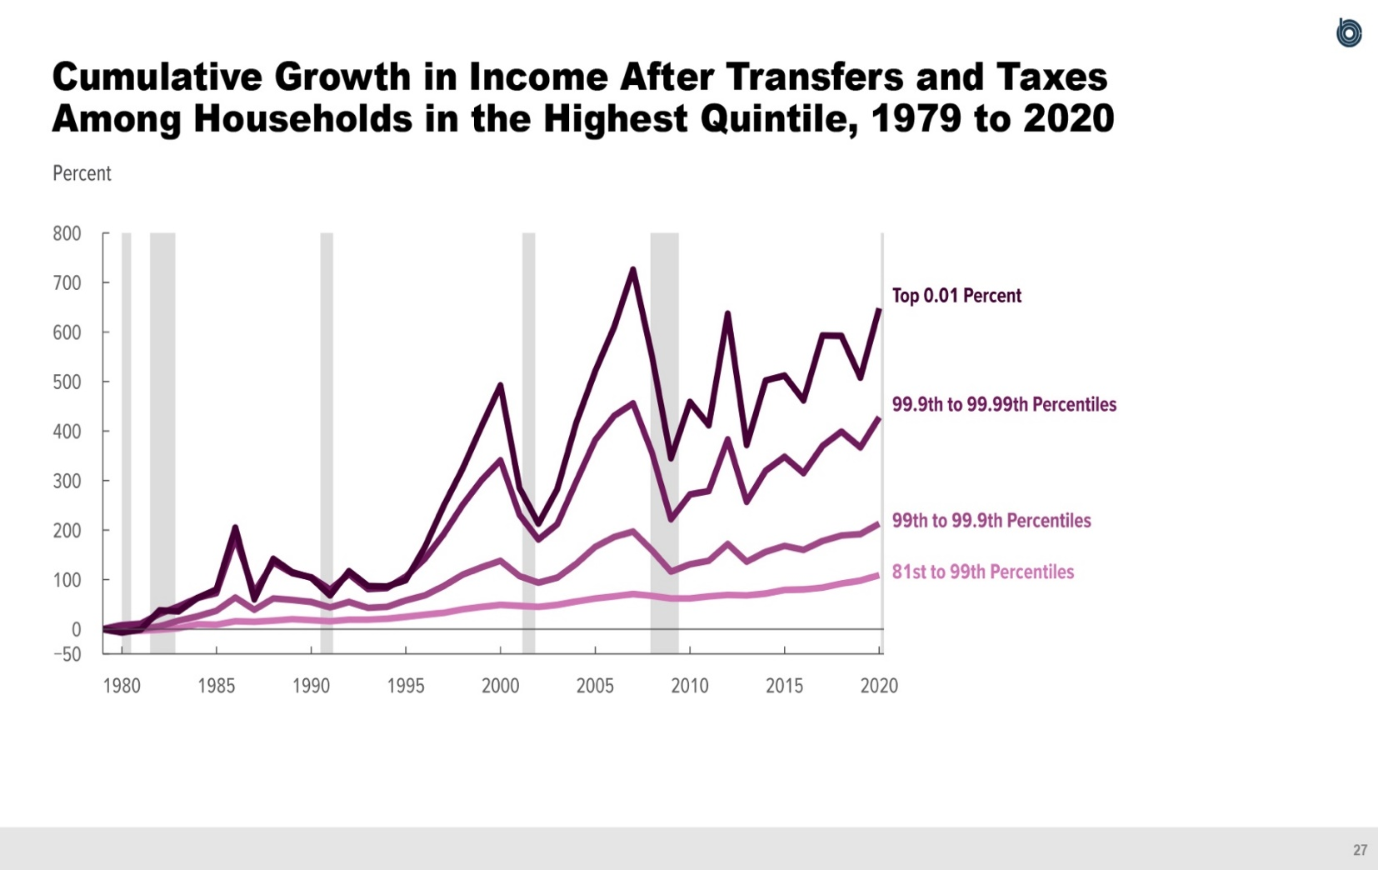
Figure 16.
Cumulative Growth in Income After Transfers and Taxes Among Households in the Highest Quintile, 1979 to 2020
Percent
 | 81st to 99th Percentiles | 99th to 99.9th Percentiles | 99.9th to 99.99th Percentiles | Top 0.01 Percent
1979 | 0 | 0 | 0 | 0
1980 | -3 | -1 | 8 | -7
1981 | -3 | 0 | 11 | -1
1982 | -1 | 6 | 31 | 38
1983 | 2 | 17 | 46 | 36
1984 | 10 | 26 | 63 | 63
1985 | 9 | 37 | 73 | 80
1986 | 16 | 64 | 184 | 205
1987 | 15 | 39 | 75 | 60
1988 | 17 | 62 | 135 | 142
1989 | 20 | 59 | 113 | 115
1990 | 18 | 55 | 105 | 104
1991 | 16 | 44 | 80 | 68
1992 | 19 | 55 | 111 | 117
1993 | 19 | 43 | 81 | 87
1994 | 21 | 45 | 83 | 86
1995 | 25 | 58 | 106 | 99
1996 | 29 | 68 | 142 | 165
1997 | 33 | 87 | 192 | 249
1998 | 40 | 110 | 251 | 324
1999 | 45 | 125 | 301 | 410
2000 | 49 | 138 | 341 | 492
2001 | 47 | 107 | 231 | 285
2002 | 45 | 94 | 181 | 213
2003 | 49 | 104 | 212 | 283
2004 | 56 | 132 | 298 | 417
2005 | 62 | 166 | 382 | 521
2006 | 66 | 186 | 431 | 610
2007 | 71 | 197 | 456 | 726
2008 | 67 | 159 | 356 | 551
2009 | 62 | 116 | 222 | 345
2010 | 62 | 131 | 272 | 459
2011 | 66 | 138 | 279 | 412
2012 | 69 | 172 | 383 | 637
2013 | 68 | 136 | 257 | 372
2014 | 72 | 156 | 320 | 502
2015 | 79 | 168 | 348 | 512
2016 | 80 | 160 | 315 | 462
2017 | 84 | 178 | 370 | 593
2018 | 92 | 189 | 399 | 592
2019 | 98 | 192 | 367 | 508
2020 | 109 | 213 | 428 | 648

Back to Table of Contents

Figure 17
This file presents the data underlying the figures in CBO's November 2023 slide deck Trends in the Distribution of Household Income from 1979 to 2020.
www.cbo.gov/publication/59510

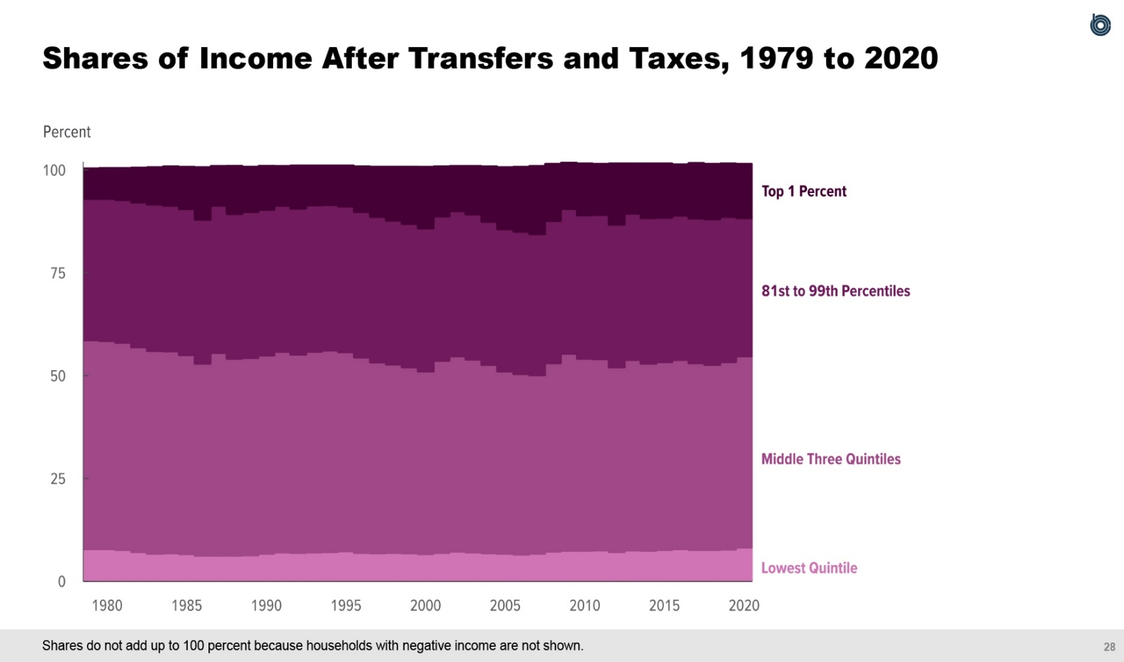
Figure 17.
Shares of Income After Transfers and Taxes, 1979 to 2020
Percent
 | Lowest Quintile | Middle Three Quintiles | 81st to 99th Percentiles | Top 1 Percent
1979 | 7.8 | 50.8 | 34.4 | 7.4
1980 | 7.8 | 50.6 | 34.6 | 7.5
1981 | 7.6 | 50.4 | 34.7 | 7.8
1982 | 7.1 | 49.8 | 35.2 | 8.5
1983 | 6.7 | 49.3 | 35.6 | 9.1
1984 | 6.8 | 49.1 | 35.4 | 9.6
1985 | 6.6 | 48.4 | 35.5 | 10.3
1986 | 6.2 | 46.7 | 35.0 | 12.8
1987 | 6.2 | 49.3 | 35.8 | 9.7
1988 | 6.2 | 47.9 | 35.2 | 11.7
1989 | 6.3 | 48.0 | 35.5 | 11.0
1990 | 6.7 | 48.2 | 35.4 | 10.7
1991 | 7.0 | 48.8 | 35.5 | 9.7
1992 | 6.9 | 48.2 | 35.5 | 10.5
1993 | 7.0 | 48.8 | 35.6 | 9.7
1994 | 7.1 | 49.0 | 35.4 | 9.6
1995 | 7.3 | 48.4 | 35.4 | 10.0
1996 | 6.9 | 47.5 | 35.4 | 11.1
1997 | 6.8 | 46.4 | 35.4 | 12.2
1998 | 6.9 | 45.8 | 35.0 | 13.1
1999 | 6.8 | 45.2 | 34.9 | 13.9
2000 | 6.6 | 44.4 | 34.8 | 15.0
2001 | 6.9 | 46.7 | 35.1 | 12.2
2002 | 7.2 | 47.5 | 35.3 | 11.0
2003 | 7.0 | 46.9 | 35.3 | 11.8
2004 | 6.8 | 45.8 | 34.8 | 13.5
2005 | 6.7 | 44.3 | 34.6 | 15.1
2006 | 6.5 | 43.9 | 34.6 | 15.8
2007 | 6.7 | 43.4 | 34.3 | 16.6
2008 | 7.2 | 45.8 | 34.6 | 13.9
2009 | 7.4 | 47.9 | 35.2 | 11.3
2010 | 7.4 | 46.7 | 34.9 | 12.6
2011 | 7.5 | 46.5 | 35.1 | 12.4
2012 | 7.1 | 44.9 | 34.7 | 14.9
2013 | 7.5 | 46.3 | 35.6 | 12.2
2014 | 7.4 | 45.5 | 35.4 | 13.3
2015 | 7.6 | 45.7 | 35.1 | 13.2
2016 | 7.8 | 46.0 | 35.1 | 12.5
2017 | 7.6 | 45.4 | 35.2 | 13.5
2018 | 7.6 | 45.0 | 35.4 | 13.5
2019 | 7.7 | 45.6 | 35.3 | 13.0
2020 | 8.2 | 46.5 | 33.6 | 13.2

Back to Table of Contents

Figure 18
This file presents the data underlying the figures in CBO's November 2023 slide deck Trends in the Distribution of Household Income from 1979 to 2020.
www.cbo.gov/publication/59510

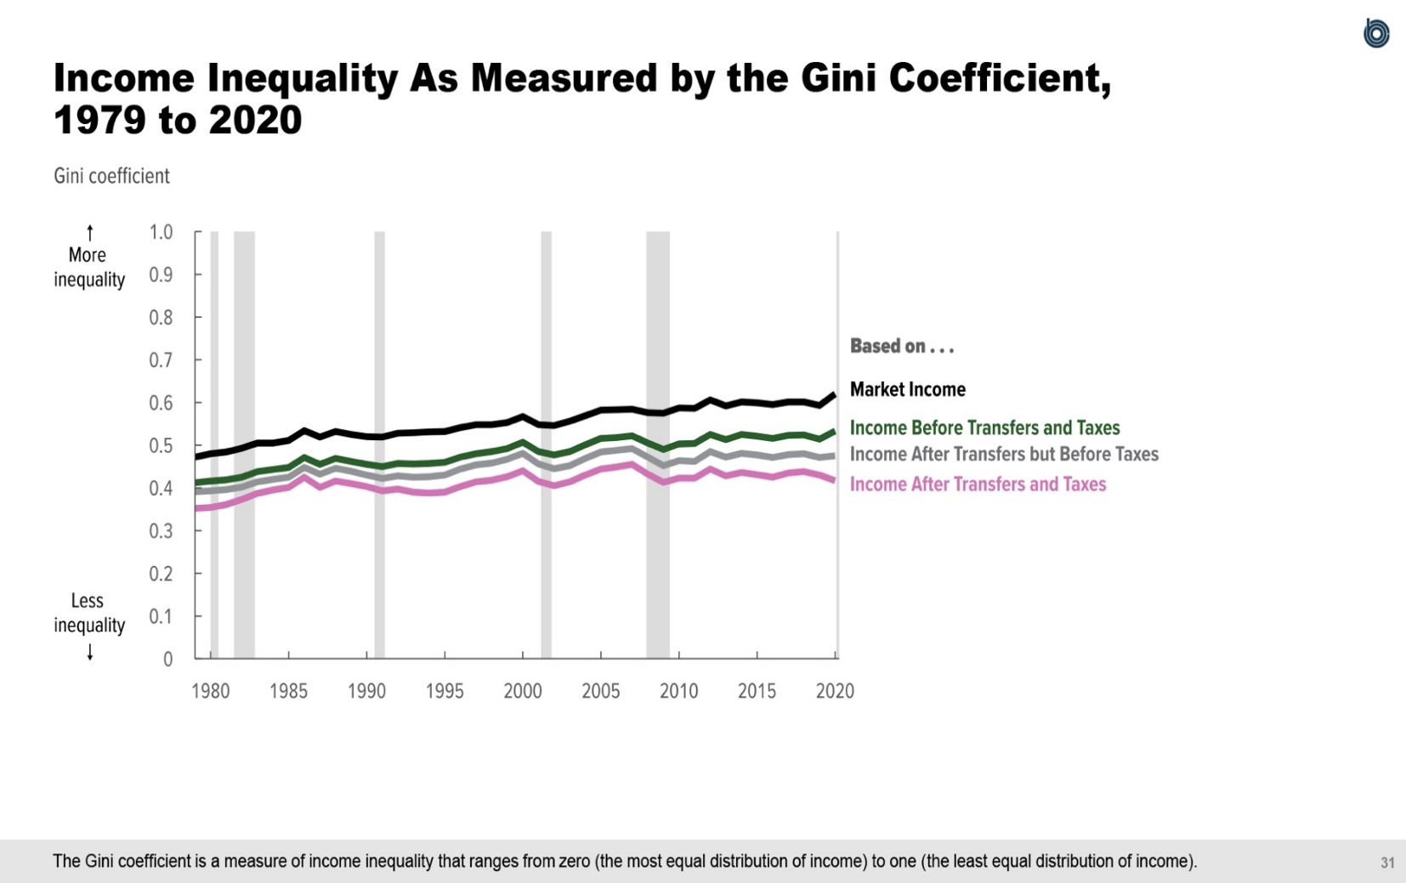
Figure 18.
Income Inequality As Measured by the Gini Coefficient, 1979 to 2020
Gini coefficient
 | Based on Market Income | Based on Income Before Transfers and Taxes | Based on Income After Transfers but Before Taxes | Based on Income After Transfers and Taxes
1979 | 0.472 | 0.412 | 0.391 | 0.352
1980 | 0.480 | 0.416 | 0.393 | 0.354
1981 | 0.484 | 0.419 | 0.396 | 0.361
1982 | 0.493 | 0.425 | 0.402 | 0.373
1983 | 0.505 | 0.438 | 0.414 | 0.387
1984 | 0.505 | 0.443 | 0.420 | 0.395
1985 | 0.511 | 0.448 | 0.425 | 0.401
1986 | 0.534 | 0.471 | 0.448 | 0.425
1987 | 0.519 | 0.455 | 0.432 | 0.401
1988 | 0.532 | 0.469 | 0.446 | 0.416
1989 | 0.525 | 0.462 | 0.439 | 0.410
1990 | 0.520 | 0.455 | 0.430 | 0.403
1991 | 0.519 | 0.450 | 0.422 | 0.393
1992 | 0.528 | 0.457 | 0.428 | 0.397
1993 | 0.529 | 0.456 | 0.425 | 0.390
1994 | 0.531 | 0.457 | 0.426 | 0.388
1995 | 0.532 | 0.460 | 0.430 | 0.390
1996 | 0.541 | 0.472 | 0.444 | 0.403
1997 | 0.548 | 0.480 | 0.454 | 0.414
1998 | 0.548 | 0.485 | 0.458 | 0.418
1999 | 0.553 | 0.492 | 0.467 | 0.426
2000 | 0.567 | 0.507 | 0.481 | 0.440
2001 | 0.548 | 0.485 | 0.456 | 0.415
2002 | 0.546 | 0.477 | 0.445 | 0.405
2003 | 0.556 | 0.485 | 0.452 | 0.414
2004 | 0.569 | 0.501 | 0.469 | 0.430
2005 | 0.582 | 0.516 | 0.484 | 0.444
2006 | 0.583 | 0.518 | 0.488 | 0.449
2007 | 0.584 | 0.522 | 0.492 | 0.455
2008 | 0.576 | 0.505 | 0.472 | 0.432
2009 | 0.575 | 0.490 | 0.452 | 0.413
2010 | 0.587 | 0.503 | 0.464 | 0.423
2011 | 0.586 | 0.504 | 0.462 | 0.423
2012 | 0.606 | 0.525 | 0.485 | 0.444
2013 | 0.592 | 0.513 | 0.472 | 0.428
2014 | 0.601 | 0.525 | 0.481 | 0.436
2015 | 0.599 | 0.521 | 0.477 | 0.431
2016 | 0.595 | 0.516 | 0.471 | 0.425
2017 | 0.601 | 0.523 | 0.478 | 0.435
2018 | 0.601 | 0.524 | 0.480 | 0.438
2019 | 0.593 | 0.514 | 0.471 | 0.430
2020 | 0.620 | 0.533 | 0.475 | 0.417

Back to Table of Contents

Figure 19
This file presents the data underlying the figures in CBO's November 2023 slide deck Trends in the Distribution of Household Income from 1979 to 2020.
www.cbo.gov/publication/59510

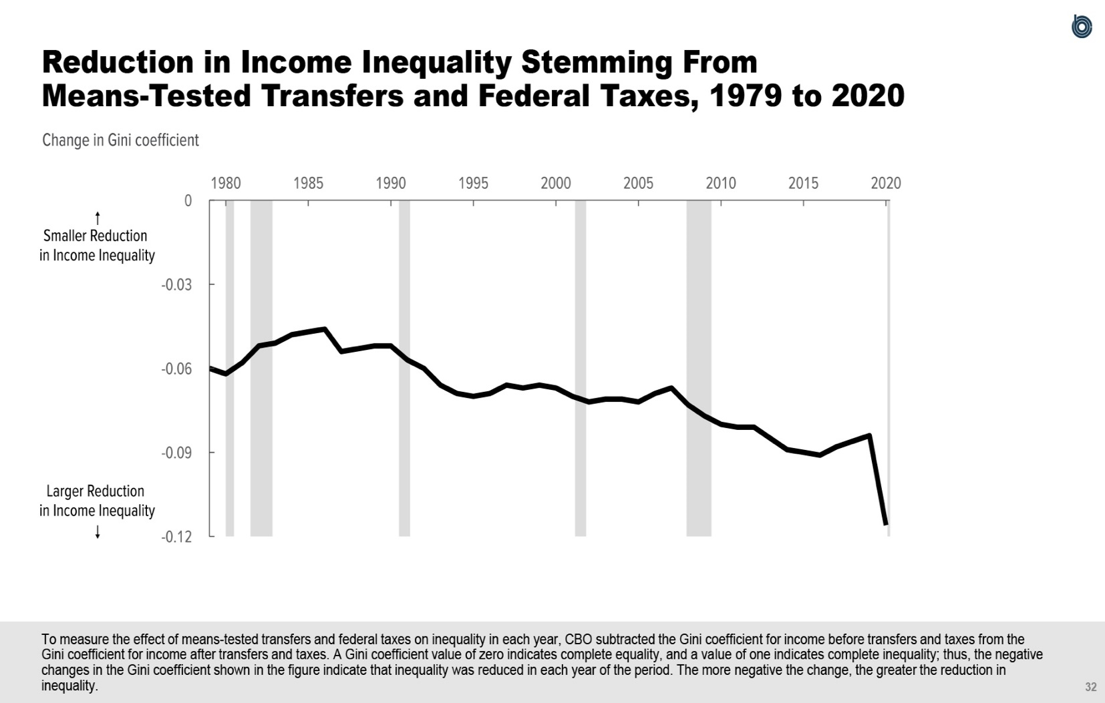
Figure 19.
Reduction in Income Inequality Stemming From Means-Tested Transfers and Federal Taxes, 1979 to 2020
Change in Gini coefficient
1979 | -0.060
1980 | -0.062
1981 | -0.058
1982 | -0.052
1983 | -0.051
1984 | -0.048
1985 | -0.047
1986 | -0.046
1987 | -0.054
1988 | -0.053
1989 | -0.052
1990 | -0.052
1991 | -0.057
1992 | -0.060
1993 | -0.066
1994 | -0.069
1995 | -0.070
1996 | -0.069
1997 | -0.066
1998 | -0.067
1999 | -0.066
2000 | -0.067
2001 | -0.070
2002 | -0.072
2003 | -0.071
2004 | -0.071
2005 | -0.072
2006 | -0.069
2007 | -0.067
2008 | -0.073
2009 | -0.077
2010 | -0.080
2011 | -0.081
2012 | -0.081
2013 | -0.085
2014 | -0.089
2015 | -0.090
2016 | -0.091
2017 | -0.088
2018 | -0.086
2019 | -0.084
2020 | -0.116

Back to Table of Contents

