Summary
Introduction
Report Date: | 2017-03-31
This report provides a bill of materials (BOM) listing the open source software (OSS) components identified by a scan assessment conducted on files provided by the client, the result of scanning and analysis by OpenLogic scanner and Rogue Wave Software Audit Services team. Results include a listing of open source packages identified and their associated open source license(s). For all common licenses we have provided analysis summarizing license obligations. Also, we indicate files catagorized under other non open source software models (such as freeware, commercial, or in-house software).
Project Information
Client Name |  | Rogue Wave
Project Name: |  | Sample
Project Number: |  | OSAR44953
Filenames: |  | /sample-audit/
Source of Project Files: |  | Provided by client
SHA-256 Checksum: |  | e3b0c44298fc1c149afbf4c8996fb92427ae41e4649b934ca495991b7852b855
Number of Files Scanned: |  | 12778
Number of Open Source Package Identified: |  | 41
Number of Open Source Licenses Identified: |  | 21

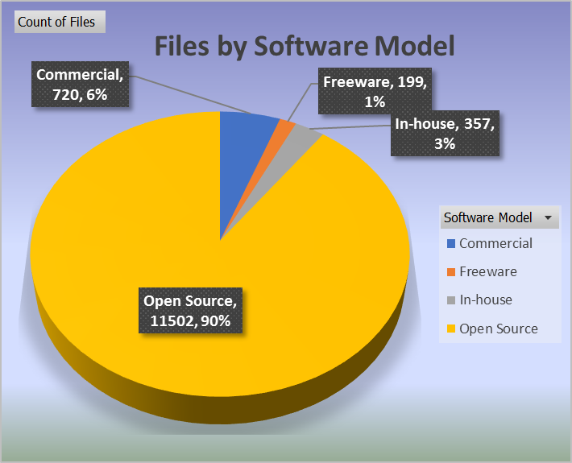
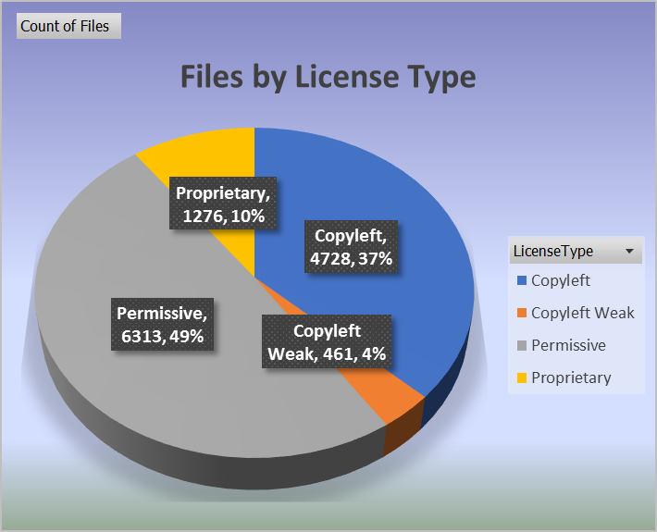
chart1 |  |  | Chart1

Report Layout
Report contains 7 worksheets detailing the scan-analysis results as described below (click each for link to sheet).
● Report Summary - this worksheet. and details
● BOM (Bill of Material) – list of the OSS packages, number of files for each package, associated license(s) identified, Software Model, License Type, License Option1 (most permissive licenses choice where available), and any special package notes.
● by License – a list of the OSS packages identified organized by license.
● Files – a list of the full path and file name for each file analyzed. Also included is the associated OSS package name, OSS license, copyrights detected, and any audit notes for each file.
● Licenses – a list of the OSS licenses identified in the scan.
● License Obligations Summary – detailed list of all potential license compliance obligations and requirements for each, by license.
● License Obligations Details - detailed list of all potential license compliance obligations and requirements for each, by license.

Rogue Wave Legal Disclaimer
Rogue Wave Software, Inc. is not engaged in the rendering of legal advice. This report provides legal information, which should not be confused with legal advice. The OSS license information is not meant to provide a comprehensive legal analysis of a particular situation, but is meant to provide an informational starting point for the open source software user. Legal advice must be tailored to the specifics of each situation; the law differs from one jurisdiction to another and is subject to the interpretation of courts. You are strongly encouraged to consult with an attorney regarding specific issues, course of action, and interpretation.

ALL WARRANTIES OF ANY KIND ARE EXPRESSLY DISCLAIMED. Rogue Wave Software, Inc. provides links to third-party sites while accepting no responsibility for the reliableness thereof, and will NOT BE LIABLE FOR ANY DIRECT, INDIRECT or any other kind of loss.<br><br> CVE is a registered trademark of the MITRE Corporation and the authoritative source of CVE content is MITRE's CVE web site. Use of this information constitutes acceptance for use in an AS IS condition. There are NO warranties, implied or otherwise, with regard to this information or its use. Any use of this information is at the user's risk. It is the responsibility of user to evaluate the accuracy, completeness or usefulness of any information, opinion, advice or other content.
BOM is a listing of all identified packages and their licenses. Software Models: Open Source, Non-Open-Source (Proprietary): Freeware, Commercial, and In-House License Types (open source licenses): Copyleft, Copyleft Weak and non-copyleft (Permissive) Copyleft provisions can be imposed to all derived works which means that the first creator of the works has the most rights. The most well known free software license that uses strong copyleft is the GNU General Public License. Weak copyleft refers to license where not all derived work inherits the copyleft license. Weak copyleft licenses are mostly used for software libraries by allowing links to other libraries (GNU Lesser General Public License). Permissive licenses (non-copyleft) Commercial. Freeware, and In-House software is catagorized as Proprietary Licensing. Dual, or multiple licenses options: Some software packages offer multiple licenses to choose from. Choices types are: * disjunctive: choice of licenses (either/or) * conjunctive: no choice, all licenses apply (all/and) * single: no choice, one license identified Typically, for disjunctive license choices, the most permissive is chosen (as reflected on BOM tab, LIcense Option1) and the alternative license(s) are usually offered to accomidate license compatibility, or potential conflicts between licenses. License Option1: If License choice Type is disjunctive, License Option1 is most permissive option available. if conjunctive, all licenses (or the least permissive) are listed under License Option1.
CVE Terminology and FAQ What is CVE? CVE is a list of information security vulnerabilities and exposures that aims to provide common names for publicly known problems. The goal of CVE is to make it easier to share data across separate vulnerability capabilities (tools, repositories, and services) with this "common enumeration." Please visit http://cve.mitre.org/about/faqs.html for more information What is a "Vulnerability?" An information security "vulnerability" is a mistake in software that can be directly used by a hacker to gain access to a system or network. What is an "Exposure?" An information security exposure is a mistake in software that allows access to information or capabilities that can be used by a hacker as a stepping-stone into a system or network. What is a CVE Identifier? CVE Identifiers (also called "CVE names," "CVE numbers," "CVE-IDs," and "CVEs") are unique, common identifiers for publicly known information security vulnerabilities. Each CVE Identifier includes the following: - CVE identifier number (i.e., "CVE-1999-0067"). - Indication of "entry" or "candidate" status. - Brief description of the security vulnerability or exposure. - Any pertinent references (i.e., vulnerability reports and advisories or OVAL-ID). - CVE Identifiers are used by information security product/service vendors and researchers as a standard method for identifying vulnerabilities and for cross-linking with other repositories that also use CVE Identifiers. Who owns CVE? The MITRE Corporation maintains CVE and cvedetails.com public Web site, manages the compatibility program, and provides impartial technical guidance to the CVE Editorial Board throughout the process to ensure CVE serves the public interest. Please visit cve.mitre.org for more information.

