Sheet1
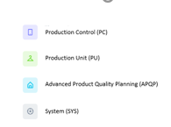

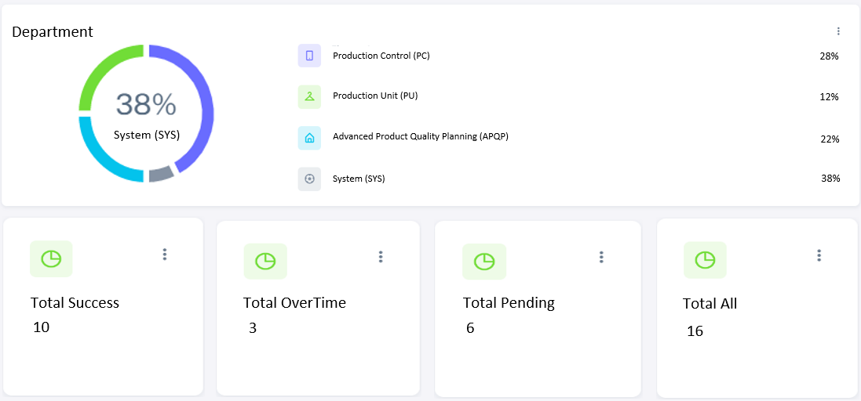
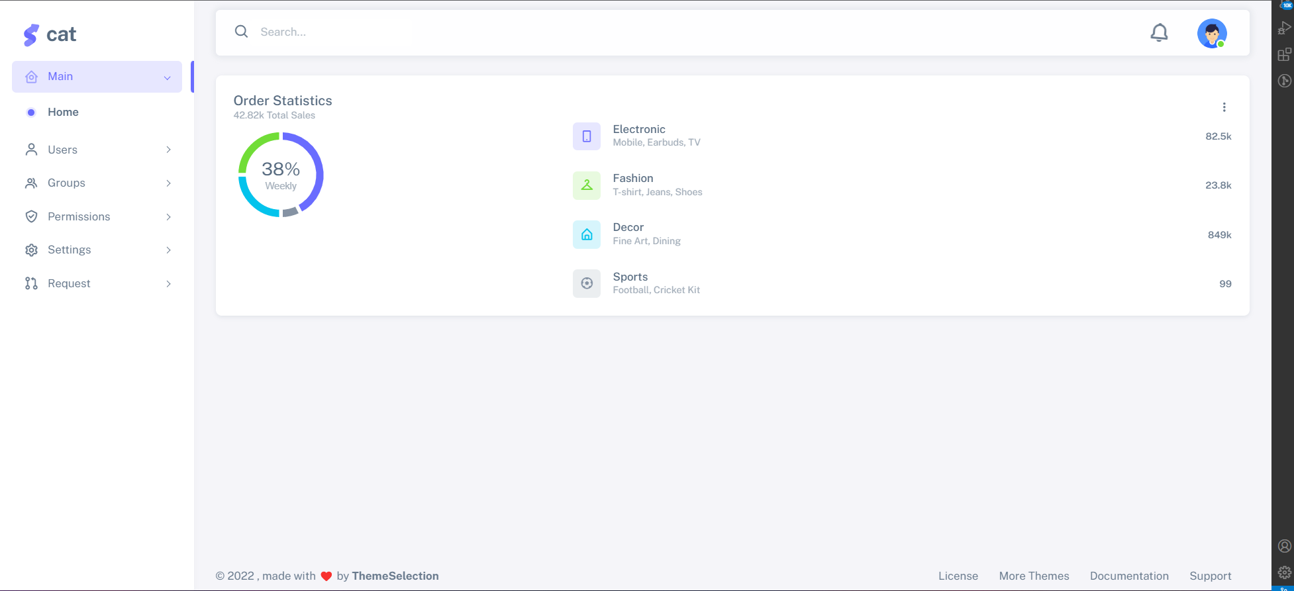
Cat

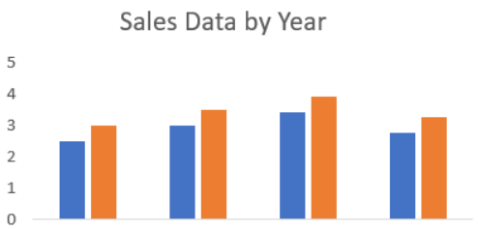
Department
Request
Incident
Department
Category
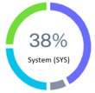

Production Control (PC)
28%

Production Unit (PU)
100%
100%
12%
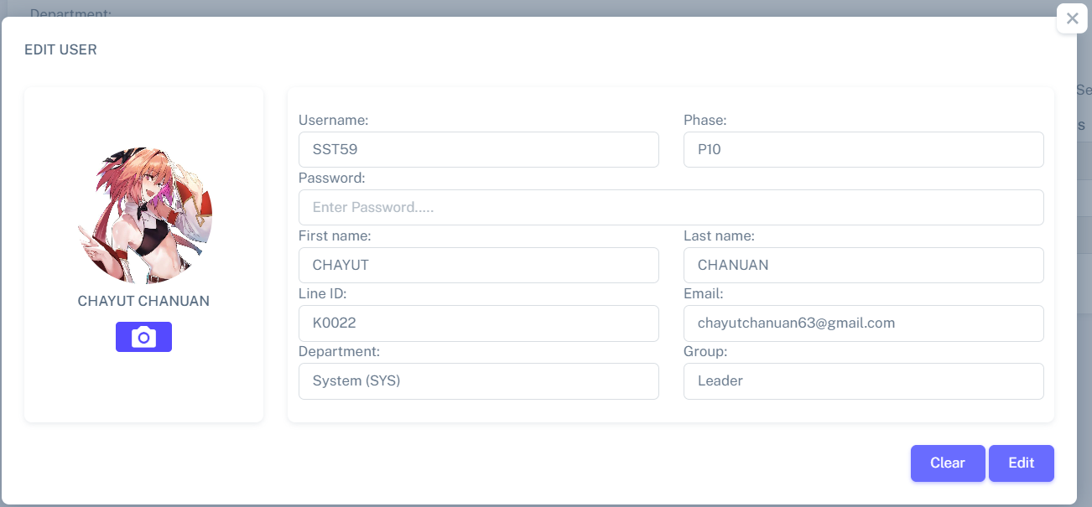

System (SYS)
Advanced Product Quality Planning (APQP)
22%

System (SYS)
38%
Cat

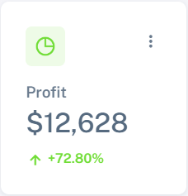

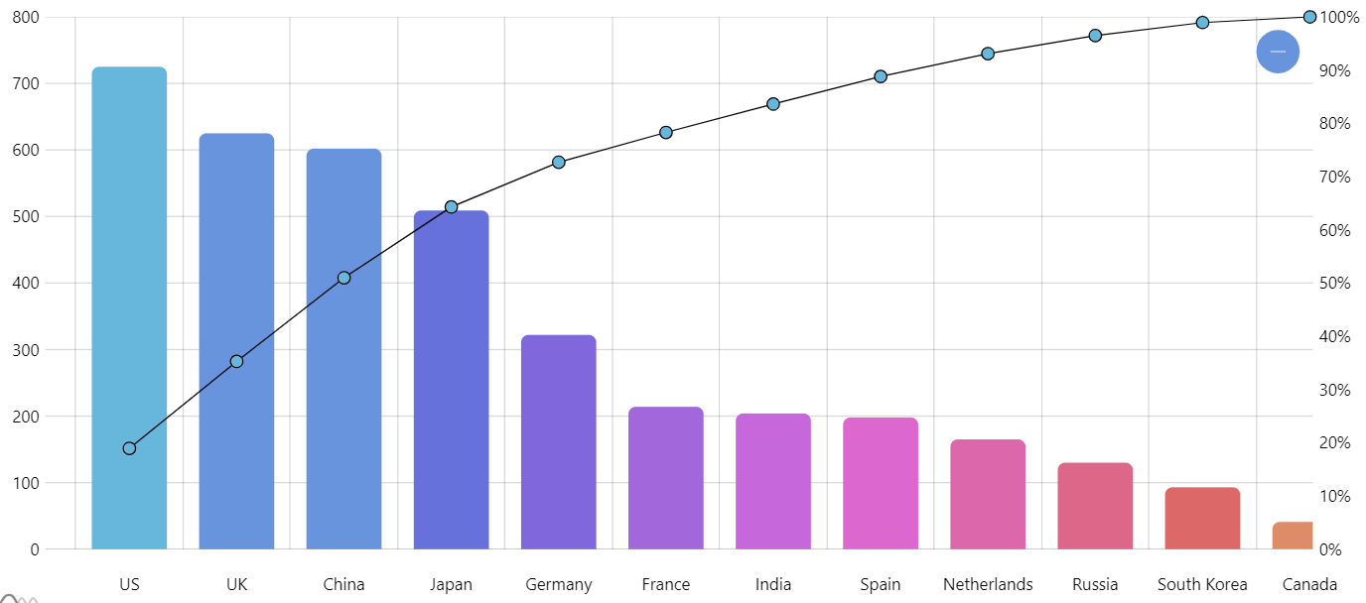

Total Success
Total OverTime
Total Pending
Total All

10
3
6
16
Cat

