Order
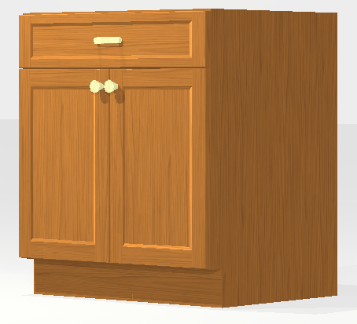
 |  | Min | Max
Quantity | 1 | 1
WIDTH | 32.5 | 9 | 42
HEIGHT | 18 | 18 | 60
DEPTH | 24 | 9 | 30
FINISH SIDES | L
MATERIALS | PLY
HINGE SIDE | B
HINGE TYPE | Std
GLIDE TYPE | SMStd
DWR BOX | PWST
DOOR STYLE | PointeAlexis
FINISH | LR
GLAZE | No
INTERIOR | W
ROLL-OUTS | 1 | 0 | 3

