Question 2
 | Question 2

 | Evaluating the Claim
 | a) Which characteristics are associated with the health score?
 | Use tables and charts (suggestion: scatter plots for continuous variables) to determine which characteristics are associated with the health score.

For this analysis, I chose not to pay too much attention to the ‘Race’ variable since the instructions stated the demographic information included in the data is not part of InsurAHealth’s score calculation.

Question 2

Based on this data set, when we look at the correlation matrix, it appears that ‘Age’ is the highest correlated variable to ‘Health Score’ with a correlation coefficient, R = 0.26.
‘Age’ is followed by ‘Hospital Visit this Quarter’ with a correlation coefficient, R = 0.2. The third highest correlated variable with ‘Health Score' is 'Sex', with a correlation coefficient,
R = 0.14. The last two are ‘Salary’ with a correlation coefficient, R = 0.08, and then ‘Quarter’, with a correlation coefficient, R = 0.07.
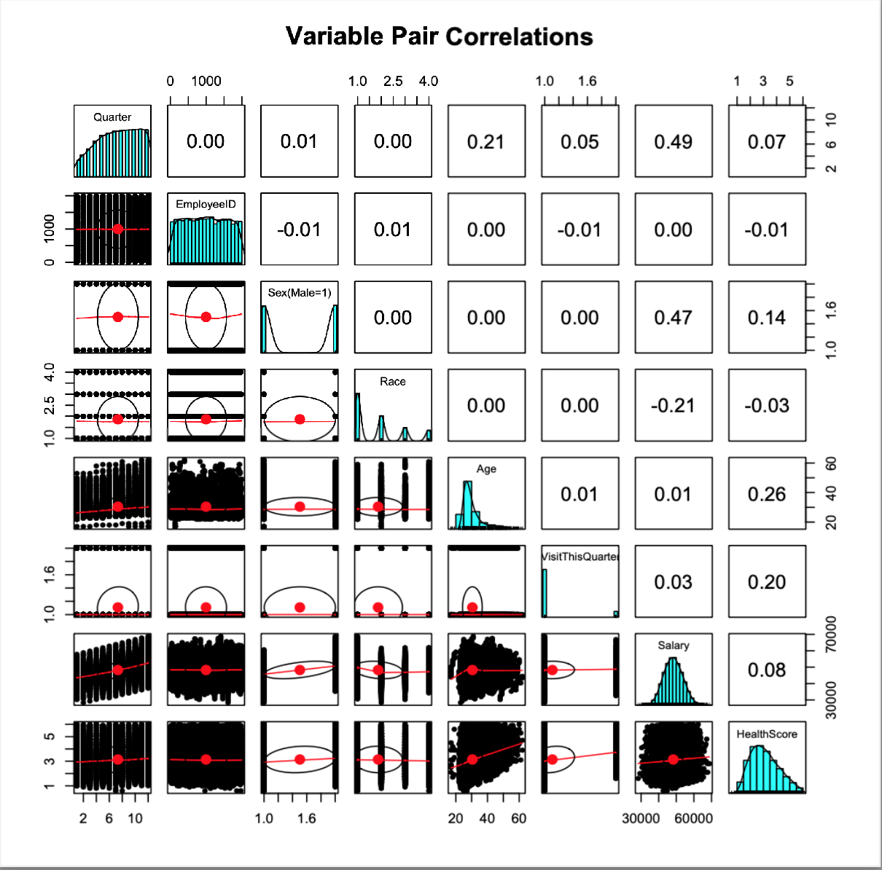

When I plot Salary vs Health Score, it does not appear that there is a linear relationship and if there is on, it looks weak. There could be a little correlation which I would like to figure out
if I had more time.

