7. Protocol
protocolId | step ID | Name of Protocol | durationValue/Unit | durationUnits | description | Reference (Guideline: OECD_ISO_etc) | Guiding Principle
1 |  | DLS |  |  |  | ISO 22412:2017 Particle size analysis — Dynamic light scattering (DLS). Technical Committee : ISO/TC 24/SC 4 Particle characterization Link: https://www.iso.org/standard/65410.html09/10/2020
 | 1 | Sample preparation | 10 | min | Dilution in relevant media in a range between 10 - 100 mg/L
 | 2 | Set-up of measurement conditions | 10 | min | Replicates 3, delay time 0, equilibrium time 120 sec, T = 25 °C, Dispersant refractive index and viscosity in stock solution in water: 1.330/0.8872 mPa s; Dispersant refractive index and viscosity in cell media: DMEM 1.345/0.940 mPa s, RPMI 1640 0.800/1.338 mPa s. Reliability of the measurements was controlled by using the automatic attenuator (kept between 6 and 8) and the intercept autocorrelation function (<0.9) as quality criteria, according to the recommendations given in the EUNCL-PCC-001 method.
 | 3 | Sample analysis | 15 | min | The size distribution (nm) is reported as intensity-weighted mean diameter derived from the cumulant analysis (Z-average) and is the average of three independent measurements.
2 |  | ELS
 | 1 | Sample preparation | 10 | min | Dilution in relevant media in a range between 10 - 100 mg/L
 | 2 | Set-up of measurement conditions | 10 | min | Replicates 3, delay time 0, equilibrium time 120 sec, T=25 °C, Dispersant refractive index, viscosity and dielectric constant in stock solution: 1.330/0.8872 mPa s/78.5 (water); Dispersant refractive index, viscosity and dielectric constant in cell media: DMEM 1.345/0.940 mPa s/78, RPMI 1640 0.800/1.338 mPa s/78 (cell media). Reliability of the measurements was controlled by check the phase plot graph.
 | 3 | Sample analysis | 15 | min | The data of zeta potential (mV) is derived by electrophoretic mobility using Smoluchowski’s formula and is the average of three independent measurements.
3 |  | UV-vis analysis |  |  |  | No ISO available, Internal protocol.
 | 1 | Sample preparation | 10 | min | Dilution in relevant media in a range between 10 - 100 mg/L
 | 2 | Set-up of measurement conditions | 10 | min | The background is obtained by auto-calibration using MilliQ water as reference. Spectra of background and samples are acquired from 250 to 850 nm, with a resolution of 1nm.
 | 3 | Sample analysis | 15 | min | The spectra are reported in absorbance or in transmittance.

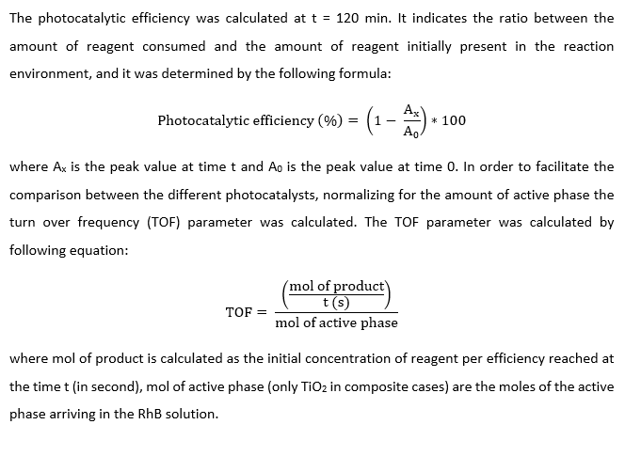
4 |  | Degradation of pollutant: organic dye Rhodamine B (RhB); Pollutant concentration: 0,07g/L; Illumination: UV lamp (Osram 300W), LED UV, visible LED; Mode: batch (lab scale); recirculation (1-6L reactors), direct; Time: 20-180’; Sample: from 200 mL to 6L (volume nanosols), from 3x3 cm to 15x11.5 cm (size for coated product; Type sample: not treated and treated. ISTEC internal protocol |  |  | RhB is a synthetic dye that is commonly use in water remediation due to the easy detection of small concentrations by UV ‐ Vis absorption analysis using a single beam spectrophotometer Hach Lange, DR3900. RhB imparts a deep magenta hue to its water solutions and displays a well ‐ defined absorbance peak at 554 nm. In our experiment, we used 150 mL f 7 ppm RhB solution. The lamp was switched on 60 min before starting the test in order to stabilize the power of emission | In order to evaluate the degradation kinetics, an aliquot of 5 mL was withdrawn, centrifuged for 8 min at 8000 rpm (Digicen 21R – Orto alresg) and analysed at time 15, 30, 60, 90 and 120 minute (Ax) through UV ‐ Vis analysis in the range of 350 – 700 nm. | The photocatalytic tests were carried out using two different light sources: ‐ OSRAM ultra ‐ vitalux 300 W lamp was used as the UV light source, mounted on a lamp holder 20 cm from the bottom of the beaker (UV ‐ A 60 W / m2), arranged in the dark room so that only the photons emitted from the lamp irradiate the suspension of RhB and photocatalyst. The latter was maintained under magnetic stirring at 600 rpm and the temperature during the test was kept constant at 28 °C by a flow of water around the beaker (600 mL / min).

 |  | TiO2 nanosol (NAMA41, 6 wt%), called TAC and SiO2 nanosol 40 wt% (Ludox® HS-40) were purchased from Colorobbia (Italy) and Grace Davison (USA), respectively. TiO2 nano-powder DT-51 was purchased from CristalACTiV™, melamine 99%, rhodamine B (dye content ≈95%) target dye, ion excharger Dowex® 50 W x 4 acidic cation excharger resin, hydrogen peroxide - H2O2 (30%), hydrochloric acid - HCl (37 %), sodium nitrate – NaOH (>99 %), potassium permanganate - KMnO4 (99.5 %) and absolute ethanol (> 99.8 %) were purchased from Sigma Aldrich (Italy). Graphite GS25E powder was purchased from Magaldi (Italy). Sulphuric acid - H2SO4 (96%) was purchased from Titolchimica (Italy). |  |  |  |  | SUN2000 solar simulator (ABET technologies) was used as the visible light source, which uses a 150 W Xenon lamp (Fig. 2.3 spectra light). The light beam illuminates an area of 10 x 10 cm with an irradiance of 1000 W / m2 (UV ‐ A 40 W / m2). In this case it was not necessary to control the temperature because it did not vary during the test. As in the previous case, the suspension was kept under magnetic stirring at 600 rpm so that the entire suspension was irradiated with light.
 |  | TAC - TiO2: a suspension of commercial nano-Titania (Colorobbia) at 6% wt was used
 |  | TiO2:SiO2: starting suspensions commercial nano-Titania (Colorobbia) at 6% wt / nano-Silica (Ludox HS-40) at 40% wt (37 euro / L)
 |  | TiO2 DT-51 US: Titania DT-51 commercial
 |  | TGO: Titania DT-51 and graphene oxide (GO) as starting materials

