AZD991_Routes_Complexity
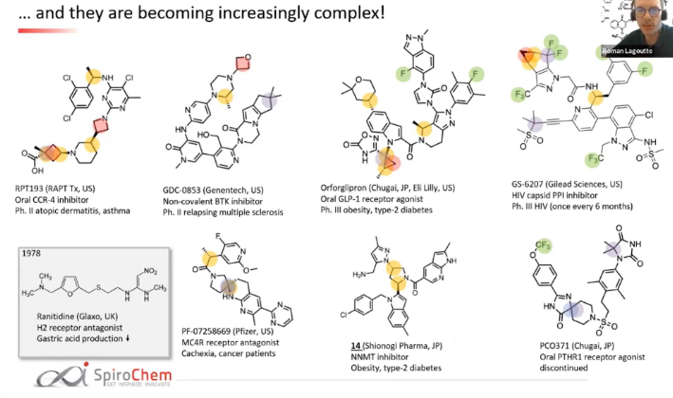
Name | SMILES
RPT193 | ClC1=C([C@@H](C)NC2=NC(N3CC([C@@H]4CN([C@@H]5C[C@@](C)(C(O)=O)C5)CCC4)C3)=NC=C2Cl)C=CC(Cl)=C1
GDC-0853 | O=C1C(NC2=CC=C(N3[C@@H](C)CN(C4COC4)CC3)C=N2)=CC(C5=CC=NC(N6CCN7C(C6=O)=CC8=C7CC(C)(C)C8)=C5CO)=CN1C
Orfoglipron | O=C(N1CCC2=NN(C3=CC(C)=C(F)C(C)=C3)C(N4C(N(C5=C(F)C6=C(N(C)N=C6)C=C5)C=C4)=O)=C2[C@@H]1C)C7=CC8=CC([C@H]9CCOC(C)(C)C9)=CC=C8N7[C@]%10(C%11=NOC(N%11)=O)C[C@H]%10C
GS-6207 | CC(S(C)(=O)=O)(C)C#CC1=NC(C(CC2=CC(F)=CC(F)=C2)NC(CN3C(C(F)(F)[C@H]4[C@@H]5C4)=C5C(C(F)(F)F)=N3)=O)=C(C6=C(N(CC(F)(F)F)C=C7NS(=O)(C)=O)C7=C(Cl)C=C6)C=C1
PF-07258669 | CC1=C(C2=NC=CC=N2)C=C(CC[C@]3(CN(C([C@@H](C4=CC(OC)=NC=C4F)C)=O)CC3)N5)C5=N1
14 | CC(C=C1CN)=NN1[C@H]2C[C@H](C3=CC4=CC(C)=CC=C4N3CC5=CC=C(Cl)C=C5)N(C(C6=CC7=C(NC(C)=C7)N=C6)=O)C2
PC0371 | O=C1NC(C2=CC=C(OC(F)(F)F)C=C2)=NC13CCN(S(CCC4=C(C)C=C(N5C(NC(C5(C)C)=O)=O)C=C4C)(=O)=O)CC3

