Sheet2
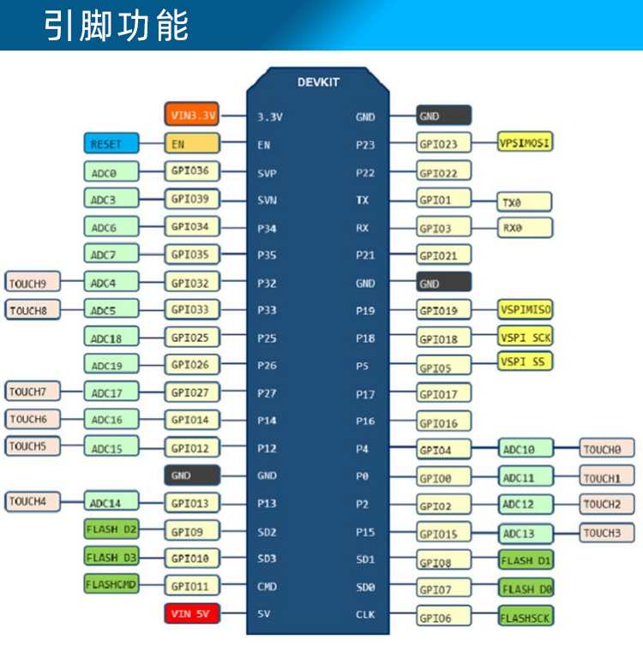
 |  | 开 | 关 |  | 开 | 关
1 | 3.3V |  |  | GND
2 | EN |  |  | P23
3 | SVP |  |  | P22
4 | SVN |  |  | TX
5 | P34 |  |  | RX
6 | P35 |  |  | P21
7 | P32 |  |  | GND
8 | P33 |  |  | P19 | SU3UF/dXWgPgrNw6KvHJS7Jb0RO2/+xkAgLku02ds/4coP9dptQDpM/v9Xz+e1Mi | SU3UF/dXWgPgrNw6KvHJS7Jb0RO2/+xkAgLku02ds/45UHv6CRVd/gPT8jDTAy9m
9 | P25 | SU3UF/dXWgPgrNw6KvHJS38ppoJMsh/Pwq5lwl1COSuNpFBBRoZ7b1wPwyPXX1YR | SU3UF/dXWgPgrNw6KvHJS38ppoJMsh/Pwq5lwl1COSvMG4lE0EP2HxpvcFgQm5wk | P18 | SU3UF/dXWgPgrNw6KvHJS9YOW972UKbAr2AUXFv2o8emPlRmJvt7b+uYC3iia6L0 | SU3UF/dXWgPgrNw6KvHJS9YOW972UKbAr2AUXFv2o8cp7cuW29j5WtC6P9N5O2Zh
10 | P26 | SU3UF/dXWgPgrNw6KvHJS1TosnPQlAHa9DibUn4v9r9FVtlvPbLvDTxR8DGnf/eC | SU3UF/dXWgPgrNw6KvHJS1TosnPQlAHa9DibUn4v9r+j26J+kl/8YFr4Q+/nXs+k | P5
11 | P27 | SU3UF/dXWgPgrNw6KvHJS/zYnTZboz22DtUKtMNLXhmG5Hwo3ihhSxBAp29VJCTv | SU3UF/dXWgPgrNw6KvHJS/zYnTZboz22DtUKtMNLXhmWxLeUyLgKmt9sHBcLIQud | P17 | SU3UF/dXWgPgrNw6KvHJS9jF7rLI0FLBZBhxfjA1RG1YV7wRKV7No/igeqD3Kva8 | SU3UF/dXWgPgrNw6KvHJS9jF7rLI0FLBZBhxfjA1RG13oO5fO6kviKt2KK+a5hFL
12 | P14 | SU3UF/dXWgPgrNw6KvHJS1RLNaFeXyUWv4lDcsyEdnzqw64fdMYwntTX/QzsiutW | SU3UF/dXWgPgrNw6KvHJS1RLNaFeXyUWv4lDcsyEdnx9I+2kAGOOjK34s7nkYPjE | P16 | SU3UF/dXWgPgrNw6KvHJS0PhfvKRn6rRYF9baziGqOWEayoJv4zMv1vyO18JqFlS | SU3UF/dXWgPgrNw6KvHJS0PhfvKRn6rRYF9baziGqOVz6DE8EnCZVJyz9hSHvXI4
13 | P12 |  |  | P4
14 | GND |  |  | P0
15 | P13 |  |  | P2
16 | SD2 |  |  | P15
17 | SD3 |  |  | SD1
18 | CMD |  |  | SD0
19 | 5V |  |  | CLK

