Hardpoints
P7 Rear Axle Chassis Hardpoints - Version 4.0

Version History:
Version | Date | Changed by |  | Change Description
1.0 | 2021-09-21 | Joe Thornton |  | Initial v1 release.
1.1 | 2021-10-05 | Joe Thornton |  | Modifications to all to fit package environment.
1.2 | 2021-10-14 | Joe Thornton |  | Adjustment to wishbone inner points for anti-dive.
 |  |  |  | Damper upper moved outboard for packaging.
 |  |  |  | Hardpoint IDs (ADAMs) and schematic added.
2.0 | 2022-01-11 | Joe Thornton |  | Updates to all hardpoints to account for SLR
3.0 | 2022-03-31 | Joe Thornton |  | R55 & R56 to package new damper
 |  |  |  | R7 outboard to reduce link bend
 |  |  |  | R2 rearward down axis to sit above toe link axis
3.1 | 2022-04-01 | Joe Thornton |  | CV inner and outer modified for new bearing geom.
3.2 | 2022-05-30 | Joe Thornton |  | Included ride height measurement ref. points.
4.0 | 7-Oct-22 | Chad Rummel |  | US handover and update, ride height measurements NOT updated

Schematic:

R7
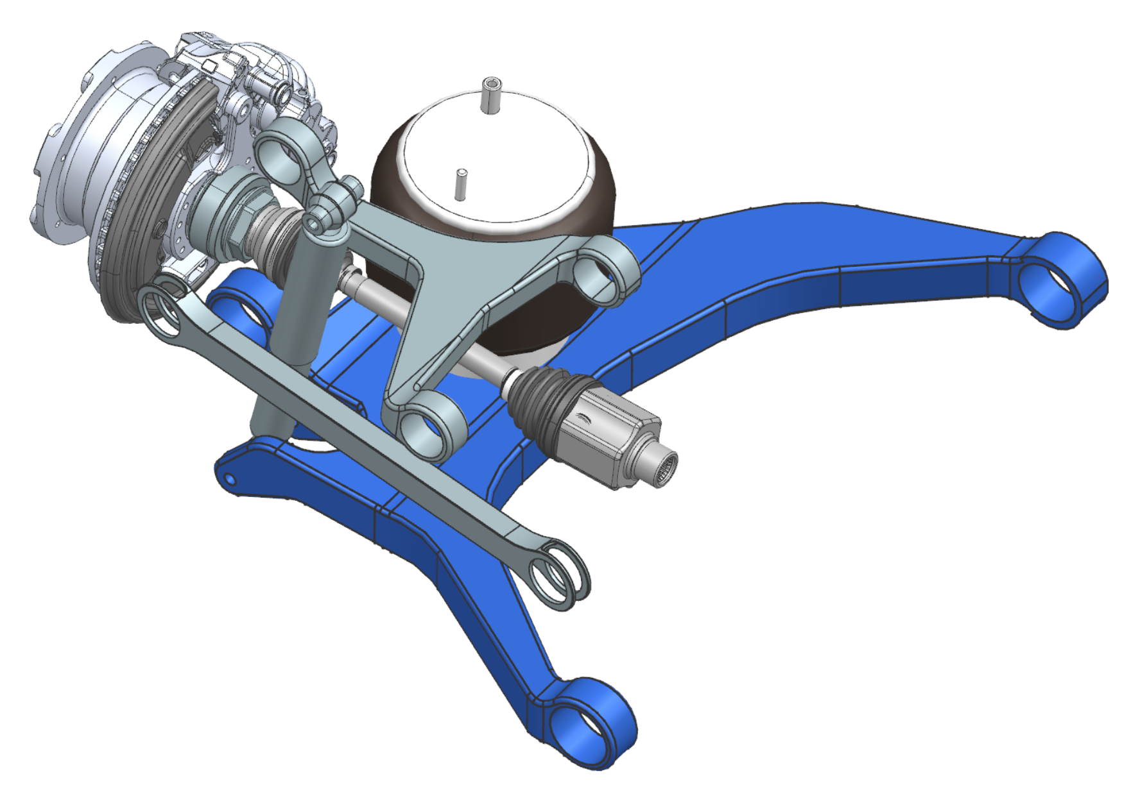
R55
R9
R58
R59

R3
R12
R1

R6

R56
R14
R2

R4

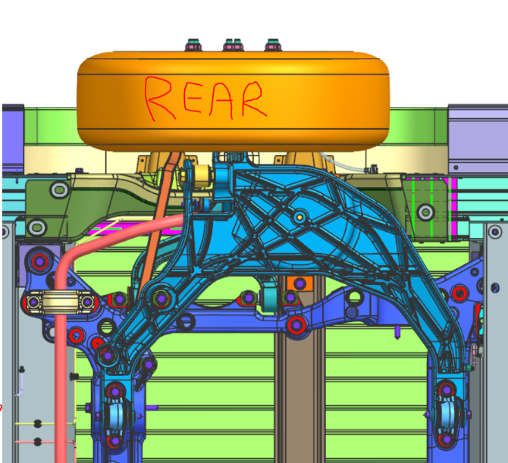
Ride Height Measurement Locations:
Unsprung ride height = Damper Lower Bolt Centre
Sprung ride height = Subframe rear bolt centre
Hardpoints in table.

Motion Inputs:
Motion Driver |  | Value | Units
Steering rack travel |  | +/- 0 | mm
Wheel bump travel |  | 100 | mm
Wheel rebound travel |  | 100 | mm

NX Kinematic Model: |  | 119259/A-P7 REAR AXLE KINEMATIC
Hardpoint ID | Hardpoint Name |  |  |  | X | Y | Z
 | bumpstop_ext_attachment |  |  |  | 4794.00 | -676.75 | 48.19
 | bumpstop_ext_contact |  |  |  | 4794.00 | -676.75 | 3.79
 | bumpstop_ext_contact_x |  |  |  | 5794.00 | -676.75 | -220.21
 | bumpstop_ext_contact_z |  |  |  | 4794.00 | -676.75 | 1007.79
 | bumpstop_int_attachment |  |  |  | 4918.41 | -662.58 | 220.14
 | bumpstop_int_contact |  |  |  | 4917.91 | -681.57 | 162.86
 | cv_inner |  |  |  | 5001.00 | -315.64 | -53.50
 | cv_outer |  |  |  | 4970.00 | -874.75 | -59.01
R56 | damper_lower |  |  |  | 5050.00 | -786.00 | -296.86
R56x | damper_lower_x |  |  |  | 5082.69 | -780.55 | 175.99
R56z | damper_lower_z |  |  |  | 5173.70 | -786.57 | -305.41
R3 | lca_front |  |  |  | 4401.99 | -154.10 | -70.11
R3x | lca_front_x |  |  |  | 4401.00 | -873.75 | -188.21
R3z | lca_front_z |  |  |  | 5276.12 | -149.17 | -170.00
R6 | lca_outer |  |  |  | 4978.15 | -900.00 | -194.00
R6x | lca_outer_x |  |  |  | 4978.00 | -153.75 | -138.00
R6z | lca_outer_z |  |  |  | 5078.00 | -900.00 | -194.00
R4 | lca_rear |  |  |  | 5276.80 | -149.10 | -170.03
R4x | lca_rear_x |  |  |  | 5276.12 | -873.80 | -188.21
R4z | lca_rear_z |  |  |  | 4401.00 | -153.75 | -70.00
R59 | spring_lower |  |  |  | 4794.00 | -676.75 | -201.90
R58 | spring_upper |  |  |  | 4794.00 | -676.75 | 48.19
R14 | tierod_inner |  |  |  | 5248.26 | -283.02 | -80.06
R14x | tierod_inner_x |  |  |  | 5248.25 | -283.02 | -80.02
R14z | tierod_inner_z |  |  |  | 5001.00 | -298.00 | -81.40
R12 | tierod_outer |  |  |  | 5120.00 | -891.75 | -93.50
R12x | tierod_outer_x |  |  |  | 5210.00 | -224.75 | -101.50
R12z | tierod_outer_z |  |  |  | 5219.80 | -891.75 | -93.00
R55 | top_mount |  |  |  | 5082.69 | -780.55 | 175.99
R55x | top_mount_x |  |  |  | 5050.00 | -786.00 | -296.86
R55z | top_mount_z |  |  |  | 5206.39 | -780.98 | 167.44
R1 | uca_front |  |  |  | 4878.00 | -463.80 | 62.00
R1x | uca_front_x |  |  |  | 4878.00 | -846.75 | 79.79
R1z | uca_front_z |  |  |  | 5212.68 | -460.21 | 47.85
R7 | uca_outer |  |  |  | 4965.00 | -873.00 | 77.00
R7x | uca_outer_x |  |  |  | 4965.00 | -473.00 | 77.00
R7z | uca_outer_z |  |  |  | 5065.00 | -873.00 | 77.00
R2 | uca_rear |  |  |  | 5212.68 | -460.26 | 47.85
R2x | uca_rear_x |  |  |  | 5212.68 | -846.75 | 79.79
R2z | uca_rear_z |  |  |  | 4878.00 | -463.75 | 62.00
R9 | wheel_center |  |  |  | 4970.00 | -983.75 | -59.01
F9x | hpl_wheel_centre_alignment_x |  |  |  | 4920.00 | -983.75 | -59.01
R61 | hpl_arb_bushing |  |  |  | 5427.80 | -450.20 | -59.50
R63 | hpl_droplink_bar |  |  |  | 5046.90 | -707.10 | -69.70
R63x | hpl_droplink_bar_alignment_x |  |  |  | 5046.90 | -807.10 | -69.70
R63z | hpl_droplink_bar_alignment_z |  |  |  | 5146.90 | -707.10 | -69.70
R65 | hpl_droplink_external |  |  |  | 5044.80 | -710.00 | -244.60
R65x | hpl_droplink_external_alignment_x |  |  |  | 5044.80 | -810.00 | -244.60
R65z | hpl_droplink_external_alignment_z |  |  |  | 5144.80 | -710.00 | -244.60
TBD | Sprung ride height measurement point |  |  |  | 5482.50 | -559.50 | -4.45
TBD | Unsprung ride height measurement point |  |  |  | 5110.75 | -786.22 | -301.06

Notes: | Hardpoint z-axis defines bolt/stud axis of join
 | Hardpoint x-axis defines a chosen perpendicular axis to the z axis used to define a CSYS

Motion Outputs:
Motion Outputs: |  |  |  | Value | Units
Unsprung ride height measurement GVM |  |  |  | 146.49 | mm
Unsprung ride height measurement Design |  |  |  | 152.17 | mm
Unsprung ride height measurement Kerb |  |  |  | 156.22 | mm
Sprung ride height measurement GVM |  |  |  | 445.47 | mm
Sprung ride height measurement Design |  |  |  | 449.53 | mm
Sprung ride height measurement Kerb |  |  |  | 451.41 | mm

