Hardpoints
P7 Front Axle Chassis Hardpoints

Version History:
Version | Date | Changed by |  | Change Description
0.0 | 2021-07-05 | Joe Thornton |  | Initial v0 release.
1.0 | 2021-08-10 | Joe Thornton |  | Modified damper, spring, FLCA & tie rod position for 1st draft REDCAT feedback.

1.1 | 2021-09-01 | Joe Thornton |  | Inclusion of 1st draft ARB and Subframe hardpts.
1.2 | 2021-10-14 | Joe Thornton |  | Updated hardpoint naming convention (ADAMs).
1.3 | 2021-10-19 | Joe Thornton |  | Updated F65x & F65z for better alignment to strut.
 |  |  |  | Corrected bump/rebound travel, was +/- 80mm.
1.4 | 2021-10-19 | Joe Thornton |  | Corrected F12 & F14.
1.5 | 2021-10-20 | Joe Thornton |  | All HPs updated to latest RED CAT analysis.
1.6 | 2021-12-01 | Joe Thornton |  | Corrected HPs for SLR update and sim feedback.
2.0 | 2022-01-12 | Joe Thornton |  | Strut moved down axis.
3.0 | 2022-03-31 | Joe Thornton |  | F61, F63, F65 moved to prevent anti-roll locking.
 |  |  |  | Steering system hardpoints included.
3.1 | 2022-04-05 | Joe Thornton |  | F65 10mm up strut axis to aid strut manufacture.
3.2 | 2022-05-30 | Joe Thornton |  | Included ride height measurement ref. points.
3.3 | 2022-07-14 | Joe Thornton |  | Updated unsprung ride height measurement ref.
4 | 7-Oct-22 | Chad Rummel |  | US handover and update, ride height measurements NOT updated

Schematic:
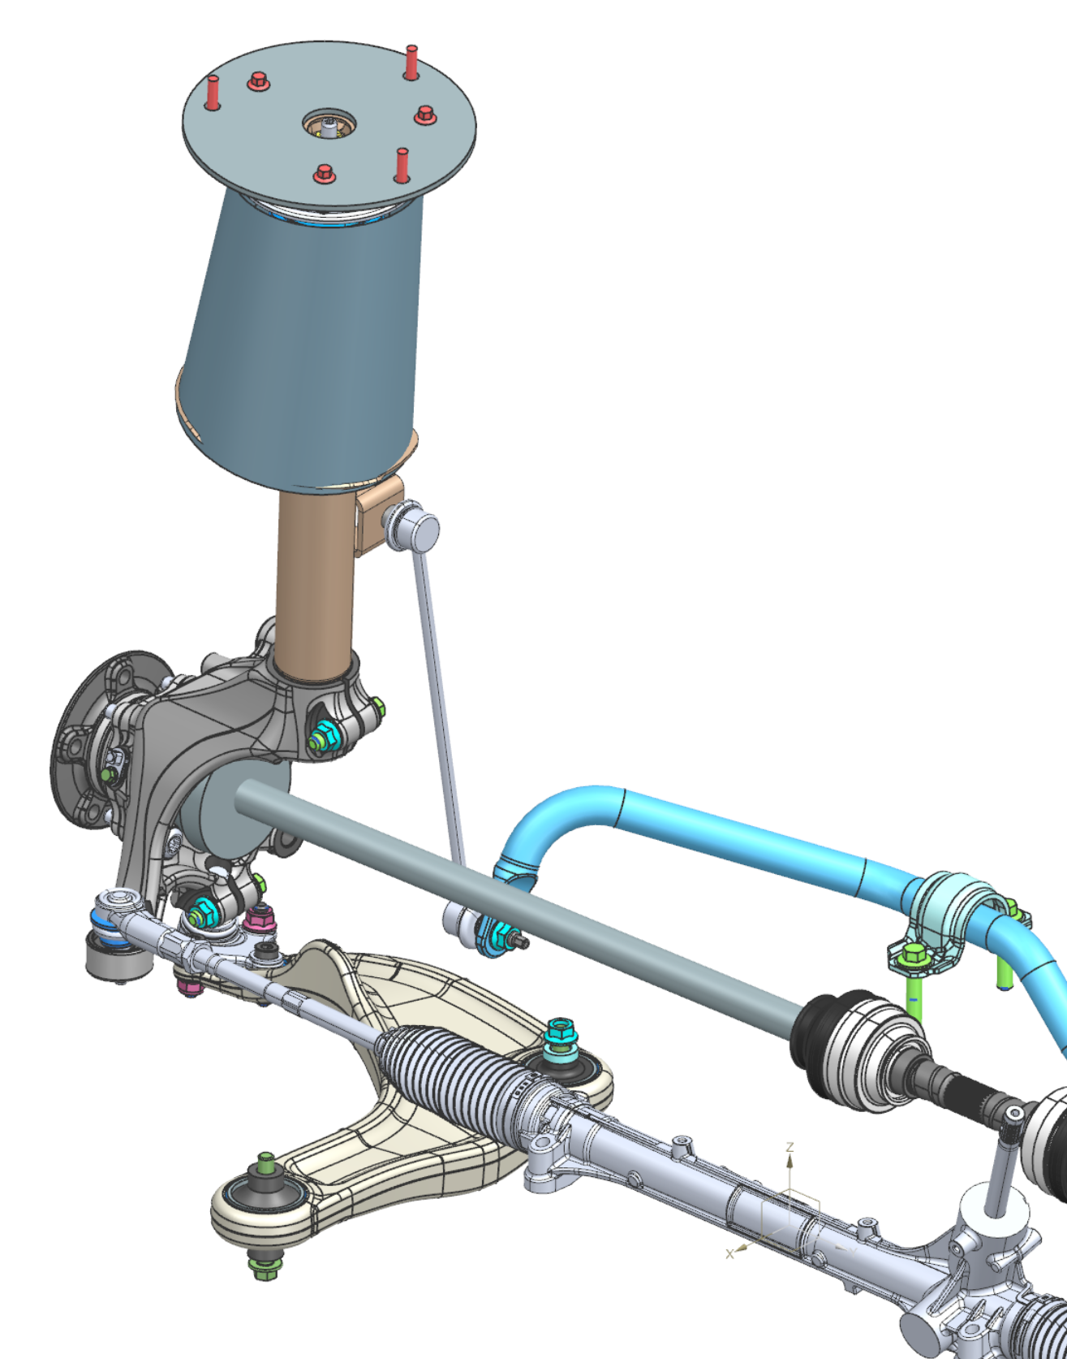
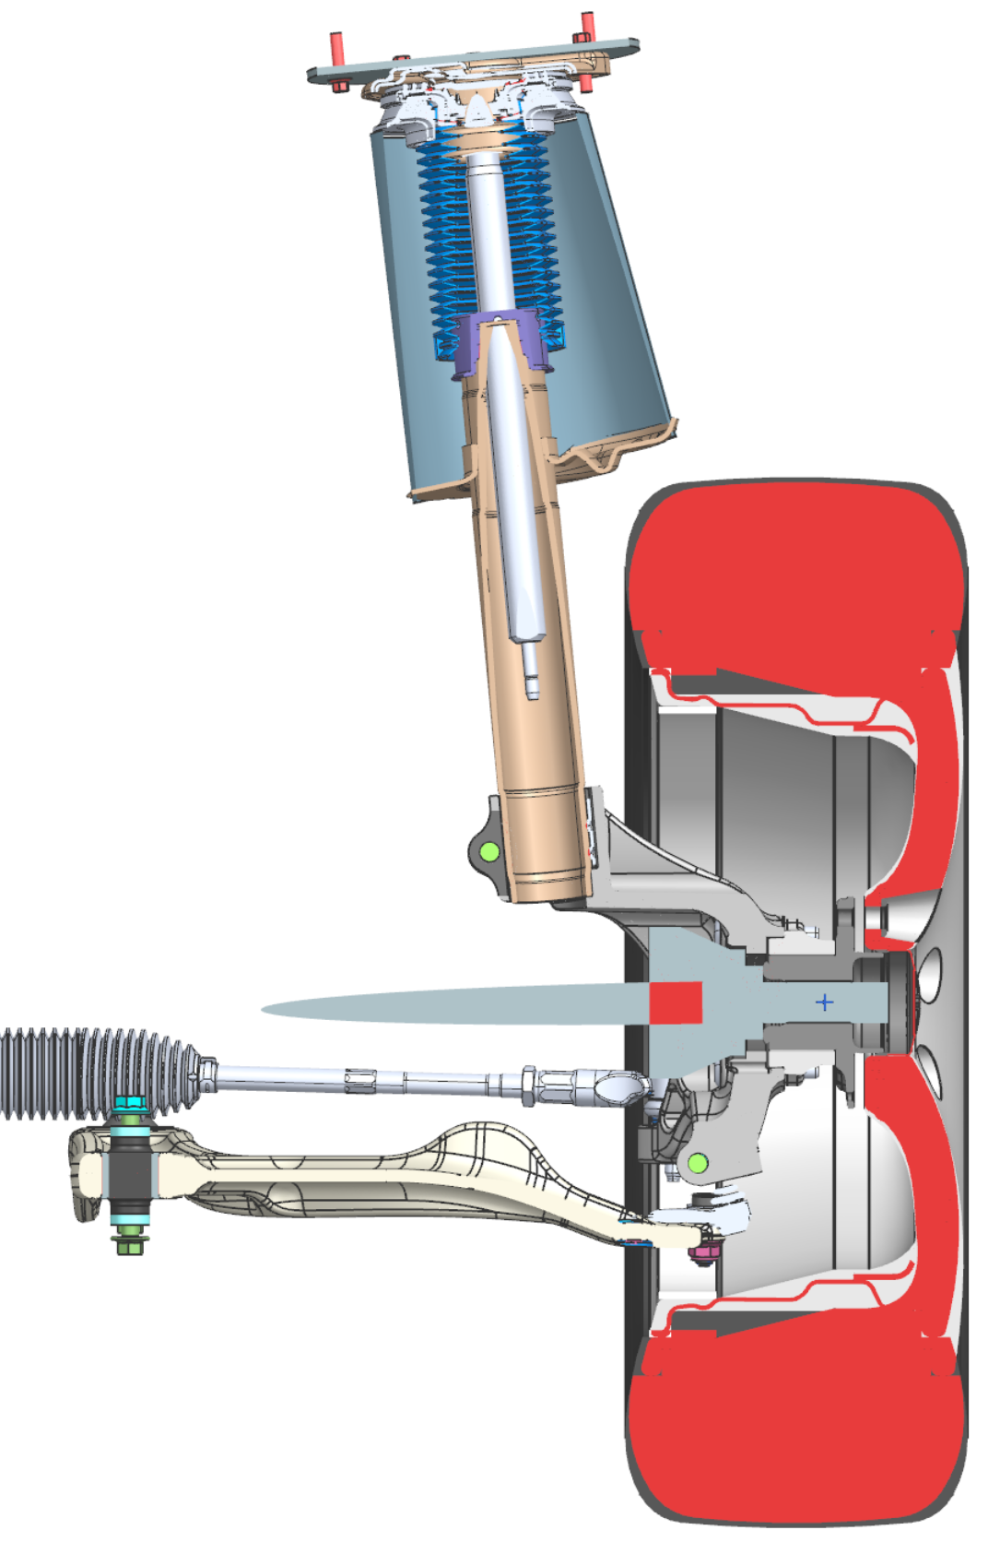
F55, F58

F59

F65

F61
F36
F9
F63
F12
F14
F3
F6

F4
F10

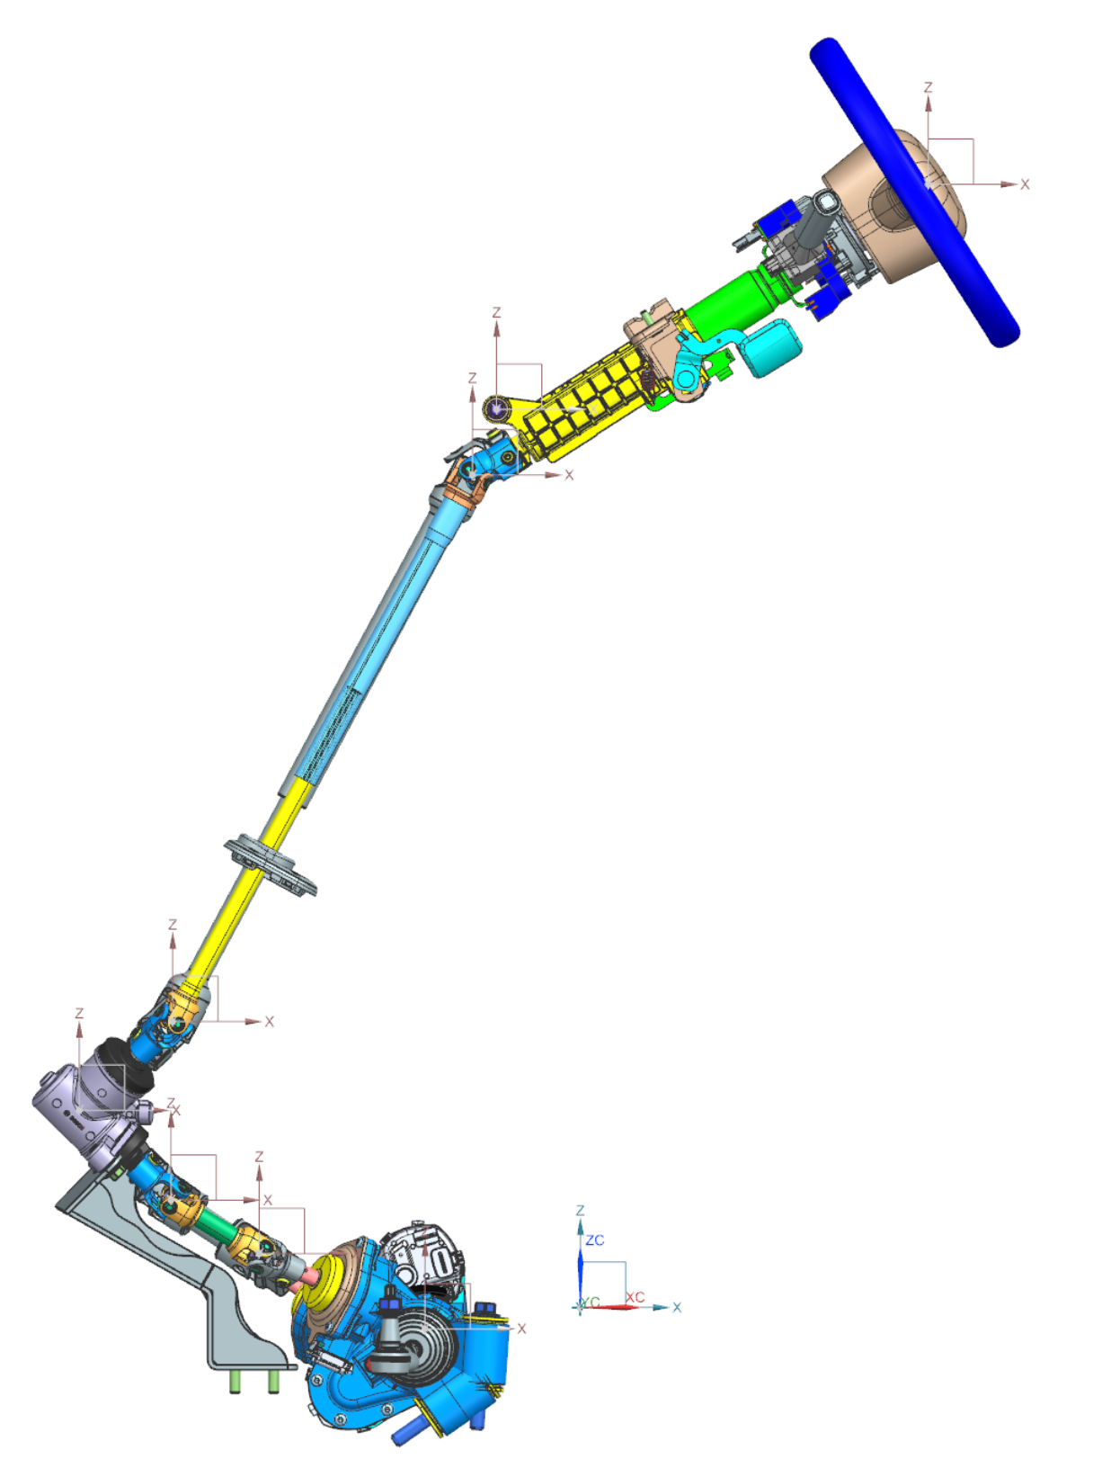

Column pivot
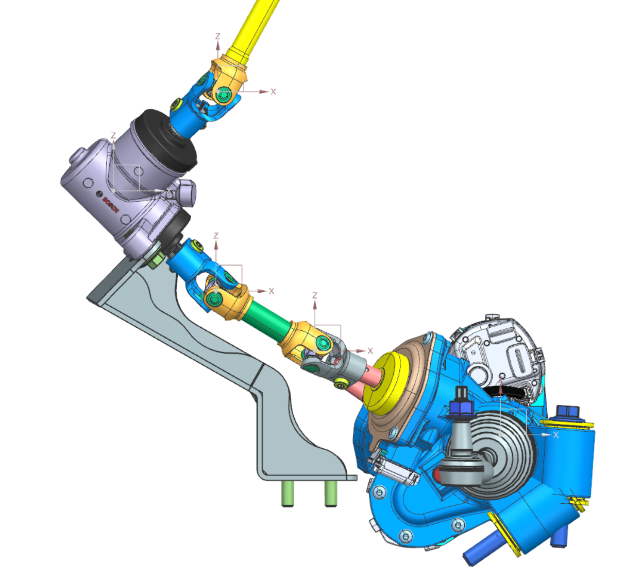
A

C
B

D
E
F

G

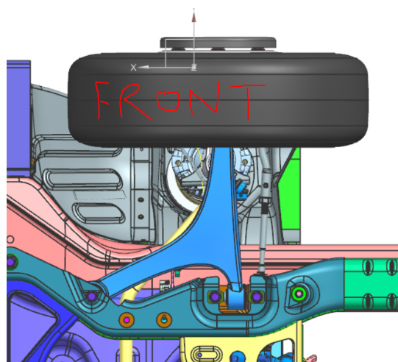
Ride Height Measurement:
Unsprung ride height = FLCA feature TBD
Sprung ride height = F4 bolt centre
Hardpoints in table.

Motion Inputs:
Motion Driver |  | Value | Units
Steering rack travel |  | +/- 85.5 | mm
Wheel travel (bump/reb) |  | 100/100 | mm
SLR @ design |  | 376 | mm

NX Kinematic Model: |  | 122472 - P7 FRONT AXLE KINEMATIC
Hardpoint ID | Hardpoint Name |  |  |  | X | Y | Z
TBD | hpl_cv_inner |  |  |  | -65.00 | -450.75 | -59.01
TBD | hpl_cv_outer |  |  |  | -65.00 | -888.65 | -59.01
F36 | hpl_damper_lower |  |  |  | -62.96 | -817.46 | 101.52
F7 | hpl_damper_upper |  |  |  | -26.56 | -788.03 | 678.90
F7x | hpl_damper_upper_alignment_x |  |  |  | 0.00 | -825.00 | 689.30
F7z | hpl_damper_upper_alignment_z |  |  |  | -72.20 | -825.00 | -59.74
F3 | hpl_lca_front |  |  |  | -118.26 | -466.70 | -140.00
F3x | hpl_lca_front_alignment_x |  |  |  | -108.26 | -566.54 | -140.00
F3z | hpl_lca_front_alignment_z |  |  |  | -8.26 | -466.54 | -140.00
F6 | hpl_lca_outer |  |  |  | -78.21 | -947.15 | -152.21
F6x | hpl_lca_outer_alignment_x |  |  |  | -78.21 | -1027.15 | -152.21
F6z | hpl_lca_outer_alignment_z |  |  |  | -78.21 | -947.15 | 7.79
F4 | hpl_lca_rear |  |  |  | 272.50 | -468.10 | -140.40
F4x | hpl_lca_rear_alignment_x |  |  |  | 272.50 | -568.09 | -140.40
F4z | hpl_lca_rear_alignment_z |  |  |  | 272.50 | -468.09 | -20.00
F59 | hpl_spring_lower |  |  |  | -44.18 | -820.52 | 395.64
F58 | hpl_spring_upper |  |  |  | -29.10 | -790.06 | 637.70
F91 | hpl_subframe_front |  |  |  | -565.00 | -840.00 | -66.80
F93 | hpl_subframe_rear |  |  |  | 435.00 | -840.00 | -66.80
F14 | hpl_tierod_inner |  |  |  | -172.60 | -405.00 | -41.40
F14x | hpl_tierod_inner_alignment_x |  |  |  | -204.00 | -910.00 | -105.10
F14z | hpl_tierod_inner_alignment_z |  |  |  | -172.60 | -405.00 | 100.00
F12 | hpl_tierod_outer |  |  |  | -202.00 | -953.00 | -53.50
F12x | hpl_tierod_outer_alignment_x |  |  |  | -170.60 | -413.00 | -52.00
F12z | hpl_tierod_outer_alignment_z |  |  |  | -202.00 | -958.00 | 120.00
TBD | hpl_wheel_bearing_centre |  |  |  | -65.00 | -990.75 | -59.01
TBD | hpl_wheel_bearing_centre_alignment_x |  |  |  | 35.00 | -990.75 | -59.01
F9 | hpl_wheel_centre |  |  |  | -65.00 | -990.75 | -59.01
F9x | hpl_wheel_centre_alignment_x |  |  |  | 35.00 | -990.75 | -59.01
F61 | hpl_arb_bushing |  |  |  | 181.00 | -398.80 | -69.00
F63 | hpl_droplink_bar |  |  |  | -111.46 | -728.54 | -93.4
F63x | hpl_droplink_bar_alignment_x |  |  |  | 181.00 | -399.00 | -69.00
F63z | hpl_droplink_bar_alignment_z |  |  |  | -44.09 | -815.09 | -95.00
F65 | hpl_droplink_external |  |  |  | -78.72 | -727.40 | 257.04
F65x | hpl_droplink_external_alignment_x |  |  |  | -134.75 | -743.53 | 142.53
F65z | hpl_droplink_external_alignment_z |  |  |  | -124.24 | -799.65 | 244.33
TBD | LHD Steering system A point |  |  |  | 370.00 | -400.00 | 1193.00
TBD | LHD Steering system B point |  |  |  | -114.65 | -400.00 | 884.21
TBD | LHD Steering system B point x-column axis |  |  |  | -117.98 | -417.02 | 889.43
TBD | LHD Steering system B point z-shaft axis |  |  |  | -129.79 | -394.50 | 892.49
TBD | LHD Steering system C point |  |  |  | -433.34 | -403.12 | 303.64
TBD | LHD Steering system C point x-shaft axis |  |  |  | -428.05 | -420.22 | 300.83
TBD | LHD Steering system C point z-bevel axis |  |  |  | -446.69 | -409.02 | 314.37
TBD | LHD Steering system D point |  |  |  | -532.58 | -349.47 | 209.31
TBD | LHD Steering system E point |  |  |  | -435.13 | -336.18 | 114.04
TBD | LHD Steering system E point x-bevel axis |  |  |  | -422.86 | -342.65 | 125.68
TBD | LHD Steering system E point z-shaft axis |  |  |  | -436.33 | -352.48 | 106.23
TBD | LHD Steering system F point |  |  |  | -341.31 | -315.81 | 57.12
TBD | LHD Steering system F point x-shaft axis |  |  |  | -334.02 | -331.04 | 63.69
TBD | LHD Steering system F point z-rack axis |  |  |  | -338.29 | -307.53 | 72.95
TBD | LHD Steering system G point |  |  |  | -165.07 | -229.50 | -22.70
TBD | LHD Steering column articulation pivot center |  |  |  | -88.96 | -400.00 | 953.93
TBD | RHD Steering system A point |  |  |  | 370.00 | 400.00 | 1193.00
TBD | RHD Steering system B point |  |  |  | -114.65 | 400.00 | 884.21
TBD | RHD Steering system B point x-column axis |  |  |  | -124.39 | 400.00 | 899.49
TBD | RHD Steering system B point z-shaft axis |  |  |  | -114.73 | 381.89 | 884.16
TBD | RHD Steering system C point |  |  |  | -433.34 | 403.12 | 303.64
TBD | RHD Steering system C point x-shaft axis |  |  |  | -445.82 | 414.14 | 310.48
TBD | RHD Steering system C point z-bevel axis |  |  |  | -437.65 | 390.28 | 315.49
TBD | RHD Steering system D point |  |  |  | -532.58 | 349.47 | 209.31
TBD | RHD Steering system E point |  |  |  | -435.13 | 336.18 | 114.04
TBD | RHD Steering system E point x-bevel axis |  |  |  | -431.05 | 319.64 | 120.21
TBD | RHD Steering system E point z-shaft axis |  |  |  | -445.30 | 328.75 | 100.98
TBD | RHD Steering system F point |  |  |  | -343.49 | 315.87 | 52.35
TBD | RHD Steering system F point x-shaft axis |  |  |  | -340.87 | 300.37 | 61.36
TBD | RHD Steering system F point z-rack axis |  |  |  | -355.50 | 307.60 | 41.61
TBD | RHD Steering system G point |  |  |  | -184.64 | 229.50 | -58.60
TBD | RHD Steering column articulation pivot center |  |  |  | -88.96 | 400.00 | 953.93
TBD | Sprung ride height measurement point |  |  |  | 272.50 | -468.09 | -204.15
TBD | Unsprung ride height measurement point |  |  |  | -86.51 | -859.23 | -215.95

Notes: | Hardpoint z-axis defines bolt/stud axis of join
 | Hardpoint x-axis defines a chosen perpendicular axis to the z axis used to define a CSYS

Motion Outputs:
Motion Outputs: |  |  |  | Value | Units
Unsprung ride height measurement GVM |  |  |  | 198.44 | mm
Unsprung ride height measurement Design |  |  |  | 226.81 | mm
Unsprung ride height measurement Kerb |  |  |  | 261.22 | mm
Sprung ride height measurement GVM |  |  |  | 212.54 | mm
Sprung ride height measurement Design |  |  |  | 239.33 | mm
Sprung ride height measurement Kerb |  |  |  | 271.65 | mm

