平台信息
 |  |  |  |  |  |  |  |  | Notes
 | 变量 | 值 | ColumnName | ColumnName | 变量 | xpath | URL | main page | xpath | example
PlatformAbstract | 平台拼音缩写 | yld；nwd | PlatformPinyin | PlatformPinyin, | 平台拼音缩写 | //div[@class="itemTitle"] ./h2/a/@href |  | xpath for platform urls | //div[@class="itemTitle"]/h2/a/@href | /dangan/nwd/
 | 标签列表 |  | LabelList | LabelList, | 标签列表 | //div[@class="itemTitle"] ./div[contains(@class,"itemTitleTag")]/em/text() | https://www.wdzj.com/dangan/search?filter&currentPage=1
 | 平台名称 |  | PlatformName | PlatformName, | 平台名称 | //div[@class="itemTitle"] ./h2/a/text() | https://www.wdzj.com/dangan/search?filter&currentPage=1
 | 参考利率 |  | InvestmentReturn | InvestmentReturn, | 参考利率 | //a[@class="itemConLeft"] ./div[contains(text(),"参考利率")]/label/em/text() | https://www.wdzj.com/dangan/search?filter&currentPage=1
 | 待还余额 |  | AmtToBePaid | AmtToBePaid, | 待还余额 | //a[@class="itemConLeft"] ./div[contains(text(),"待还余额")]/text() | https://www.wdzj.com/dangan/search?filter&currentPage=1
 | 注册省份 |  | Province | Province, | 注册省份 | //a[@class="itemConLeft"] ./div[contains(text(),"注册地")]/text() | https://www.wdzj.com/dangan/search?filter&currentPage=1
 | 注册城市 |  | City | City, | 注册城市 |  | https://www.wdzj.com/dangan/search?filter&currentPage=1
 | 上线时间 |  | StartRunningDate | StartRunningDate, | 上线时间 | //a[@class="itemConLeft"] ./div[contains(text(),"上线时间")]/text() | https://www.wdzj.com/dangan/search?filter&currentPage=1
 | 网友印象 |  | Inpressions | Inpressions, | 网友印象 | //a[@class="itemConLeft"] ./div[contains(text(),"网友印象")]/span/text() | https://www.wdzj.com/dangan/search?filter&currentPage=1
 | 综合评分 |  | OverallScore | OverallScore, | 综合评分 | //a[@class="itemConLeft"] .//div[contains(text(),"网友印象")]/strong/text() | https://www.wdzj.com/dangan/search?filter&currentPage=1
 | 点评人数 |  | NumberOfCommentators | NumberOfCommentators, | 点评人数 | "//a[@class=""itemConLeft""] ./div[contains(text(),""网友印象"")]/em/text()" | https://www.wdzj.com/dangan/search?filter&currentPage=1
 | 平台状态 |  | PlatformStatus | PlatformStatus, | 平台状态 | //div[@class="itemTitle"] .//div[@class="itemTag"]//i[contains(@class,"dangan_icon")]/../ul/li/text() | https://www.wdzj.com/dangan/search?filter&currentPage=1
 |  |  |  | ,
 |  |  |  | ,
PlatformPerformance | 平台ID |  | PlatformID | PlatformID, | 平台ID | //input[@id="platId"]/@value | https://www.wdzj.com/dangan/nwd/
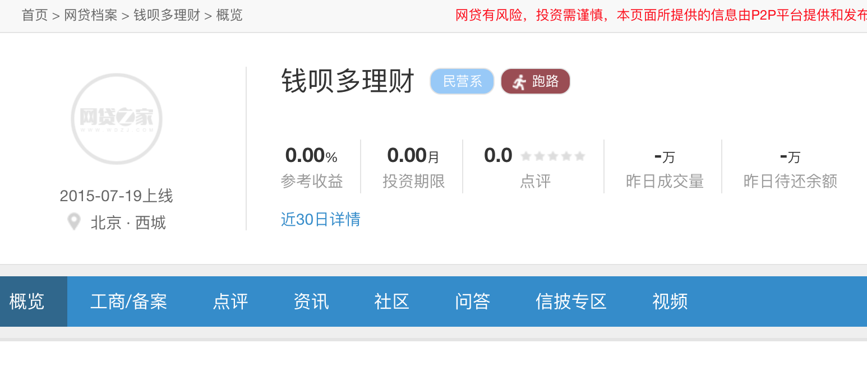
（1）基础信息 | 平台拼音缩写 |  | PlatformPinyin | PlatformPinyin, | 平台拼音缩写 | //a[@class="on" and text()="概览"]/@href | https://www.wdzj.com/dangan/nwd/ | xpath for platform Chinese Name | //div[@class="itemTitle"]/h2/a/text() | 你我贷
 | 平台中文名称 |  | PlatformName | PlatformName, | 平台中文名称 | //div[@class="header-da-right"]//div[@class="title"]/h1/text() | https://www.wdzj.com/dangan/nwd/ | xpath for next page number | //a[text()="下一页"]/@currentnum | 2
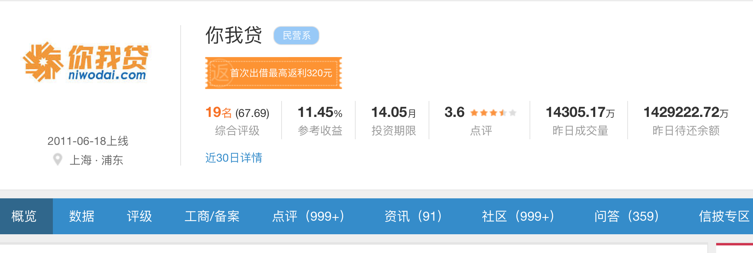
 | 参考收益 |  | InvestmentReturn | InvestmentReturn, | 参考收益 | //div[@class="pt-info"]//div[text()="参考收益"]/..//b[@class="tab_common_data"]/text() | https://www.wdzj.com/dangan/nwd/ | BaseURL |  | https://www.wdzj.com
//div[@class="itemTitle"]/h2/a/@href | 投资期限 |  | InvestmentTerm | InvestmentTerm, | 投资期限 | //div[@class="pt-info"]//div[text()="投资期限"]/..//b[@class="tab_common_data"]/text() | https://www.wdzj.com/dangan/nwd/ | StartURL | https://www.wdzj.com/dangan/search?filter&currentPage=1
//div[@class="itemTitle"]/h2/a/text() | 点评得分 |  | UserReviewScore | UserReviewScore, | 点评得分 | //div[@class="pt-info"]//div[text()="点评"]/..//b/text() | https://www.wdzj.com/dangan/nwd/ | List Page Example | https://www.wdzj.com/dangan/search?filter&currentPage=1
 | 昨日成交量 |  | TradeVolumn_Lastday | TradeVolumn_Lastday, | 昨日成交量 | //div[@class="pt-info"]//div[text()="昨日成交量"]/..//b[@class="tab_common_data"]/text() | https://www.wdzj.com/dangan/nwd/ | Item Page Example | https://www.wdzj.com/dangan/nwd/
 | 昨日待还余额 |  | AmtToBePaid_Lastday | AmtToBePaid_Lastday, | 昨日待还余额 | //div[@class="pt-info"]//div[text()="昨日待还余额"]/..//b[@class="tab_common_data"]/text() | https://www.wdzj.com/dangan/nwd/

 | 标签 | 民营系 | Labels | Labels, | 标签 | //div[@class="title"]//span[contains(@class,"tag")]/text()[1] | https://www.wdzj.com/dangan/nwd/
 | 平台状态 | 跑路 | PlatformStatus | PlatformStatus, | 平台状态 | //div[@class="title"]//span[contains(@class,"tag")]//i[contains(@class,"da-icons")]/../text()[2] | https://www.wdzj.com/dangan/nwd/
 | 出问题时间 | 2015-10-13 | StopRunningDate | StopRunningDate, | 出问题时间 | //div[@class="title"]//span[contains(@class,"tag")]//i[contains(@class,"da-icons")]/../span/text() | https://www.wdzj.com/dangan/nwd/
 | 近30日详情_成交量 |  | TradeVolumn_Last30Days | TradeVolumn_Last30Days, | 近30日详情_成交量 | //span[text()="近30日详情"]/..//div[contains(text(),"成交量")]/../div[@class="cen"]/text() | https://www.wdzj.com/dangan/nwd/
 | 近30日详情_投资人数 |  | NumberOfInvestors_Last30Days | NumberOfInvestors_Last30Days, | 近30日详情_投资人数 | //span[text()="近30日详情"]/..//div[contains(text(),"投资人数")]/../div[@class="cen"]/text() | https://www.wdzj.com/dangan/nwd/
 | 近30日详情_借款人数 |  | NumberOfBorrowers_Last30Days | NumberOfBorrowers_Last30Days, | 近30日详情_借款人数 | //span[text()="近30日详情"]/..//div[contains(text(),"借款人数")]/../div[@class="cen"]/text() | https://www.wdzj.com/dangan/nwd/
 | 近30日详情_前十大借款人待还占比 |  | Top10BorrowersMarketShare_Last30Days | Top10BorrowersMarketShare_Last30Days, | 近30日详情_前十大借款人待还占比 | //span[text()="近30日详情"]/..//div[contains(text(),"前十大借款人待还占比")]/../div[@class="cen"]/text() | https://www.wdzj.com/dangan/nwd/
 | 近30日详情_前十大投资人待收占比 |  | Top10InvestorsMarketShare_Last30Days | Top10InvestorsMarketShare_Last30Days, | 近30日详情_前十大投资人待收占比 | //span[text()="近30日详情"]/..//div[contains(text(),"前十大投资人待收占比")]/../div[@class="cen"]/text() | https://www.wdzj.com/dangan/nwd/
 | 近30日详情_日资金净流入 |  | DailyCashInflow_Last30Days | DailyCashInflow_Last30Days, | 近30日详情_日资金净流入 | //span[text()="近30日详情"]/..//div[contains(text(),"日资金净流入")]/../div[@class="cen"]/text() | https://www.wdzj.com/dangan/nwd/
 | 综合评级名次 |  | OverallRanking | OverallRanking, | 综合评级名次 | //div[@class="pt-info"]//div[text()="综合评级"]/../span/b/text() | https://www.wdzj.com/dangan/nwd/
 | 综合评级得分 |  | OverallScore | OverallScore, | 综合评级得分 | //div[@class="pt-info"]//div[text()="综合评级"]/../span[2]/text() | https://www.wdzj.com/dangan/nwd/
 |  |  |  |  |  |  | https://www.wdzj.com/dangan/nwd/
 | 关注人数 |  | NumberOfWatchers | NumberOfWatchers, | 关注人数 | //span[contains(text()[1], "投友已关注")]/../span/em/text() | https://www.wdzj.com/dangan/nwd/
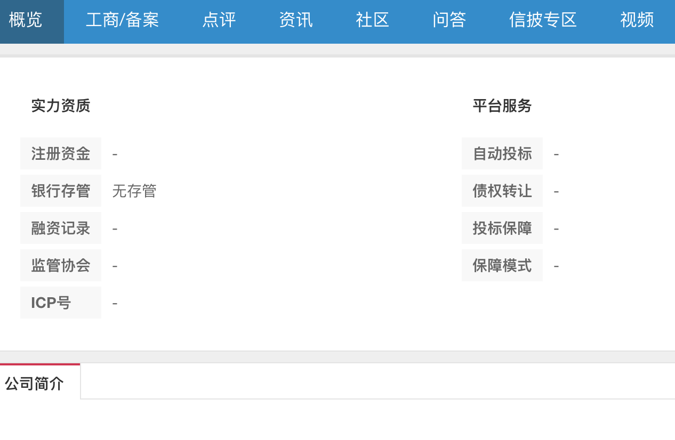
 | 数据抓取时间 |  | CollectionTime | CollectionTime, | 数据抓取时间 | datetime.now() | https://www.wdzj.com/dangan/nwd/
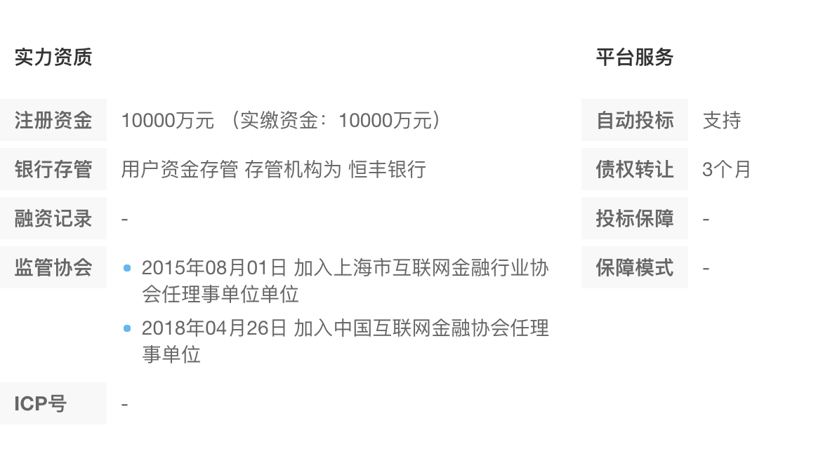
 |  |  |  | , |  |  | https://www.wdzj.com/dangan/nwd/
PlatformBackground | 上线时间 |  | StartRunningDate | StartRunningDate, | 上线时间 | //div[@class="pt-info"]/span[1]/text() | https://www.wdzj.com/dangan/nwd/
 | 注册省份 |  | Province | Province, | 注册省份 | //div[@class="pt-info"]/span[2]/em/text() | https://www.wdzj.com/dangan/nwd/
 | 注册城市 |  | City | City, | 注册城市 |  | https://www.wdzj.com/dangan/nwd/
（2）概览 | 注册资金 |  | RegisterCapital | RegisterCapital, | 注册资金 | //em[text()="注册资金"]/../../div[2]/text() | https://www.wdzj.com/dangan/nwd/
 | 股权上市 |  | ShareInList | ShareInList, | 股权上市 | //em[text()="股权上市"]/../../div[2]/text() | https://www.wdzj.com/dangan/nwd/
 | 银行存管 |  | TrustBank | TrustBank, | 银行存管 | //em[text()="银行存管"]/../../div[2]/text() | https://www.wdzj.com/dangan/nwd/
 | 融资记录 |  | FinancingRecord | FinancingRecord, | 融资记录 | //em[text()="融资记录"]/../../div[2]/p/text() | https://www.wdzj.com/dangan/nwd/
 | 监管协会 |  | Supervisor | Supervisor, | 监管协会 | //em[text()="监管协会"]/../../div[2]/p/text() | https://www.wdzj.com/dangan/nwd/
 | ICP号 |  | ICPNumber | ICPNumber, | ICP号 | //em[text()="ICP号"]/../../div[2]/text() | https://www.wdzj.com/dangan/nwd/
 | 自动投标 |  | AutoBidding | AutoBidding, | 自动投标 | //em[text()="自动投标"]/../../div[2]/text() | https://www.wdzj.com/dangan/nwd/
 | 债权转让 |  | DebtsTransfer | DebtsTransfer, | 债权转让 | //em[text()="债权转让"]/../../div[2]/text() | https://www.wdzj.com/dangan/nwd/
 | 投标保障 |  | InvestmentGuaranttee | InvestmentGuaranttee, | 投标保障 | //em[text()="投标保障"]/../../div[2]/text() | https://www.wdzj.com/dangan/nwd/
 | 保障模式 |  | GuarantteeMold | GuarantteeMold, | 保障模式 | //em[text()="保障模式"]/../../div[2]/text() | https://www.wdzj.com/dangan/nwd/
 |  |  |  | ,
 |  |  |  | ,
 |  |  |  | ,
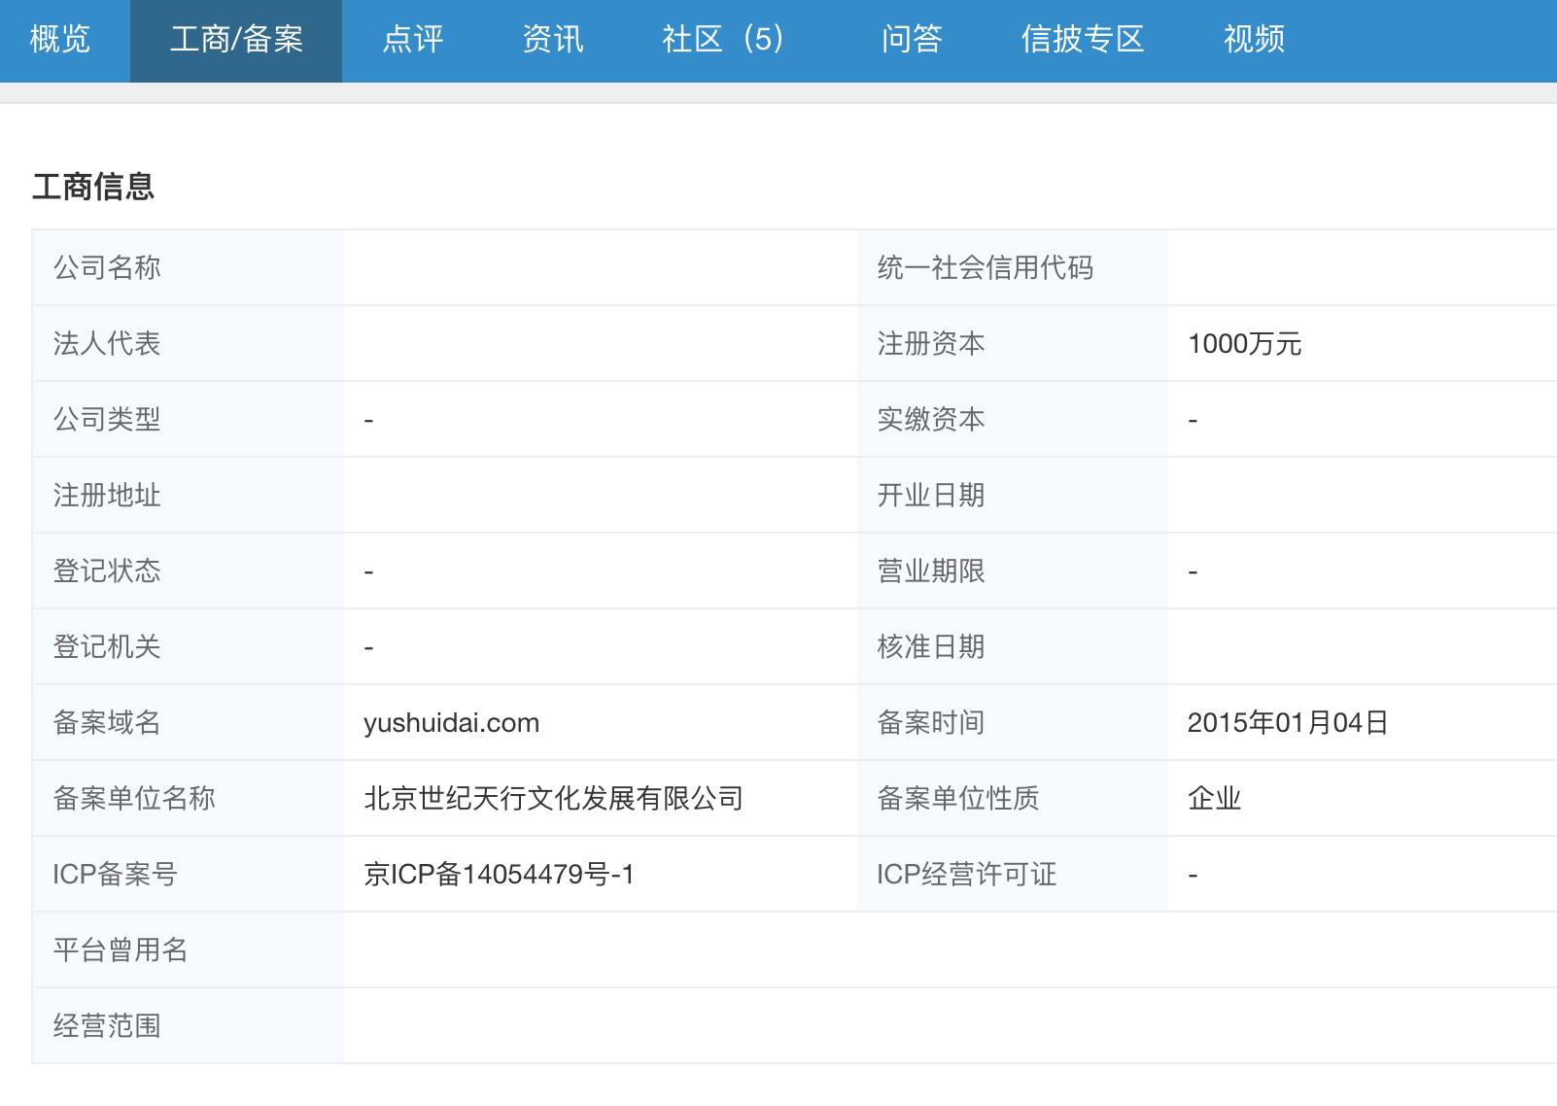
 |  |  |  | ,
PlatformBackground |  |  |  | ,
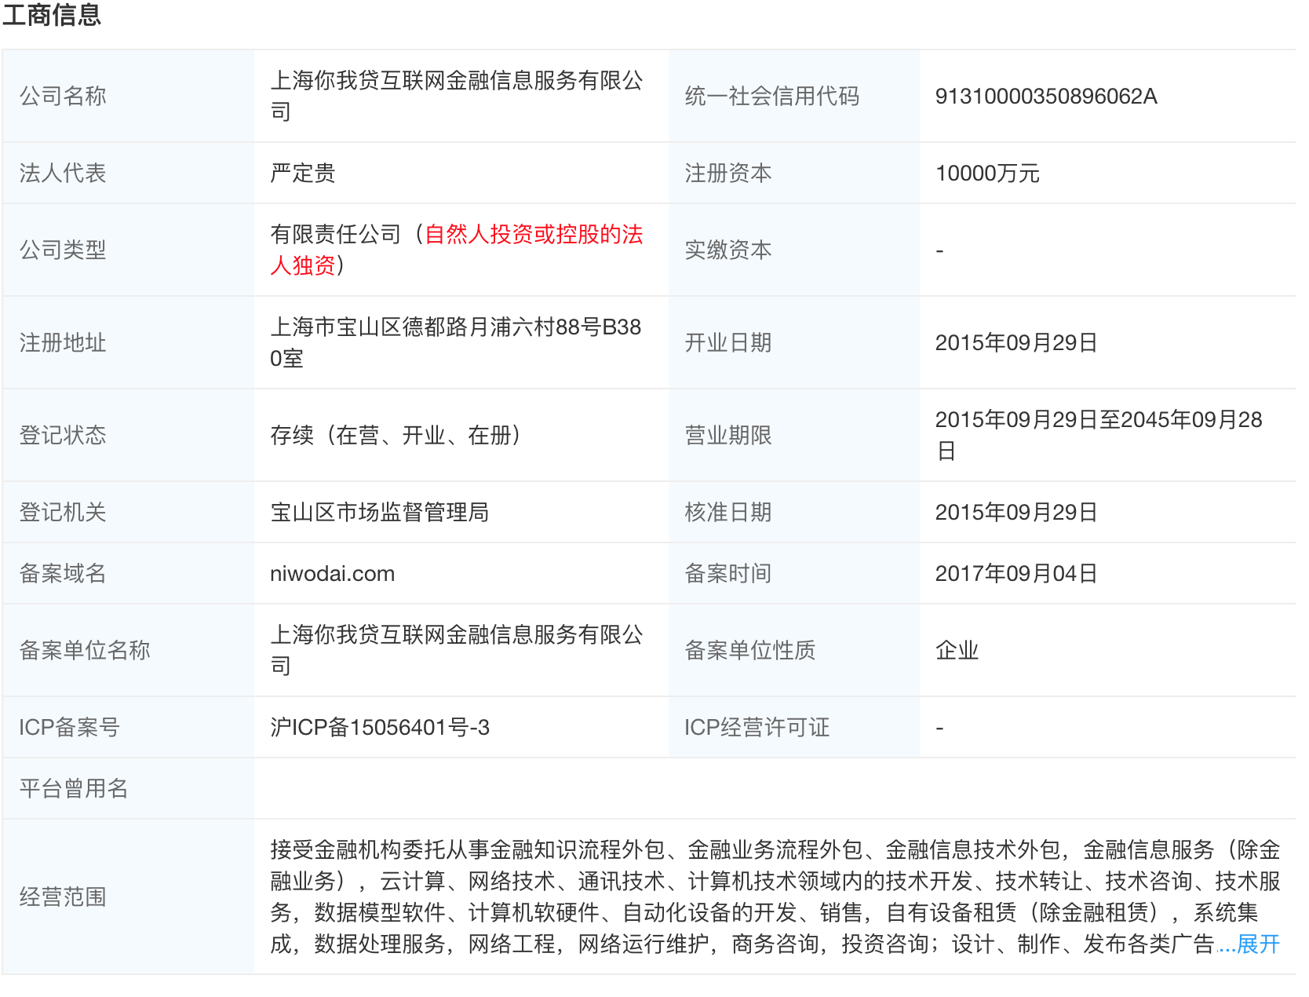
（3）工商备案信息 | 公司名称 |  | CompanyName | CompanyName, | 公司名称 | //td[text()="公司名称"]/../td[2]/text() | https://www.wdzj.com/dangan/fhjr/gongshang/
 | 法人代表 |  | CorporateRepresentative | CorporateRepresentative, | 法人代表 | //td[text()="法人代表"]/../td[2]/text() | https://www.wdzj.com/dangan/fhjr/gongshang/
 | 公司类型 |  | CorporateType | CorporateType, | 公司类型 | //td[text()="公司类型"]/../td[2]/text() | https://www.wdzj.com/dangan/fhjr/gongshang/
 | 注册地址 |  | CorporateAddress | CorporateAddress, | 注册地址 | //td[text()="注册地址"]/../td[2]/text() | https://www.wdzj.com/dangan/fhjr/gongshang/
 | 登记状态 |  | RegisterStatus | RegisterStatus, | 登记状态 | //td[text()="登记状态"]/../td[2]/text() | https://www.wdzj.com/dangan/fhjr/gongshang/
 | 登记机关 |  | RegisterInstitution | RegisterInstitution, | 登记机关 | //td[text()="登记机关"]/../td[2]/text() | https://www.wdzj.com/dangan/fhjr/gongshang/
 | 备案域名 |  | DomainName | DomainName, | 备案域名 | //td[text()="备案域名"]/../td[2]/text() | https://www.wdzj.com/dangan/fhjr/gongshang/
 | 备案单位名称 |  | RegisterCompanyName | RegisterCompanyName, | 备案单位名称 | //td[text()="备案单位名称"]/../td[2]/text() | https://www.wdzj.com/dangan/fhjr/gongshang/
 | ICP备案号 |  | RegisterICP | RegisterICP, | ICP备案号 | //td[text()="ICP备案号"]/../td[2]/text() | https://www.wdzj.com/dangan/fhjr/gongshang/
 | 平台曾用名 |  | FormerCompanyName | FormerCompanyName, | 平台曾用名 | //td[text()="平台曾用名"]/../td[2]/text() | https://www.wdzj.com/dangan/fhjr/gongshang/
 | 统一社会信用代码 |  | UnifiedSocialCreditNumber | UnifiedSocialCreditNumber, | 统一社会信用代码 | //td[text()="统一社会信用代码"]/../td[4]/text() | https://www.wdzj.com/dangan/fhjr/gongshang/
 | 注册资本 |  | RegisterCapital | RegisterCapital, | 注册资本 | //td[text()="注册资本"]/../td[4]/text() | https://www.wdzj.com/dangan/fhjr/gongshang/
 | 实缴资本 |  | PaidInCapital | PaidInCapital, | 实缴资本 | //td[text()="实缴资本"]/../td[4]/text() | https://www.wdzj.com/dangan/fhjr/gongshang/
 | 开业日期 |  | OpenDate | OpenDate, | 开业日期 | //td[text()="开业日期"]/../td[4]/text() | https://www.wdzj.com/dangan/fhjr/gongshang/
 | 营业日期 |  | RunningDate | RunningDate, | 营业日期 | //td[text()="营业日期"]/../td[4]/text() | https://www.wdzj.com/dangan/fhjr/gongshang/
 | 核准日期 |  | ApprovedDate | ApprovedDate, | 核准日期 | //td[text()="核准日期"]/../td[4]/text() | https://www.wdzj.com/dangan/fhjr/gongshang/
 | 备案时间 |  | PutInRecordDate | PutInRecordDate, | 备案时间 | //td[text()="备案时间"]/../td[4]/text() | https://www.wdzj.com/dangan/fhjr/gongshang/
 | 备案单位性质 |  | CompanyNature | CompanyNature, | 备案单位性质 | //td[text()="备案单位性质"]/../td[4]/text() | https://www.wdzj.com/dangan/fhjr/gongshang/
 | ICP经营许可证 |  | ICPScope | ICPScope, | ICP经营许可证 | //td[text()="ICP经营许可证"]/../td[4]/text() | https://www.wdzj.com/dangan/fhjr/gongshang/
 | 经营范围 |  | BusinessScope | BusinessScope, | 经营范围 | //td[text()="经营范围"]/../td[2]/p/text() | https://www.wdzj.com/dangan/fhjr/gongshang/
CapitalStructures |  |  |  | ,
（4）股权信息（多条） |  |  |  | ,
 | 平台ID |  | PlatformID | PlatformID, | 平台ID | //input[@id="platId"]/@value | https://www.wdzj.com/dangan/fhjr/gongshang/
 | 股东信息 |  | ShareholderName | ShareholderName, | 股东信息 | //div[@id="gqInfoBox"]//table[@class="table-ic"]/tbody[@class="tbody"]/tr/td[1]/text() | https://www.wdzj.com/dangan/fhjr/gongshang/
 | 持股比例 |  | SharePercent | SharePercent, | 持股比例 | //div[@id="gqInfoBox"]//table[@class="table-ic"]/tbody[@class="tbody"]/tr/td[2]/text() | https://www.wdzj.com/dangan/fhjr/gongshang/
 | 认缴出资 |  | SubscribedCapitalContribution | SubscribedCapitalContribution, | 认缴出资 | //div[@id="gqInfoBox"]//table[@class="table-ic"]/tbody[@class="tbody"]/tr/td[3]/text() | https://www.wdzj.com/dangan/fhjr/gongshang/
 | 数据抓取时间 |  | CollectionTime | CollectionTime, | 数据抓取时间
CapitalChanges |  |  |  | ,
（5）变更记录（多条） | 平台ID |  | PlatformID | PlatformID, | 平台ID | //input[@id="platId"]/@value | https://www.wdzj.com/dangan/fhjr/gongshang/
 | 变更时间 |  | ChangeDate | ChangeDate, | 变更时间 | //div[text()="变更记录"]/..//table[@class="table-ic"]/tbody[@class="tbody"]/tr/td[1]/text() | https://www.wdzj.com/dangan/fhjr/gongshang/
 | 变更类型 |  | ChangeType | ChangeType, | 变更类型 | //div[text()="变更记录"]/..//table[@class="table-ic"]/tbody[@class="tbody"]/tr/td[2]/text() | https://www.wdzj.com/dangan/fhjr/gongshang/
 | 信息变更前 |  | InfoBeforeChange | InfoBeforeChange, | 信息变更前 | //div[text()="变更记录"]/..//table[@class="table-ic"]/tbody[@class="tbody"]/tr/td[3]/text() | https://www.wdzj.com/dangan/fhjr/gongshang/
 | 信息变更后 |  | InfoAfterChange | InfoAfterChange, | 信息变更后 | //div[text()="变更记录"]/..//table[@class="table-ic"]/tbody[@class="tbody"]/tr/td[4]/text() | https://www.wdzj.com/dangan/fhjr/gongshang/
 | 数据抓取时间 |  | CollectionTime | CollectionTime, | 数据抓取时间
 |  |  |  | ,
 |  |  |  | ,
 |  |  |  | ,
 |  |  |  | ,
AbnormalEvents | 平台ID |  | PlatformID | PlatformID, | 平台ID | //input[@id="platId"]/@value | https://www.wdzj.com/dangan/fhjr/gongshang/
（6）异常经营（多条） | 序号 |  | SerialNumber | SerialNumber, | 序号 | //div[text()="异常经营"]/..//table[@class="table-ic"]/tbody[@class="tbody"]/tr/td[1]/text() | https://www.wdzj.com/dangan/fhjr/gongshang/
 | 列入经营异常原因 |  | InListReason | InListReason, | 列入经营异常原因 | //div[text()="异常经营"]/..//table[@class="table-ic"]/tbody[@class="tbody"]/tr/td[2]/text() | https://www.wdzj.com/dangan/fhjr/gongshang/
 | 列入日期 |  | InlistDate | InlistDate, | 列入日期 | //div[text()="异常经营"]/..//table[@class="table-ic"]/tbody[@class="tbody"]/tr/td[3]/text() | https://www.wdzj.com/dangan/fhjr/gongshang/
 | 决定机关（列入） |  | InListInstitution | InListInstitution, | 决定机关（列入） | //div[text()="异常经营"]/..//table[@class="table-ic"]/tbody[@class="tbody"]/tr/td[4]/text() | https://www.wdzj.com/dangan/fhjr/gongshang/
 | 移除经营异常原因 |  | RemoveListReason | RemoveListReason, | 移除经营异常原因 | //div[text()="异常经营"]/..//table[@class="table-ic"]/tbody[@class="tbody"]/tr/td[5]/text() | https://www.wdzj.com/dangan/fhjr/gongshang/
 | 移除日期 |  | RemoveListDate | RemoveListDate, | 移除日期 | //div[text()="异常经营"]/..//table[@class="table-ic"]/tbody[@class="tbody"]/tr/td[6]/text() | https://www.wdzj.com/dangan/fhjr/gongshang/
 | 决定机关（移除） |  | RemoveListInstitution | RemoveListInstitution, | 决定机关（移除） | //div[text()="异常经营"]/..//table[@class="table-ic"]/tbody[@class="tbody"]/tr/td[7]/text() | https://www.wdzj.com/dangan/fhjr/gongshang/
 | 数据抓取时间 |  | CollectionTime | CollectionTime, | 数据抓取时间
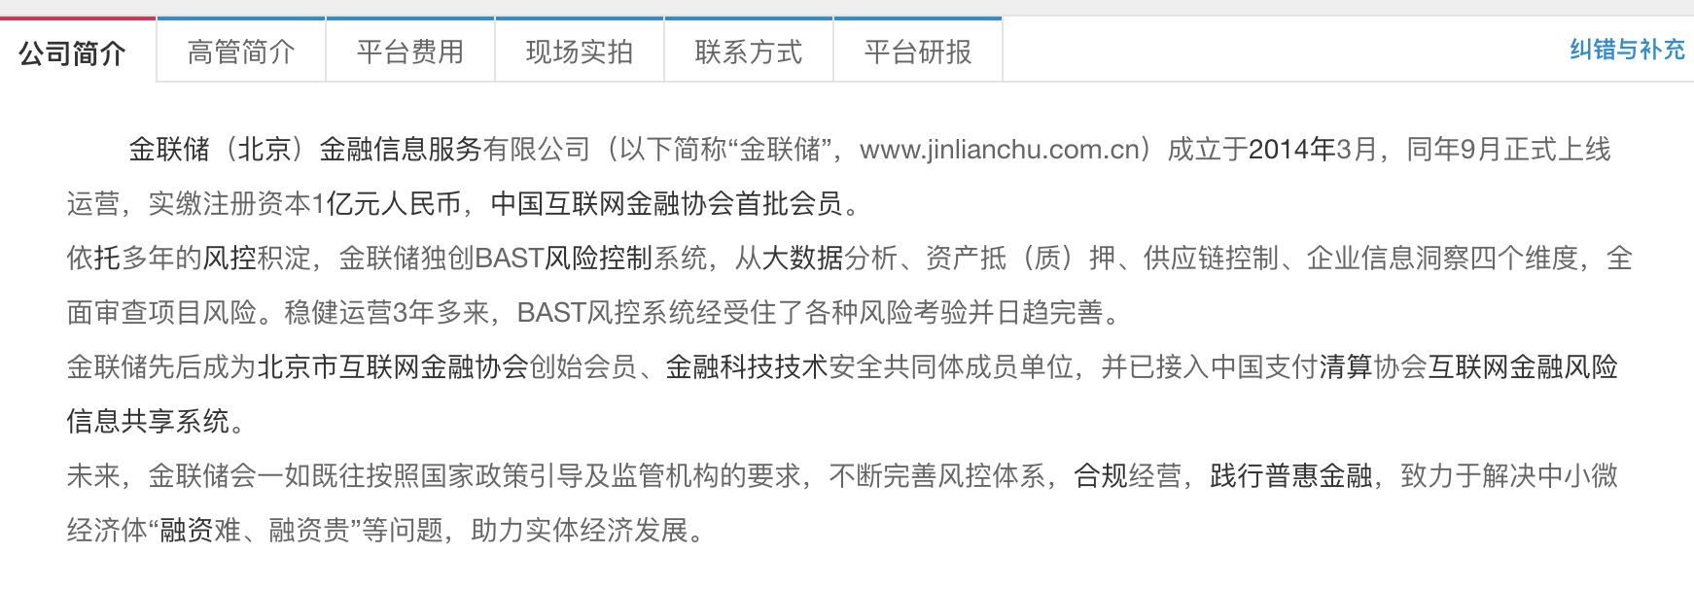
PlatformBackground |  |  |  | ,
(7)公司信息 | 公司简介 |  | CompanyDescription | CompanyDescription, | 公司简介 | string(//div[@class="da-gsjj"]/div) | https://www.wdzj.com/dangan/nwd/
 | 平台费用_账号管理费 |  | Fees_AccountManagement | Fees_AccountManagement, | 平台费用_账号管理费 | //span[contains(text(), "账户管理费")]/../em/text() | https://www.wdzj.com/dangan/nwd/
 | 平台费用_提现费用 |  | Fees_DrawCash | Fees_DrawCash, | 平台费用_提现费用 | //span[contains(text(), "提现费用")]/../em/text() | https://www.wdzj.com/dangan/nwd/
 | 平台费用_充值费用 |  | Fees_ChargeIn | Fees_ChargeIn, | 平台费用_充值费用 | //span[contains(text(), "充值费用")]/../em/text() | https://www.wdzj.com/dangan/nwd/
 | 平台费用_转让费用 |  | Fees_Transfer | Fees_Transfer, | 平台费用_转让费用 | //span[contains(text(), "转让费用")]/../em/text() | https://www.wdzj.com/dangan/nwd/
 | 平台费用_VIP费用 |  | Fees_VIP | Fees_VIP, | 平台费用_VIP费用 | //span[contains(text(), "VIP费用")]/../em/text() | https://www.wdzj.com/dangan/nwd/
 | 客服电话 |  | CustomerTel | CustomerTel, | 客服电话 | //em[contains(text(),"客服电话")]/../../div[2]/text() | https://www.wdzj.com/dangan/nwd/
 | 服务邮箱 |  | Email | Email, | 服务邮箱 | //em[contains(text(),"服务邮箱")]/../../div[2]/text() | https://www.wdzj.com/dangan/nwd/
 | 通信地址 |  | CorrespondenceAddress | CorrespondenceAddress, | 通信地址 | //em[contains(text(),"通信地址")]/../../div[2]/text() | https://www.wdzj.com/dangan/nwd/
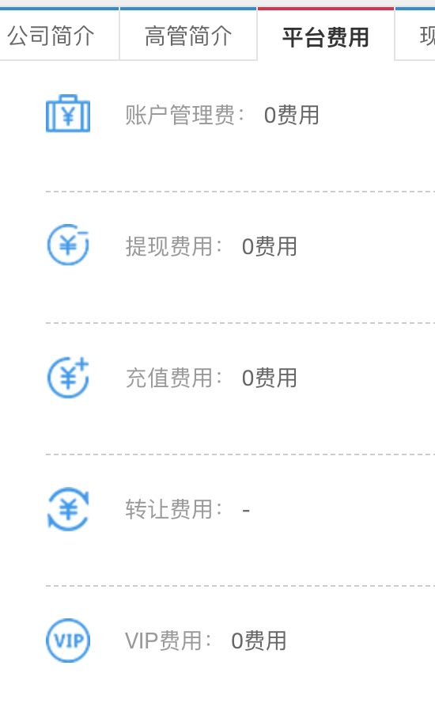
 | 分公司 |  | BranchCompay | BranchCompay, | 分公司 | //em[contains(text(),"分公司")]/../../div[2]/text() | https://www.wdzj.com/dangan/nwd/
 | 座机电话 |  | CompanyTel | CompanyTel, | 座机电话 | //em[contains(text(),"座机电话")]/../../div[2]/text() | https://www.wdzj.com/dangan/nwd/
 | 传真 |  | Fax | Fax, | 传真 | //em[contains(text(),"传真")]/../../div[2]/text() | https://www.wdzj.com/dangan/nwd/
 | 邮编 |  | ZipCode | ZipCode, | 邮编 | //em[contains(text(),"邮编")]/../../div[2]/text() | https://www.wdzj.com/dangan/nwd/

高管信息
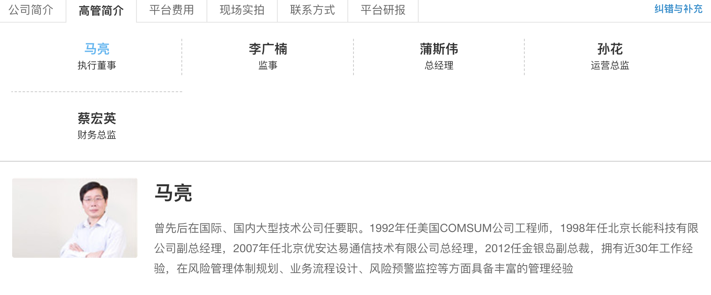
TopManagers | 变量 | ColumnName |  | 值 | 变量 | xpath | URL | 备注
 | 平台ID | PlatformID | PlatformID, |  | 平台ID | //input[@id="platId"]/@value | https://www.wdzj.com/dangan/nwd/
 | 姓名 | Name | Name, |  | 姓名 | //div[@class="da-ggjj"]//ul[@class="gglist"]/li/a/span/text() | https://www.wdzj.com/dangan/nwd/
 | 职位 | Position | Position, |  | 职位 | //div[@class="da-ggjj"]//ul[@class="gglist"]/li/a/p/text() | https://www.wdzj.com/dangan/nwd/
 | 简介 | Description | Description, |  | 简介 | //div[@class="da-ggjj"]//div[contains(@class, "ggshow")]//p[@class="cen"]/text() | https://www.wdzj.com/dangan/nwd/
 | 数据抓取时间 | CollectionTime | CollectionTime, |  | 数据抓取时间
 | 照片URL | ImageURL | ImageURL, |  |  | //div[@class="da-ggjj"]//div[contains(@class, "ggshow")]//img/@src | https://www.wdzj.com/dangan/nwd/
 | 照片 | Image | Image, |  |  | //div[@class="da-ggjj"]//div[contains(@class, "ggshow")]//img/@src | https://www.wdzj.com/dangan/nwd/ | 将图片下载并保存到本地的代码
 |  |  |  |  |  |  |  | headers={ 'User-Agent': "Mozilla/5.0 (Macintosh; Intel Mac OS X 10_13_5) AppleWebKit/537.36 (KHTML, like Gecko) Chrome/67.0.3396.99 Safari/537.36" } import requests file=open(filepath, 'wb') res=requests.get(url, headers=headers) file.write(res.content) file.close()

点评信息
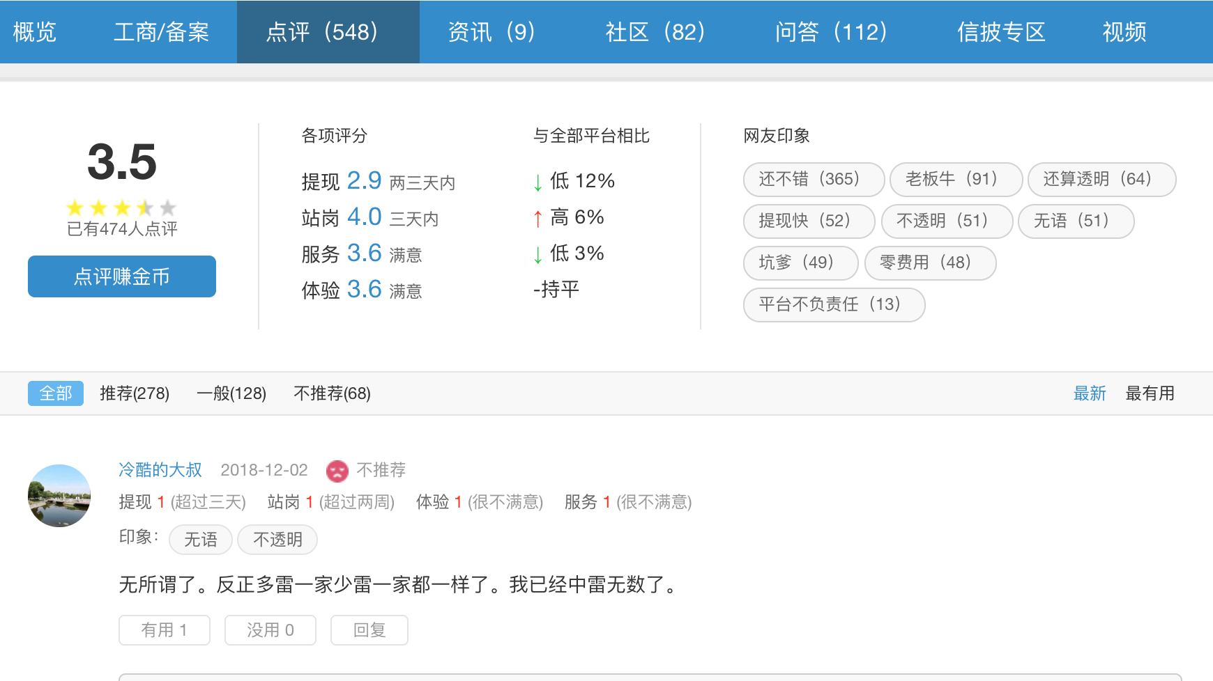
 | 变量 | 值 | ColumnName |  | 变量 | xpath | Json Keys | URL
PlatformComments
（1）点评信息 | 平台ID |  | PlatformID | PlatformID, | 平台ID | //input[@id="platId"]/@value |  | https://www.wdzj.com/dangan/nwd/
 | 点评得分 |  | ReviewScore_Overall | ReviewScore_Overall, | 点评得分 | //div[@class="dianpBox"]//div[@class="dianpinbox"]/b/text() |  | https://www.wdzj.com/dangan/nwd/
 | 点评人数 |  | ReviewersNumber | ReviewersNumber, | 点评人数 | //div[@class="dianpBox"]//div[@class="dianpinbox"]/span/text() |  | https://www.wdzj.com/dangan/nwd/
 | 各项评分_提现 |  | ReviewScore_Withdraw | ReviewScore_Withdraw, | 各项评分_提现 | //dd[contains(text(),"提现")]/em/text() |  | https://www.wdzj.com/dangan/nwd/
 | 各项评分_站岗 |  | ReviewScore_Idle | ReviewScore_Idle, | 各项评分_站岗 | //dd[contains(text(),"站岗")]/em/text() |  | https://www.wdzj.com/dangan/nwd/
 | 各项评分_服务 |  | ReviewScore_Service | ReviewScore_Service, | 各项评分_服务 | //dd[contains(text(),"服务")]/em/text() |  | https://www.wdzj.com/dangan/nwd/
 | 各项评分_体验 |  | ReviewScore_Experience | ReviewScore_Experience, | 各项评分_体验 | //dd[contains(text(),"体验")]/em/text() |  | https://www.wdzj.com/dangan/nwd/
 | 与全部平台相比_提现 |  | Comparision_Withdraw | Comparision_Withdraw, | 与全部平台相比_提现 | string(//dt[text()="与全部平台相比"]/../dd[1]) |  | https://www.wdzj.com/dangan/nwd/
 | 与全部平台相比_站岗 |  | Comparison_Idle | Comparison_Idle, | 与全部平台相比_站岗 | string(//dt[text()="与全部平台相比"]/../dd[2]) |  | https://www.wdzj.com/dangan/nwd/
 | 与全部平台相比_服务 |  | Comparison_Service | Comparison_Service, | 与全部平台相比_服务 | string(//dt[text()="与全部平台相比"]/../dd[3]) |  | https://www.wdzj.com/dangan/nwd/
 | 与全部平台相比_体验 |  | Comparison_Experience | Comparison_Experience, | 与全部平台相比_体验 | string(//dt[text()="与全部平台相比"]/../dd[4]) |  | https://www.wdzj.com/dangan/nwd/
 | 网友印象 |  | Impressions | Impressions, | 网友印象 | //div[@class="yx-box"]/dl/dd/text() |  | https://www.wdzj.com/dangan/nwd/
 | 推荐（人数） |  | Recommend_Yes | Recommend_Yes, | 推荐（人数） | //div[@class="pl-titnavbox"]/div[1]/a[2]/text() |  | https://www.wdzj.com/dangan/nwd/
 | 一般（人数） |  | Recommend_Nil | Recommend_Nil, | 一般（人数） | //div[@class="pl-titnavbox"]/div[1]/a[3]/text() |  | https://www.wdzj.com/dangan/nwd/
 | 不推荐（人数） |  | Recommend_No | Recommend_No, | 不推荐（人数） | //div[@class="pl-titnavbox"]/div[1]/a[4]/text() |  | https://www.wdzj.com/dangan/nwd/
 | 数据抓取时间 |  | CollectionTime | CollectionTime, | 数据抓取时间
 |  |  |  | ,
 |  |  |  | ,
PlatformReviews |  |  |  | ,
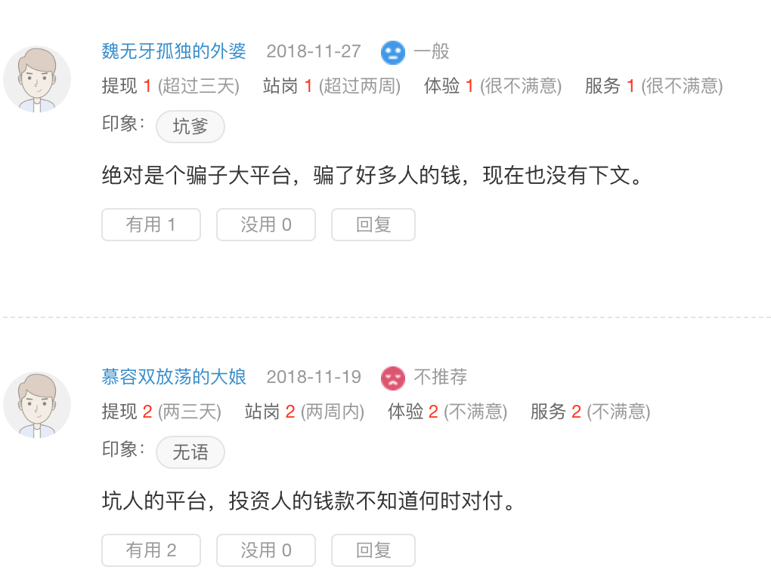
（2）评论信息 | 平台ID |  | PlatformID | PlatformID, | 平台ID | //input[@id="platId"]/@value | platId |  | https://www.wdzj.com/dangan/nwd/dianping/
 | 点评ID |  | ReviewID | ReviewID, | 点评ID |  | reviewId |  | https://www.wdzj.com/plat-center/platReview/getPlatReviewList?platId=40&currentPage=2&pageSize=20&orderType=0&reviewEvaluation=
 | 评论人昵称 |  | UserName | UserName, | 评论人昵称 | //div[@class="bd"]//ul[@class="commentList"]//span[@class="name"]/a/text() | reviewUserName |  | 读取json数据
 | 评论人ID |  | UserID | UserID, | 评论人ID |  | reviewUserId |  | "noUseful":0,"orderType":0,"parentReviewPlatFlag":0,"platId":40,"platName":"你我贷","platPin":"nwd","reviewContent":"整体而言还是不错的，我到期选择的续投～","reviewDate":1543659761000,"reviewEvaluation":"2","reviewId":517481,"reviewPlatFlag":0,"reviewUserId":"221145","reviewUserName":"ws0420","salaryguard":4,"serviceAttitude":4,"tagList":["还不错"],"useful":0,"websiteExperience":4,"withdrawSpeed":4},
 | 评论日期 |  | CommentDate | CommentDate, | 评论日期 | //div[@class="bd"]//ul[@class="commentList"]//span[@class="date"]/text() | reviewDate |  |  | Example：
 | 推荐 | 推荐；一般；不推荐 | Recommend | Recommend, | 推荐 | //div[@class="bd"]//ul[@class="commentList"]//span[@class="tags"]/text()[2] | reviewEvaluation |  |  | orderType:0,
 | 提现 |  | Withdraw | Withdraw, | 提现 | //div[@class="bd"]//dl[@class="comment"]//strong[text()="提现"]/../span[@class="num"]/text() | withdrawSpeed |  |  | parentReviewPlatFlag:0,
 | 站岗 |  | Idle | Idle, | 站岗 | //div[@class="bd"]//dl[@class="comment"]//strong[text()="站岗"]/../span[@class="num"]/text() | salaryguard |  |  | reviewPlatFlag:0,
 | 体验 |  | Experience | Experience, | 体验 | //div[@class="bd"]//dl[@class="comment"]//strong[text()="体验"]/../span[@class="num"]/text() | websiteExperience
 | 服务 |  | Service | Service, | 服务 | //div[@class="bd"]//dl[@class="comment"]//strong[text()="服务"]/../span[@class="num"]/text() | serviceAttitude
 | 印象 |  | Impressions | Impressions, | 印象 | //div[@class="bd"]//dl[@class="impression"] .//dd/span/text() | tagList |  |  | platId:40,
 | 评论内容 |  | Content | Content, | 评论内容 |  | reviewContent |  |  | platName:"你我贷",
 | 有用 |  | Useful_Yes | Useful_Yes, | 有用 |  | useful |  |  | platPin:"nwd",
 | 没用 |  | Userul_No | Userul_No, | 没用 |  | noUseful
 | 数据抓取时间 |  | CollectionTime | CollectionTime, | 数据抓取时间 |  |  |  |  | reviewDate:1543659761000,
 |  |  | parentReviewPlatFlag | parentReviewPlatFlag, |  |  | parentReviewPlatFlag
 |  |  | reviewPlatFlag |  |  |  | reviewPlatFlag |  |  | reviewEvaluation:"2",
 |  |  | orderType |  |  |  | orderType
 |  |  | parentReviewId |  | 父评论ID |  | parentReviewId |  |  | reviewId:517481,
 |  |  | parentReviewUserId |  | 父评论用户ID |  | parentReviewUserId
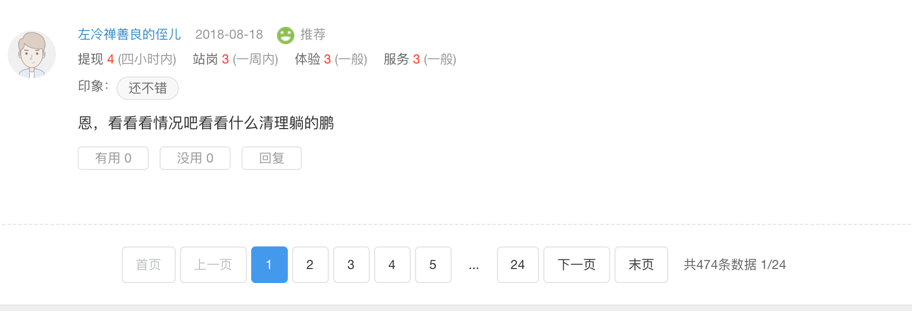

 |  |  |  |  |  |  |  |  |  | reviewUserId:"221145",
 |  |  |  |  |  |  |  |  |  | reviewUserName:"ws0420",

 |  |  |  |  |  |  |  |  |  | tagList:["还不错"],

 |  |  |  |  |  |  |  |  |  | reviewContent:"整体而言还是不错的，我到期选择的续投～",

 |  |  |  |  |  |  |  |  |  | useful:0,
 |  |  |  |  |  |  |  |  |  | noUseful:0,

 |  |  |  |  |  |  |  |  |  | salaryguard:4,
 |  |  |  |  |  |  |  |  |  | serviceAttitude:4,
 |  |  |  |  |  |  |  |  |  | websiteExperience:4,
 |  |  |  |  |  |  |  |  |  | withdrawSpeed:4},

社区信息
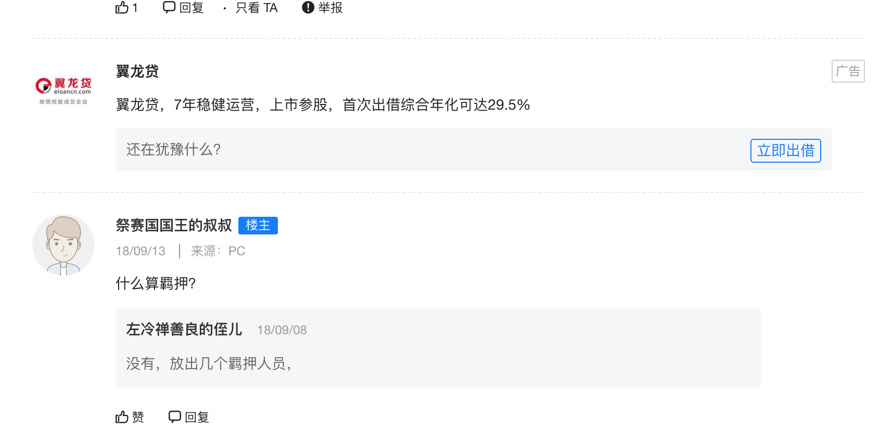
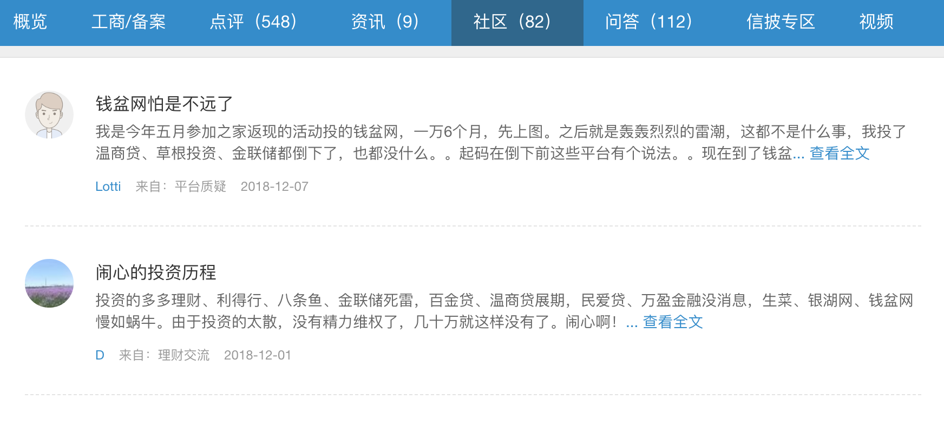
PlatformPostList | 变量 |  | 值 | ColumnName |  | xpath |  | URL
（1）发帖信息 | 平台ID | '平台ID', |  | PlatformID | 'PlatformID', | //input[@id="platId"]/@value |  | https://www.wdzj.com/front/bbsInfo/40/15/3 | 40-platId
 | 发帖人ID | '发帖人ID', |  | AuthorID | 'AuthorID', | //div[@class="lbox"]//a[contains(@onclick,"personalCenter")]/@onclick | '//div[@class="lbox"]//a[contains(@onclick,"personalCenter")]/@onclick', |  | 15-extract 15 items each time
 | 帖子ID | '帖子ID', |  | PostID | 'PostID', | //body/ul/li//div[@class="tit"]/a/@href | '//body/ul/li//div[@class="tit"]/a/@href', |  | 3 - current page
 | 发帖人昵称 | '发帖人昵称', |  | PostUserName | 'PostUserName', | //div[@class="lbox"]//a[contains(@onclick,"personalCenter")]/text() | '//div[@class="lbox"]//a[contains(@onclick,"personalCenter")]/text()', |  | 一共页数：<a href="javascript:;" pagenumber="70">末页</a>
 | 发帖类型 | '发帖类型', | 平台质疑；理财交流 | PostType | 'PostType', | //body/ul/li//div[@class="userxx"]/div[@class="lbox"]/span[1]/text() | '//body/ul/li//div[@class="userxx"]/div[@class="lbox"]/span[1]/text()',
 | 发帖日期 | '发帖日期', |  | PostingDate | 'PostingDate', | //body/ul/li//div[@class="userxx"]/div[@class="lbox"]/span[2]/text() | '//body/ul/li//div[@class="userxx"]/div[@class="lbox"]/span[2]/text()',
 | 发帖内容掠影 | '发帖内容掠影', |  | PostAbstract | 'PostAbstract', | //body/ul/li//div[@class="cen"]/a/text() | '//body/ul/li//div[@class="cen"]/a/text()',
 | 帖子标题 | '帖子标题', |  | PostTitle | 'PostTitle', | //body/ul/li//div[@class="tit"]/a/text() | '//body/ul/li//div[@class="tit"]/a/text()',
 | 数据收集时间 | '数据收集时间', |  | CollectionTime | 'CollectionTime', |  | '',
 |  | '', |  |  | '', |  | '',
 |  | '', |  |  | '', |  | '',
 |  | '', |  |  | '', |  | '',
 |  | '', |  |  | '', |  | '',
 |  | '', |  |  | '', |  | '',
 |  | '', |  |  | '', |  | '',
 |  | '', |  |  | '', |  | '',
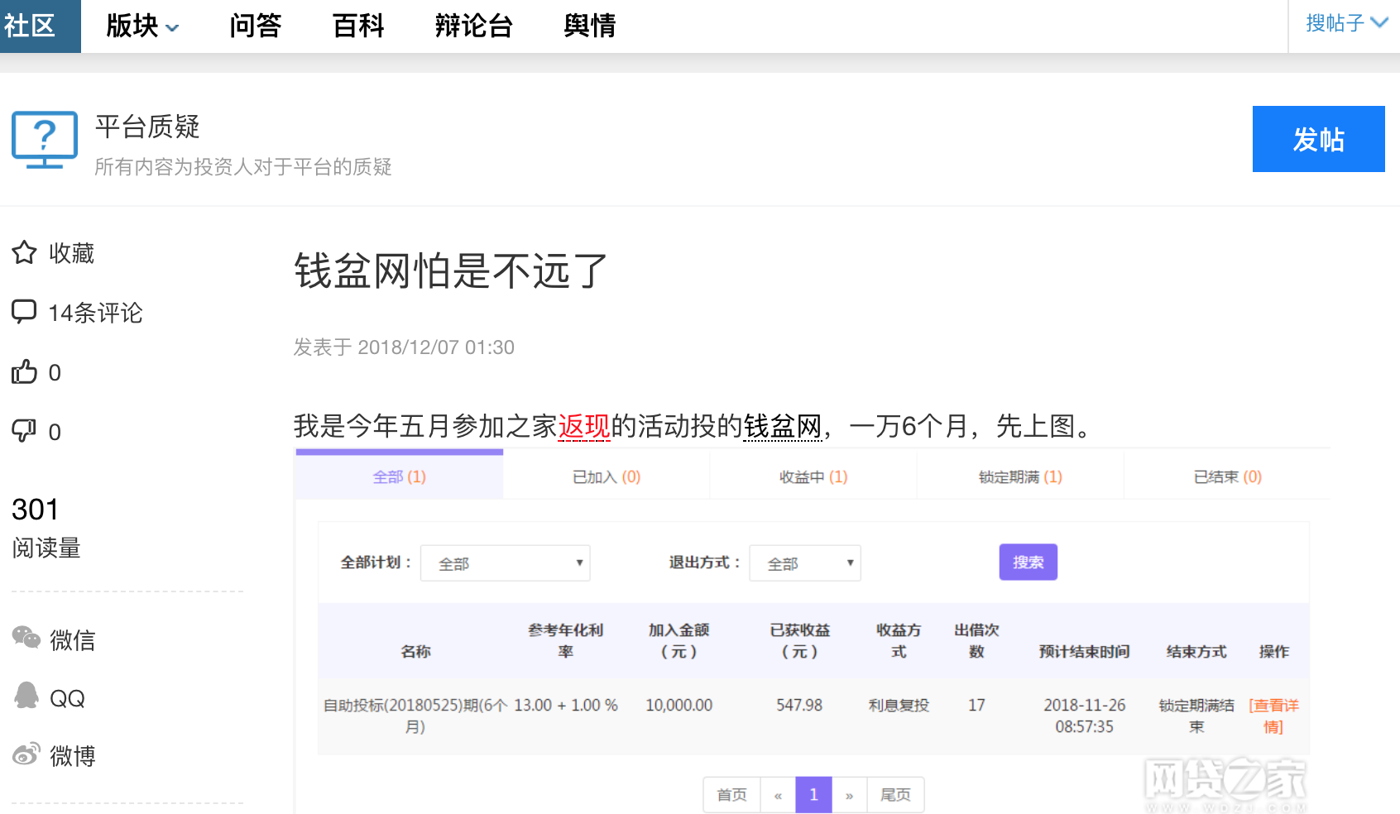
 |  | '', |  |  | '', |  | '',
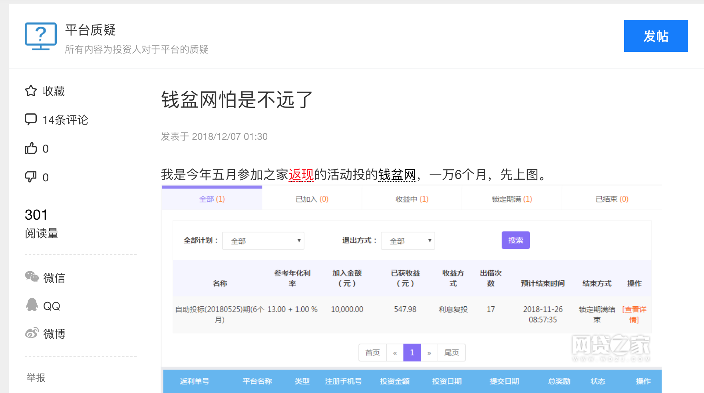
 |  | '', |  |  | '', |  | '',
PostItems | 帖子ID | '帖子ID', |  | PostID | 'PostID', | url | 'url', | https://bbs.wdzj.com/thread-1226054-1-1.html | 1226054为帖子ID
（2）帖子内容 | 作者ID | '作者ID', |  | AuthorID | 'AuthorID', | //span[@data-authorid]/@data-authorid | '//span[@data-authorid]/@data-authorid', |  | 第一个1：论坛？
 | 帖子标题 | '帖子标题', | '帖子标题', | PostTitle | 'PostTitle', | //h1[@class="context-title"]/text() | '//h1[@class="context-title"]/text()', |  | 第二个1：回复的当前页数？
 | 发表时间 | '发表时间', | '发表时间', | PostingDate | 'PostingDate', | //div[@class="post-time"]/span/text() | '//div[@class="post-time"]/span/text()',
 | 帖子内容 | '帖子内容', | '帖子内容', | Content | 'Content', | string(//div[@class="post-inner-txt"]/div[@class="news_con_p"]) | 'string(//div[@class="post-inner-txt"]/div[@class="news_con_p"])',
 | 评论人数 | '评论人数', | '评论人数', | NumberOfComments | 'NumberOfComments', | //span[@class="replyCount"]/text() | '//span[@class="replyCount"]/text()',
 | 点赞人数 | '点赞人数', | '点赞人数', | Recommend_Yes | 'Recommend_Yes', | //span[@id="recommend"]/text() | '//span[@id="recommend"]/text()',
 | 踩人数 | '踩人数', | '踩人数', | Recommend_No | 'Recommend_No', | //a[@hates]/span/text() | '//a[@hates]/span/text()',
 | 阅读量 | '阅读量', | '阅读量', | NumberOfReaders | 'NumberOfReaders', | //p[text()="阅读量"]/../p[1]/text() | '//p[text()="阅读量"]/../p[1]/text()',
 | 帖子类型 | '帖子类型', | '帖子类型', | PostType | 'PostType', | //div[@class="commun-des"]/text() | '//div[@class="commun-des"]/text()',
 |  | '', | '', |  | '',
 |  | '', |  |  | '',
 |  | '', |  |  | '',
 |  | '', |  |  | '',
 |  | '', |  |  | '',
 |  | '', |  |  | '',
 |  | '', |  |  | '',
 |  | '', |  |  | '',
PostReply |  | '', |  |  | '',
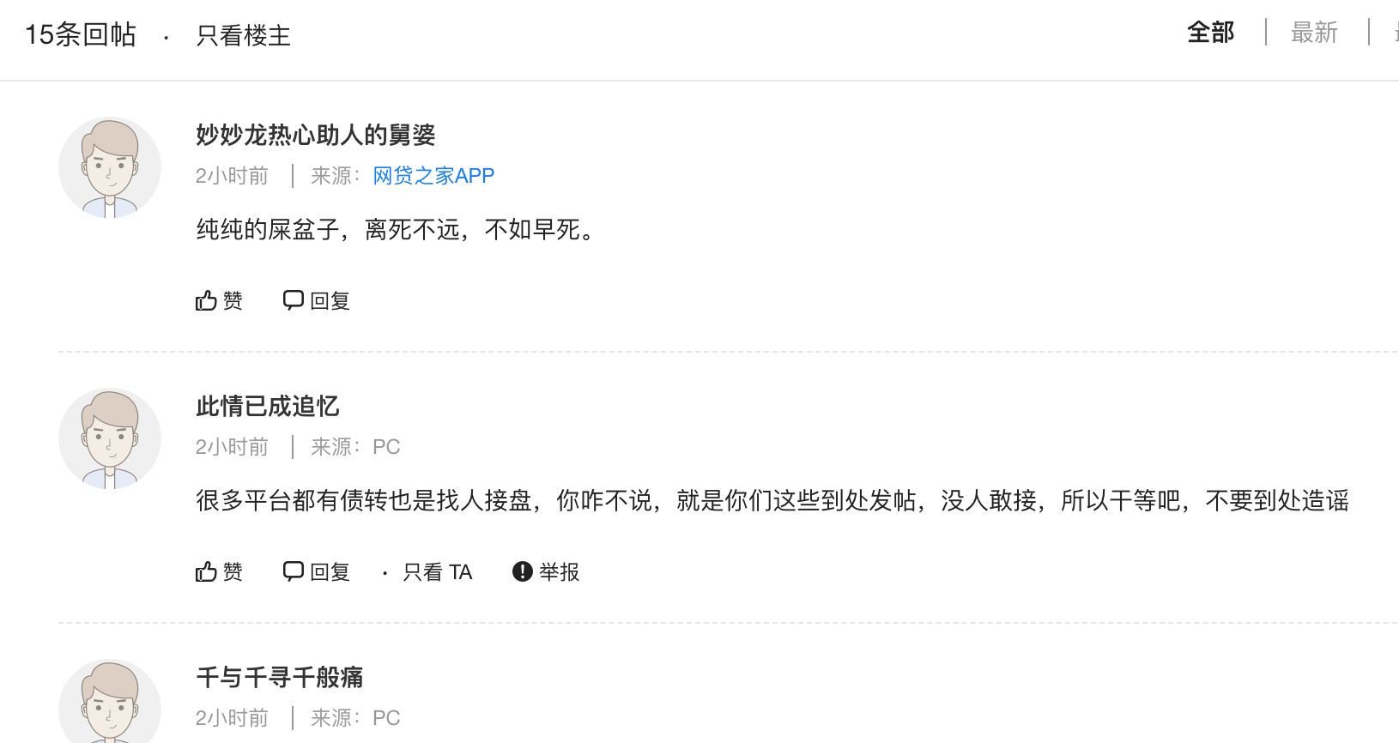
（3）帖子回复信息 | 回帖ID | '回帖ID', |  | ReviewID | 'ReviewID',
 | 帖子ID | '帖子ID', |  | PostID | 'PostID',
 | 回复人ID | '回复人ID', |  | ReviewerID | 'ReviewerID',
 | 回复人昵称 | '回复人昵称', |  | ReviewerName | 'ReviewerName', | //a[@cmt_post_username]/text() |  | https://bbs.wdzj.com/thread/getAuthorComment?type=1&author=&tid=1223101&page=1&page_size=50
 | 发帖来源 | '发帖来源', | 网贷之家APP；PC | ReplySource | 'ReplySource', | //div@class="cmt_post_source"]//span[@class="cmt_post_client"]/text() |  | json格式数据
 | 回复内容 | '回复内容', |  | ReplyContent | 'ReplyContent', | //div[@class="cmt_post_message"]/text() |  | 总条数：commentTotal
 | 回复时间 | '回复时间', |  | ReplyDate | 'ReplyDate', | //div[@class="cmt_post_source"]/text() |  | "id":"4478006","tid":"1223101","fid":"42","parent_uid":"4474510","path":"4471275-4474510","author_id":"1615583","author_name":"我是大路人甲","is_top":"0","message":"正常，比如10，12％是因为收借款人不超过24％，你我贷给18％，是因为你我贷收借款人35.99％，一样的","position":"0","terminal":"1","attachment":"0","create_time":"3天前","support":null,"nickname":"我是大路人甲","username":"我是大路人甲","avatar":"https:\/\/avatar.wdzjimages.com\/bbsimages\/avatar\/2\/40af82c489624725fc25f5feed355ee5.jpg_120x120",
 | 点赞人数 | '点赞人数', |  | Recommend_Yes | 'Recommend_Yes',
 | 是否广告 | '是否广告', | 会插入一部分广告在评论区中 | Recommend_No | 'Recommend_No',
 | 数据收集时间 | '数据收集时间', |  | CollectionTime | 'CollectionTime',
 | 用户URL | '用户URL', |  | UserURL | 'UserURL', | //a[@cmt_post_username]/@href

用户信息
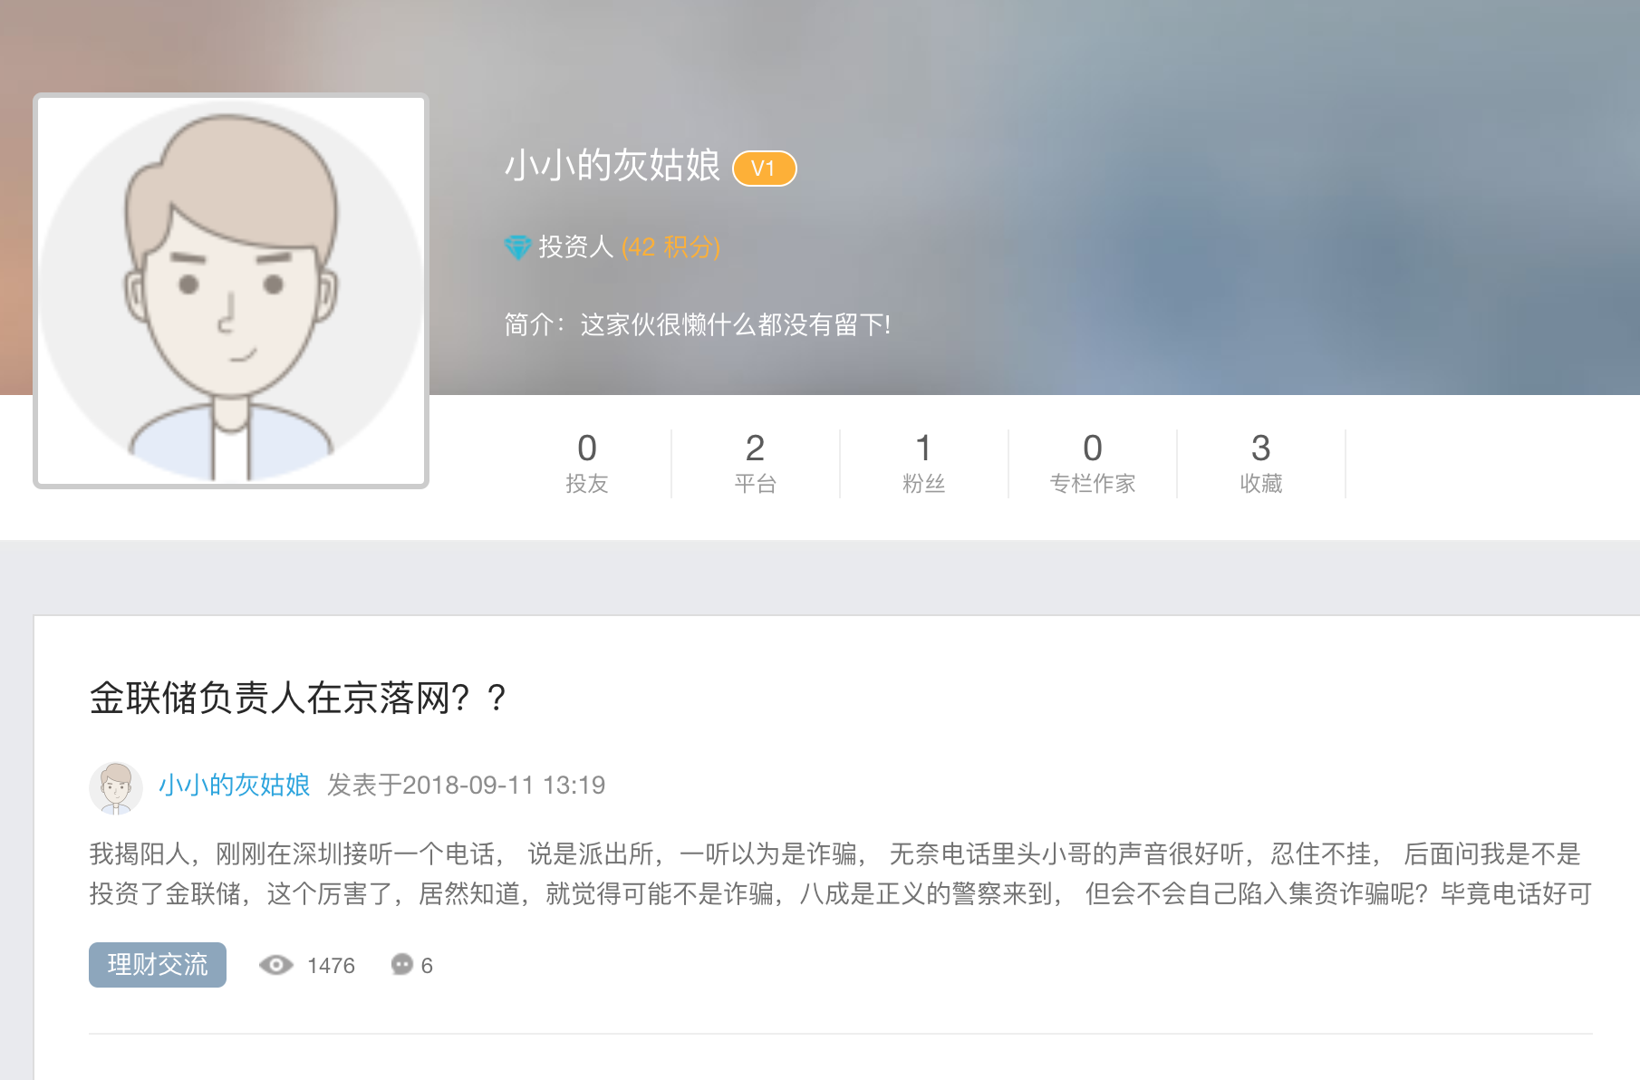
UserBasics
(1)基本信息 | 变量 | ColumnName | 值 | xpath | URL
 | 用户ID
 | 用户昵称
 | 角色
 | 积分
 | 简介
 | 投友数
 | 关注平台数
 | 粉丝数
 | 专栏作家数
 | 收藏数

UserPosts
（2）发帖信息
指向社区信息 | 帖子ID
 | 发帖人ID

(3)投友信息

（4）关注平台信息

（5）粉丝信息

