平台概览

Table Name | 变量 | Column Name | xpath Root | xpath Leaf | xpath URL
PlatformSnapshot | 平台拼音缩写 | platNamePin | //ul[@class="terraceList"]/li[@class="item"] | //div[@class="itemTitle"]/h2/a/@href | https://www.wdzj.com/dangan/search?filter&currentPage=1
 | 平台状态 | platStatus |  | //div[@class="itemTag"]//i[contains(@class,"dangan_icon")]/../ul/li/text() | https://www.wdzj.com/dangan/search?filter&currentPage=1
 | 平台名称 | platName |  | //div[@class="itemTitle"]/h2/a/text() | https://www.wdzj.com/dangan/search?filter&currentPage=1
 | 参考利率 | platEarningsCode |  | //div[contains(text(),"参考利率")]/label/em/text() | https://www.wdzj.com/dangan/search?filter&currentPage=1
 | 待还余额 | money_stock |  | //div[contains(text(),"待还余额")]/text() | https://www.wdzj.com/dangan/search?filter&currentPage=1
 | 注册地址 | location |  | //div[contains(text(),"注册地")]/text() | https://www.wdzj.com/dangan/search?filter&currentPage=1
 | 上线时间 | onlineDate |  | //div[contains(text(),"上线时间")]/text() | https://www.wdzj.com/dangan/search?filter&currentPage=1
 | 网友印象 | platReviewTag |  | //div[contains(text(),"网友印象")]/span/text() | https://www.wdzj.com/dangan/search?filter&currentPage=1
 | 评级 | CreditRanking |  | //em[contains(text(),"评级")]/strong/text() | https://www.wdzj.com/dangan/search?filter&currentPage=1
 | 标签列表 | LabelList |  | //div[@class="itemTitle"]/div[contains(@class,"itemTitleTag")]/em[not(contains(text(),"评级"))]/text() | https://www.wdzj.com/dangan/search?filter&currentPage=1
 | 综合评分 | OverallScore |  | //div[contains(text(),"网友印象")]/strong/text() | https://www.wdzj.com/dangan/search?filter&currentPage=1
 | 点评人数 | NumberOfCommentators |  | //div[contains(text(),"网友印象")]/em/text() | https://www.wdzj.com/dangan/search?filter&currentPage=1
 | 数据收集时间 | CollectionTime

平台详细信息
Table Name | Json URL | xpath | XpathURL | Notes
PlatformDetail | https://wwwservice.wdzj.com/api/plat/platData30Days?platId=40 | //input[@id="platId"]/@value | https://www.wdzj.com/dangan/nwd/
 | https://wwwservice.wdzj.com/api/plat/platData30Days?platId=40
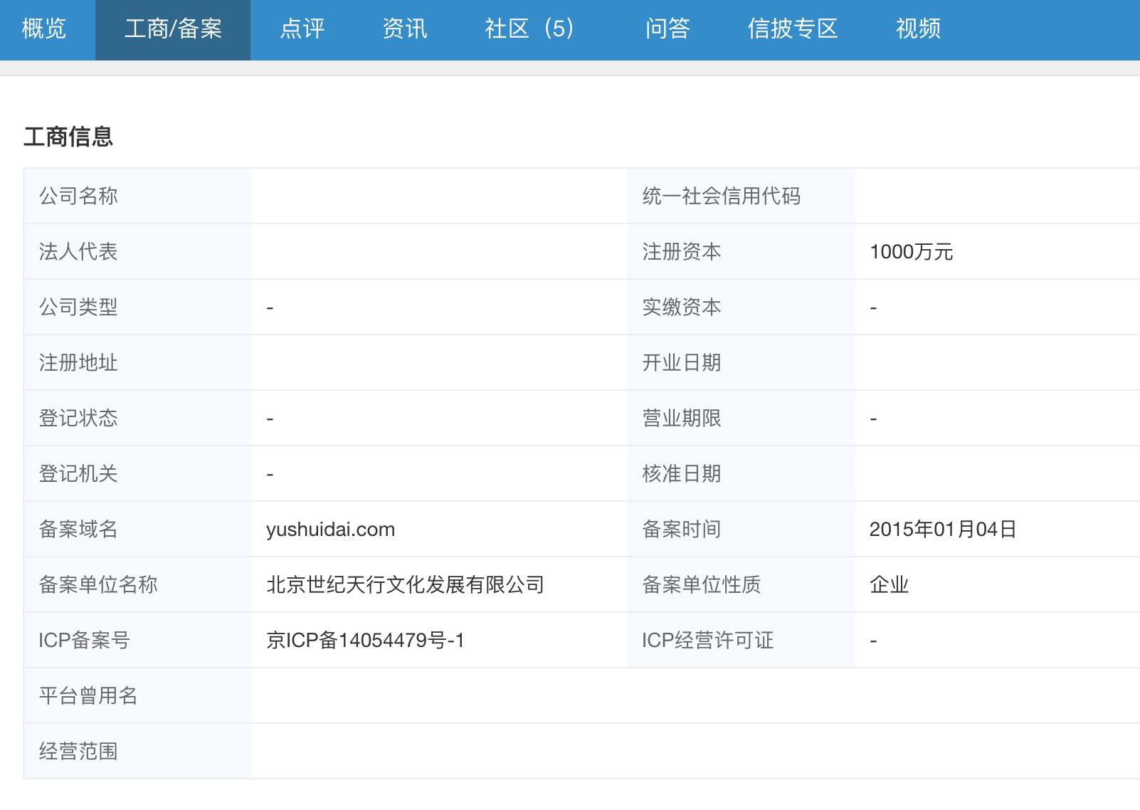
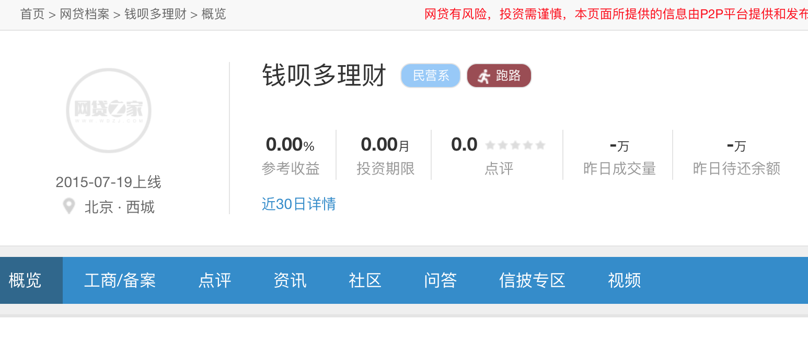
 | https://wwwservice.wdzj.com/api/plat/platData30Days?platId=40 | //a[@class="on" and text()="概览"]/@href | https://www.wdzj.com/dangan/nwd/ | //div[@class="itemTitle"]/h2/a/text()
 | https://wwwservice.wdzj.com/api/plat/platData30Days?platId=40 | //div[@class="header-da-right"]//div[@class="title"]/h1/text() | https://www.wdzj.com/dangan/nwd/ | //a[text()="下一页"]/@currentnum
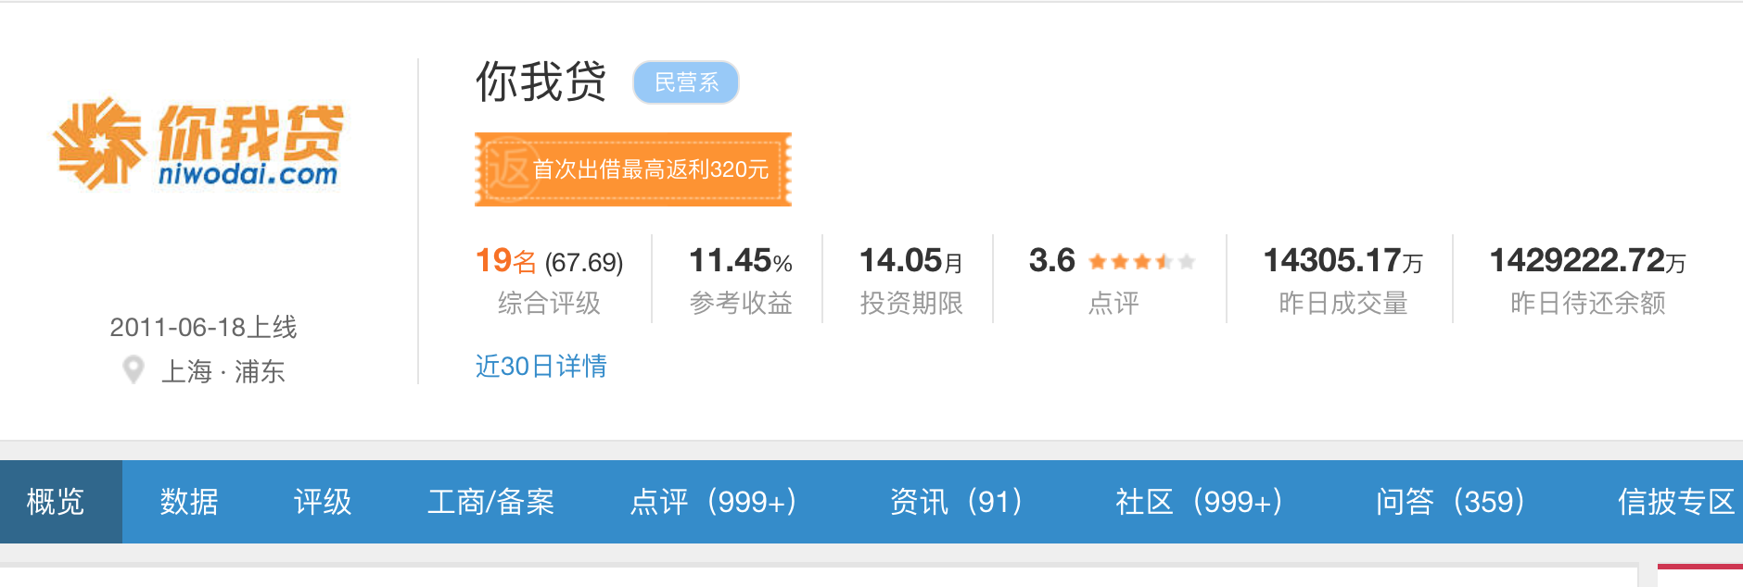
 | https://wwwservice.wdzj.com/api/plat/platData30Days?platId=40 | //div[@class="title"]//span[contains(@class,"tag")]/text()[1] | https://www.wdzj.com/dangan/nwd/
 | https://wwwservice.wdzj.com/api/plat/platData30Days?platId=40 | //div[@class="title"]//span[contains(@class,"tag")]//i[contains(@class,"da-icons")]/../text()[2] | https://www.wdzj.com/dangan/nwd/
 | https://wwwservice.wdzj.com/api/plat/platData30Days?platId=40 | //div[@class="title"]//span[contains(@class,"tag")]//i[contains(@class,"da-icons")]/../span/text() | https://www.wdzj.com/dangan/nwd/
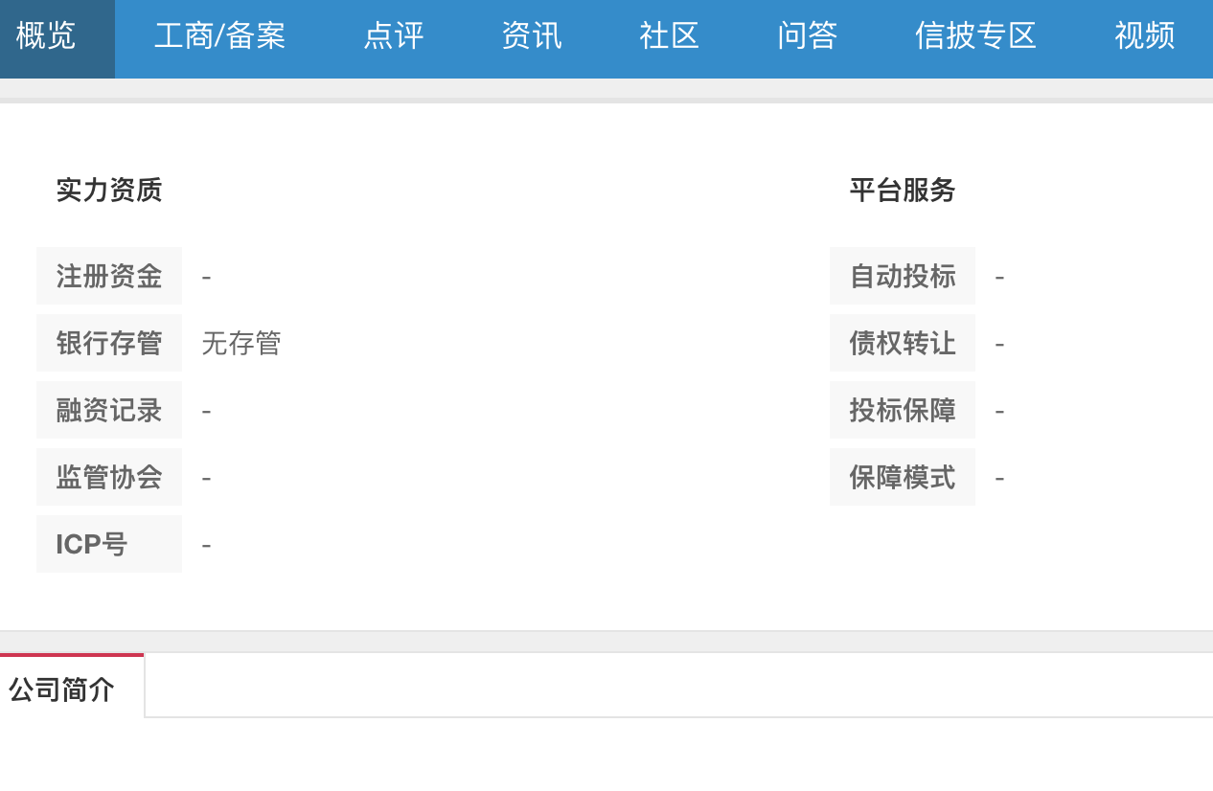
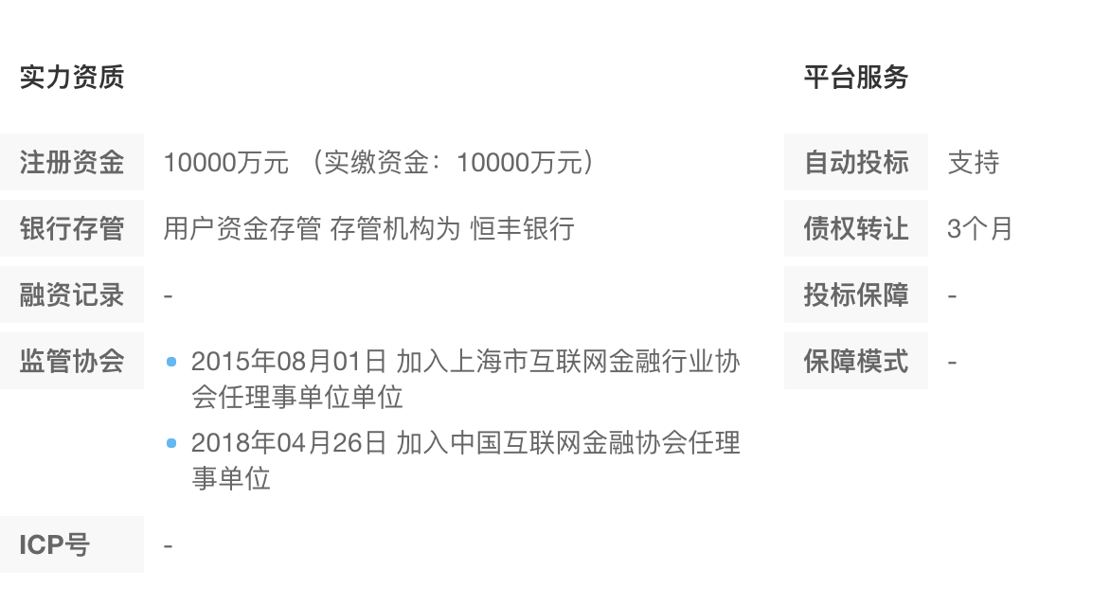
 | https://wwwservice.wdzj.com/api/plat/platData30Days?platId=40 | //div[@class="pt-info"]/span[1]/text() | https://www.wdzj.com/dangan/nwd/
 | https://wwwservice.wdzj.com/api/plat/platData30Days?platId=40
 | https://wwwservice.wdzj.com/api/plat/platData30Days?platId=40 | //div[@class="pt-info"]/span[2]/em/text() | https://www.wdzj.com/dangan/nwd/
 | https://wwwservice.wdzj.com/api/plat/platData30Days?platId=40
 | https://wwwservice.wdzj.com/api/plat/platData30Days?platId=40 |  | https://www.wdzj.com/dangan/nwd/
 | https://wwwservice.wdzj.com/api/plat/platData30Days?platId=40 | //em[text()="注册资金"]/../../div[2]/text() | https://www.wdzj.com/dangan/nwd/
 | https://wwwservice.wdzj.com/api/plat/platData30Days?platId=40 | //em[text()="银行存管"]/../../div[2]/text() | https://www.wdzj.com/dangan/nwd/
 | https://wwwservice.wdzj.com/api/plat/platData30Days?platId=40
 | https://wwwservice.wdzj.com/api/plat/platData30Days?platId=40 | //em[text()="监管协会"]/../../div[2]/p/text() | https://www.wdzj.com/dangan/nwd/
 | https://wwwservice.wdzj.com/api/plat/platData30Days?platId=40
 | https://wwwservice.wdzj.com/api/plat/platData30Days?platId=40 | //em[text()="自动投标"]/../../div[2]/text() | https://www.wdzj.com/dangan/nwd/
 | https://wwwservice.wdzj.com/api/plat/platData30Days?platId=40 | //em[text()="债权转让"]/../../div[2]/text() | https://www.wdzj.com/dangan/nwd/
 | https://wwwservice.wdzj.com/api/plat/platData30Days?platId=40 | //em[text()="投标保障"]/../../div[2]/text() | https://www.wdzj.com/dangan/nwd/
 | https://wwwservice.wdzj.com/api/plat/platData30Days?platId=40 | //em[text()="保障模式"]/../../div[2]/text() | https://www.wdzj.com/dangan/nwd/
 | https://wwwservice.wdzj.com/api/plat/platData30Days?platId=40
 | https://wwwservice.wdzj.com/api/plat/platData30Days?platId=40
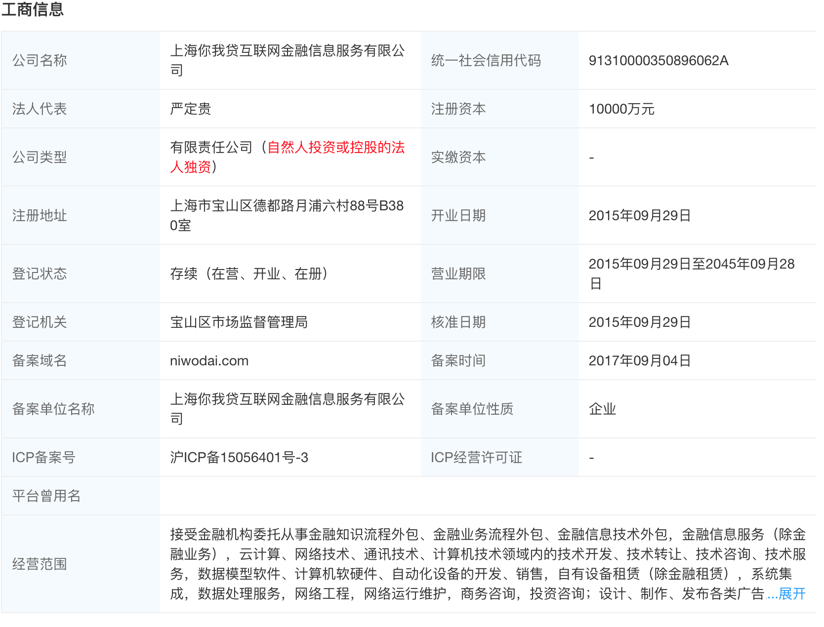
 | https://wwwservice.wdzj.com/api/plat/platData30Days?platId=40 | //td[text()="公司名称"]/../td[2]/text() | https://www.wdzj.com/dangan/fhjr/gongshang/
 | https://wwwservice.wdzj.com/api/plat/platData30Days?platId=40 | //td[text()="法人代表"]/../td[2]/text() | https://www.wdzj.com/dangan/fhjr/gongshang/
 | https://wwwservice.wdzj.com/api/plat/platData30Days?platId=40 | //td[text()="公司类型"]/../td[2]/text() | https://www.wdzj.com/dangan/fhjr/gongshang/
 | https://wwwservice.wdzj.com/api/plat/platData30Days?platId=40 | //td[text()="注册地址"]/../td[2]/text() | https://www.wdzj.com/dangan/fhjr/gongshang/
 | https://wwwservice.wdzj.com/api/plat/platData30Days?platId=40 | //td[text()="ICP备案号"]/../td[2]/text() | https://www.wdzj.com/dangan/fhjr/gongshang/
 | https://wwwservice.wdzj.com/api/plat/platData30Days?platId=40 | //td[text()="平台曾用名"]/../td[2]/text() | https://www.wdzj.com/dangan/fhjr/gongshang/
 | https://wwwservice.wdzj.com/api/plat/platData30Days?platId=40 | //td[text()="实缴资本"]/../td[4]/text() | https://www.wdzj.com/dangan/fhjr/gongshang/
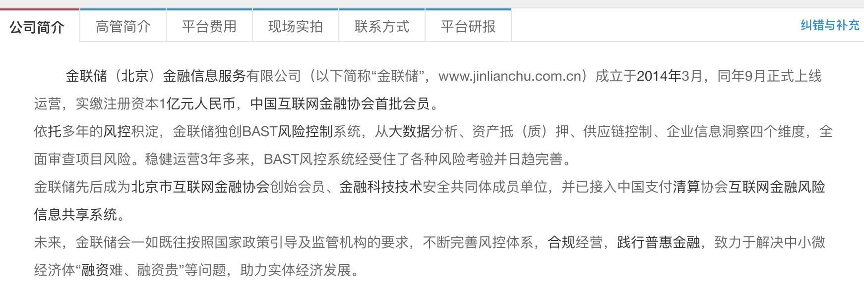
 | https://wwwservice.wdzj.com/api/plat/platData30Days?platId=40 | //span[contains(text(), "账户管理费")]/../em/text() | https://www.wdzj.com/dangan/nwd/
 | https://wwwservice.wdzj.com/api/plat/platData30Days?platId=40
 | https://wwwservice.wdzj.com/api/plat/platData30Days?platId=40 | //span[contains(text(), "提现费用")]/../em/text() | https://www.wdzj.com/dangan/nwd/
 | https://wwwservice.wdzj.com/api/plat/platData30Days?platId=40
 | https://wwwservice.wdzj.com/api/plat/platData30Days?platId=40 | //span[contains(text(), "充值费用")]/../em/text() | https://www.wdzj.com/dangan/nwd/
 | https://wwwservice.wdzj.com/api/plat/platData30Days?platId=40
 | https://wwwservice.wdzj.com/api/plat/platData30Days?platId=40 | //span[contains(text(), "转让费用")]/../em/text() | https://www.wdzj.com/dangan/nwd/
 | https://wwwservice.wdzj.com/api/plat/platData30Days?platId=40
 | https://wwwservice.wdzj.com/api/plat/platData30Days?platId=40 | //span[contains(text(), "VIP费用")]/../em/text() | https://www.wdzj.com/dangan/nwd/
 | https://wwwservice.wdzj.com/api/plat/platData30Days?platId=40
 | https://wwwservice.wdzj.com/api/plat/platData30Days?platId=40 | //em[contains(text(),"客服电话")]/../../div[2]/text() | https://www.wdzj.com/dangan/nwd/
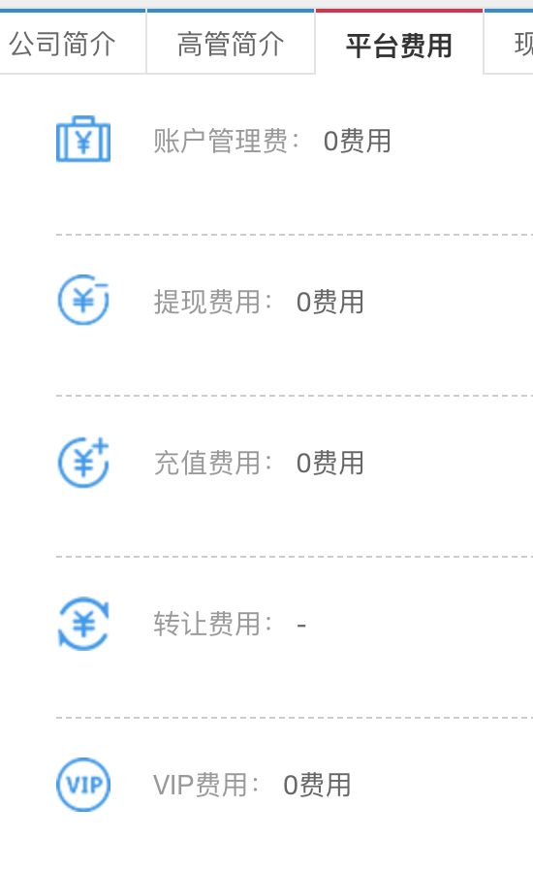
 | https://wwwservice.wdzj.com/api/plat/platData30Days?platId=40 | //em[contains(text(),"分公司")]/../../div[2]/text() | https://www.wdzj.com/dangan/nwd/
 | https://wwwservice.wdzj.com/api/plat/platData30Days?platId=40 | //em[contains(text(),"座机电话")]/../../div[2]/text() | https://www.wdzj.com/dangan/nwd/
 | https://wwwservice.wdzj.com/api/plat/platData30Days?platId=40 | //em[text()="股权上市"]/../../div[2]/text() | https://www.wdzj.com/dangan/nwd/
 | https://wwwservice.wdzj.com/api/plat/platData30Days?platId=40 | //td[text()="ICP经营许可证"]/../td[4]/text() | https://www.wdzj.com/dangan/fhjr/gongshang/
 | https://wwwservice.wdzj.com/api/plat/platData30Days?platId=40 | //em[text()="融资记录"]/../../div[2]/p/text() | https://www.wdzj.com/dangan/nwd/
 | https://wwwservice.wdzj.com/api/plat/platData30Days?platId=40
 | https://wwwservice.wdzj.com/api/plat/platData30Days?platId=40
 | https://wwwservice.wdzj.com/api/plat/platData30Days?platId=40
 | https://wwwservice.wdzj.com/api/plat/platData30Days?platId=40
 | https://wwwservice.wdzj.com/api/plat/platData30Days?platId=40
 | https://wwwservice.wdzj.com/api/plat/platData30Days?platId=40
 | https://wwwservice.wdzj.com/api/plat/platData30Days?platId=40
 | https://wwwservice.wdzj.com/api/plat/platData30Days?platId=40
 | https://wwwservice.wdzj.com/api/plat/platData30Days?platId=40
 | https://wwwservice.wdzj.com/api/plat/platData30Days?platId=40
 | https://wwwservice.wdzj.com/api/plat/platData30Days?platId=40
 | https://wwwservice.wdzj.com/api/plat/platData30Days?platId=40
 | https://wwwservice.wdzj.com/api/plat/platData30Days?platId=40
 | https://wwwservice.wdzj.com/api/plat/platData30Days?platId=40
 | https://wwwservice.wdzj.com/api/plat/platData30Days?platId=40
 | https://wwwservice.wdzj.com/api/plat/platData30Days?platId=40
 | https://wwwservice.wdzj.com/api/plat/platData30Days?platId=40
 | https://wwwservice.wdzj.com/api/plat/platData30Days?platId=40
 | https://wwwservice.wdzj.com/api/plat/platData30Days?platId=40
 | https://wwwservice.wdzj.com/api/plat/platData30Days?platId=40
 | https://wwwservice.wdzj.com/api/plat/platData30Days?platId=40
 | https://wwwservice.wdzj.com/api/plat/platData30Days?platId=40
 | https://wwwservice.wdzj.com/api/plat/platData30Days?platId=40
 | https://wwwservice.wdzj.com/api/plat/platData30Days?platId=40
 | https://wwwservice.wdzj.com/api/plat/platData30Days?platId=40
 | https://wwwservice.wdzj.com/api/plat/platData30Days?platId=40
 | https://wwwservice.wdzj.com/api/plat/platData30Days?platId=40
 | https://wwwservice.wdzj.com/api/plat/platData30Days?platId=40
 | https://wwwservice.wdzj.com/api/plat/platData30Days?platId=40
 |  | datetime.now()

平台点评
 | Table Name | 变量 | Column Name | jsonKey | json Path | json URL
（1）点评信息 | PlatformEvaluation_Part1 | 平台ID | platId | platId | ['data']['platReviewEvaluation'] | https://www.wdzj.com/plat-center/platReview/getPlatReviewList?platId=40&currentPage=1&pageSize=2&orderType=0
 | 最近一月的推荐信息 | 推荐（人数） | good | good | ['data']['platReviewEvaluation'] | https://www.wdzj.com/plat-center/platReview/getPlatReviewList?platId=40&currentPage=1&pageSize=2&orderType=0
 |  | 一般（人数） | midd | midd | ['data']['platReviewEvaluation'] | https://www.wdzj.com/plat-center/platReview/getPlatReviewList?platId=40&currentPage=1&pageSize=2&orderType=0
 |  | 不推荐（人数） | bad | bad | ['data']['platReviewEvaluation'] | https://www.wdzj.com/plat-center/platReview/getPlatReviewList?platId=40&currentPage=1&pageSize=2&orderType=0
 |  | 数据抓取时间 | CollectionTime

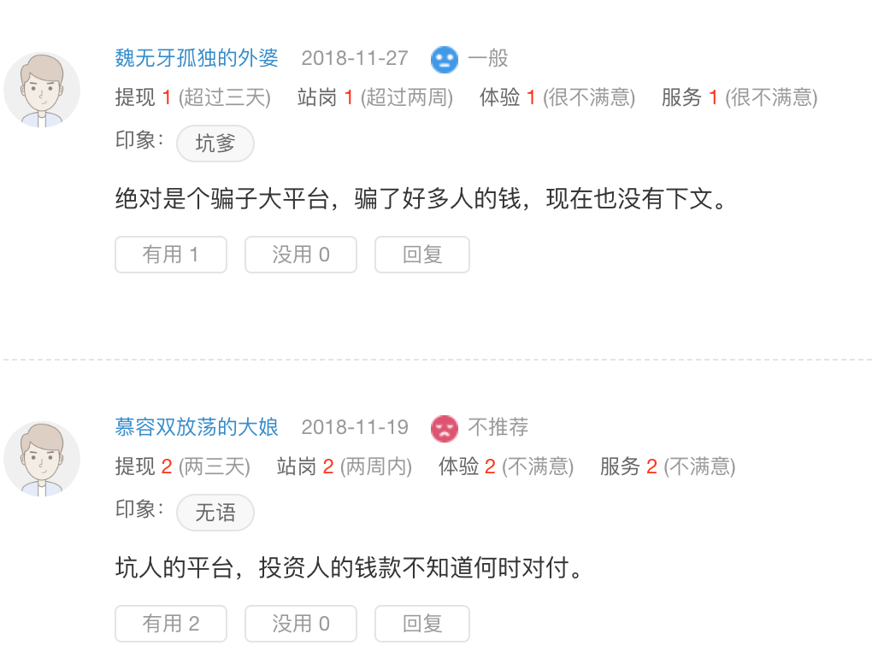
 | Table Name | 变量 | Column Name | Json Key | Json Path | Json URL
 | PlatformReview | 平台ID | platId | platId | /data/pagination/list/ | https://www.wdzj.com/plat-center/platReview/getPlatReviewList?platId=40&currentPage=1&pageSize=2&orderType=0
 | 平台的所有评论信息 | 平台名称 | platName | platName | /data/pagination/list/ | https://www.wdzj.com/plat-center/platReview/getPlatReviewList?platId=40&currentPage=1&pageSize=2&orderType=0
 |  | 平台拼音 | platPin | platPin | /data/pagination/list/ | https://www.wdzj.com/plat-center/platReview/getPlatReviewList?platId=40&currentPage=1&pageSize=2&orderType=0
 |  | 点评ID | reviewId | reviewId | /data/pagination/list/ | https://www.wdzj.com/plat-center/platReview/getPlatReviewList?platId=40&currentPage=1&pageSize=2&orderType=0
 |  | 评论人昵称 | reviewUserName | reviewUserName | /data/pagination/list/ | https://www.wdzj.com/plat-center/platReview/getPlatReviewList?platId=40&currentPage=1&pageSize=2&orderType=0
 |  | 评论人ID | reviewUserId | reviewUserId | /data/pagination/list/ | https://www.wdzj.com/plat-center/platReview/getPlatReviewList?platId=40&currentPage=1&pageSize=2&orderType=0
 |  | 评论日期 | reviewDate | reviewDate | /data/pagination/list/ | https://www.wdzj.com/plat-center/platReview/getPlatReviewList?platId=40&currentPage=1&pageSize=2&orderType=0
 |  | 推荐 | reviewEvaluation | reviewEvaluation | /data/pagination/list/ | https://www.wdzj.com/plat-center/platReview/getPlatReviewList?platId=40&currentPage=1&pageSize=2&orderType=0
 |  | 提现 | salaryguard | salaryguard | /data/pagination/list/ | https://www.wdzj.com/plat-center/platReview/getPlatReviewList?platId=40&currentPage=1&pageSize=2&orderType=0
 |  | 站岗 | withdrawSpeed | withdrawSpeed | /data/pagination/list/ | https://www.wdzj.com/plat-center/platReview/getPlatReviewList?platId=40&currentPage=1&pageSize=2&orderType=0
 |  | 体验 | websiteExperience | websiteExperience | /data/pagination/list/ | https://www.wdzj.com/plat-center/platReview/getPlatReviewList?platId=40&currentPage=1&pageSize=2&orderType=0
 |  | 服务 | serviceAttitude | serviceAttitude | /data/pagination/list/ | https://www.wdzj.com/plat-center/platReview/getPlatReviewList?platId=40&currentPage=1&pageSize=2&orderType=0
 |  | 印象 | tagList | tagList | /data/pagination/list/ | https://www.wdzj.com/plat-center/platReview/getPlatReviewList?platId=40&currentPage=1&pageSize=2&orderType=0
 |  | 评论内容 | reviewContent | reviewContent | /data/pagination/list/ | https://www.wdzj.com/plat-center/platReview/getPlatReviewList?platId=40&currentPage=1&pageSize=2&orderType=0
 |  | 有用 | useful | useful | /data/pagination/list/ | https://www.wdzj.com/plat-center/platReview/getPlatReviewList?platId=40&currentPage=1&pageSize=2&orderType=0
 |  | 没用 | noUseful | noUseful | /data/pagination/list/ | https://www.wdzj.com/plat-center/platReview/getPlatReviewList?platId=40&currentPage=1&pageSize=2&orderType=0
 |  | 父评论标签 | parentReviewPlatFlag | parentReviewPlatFlag | /data/pagination/list/ | https://www.wdzj.com/plat-center/platReview/getPlatReviewList?platId=40&currentPage=1&pageSize=2&orderType=0
 |  | 排序类型 | orderType | orderType | /data/pagination/list/ | https://www.wdzj.com/plat-center/platReview/getPlatReviewList?platId=40&currentPage=1&pageSize=2&orderType=0
 |  | 父评论ID | parentReviewId | parentReviewId | /data/pagination/list/ | https://www.wdzj.com/plat-center/platReview/getPlatReviewList?platId=40&currentPage=1&pageSize=2&orderType=0
 |  | 父评论用户ID | parentReviewUserId | parentReviewUserId | /data/pagination/list/ | https://www.wdzj.com/plat-center/platReview/getPlatReviewList?platId=40&currentPage=1&pageSize=2&orderType=0
 |  | 评论标签 | reviewPlatFlag | reviewPlatFlag | /data/pagination/list/ | https://www.wdzj.com/plat-center/platReview/getPlatReviewList?platId=40&currentPage=1&pageSize=2&orderType=0
 |  | 数据抓取时间 | CollectionTime

 | Table Name | 变量 | Column Name | Json Key | Json Path | Json URL
 | PlatformEvaluation_Part2 | 平台ID | platId | platId | ['data']['platOuterVo'] | https://wwwservice.wdzj.com/api/plat/platData30Days?platId=40
 | 最近一月各分项的点评信息 | 各项评分_提现 | drawScore | drawScore | ['data']['platOuterVo'] | https://wwwservice.wdzj.com/api/plat/platData30Days?platId=40
 |  | 各项评分_站岗 | delayScore | delayScore | ['data']['platOuterVo'] | https://wwwservice.wdzj.com/api/plat/platData30Days?platId=40
 |  | 各项评分_服务 | serviceScore | serviceScore | ['data']['platOuterVo'] | https://wwwservice.wdzj.com/api/plat/platData30Days?platId=40
 |  | 各项评分_体验 | experienceScore | experienceScore | ['data']['platOuterVo'] | https://wwwservice.wdzj.com/api/plat/platData30Days?platId=40
 |  | 各项评分_提现_详情 | drawScoreDetail | drawScoreDetail | ['data']['platOuterVo'] | https://wwwservice.wdzj.com/api/plat/platData30Days?platId=40
 |  | 各项评分_站岗_详情 | delayScoreDetail | delayScoreDetail | ['data']['platOuterVo'] | https://wwwservice.wdzj.com/api/plat/platData30Days?platId=40
 |  | 各项评分_服务_详情 | serviceScoreDetail | serviceScoreDetail | ['data']['platOuterVo'] | https://wwwservice.wdzj.com/api/plat/platData30Days?platId=40
 |  | 各项评分_体验_详情 | experienceScoreDetail | experienceScoreDetail | ['data']['platOuterVo'] | https://wwwservice.wdzj.com/api/plat/platData30Days?platId=40
 |  | 数据抓取时间 | CollectionTime

 | Table Name | 变量 | Column Name | xpath | xpath url
 | PlatformEvaluation_Part3 | 平台ID | platId | //input[@id="platId"]/@value | https://www.wdzj.com/dangan/nwd/
 | 最近一月的综合点评信息 | 点评得分 | ReviewScore_Overall | //div[@class="dianpBox"]//div[@class="dianpinbox"]/b/text() | https://www.wdzj.com/dangan/nwd/
 |  | 点评人数 | ReviewersNumber | //div[@class="dianpBox"]//div[@class="dianpinbox"]/span/text() | https://www.wdzj.com/dangan/nwd/
 |  | 与全部平台相比_提现 | Comparision_Withdraw | string(//dt[text()="与全部平台相比"]/../dd[1]) | https://www.wdzj.com/dangan/nwd/
 |  | 与全部平台相比_站岗 | Comparison_Idle | string(//dt[text()="与全部平台相比"]/../dd[2]) | https://www.wdzj.com/dangan/nwd/
 |  | 与全部平台相比_服务 | Comparison_Service | string(//dt[text()="与全部平台相比"]/../dd[3]) | https://www.wdzj.com/dangan/nwd/
 |  | 与全部平台相比_体验 | Comparison_Experience | string(//dt[text()="与全部平台相比"]/../dd[4]) | https://www.wdzj.com/dangan/nwd/
 |  | 综合评级名次 | OverallRanking | //div[@class="pt-info"]//div[text()="综合评级"]/../span/b/text() | https://www.wdzj.com/dangan/nwd/
 |  | 综合评级得分 | OverallScore | //div[@class="pt-info"]//div[text()="综合评级"]/../span[2]/text() | https://www.wdzj.com/dangan/nwd/
 |  | 关注人数 | NumberOfWatchers | //span[contains(text()[1], "投友已关注")]/../span/em/text() | https://www.wdzj.com/dangan/nwd/
 |  | 数据抓取时间 | CollectionTime

 | 评论回复
 | PlatforReviewReply
 |  | orderType | orderType = Field()
 |  | parentReviewId | parentReviewId = Field()
 |  | parentReviewPlatFlag | parentReviewPlatFlag = Field()
 |  | parentReviewUserId | parentReviewUserId = Field()
 |  | parentReviewUserName | parentReviewUserName = Field()
 |  | reviewContent | reviewContent = Field()
 |  | reviewDate | reviewDate = Field()
 |  | reviewId | reviewId = Field()
 |  | reviewPlatFlag | reviewPlatFlag = Field()
 |  | reviewUserId | reviewUserId = Field()
 |  | reviewUserName | reviewUserName = Field()

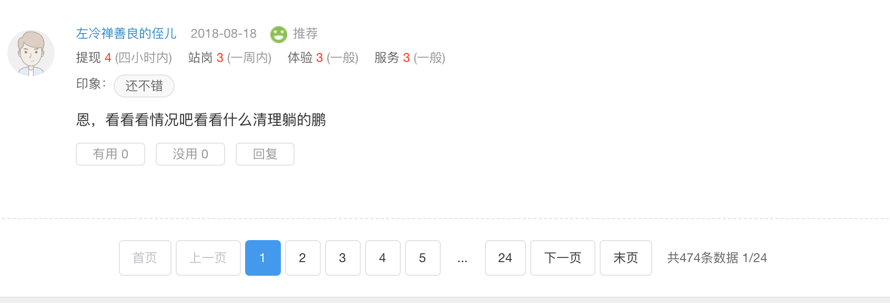

 |  |  |  |  |  |  | reviewUserId:"221145",
 |  |  |  |  |  |  | reviewUserName:"ws0420",

 |  |  |  |  |  |  | tagList:["还不错"],

 |  |  |  |  |  |  | reviewContent:"整体而言还是不错的，我到期选择的续投～",

 |  |  |  |  |  |  | useful:0,
 |  |  |  |  |  |  | noUseful:0,

 |  |  |  |  |  |  | salaryguard:4,
 |  |  |  |  |  |  | serviceAttitude:4,
 |  |  |  |  |  |  | websiteExperience:4,
 |  |  |  |  |  |  | withdrawSpeed:4},

社区评论
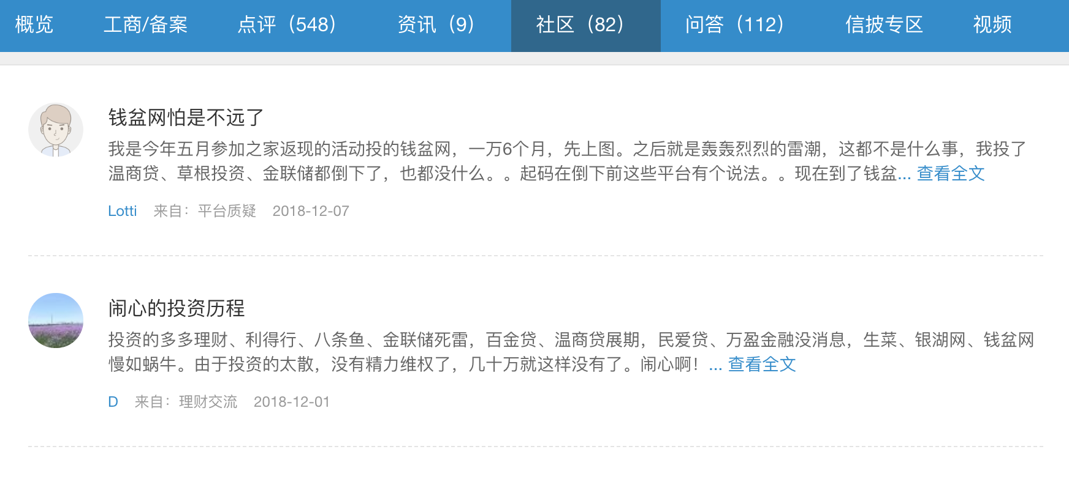
Table Name | 变量 | ColumnName | xpath | xpath URL | Note
PostSnapshot | 平台ID | platId | //input[@id="platId"]/@value | https://www.wdzj.com/front/bbsInfo/40/15/3 | 40-platId
（1）发帖摘要信息 | 发帖人ID | AuthorID | //div[@class="lbox"]//a[contains(@onclick,"personalCenter")]/@onclick | https://www.wdzj.com/front/bbsInfo/40/15/3 | 15-extract 15 items each time
 | 帖子ID | tid | //body/ul/li//div[@class="tit"]/a/@href | https://www.wdzj.com/front/bbsInfo/40/15/3 | 3 - current page
 | 发帖人昵称 | author_name | //div[@class="lbox"]//a[contains(@onclick,"personalCenter")]/text() | https://www.wdzj.com/front/bbsInfo/40/15/3 | 一共页数：<a href="javascript:;" pagenumber="70">末页</a>
 | 发帖类型 | terminal | //body/ul/li//div[@class="userxx"]/div[@class="lbox"]/span[1]/text() | https://www.wdzj.com/front/bbsInfo/40/15/3
 | 发帖日期 | PostingDate | //body/ul/li//div[@class="userxx"]/div[@class="lbox"]/span[2]/text() | https://www.wdzj.com/front/bbsInfo/40/15/3
 | 发帖内容掠影 | PostAbstract | //body/ul/li//div[@class="cen"]/a/text() | https://www.wdzj.com/front/bbsInfo/40/15/3
 | 帖子标题 | PostTitle | //body/ul/li//div[@class="tit"]/a/text() | https://www.wdzj.com/front/bbsInfo/40/15/3
 | 数据收集时间 | CollectionTime

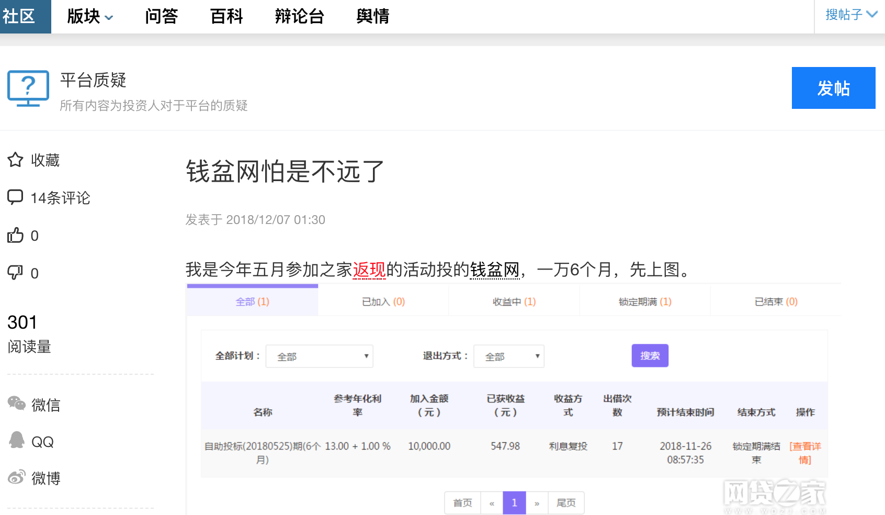
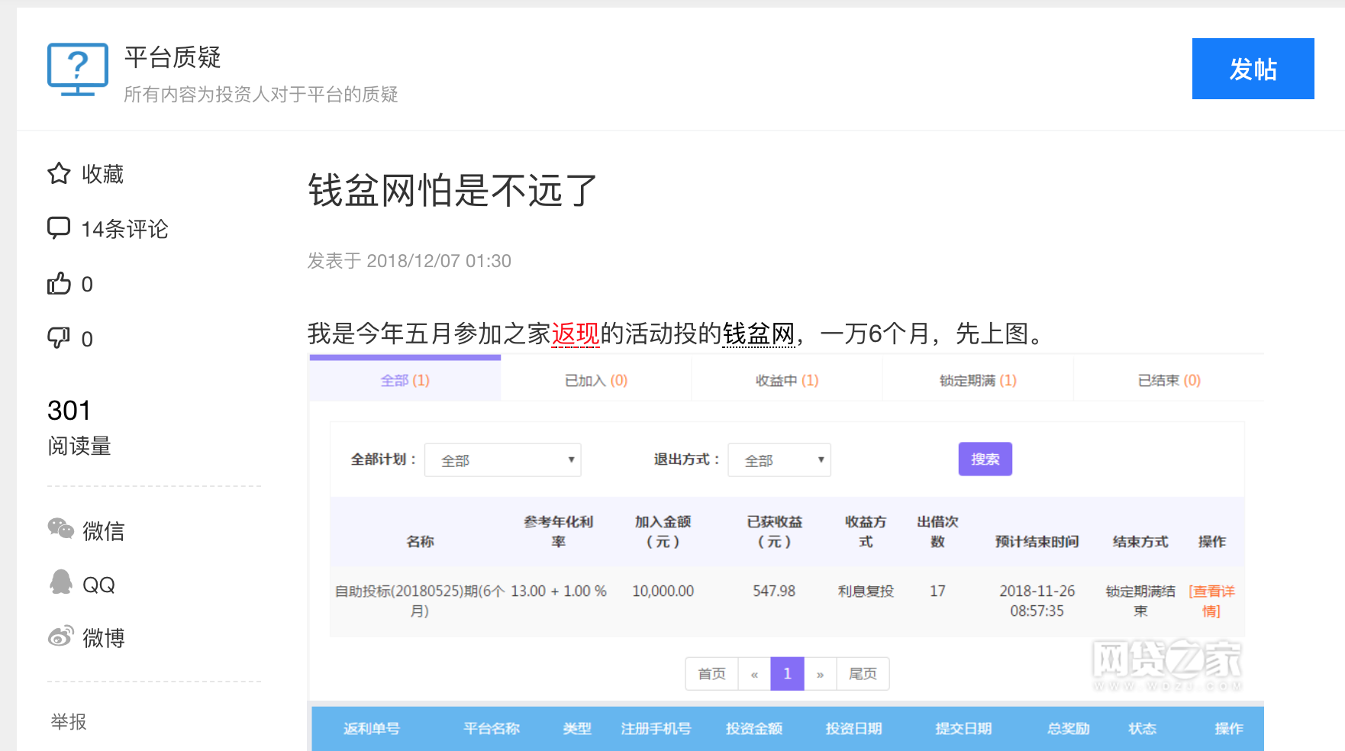
Table Name | 变量 | ColumnName | xpath | xpath URL | Note
PostDetail | 帖子ID | tid | url | https://bbs.wdzj.com/thread-1226054-1-1.html | 1226054为帖子ID
（2）帖子内容 | 作者ID | AuthorID | //span[@data-authorid]/@data-authorid | https://bbs.wdzj.com/thread-1226054-1-1.html | 第一个1：论坛？
 | 帖子标题 | PostTitle | //h1[@class="context-title"]/text() | https://bbs.wdzj.com/thread-1226054-1-1.html | 第二个1：回复的当前页数？
 | 发表时间 | PostingDate | //div[@class="post-time"]/span/text() | https://bbs.wdzj.com/thread-1226054-1-1.html
 | 帖子内容 | Content | string(//div[@class="post-inner-txt"]/div[@class="news_con_p"]) | https://bbs.wdzj.com/thread-1226054-1-1.html
 | 评论人数 | NumberOfComments | //span[@class="replyCount"]/text() | https://bbs.wdzj.com/thread-1226054-1-1.html
 | 点赞人数 | Recommend_Yes | //span[@id="recommend"]/text() | https://bbs.wdzj.com/thread-1226054-1-1.html
 | 踩人数 | Recommend_No | //a[@hates]/span/text() | https://bbs.wdzj.com/thread-1226054-1-1.html
 | 阅读量 | NumberOfReaders | //p[text()="阅读量"]/../p[1]/text() | https://bbs.wdzj.com/thread-1226054-1-1.html
 | 帖子类型 | PostType | //div[@class="commun-des"]/text() | https://bbs.wdzj.com/thread-1226054-1-1.html
 | 数据收集时间 | CollectionTime

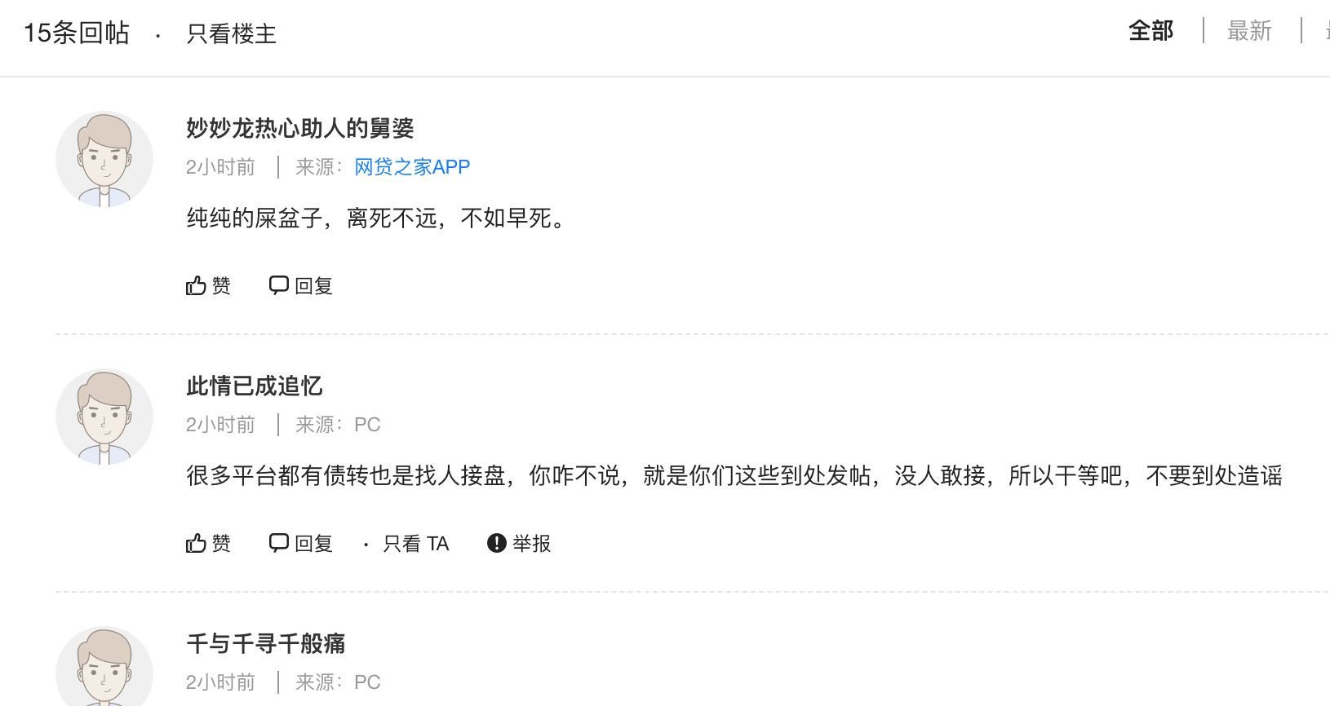
Table Name | 变量 | ColumnName | json Key | json path | json URL
PostReply | 回帖ID | id | id |  | https://bbs.wdzj.com/thread/getAuthorComment?type=1&author=&tid=1223101&page=1&page_size=50
（3）帖子回复信息 | 帖子ID | tid | tid
 | 回复人ID | author_id | author_id
 | 回复人昵称 | author_name | author_name
 | 发帖终端 | terminal | terminal
 | 回复内容 | message | message
 | 回复时间 | create_time | create_time
 | 点赞人数 | support | support
 | 父帖子id | fid | fid
 | 父评论ID | parent_uid | parent_uid
 | 路径 | path | path
 | 是否置顶 | is_top | is_top
 | 位置 | position | position
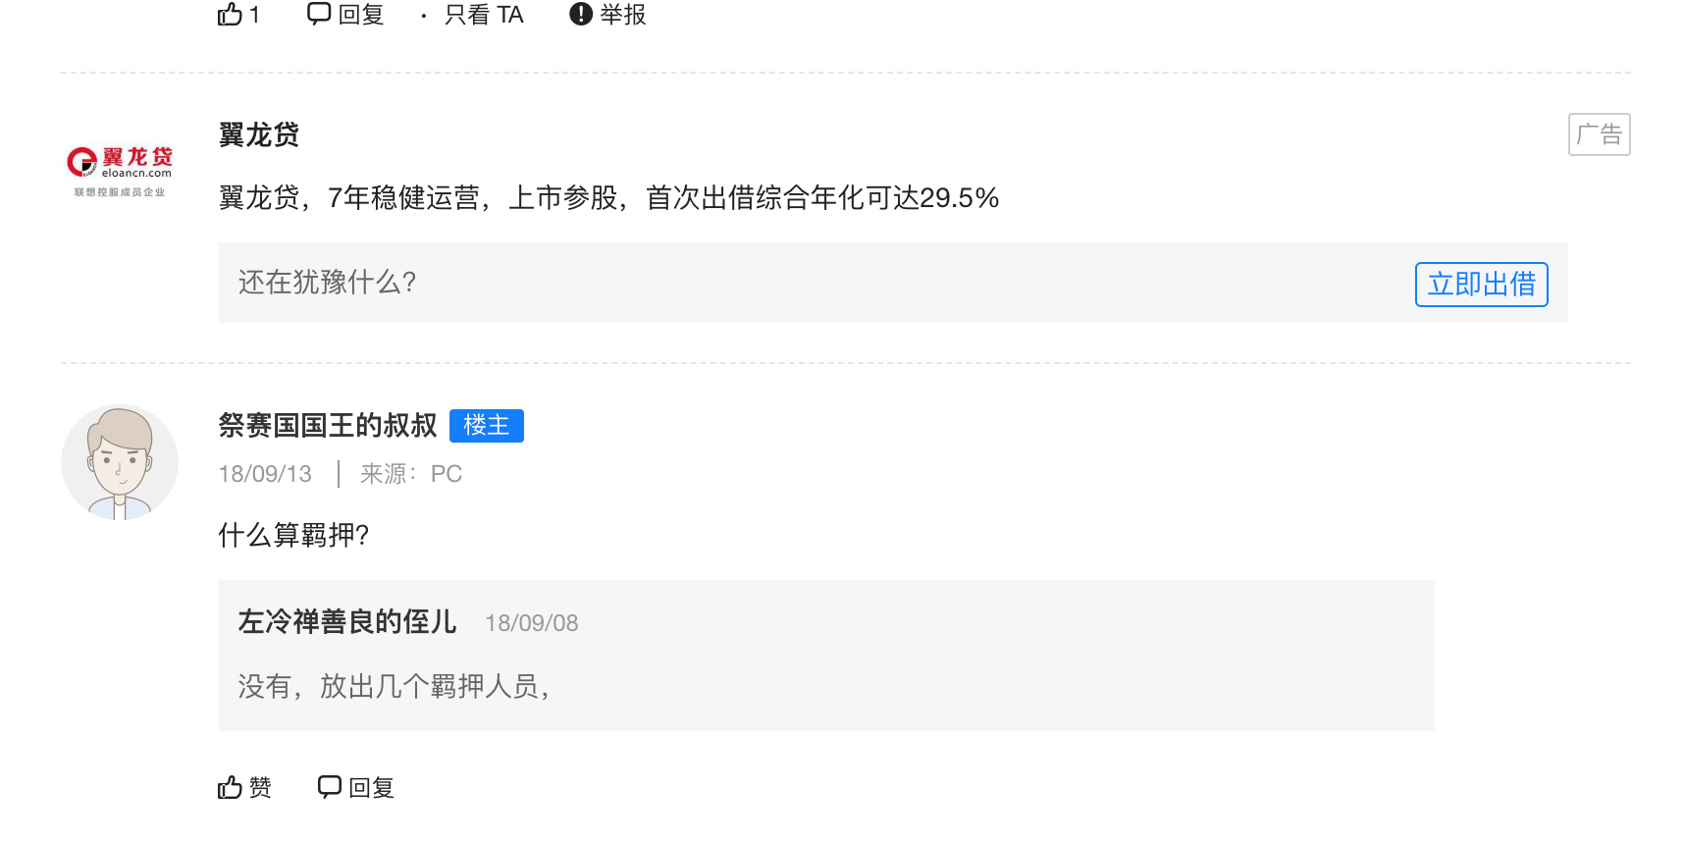
 | 附件 | attachment | attachment
 | 数据收集时间 | CollectionTime

用户信息
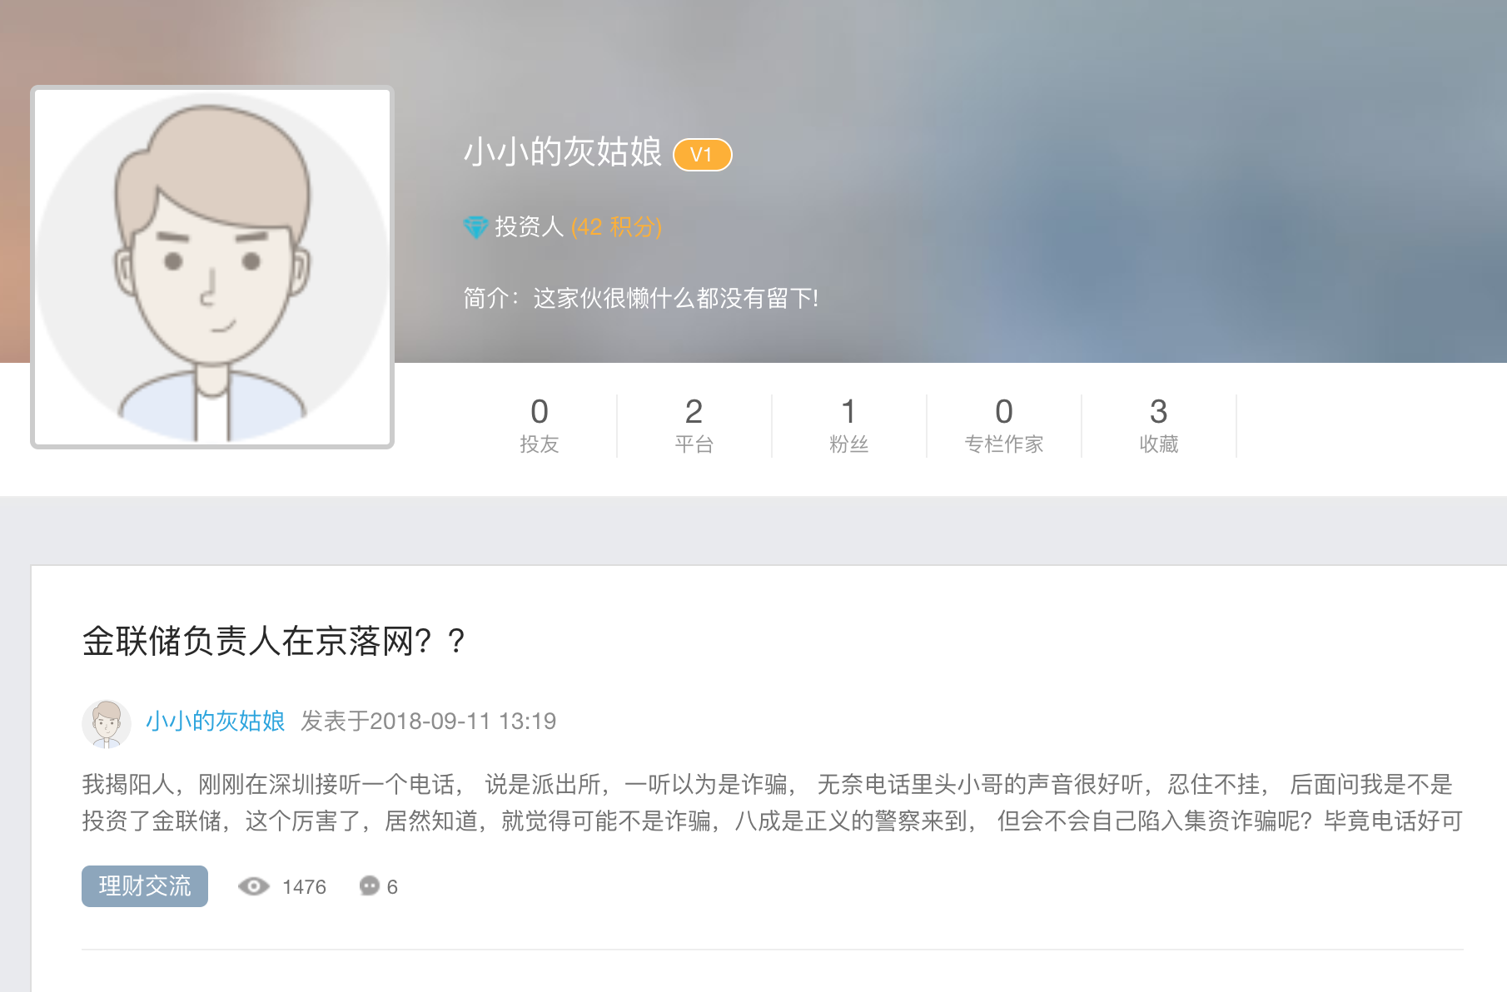
UserBasics
(1)基本信息 | 变量 | ColumnName | 值 | xpath | URL
 | 用户ID
 | 用户昵称
 | 角色
 | 积分
 | 简介
 | 投友数
 | 关注平台数
 | 粉丝数
 | 专栏作家数
 | 收藏数

UserPosts
（2）发帖信息
指向社区信息 | 帖子ID
 | 发帖人ID

(3)投友信息

（4）关注平台信息

（5）粉丝信息

