ClustalW
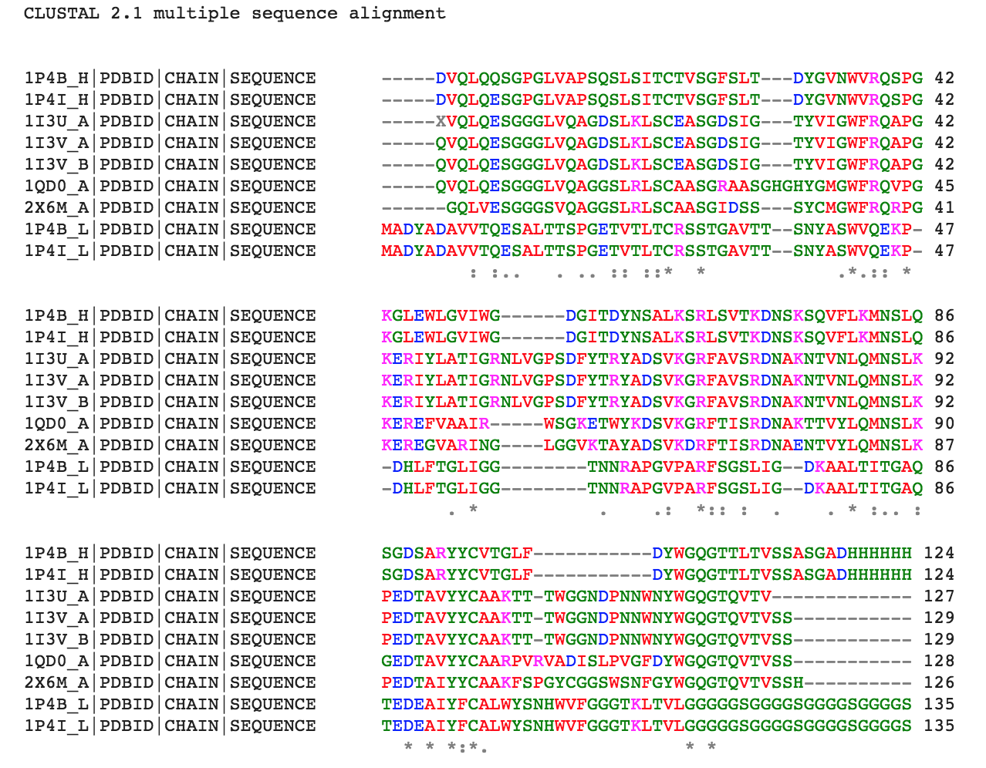
The order put into ClustalW:

1I3U.fasta.txt
1I3V.fasta.txt
1P4B.fasta.txt
1P4I.fasta.txt
1QD0.fasta.txt
1UOQ.fasta.txt
2X6M.fasta.txt

Residue | Colour | Property
AVFPMILW | RED | Small (small+ hydrophobic (incl.aromatic -Y))
DE | BLUE | Acidic
RK | MAGENTA | Basic - H
STYHCNGQ | GREEN | Hydroxyl + sulfhydryl + amine + G
Others | Grey | Unusual amino/imino acids etc

 |  |  | An * (asterisk) indicates positions which have a single, fully conserved residue.
 |  |  | A : (colon) indicates conservation between groups of strongly similar properties - scoring > 0.5 in the Gonnet PAM 250 matrix.
 |  |  | A . (period) indicates conservation between groups of weakly similar properties - scoring =< 0.5 in the Gonnet PAM 250 matrix.

