Notes (2)
卖家精灵官网：https://www.sellersprite.com
客服电话：139-8227-0926(谭先生)
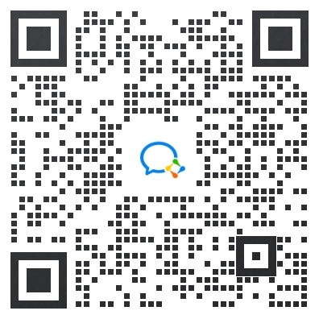 微信客服：
备注：评分，评论，问答，变体，卖家等数据都是取的“最近更新”当日的数字。
选 词 选 品 选 市 场，就 上 卖 家 精 灵

