备注
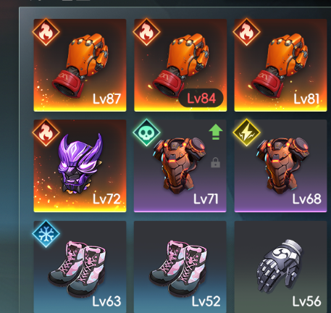

 |  |  |  |  | 套装 | 排除的属性
 |  |  |  |  | 套装
 |  |  |  | 1 | 火 |  |  | 10102 | 10112 | 10103 | 10113 | 10104 | 10114 | 10102,10112,10103,10113,10104,10114
 |  |  |  | 2 | 冰 | 10101 | 10111 |  |  | 10103 | 10113 | 10104 | 10114 | 10101,10111,10103,10113,10104,10114
 |  |  |  | 3 | 电 | 10101 | 10111 | 10102 | 10112 |  |  | 10104 | 10114 | 10101,10111,10102,10112,10104,10114
 |  |  |  | 4 | 毒 | 10101 | 10111 | 10102 | 10112 | 10103 | 10113 |  |  | 10101,10111,10102,10112,10103,10113
 |  |  |  | 5 | 物理 | 10101 | 10111 | 10102 | 10112 | 10103 | 10113 | 10104 | 10114 | 10101,10111,10102,10112,10103,10113,10104,10114

 |  |  |  |  |  |  |  |  | 属性 | 类型
 |  |  |  |  |  |  |  |  | 10101 | 2
 |  |  |  |  |  |  |  |  | 10102 | 1
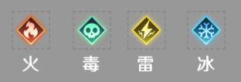
 |  |  |  |  |  |  |  |  | 10103 | 4
 |  |  |  |  |  |  |  |  | 10104 | 3

1 | 4 | 3 | 2 | 客户端写死

