FAR
Invoice
 |  | Invoice No. | 20260917001
 |  | Invoice Date | 2026-10-10
Bill To:FAR VISION TECH LIMITED
Address：FLAT/RM A 20/F KIU FU COMM BLDG 300 LOCKHART RD WAN CHAI HONGKONG
Description | Campaign | Period | Amount/USD
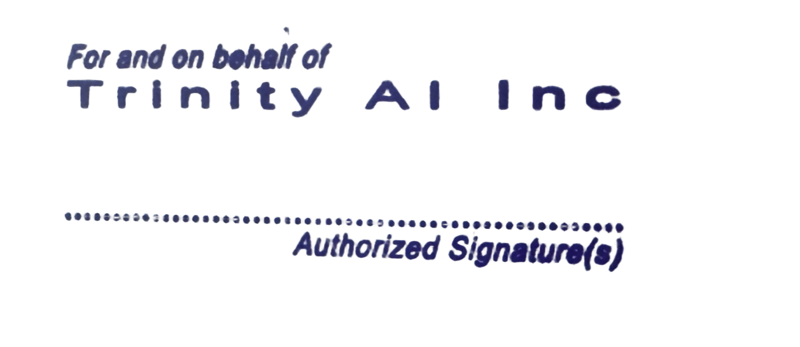
Advertising fee | - | 5-2026 | 105,714.29
Total/USD |  |  | 105,714.29

Payment Instructions：
Beneficiary Name: TRINITY AI INC Beneficiary Address：8 The Green. Ste A, in the Cityof Dover County of Kent Zip Code 19901 Beneficiary's A/C No：2910760256 Beneficiary Bank : JPMorgan Chase Bank Beneficiary Bank Address: 270 Park Ave, New York, NY 10017 Swift Code: CHASUS33 Routing number：021000021

章子


