Sheet1
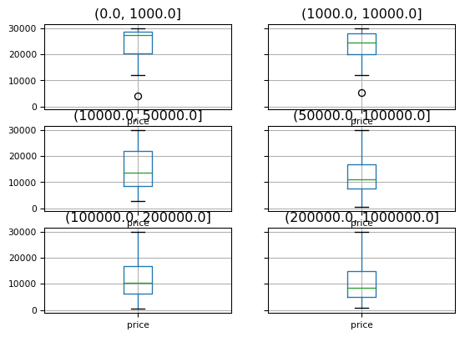
.\Firgure1_counts&price_by_district.png
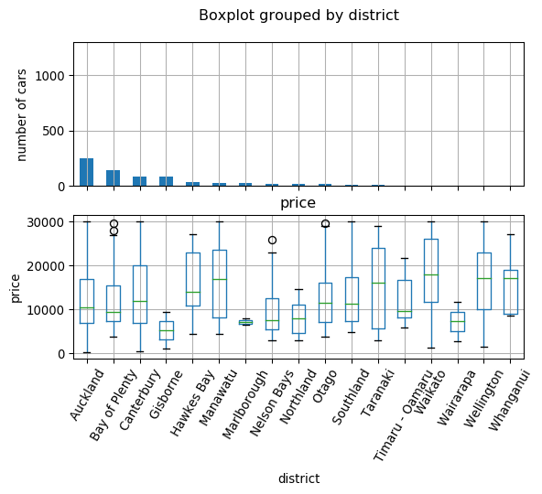

.\Firgure2_counts&price_by_Seats.png
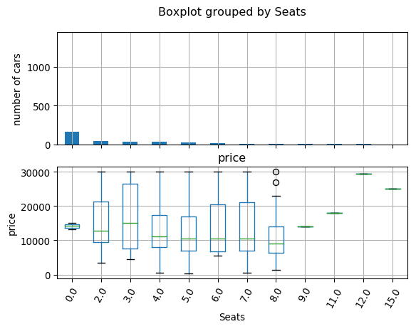

.\Firgure3_counts&price_by_Fuel type.png
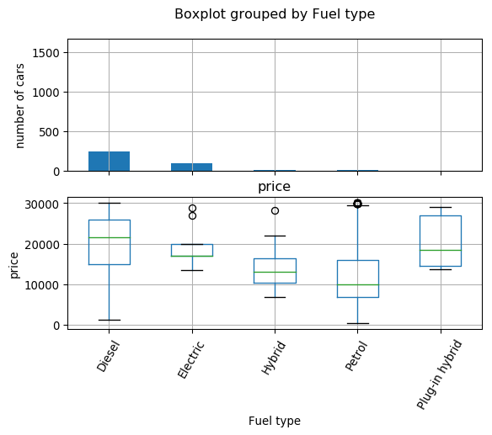

.\Firgure4_counts_by_enginesize.png
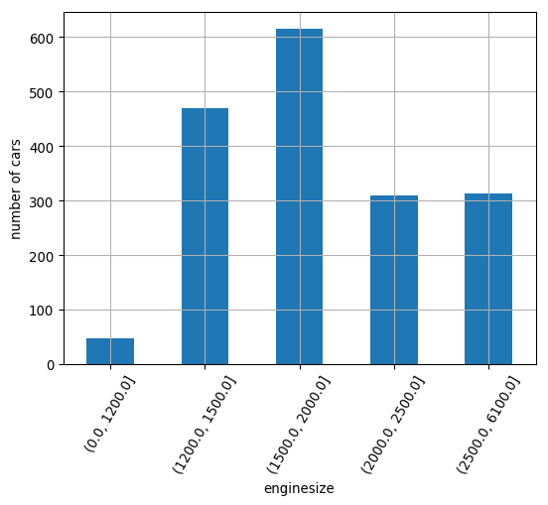

.\Firgure5_price_by_enginesize.png
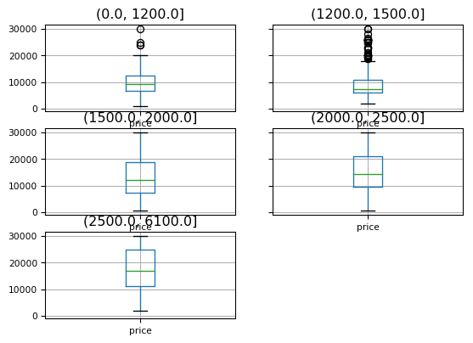

.\Firgure6_counts_by_Kilometres.png
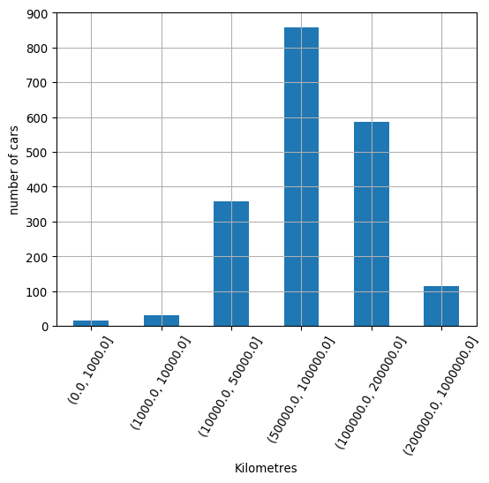

.\Firgure7_price_by_Kilometres.png

