样例模板
样例标题 | 样例提示词（中文） | 样例标题（英文） | 样例提示词（英文） | 功能 | 生视频模型 | 参考图 | 模板展示排序 | 备注
职场小兔 | 一只可爱的兔子拿着手机，对着镜头说话：“杰森！别再催我拍视频啦！我发现了一款新产品。Novi AI 视频生成器。简直太绝了！” | Office Bunny | A cute rabbit holds a phone, talking to the camera: "Jason! Stop rushing me to make videos! I found a new product. Novi AI Video Generator. It is amazing!"Show subtitles. | 图生视频 | Seedance 2.0 | 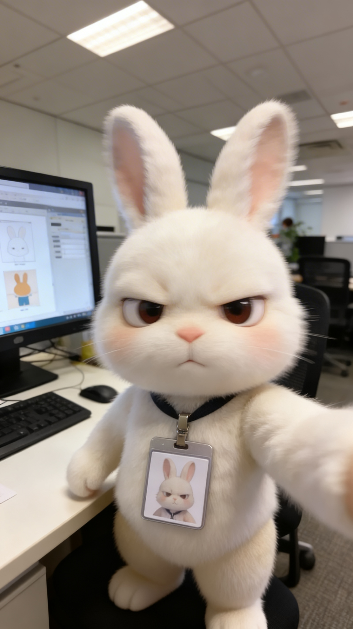 | 2 | 9:16 720P 10S
那张黑桃A | 赌神美学：中景镜头下，一位法国女性坐在赌桌前，优雅的手指缓缓展开纸牌，黑桃 A 若隐若现，面带神秘微笑【0-1.5 秒】；剧烈甩镜快速切换至极致特写，手腕极速轻弹，黑桃 A 如子弹般飞射而出，手部带运动模糊，纸牌高速划破空气【1.5-2.5 秒】；高速跟拍镜头捕捉纸牌掠过地面，模糊穿过轮盘赌桌，在站立的宾客间穿梭，飞越散落的筹码，冲上自动扶梯，飞入电梯井，场景快速切换【2.5-6 秒】；纸牌沿旋转楼梯向上飞射，擦过大理石栏杆，穿过水晶吊灯【6-8 秒】；猛然冲上屋顶夜景天际线，一名身着黑色西装的男子背对镜头、双手插兜，纸牌朝他疾驰而去，他未回头，仅打个响指便凌空接住纸牌，风衣随风飘动，身后是城市霓虹灯火【8-10 秒】。整体节奏紧凑动感十足，搭配甩镜、速度模糊、金红霓虹色调，吴宇森式风格动作戏，变形镜头光晕，画幅 2.39:1，4K 史诗级电影质感。 | The Ace of Spades | God of Gamblers aesthetic: Medium shot France woman at poker table, elegant fingers slowly fanning cards, black Ace peeking, mysterious smile [0-1.5s]; dramatic whip pan to extreme close-up, rapid wrist flick sending Ace flying like bullet, motion blur on hand, card slicing air with speed [1.5-2.5s]; high-speed tracking shot card racing through floor, blurring past roulette wheels, weaving between standing guests, through falling chips, up escalator, into elevator shaft, rapid scene transitions [2.5-6s]; card shooting up spiral staircase, banking off marble railings, through chandelier crystals [6-8s]; burst onto rooftop night skyline, man in black suit back to camera hands in pockets, card streaking toward him, he snaps fingers catching it mid-air without turning, wind blowing coat, city lights behind [8-10s]. Fast-paced kinetic energy, whip pans, speed blur, gold red neon, John Woo stylish action, anamorphic lens flares, 2.39:1, 4K legendary cinematic power | 文生视频 | Seedance 2.0 |  | 4 | 9:16 720P 10S
香蕉小猫寻梦记 | 吉卜力工作室梦幻美学：穿着香蕉套装的橙色小奶猫站在魔法奇幻森林中，巨型蘑菇散发柔和粉光，水晶花朵闪烁微光，萤火虫盘旋成螺旋状，小猫睁大眼睛满是好奇【0-1 秒】；摇摇晃晃穿过森林，短腿笨拙挪动，爪子轻触会弹跳的发光果冻蘑菇，露出开心的表情【1-3 秒】；追逐有着彩窗纹理翅膀的蝴蝶，被水晶树根绊倒，滚下柔软的苔藓山坡，落在发光花瓣堆里，可爱地打了个喷嚏【3-5 秒】；趴在巨型睡莲叶上，顺着月光流淌的小溪漂浮，星光倒映水面，爪子拨弄漂浮的光点，渐渐犯困【5-7 秒】；蜷缩成一团，卧在缓缓降落的云朵上，云朵像茧一样将它包裹【7-9 秒】；转场至温馨卧室，小猫在柔软靠垫上安然熟睡，呼吸轻柔，月光透过窗户洒入，嘴角带着恬静笑意【9-10 秒】。柔和马卡龙梦幻色调渐变为温暖的卧室色调，面部表情极具动画张力，4K 画质，治愈又梦幻。 | Banana Kitten's Dream | Studio Ghibli dreamscape aesthetic: Tiny orange kitten in banana costume standing in enchanted fantasy forest, giant mushrooms glowing soft pink, crystal flowers shimmering, fireflies forming spirals, eyes wide with wonder [0-1s]; waddling through forest, stubby legs moving clumsily, paw tapping glowing jelly mushroom that bounces, giggling expression [1-3s]; chasing butterfly with stained-glass wings, stumbling over crystal root, rolling down soft moss hill, landing in pile of luminescent petals, sneezing adorably [3-5s]; floating down moonlit stream on giant lily pad, starlight reflecting on water, paw swatting at floating sparkles, getting sleepy [5-7s]; curling into ball on cloud that gently descends, wrapping like cocoon [7-9s]; transition to cozy bedroom, sleeping peacefully on soft cushion, gentle breathing, moonlight through window, peaceful smile [9-10s]. Soft pastel fantasy colors fading to warm bedroom tones, hyper-expressive animated face, 4K heart-melting whimsical | 图生视频 | Seedance 2.0 | 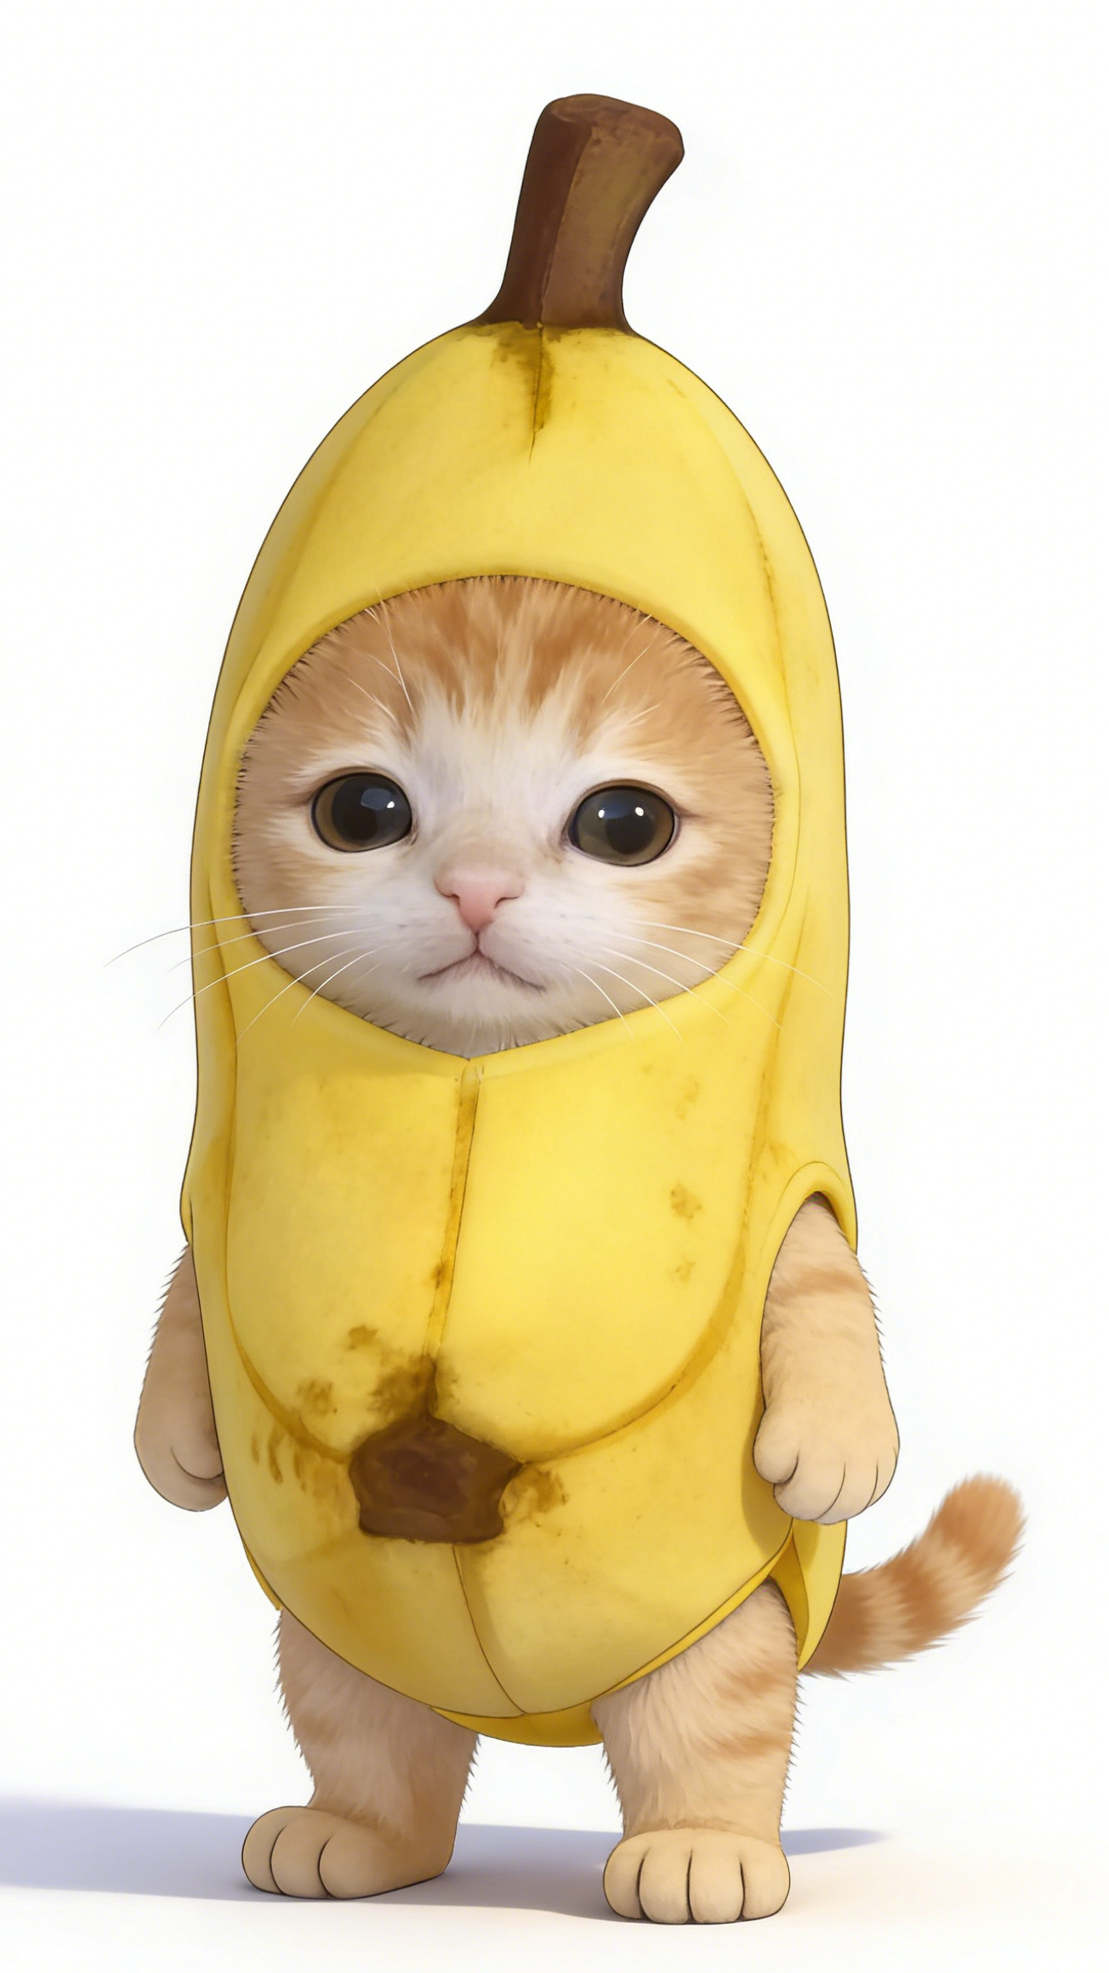 | 6 | 9:16 720P 10S
王家卫风格 | 王家卫美学：低角度跟拍红色高跟鞋走在潮湿的便利店地板上，窗外下着雨，霓虹闪烁【0-2 秒】；中景镜头，留金色短卷发的冷艳美女，身着米色风衣、佩戴深色墨镜，伸手拿取货架上的菠萝罐头，绿色荧光灯照明，采用画中画构图【2-5 秒】；极致特写旋转的菠萝罐头，罐身显现保质期，墨镜上倒映着霓虹光影【5-8 秒】；近景镜头，她转向镜头，轻声低语：“所有东西终究都会过期”【8-10 秒】。 米色风衣、深色墨镜、红色高跟鞋，浓重胶片颗粒感，低饱和色调搭配红青霓虹点缀，2.35:1 宽银幕变形镜头，4K 画质，充满诗意的孤独氛围。 | Wong Kar-wai Vibe | Wong Kar-wai aesthetic: Low-angle tracking shot of red high heels walking on wet convenience store floor, rain and neon lights outside the window [0-2s], medium shot of a Short, wavy blonde hair cool beauty in beige trench coat and dark sunglasses reaching for a pineapple can on the shelf, green fluorescent light, frame-within-frame composition [2-5s], extreme close-up of rotating pineapple can showing expiration date, neon reflections on sunglasses [5-8s], medium close-up of her turning to camera, whispering "Everything expires eventually"[8-10s]. Beige trench coat, dark sunglasses, red high heels, heavy film grain, desaturated tone with red/cyan neon accents, 2.35:1 anamorphic lens, 4K, poetic loneliness atmosphere | 文生视频 | Seedance 2.0 |  | 8 | 9:16 720P 10S
爆炸美学 | 迈克尔・贝爆炸美学：低角度跟拍镜头，主角身着战术装备全速冲刺穿过狭窄小巷，神情高度专注，两侧墙壁飞速模糊掠过【0-1 秒】；侧边建筑突然发生剧烈爆炸，冲击波席卷而来，主角向侧面飞身扑出，空中扭转身体，落地后肩部翻滚缓冲【1-2 秒】；主角顺势不停顿地迅速起身，继续向前狂奔，碎片与火焰紧随其后【2-4 秒】；主角从翻倒的汽车下方滑过，火焰在头顶灼烧，快速从另一侧爬出【4-5 秒】；蹬墙跑借力垂直墙面，抓住消防梯并向上荡起【5-7 秒】；主角在屋顶之间飞跃，身后建筑被爆炸火球吞噬，跳跃身影形成剪影【7-8 秒】；重重落地后翻滚蹲伏，回头望向火海，发丝随风飘动，眼神满是英雄般的决绝【8-10 秒】。 浓烈橙红色火焰与昏暗城市环境形成强烈对比，背景带有速度模糊，爆炸产生镜头光晕，具备《变形金刚》式动感张力，融合跑酷运动感，宽幅变形镜头，高动态范围，2.39:1 画幅，8K 电影级动作大片质感。 | Explosions | Michael Bay explosive aesthetic: Low-angle tracking shot hero sprinting full speed through narrow alley, tactical gear, intense focus, walls blurring past [0-1s]; sudden massive explosion erupts from side building, shockwave blast, hero launching into lateral dive, mid-air twist, shoulder roll landing [1-2s]; continuous momentum hero springing to feet without stopping, sprinting forward, debris and flames chasing heels [2-4s]; hero sliding under overturned car, flames licking overhead, scrambling out other side [4-5s]; wall run kick off vertical surface, grabbing fire escape ladder, swinging up [5-7s]; hero leaping between rooftops, explosion fireball engulfing building behind, silhouetting his jump [7-8s]; landing hard rolling into crouch, looking back at inferno, wind blowing through hair, heroic determination [8-10s]. Intense orange-red fire contrasting dark urban environment, speed blur on background, lens flares from blast, Transformers kinetic energy, parkour athleticism, anamorphic scope, high dynamic range, 2.39:1, 8K cinematic action spectacle | 文生视频 | Seedance 2.0 |  | 10 | 9:16 720P 10S
水下芭蕾幻梦 | 空灵水下芭蕾美学：广角镜头，一位芭蕾舞者独自站在水下岩石台面上，白色飘逸裙摆随水流舒展，发光生物洞穴散发柔和蓝绿色光芒，她深吸一口气【0-1 秒】；优雅屈膝沉入水中，裙摆如花朵绽放般散开，气泡缓缓向上漂浮【1-2 秒】；跟拍镜头跟随她下潜，手臂伸展呈一位舞姿，脚尖绷直，头发如深色光晕般散开【2-3 秒】；她开始缓慢旋转，裙摆环绕身体螺旋飘动，身后荧光微粒随之旋绕【3-5 秒】；保持悬空阿拉贝斯克舞姿，单腿向后伸展，双臂向前延伸，发光植物随节奏脉动【5-7 秒】；她蹬离洞壁，以大跳姿态在水中滑行，裙摆如翅膀般在身后飘动【7-8 秒】；最终造型：倒立漂浮，背部拱起，双臂在头顶优雅弯曲，裙摆如茧般包裹身体，360° 缓慢环绕镜头展现完美体态，微粒在四周舞动【8-10 秒】。 荧光青蓝与紫罗兰色调，漂浮布料动态编排，动作极致优雅，120 帧超慢镜头，超凡空灵美感，4K 电影艺术质感。 | Underwater Ballet Dream | Ethereal underwater ballet aesthetic: Wide shot lone ballerina standing on submerged rock ledge, white flowing dress billowing around her, bioluminescent cave glowing soft blue-green, she takes a deep breath [0-1s]; graceful plié into water, fabric exploding outward like flower blooming, bubbles trailing upward [1-2s]; tracking shot following her descent, arms extending into first position, pointed toes, hair fanning out like dark halo [2-3s]; she begins slow pirouette, dress spiraling around her body, bioluminescent particles swirling in her wake [3-5s]; arabesque pose held suspended, one leg extended behind, arms reaching forward, glowing flora pulsating in rhythm [5-7s]; she pushes off cave wall, gliding through water in grand jeté, fabric streaming behind like wings [7-8s]; final pose: floating upside down, back arched, arms gracefully curved above head, dress enveloping her like cocoon, 360° slow orbit revealing perfect form, particles dancing around her [8-10s]. Bioluminescent cyan and violet lighting, floating fabric choreography, hyper-graceful movement, 120fps ultra-slow motion, otherworldly ethereal beauty, 4K cinematic art | 文生视频 | Seedance 2.0 |  | 12 | 9:16 720P 10S
蒸汽波复古未来 | 蒸汽波超现实美学：开场画面，铬合金质感的棕榈树倒映着粉紫色落日，镜头穿过带有故障效果的 VHS 雪花噪点进入场景【0-1 秒】；戴着 3D 眼镜与金项链的古希腊雕像半身像倒立漂浮，一滴液态铬泪珠从大理石脸颊滑落【1-2 秒】；镜头摇摄，浮现出如同云朵般漂浮的 Windows 95 错误提示窗口，鼠标指针如鸟群般蜂拥飞舞【2-3 秒】；由紫色丝绒构成的海豚跃过网格地面，留下彩虹轨迹，合成波风格的太阳随着无声节奏脉动闪烁【3-5 秒】；覆满热带木槿花的罗马柱缓缓旋转，地面通风口升腾着蒸汽【5-6 秒】；巨型悬浮卡带不断展开，化作丝带公路，一辆 1986 年款跑车在公路上无尽行驶【6-8 秒】；MTV 标志如月亮般环绕旋转，在金字塔形铬合金建筑上投下阴影，棕榈树在反常的风中摇曳【8-9 秒】；最后一帧：所有元素同时出现画面故障，RGB 色彩分离、出现扫描线，随后瞬间恢复完美的铬合金质感画面【9-10 秒】。 紫橙青渐变天空，棋盘格地面逐渐消融至虚无，充满 80-90 年代怀旧梦幻感，极繁主义超现实风格，低保真 VHS 画质损耗效果，可无缝循环，4K 复古未来主义荒诞感。 | Vaporwave Retro Future | Vaporwave surreal aesthetic: Opening on chrome palm trees reflecting pink sunset, camera pushing through glitching VHS static into scene [0-1s]; ancient Greek bust wearing 3D glasses and gold chain floating upside down, single tear of liquid chrome rolling down marble cheek [1-2s]; camera pan revealing Windows 95 error message windows floating like clouds, cursor arrows swarming like birds [2-3s]; dolphin made of purple velvet leaping through grid floor, leaving rainbow trail, synthwave sun pulsing to unheard beat [3-5s]; Roman column rotating slowly, covered in tropical hibiscus flowers, steam rising from vents [5-6s]; giant floating cassette tape unwinding into ribbon road, sports car from 1986 driving endlessly on it [6-8s]; MTV logo orbiting like moon, casting shadow over chrome pyramid, palm trees swaying in impossible wind [8-9s]; final frame: all elements glitching simultaneously, RGB split, tracking lines, then snap back to perfect chrome perfection [9-10s]. Purple orange cyan gradient sky, checkerboard floor dissolving into void, nostalgic 80s-90s dreamscape, maximalist surrealism, lo-fi VHS degradation, seamless loop potential, 4K retro-future absurdity | 文生视频 | Seedance 2.0 |  | 14 | 9:16 720P 10S
巨物压迫 | 怪兽史诗美学：低角度街景视角，行人惊慌奔逃，镜头晃动，地面骤然震动，柏油路面裂开蛛网般的裂缝【0-1 秒】；巨大阴影吞噬街道，人们惊恐仰望，镜头急速上仰【1-2 秒】；巨型装甲巨足猛然踏下，冲击波迸发，汽车掀飞，碎片在慢镜头中炸裂，古老青铜铠甲上刻有发光符文【2-4 秒】；镜头持续上摇，展现 300 米高的巨型泰坦：人形身躯身披风化青铜与黄金铠甲，带角头盔刺破云层，长有四条手臂，其中两条握着巨型锁链，额头正中生有一只发光青蓝色独眼，头部周围闪电劈裂【4-6 秒】；右上臂横扫摩天大楼，玻璃碎裂，建筑坍塌，烟尘滚滚【6-8 秒】；泰坦俯身低头，布满伤痕的金属面庞占满画面，脸颊铠甲刻有古老符文，呼吸掀起飓风，神情带着历经千年的漠然，身后落日勾勒出轮廓光【8-10 秒】。 四臂青铜泰坦，单只独眼，带角头盔，如远古神祇般的气场，震撼无比的宏大尺度，2.39:1 画幅，8K 史诗级怪兽大片质感。 | Giant Oppression | Kaiju epic aesthetic: Low-angle street level, pedestrians running in panic, camera shaking, sudden ground tremor, cracks spiderwebbing on asphalt [0-1s]; massive shadow engulfing street, people looking up in awe and terror, camera tilting up rapidly [1-2s]; colossal armored foot stomping down, shockwave blast, cars flipping, debris exploding in slow motion, ancient bronze armor plates with glowing runes [2-4s]; camera continuing tilt up revealing 300-meter titan: humanoid form clad in weathered bronze and gold armor, horned helmet piercing clouds, four arms, two holding massive chains, single glowing cyan eye in center of forehead, lightning cracking around head [4-6s]; upper right hand sweeping through skyscrapers, glass shattering, structural collapse, dust cloud billowing [6-8s]; titan leaning down, scarred metallic face filling frame, ancient runes etched on cheek plates, breath creating hurricane winds, expression of millennia-old indifference, rim light from sunset behind [8-10s]. Four-armed bronze titan, single cyclopean eye, horned helmet, ancient god-like presence, awe-inspiring scale, 2.39:1, 8K epic kaiju spectacle | 文生视频 | Seedance 2.0 |  | 16 | 9:16 720P 10S
第一人称坠落 | 从摩天大楼屋顶第一人称视角纵身自由落体，令人眩晕的垂直下坠，强风呼啸的音效，下方城市灯光模糊成线，降落伞突然打开、伞衣剧烈飘动，速度急剧减缓，地面快速逼近，在最后一刻稳稳降落在屋顶，肾上腺素飙升，强烈的失重晕眩感，GoPro 拍摄风格搭配电影级调色。 | First Person Fall | First-person POV freefall from skyscraper rooftop, vertigo-inducing vertical drop, wind rushing effect, city lights blurring below, sudden parachute deployment with fabric fluttering, rapid deceleration, ground rushing up, last-second landing on rooftop steadily, adrenaline-pumping, motion sickness intensity, GoPro style with cinematic color grade | 文生视频 | Seedance 2.0 |  | 18 | 9:16 720P 10S

