weekly selection
date | url | classification daily | abstract | title | ci comment | weekly classification
01-09-2025
01-09-2026
01-09-2027 | XXX | XXX | XXX | XXX | XXX
01-09-2028
01-09-2029
02-09-2025
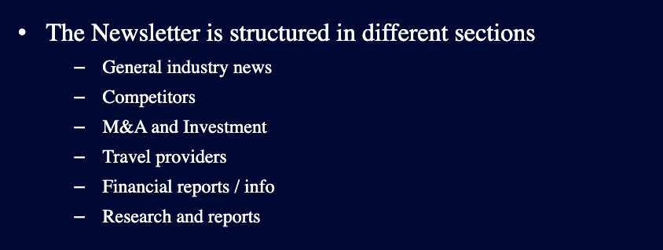
02-09-2025 | XXX | XXX | XXX | XXX | XXX
02-09-2025
02-09-2025
02-09-2025

