Difference in Conversion Rate
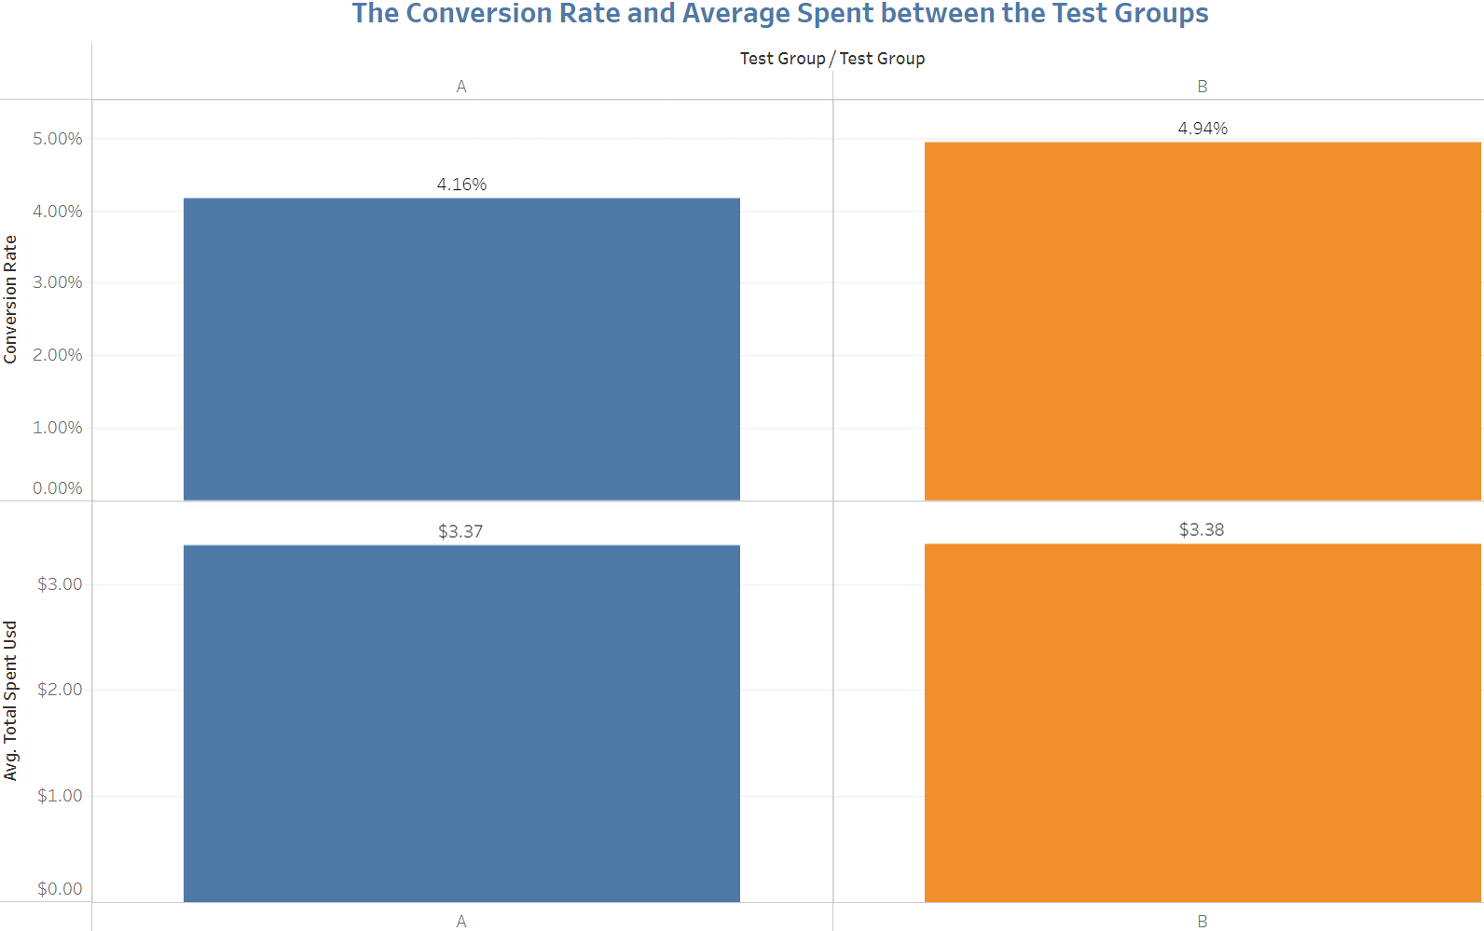
Hypothesis Test for the Difference in Conversion Rate
Z.TEST in comparing the proportion of conversions between the two groups, to see whether there is a difference in the conversion rate between them

Null and Alternative Hypothesis: HO: p1 = p2, H1:p1 != p2
Null Hypothesis (H₀): | There is no difference in the conversion rate between the two groups.
Alternative Hypothesis (H₁): | There is a difference in the conversion rate between the two groups.

Hypothesis testing | Notation | Value
Level of Significance | 𝛼 | 0.05
Type of Test |  | Two Tailed
Distribution |  | Normal
Calculation | Notation | Value

Sample Size (Control) | n1 | 24402
Sample Size (Treatment) | n2 | 24680
Number of Converted Users (Control) | x1 | 1014
Number of Converted Users (Treatment) | x2 | 1219
Conversion Rate (Control) | CR1 | 4%
Conversion Rate (Treatment) | CR2 | 4.94%
Standard Error (Control) | SE1 | 0.00
Standard Error (Treatment) | SE2 | 0.00001
Pooled Proportion (of success) | p‾ | 0.0455
Difference in Conversion Rate | ΔCR | 0.0078
Total Standard Error | SE | 0.0019
Degree of Freedom | df = n-1 | 49081
Z Score | z | 4.1665
Critical Value at 95% Confidence Level | Zα/2 | 1.96
P-value | p | 0.00
Confidence Interval | CI | 0.42% | 1.15%
REJECT the NULL HYPOTHESIS. There is a statistically significant distinction between the two groups, namely the treatment group demonstrates a higher conversion rate

Conclusion: Based on the conducted two-sample z-test for a difference in proportions with a level of significance of 0.05, the resulting p-value is 0.00, which is below the significance threshold. Additionally, the 95% confidence interval for the difference in conversion rate between the treatment and control groups is (0.42%, 1.15%). Given these findings, we reject the null hypothesis (H0: p1 = p2) and conclude that there is a statistically significant difference in the conversion rates between the treatment and control groups. The positive difference in conversion rates (0.0078) suggests that the treatment group, which saw the banner highlighting food and drink products, has a higher conversion rate compared to the control group. The p-value is extremely low, indicating a statistically significant result. Upon further examination, it appears that the difference in conversion rates, although statistically significant, might not be practically significant. The actual difference in conversion rates is 0.0078, and the 95% confidence interval ranges from 0.42% to 1.15%. The upper limit of this interval is relatively low, indicating that the practical impact of implementing the banner may not be substantial. While the statistical test shows a significant difference, the magnitude of the difference and the confidence interval suggest that the observed effect might not be practically meaningful for the business. Therefore, the final recommendation either to or not to launch the change, needs to refer to the whole statistical and practical considerations, especially the separate hypothesis test for the difference in average amount spent.

