Wireframe
v Object Identification Information
 | Object ID* |  |  |  | Record Status |  |  | Collection Type
 |  |  |  |  | v |  |  | v

 | Other Number |  | Other Number Type |  | Note |  |  | Number of Objects
 |  |  | v

 | Controlled Object Name
 | Object Name |  |  | Currency | Level | System | Language | Note
 |  |  |  | v | v | v | v

 | Other Object Name
 | Object Name |  |  | System | Language | Note
 |  |  |  | v | v

 | Description

 | Title
 | Title |  |  |  | Title Language |  |  | Title Type
 |  |  |  |  | v |  |  | v

 | Title Translation
 | Translation |  |  | Language
 |  |  |  | v

 | Object Status |  | Date | By | Status Note
 | v

 | Cataloged By |  |  | Date |  |  | Current Location

 | Collection
 | v
 | Notes

v Object Description Information

 | Sex |  |  | Age | Age Qualifier |  | Age Unit
 | v |  |  |  | v |  | v

 | Material |  |  | Material Component |  |  | Material Component Source

 | Dimension Information
 | Part/Version |  |  |  |  | Measurements
 | Component Name |  | Information |  |  | Dimension | Dim. Unit | Value
 | v |  |  |  |  | v | v

 | Audio/Visual information
 | Medium |  | Process/Technique |  | Film Format | Orig/Copy | Color | Note
 | v |  | v |  | v | v | v

 | Legacy Past Perfect Dimenstion Details

v Object Production Information
 | Object Authenticity |  |  | Production Date
 | v

 | Production Place |  |  |  |  | Production Person
 | Production Place |  | Role |  |  | Production Person |  | Role

 | Prodution Culture |  |  |  |  | Production Organization
 | Prodution Culture |  | Role |  |  | Production Organization |  | Role

 | Prodution Technique
 | Prodution Technique |  | Technique Type

 | Procudction Reason |  |  |  |  | Production Note

v Content

 | Content Description

 | Content - Culture |  |  |  | Content - Place

 | Content - Person |  |  |  | Content - Organization

 | Content - Search Terms |  |  |  | Content - Date

 | Legacy Search Terms Data

 | Event Name
 | Event Name |  |  |  | Event Name Type

 | Language |  |  |  | SDMOM Object Contained |  |  | Content - Object Name
 | v

 | Content - Note

v Inscription Content

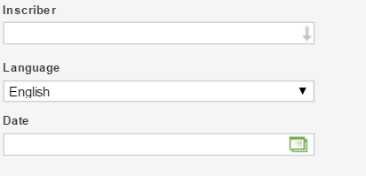

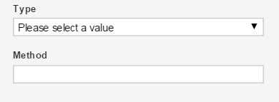

v Object History and Association Information
 | Provenance

 | Owned |  |  |  | Ownership Note

 | v Associations
 | Associated Search Terms |  |  |  |  | Associated Event Name
 | Search Terms |  | Notes |  |  | Event Name |  | Notes

 | Associated Cultural Affinity/People |  |  |  |  | Associated Organization
 | Cultural Affinity/People |  | Notes |  |  | Organization |  | Notes

 | Associated Person |  |  |  |  | Associated Place
 | Person |  | Notes |  |  | Place |  | Notes

 |  | Associated SDMoM Object(s)
 |  | Object(s) |  | Object Type |  | Notes

v Repatriation and NAGPRA Compliance Information
 | NAGPRA Status |  |  |  | NAGRPA Inventory
 | v |  |  |  | Y/N? | Date

 | NAGPRA Category Determination

 | Repatriation Notes |  |  |  |  | NAGPRA Cultural Determination

v Cultural Care Information

 | Access Limitations
 | Type |  |  | Level
 | v |  |  | v

 | Details

 | Requestor (Person) |  |  | On Behalf of (Organization) |  |  |  | Date

 | Culture Care Notes

v Commentary

 | Commentator Information
 | Commentator |  |  | Commentator's Role |  | Date | Note
 |  |  |  | v

 | Commentary

v Reference Information
 | Reference Information
 | Reference Information |  |  |  | Reference Use |  | Reference Note
 |  |  |  |  | v

 | Web Ready? |  |  | Copyrights
 | v

 |  |  |  | Label Credit

v Object Collection Information

 | Unit |  | Level |  | Stratum

 | Field Collection Note

v Object Hierarchy

 | Broader Record |  |  | Broader Record Type |  |  | Equivalent Record(s)

 | Narrower Record |  |  | Narrower Record Type

